BRA_all_raw
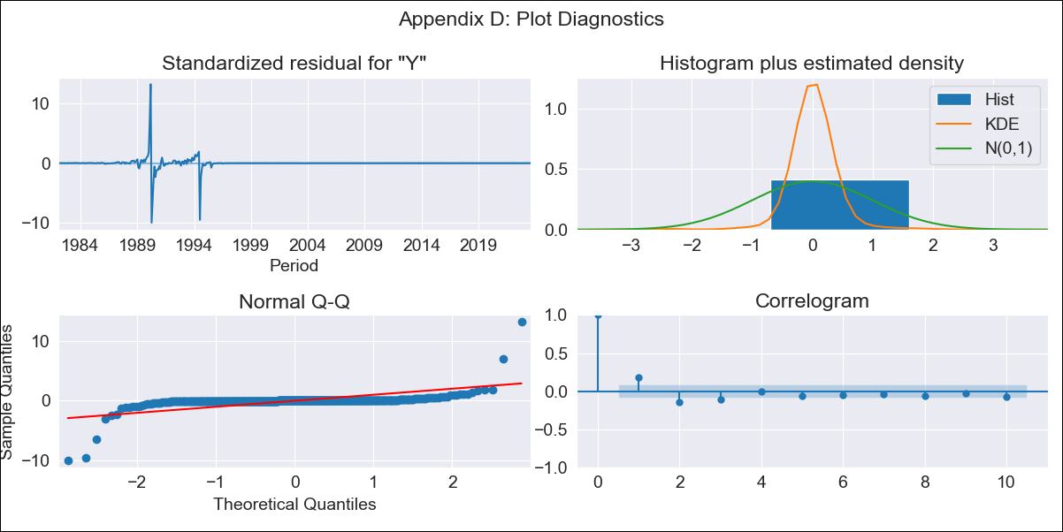
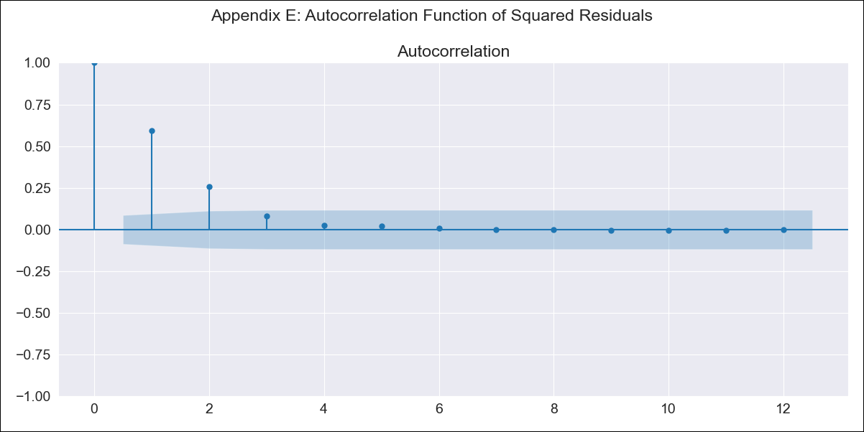
BRA_all_raw - Inflation - Next 12 months forecast as of: 2023-08-01

Model | ARIMA - [(1, 1, 0), (0, 0, 1, 12)]
Training Data | 1980-12-01 to 2022-09-01
Test Data | 2022-09-01 to 2023-08-01

Date | Inflation Change YoY % | Lower Bound - 95% Confidence Interval | Upper Bound - 95% Confidence Interval
2023-09-01 | 5.09 | -266.02 | 276.21
2023-10-01 | 5.38 | -522.46 | 533.22
2023-11-01 | 5.59 | -774.78 | 785.95
2023-12-01 | 5.7 | -1014.07 | 1025.48
2024-01-01 | 5.77 | -1237.55 | 1249.09
2024-02-01 | 5.83 | -1445.15 | 1456.81
2024-03-01 | 5.95 | -1637.91 | 1649.81
2024-04-01 | 6.01 | -1817.46 | 1829.48
2024-05-01 | 6.05 | -1985.27 | 1997.38
2024-06-01 | 6.14 | -2142.73 | 2155.01
2024-07-01 | 6.08 | -2291.31 | 2303.46
2024-08-01 | 6.03 | -2431.95 | 2444.01

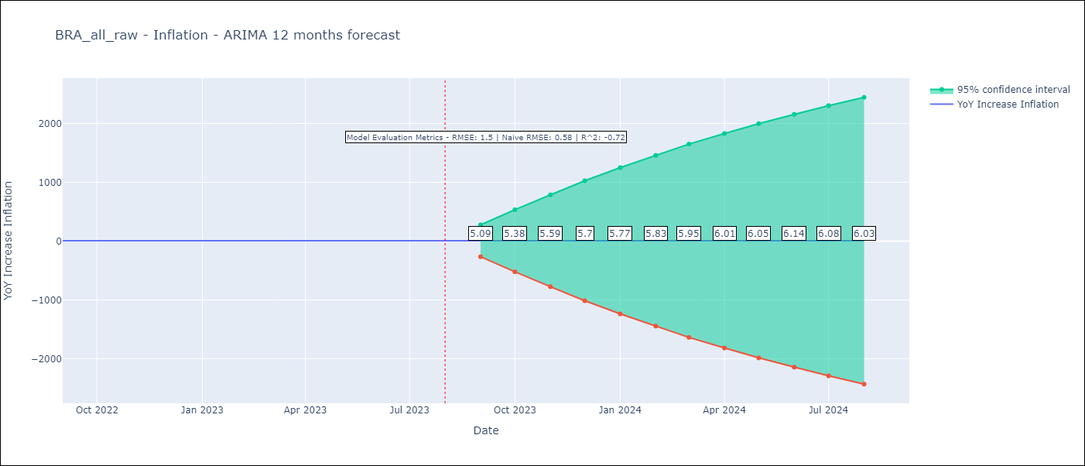

Test Metrics
RMSE | 1.5
Naive RMSE | 0.58
R^2 | -0.72

Test Predictions
Date | Predicted | Actual
2022-09-01 | 7.81 | 7.17
2022-10-01 | 7.19 | 6.47
2022-11-01 | 6.8 | 5.9
2022-12-01 | 6.61 | 5.79
2023-01-01 | 6.41 | 5.77
2023-02-01 | 6.27 | 5.6
2023-03-01 | 6.1 | 4.65
2023-04-01 | 5.95 | 4.18
2023-05-01 | 5.95 | 3.94
2023-06-01 | 5.9 | 3.16
2023-07-01 | 6.07 | 3.99
2023-08-01 | 6.2 | 4.61

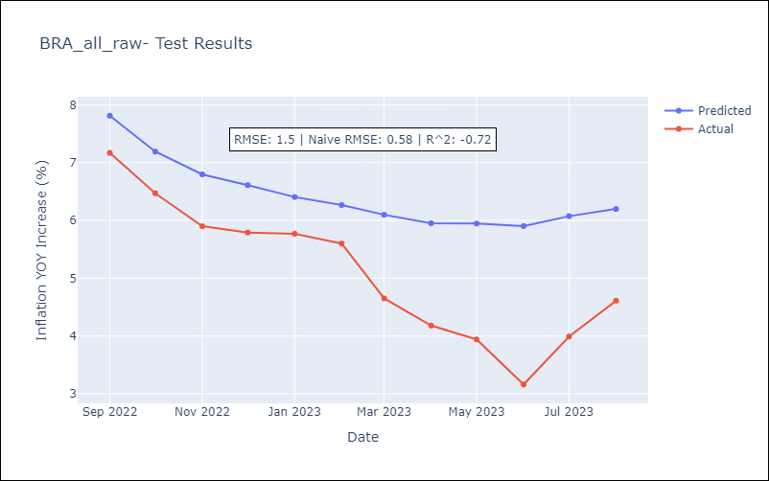

Appendix A: Model Summary
Model | ARIMA(1, 1, 0)x(0, 0, [1], 12)
Sample | 12-01-1980- 08-01-2023
No. of Observations | 513
Terms | P-value (Statistical significance)
ar.L1 | 0.000
ma.S.L12 | 0.102
sigma2 | 0.000
Assumptions | P-value | Interpretation
Ljung-Box (L1) | 0.00 | Residuals are not independent.
Heteroskedasticity | 0.00 | Residuals have different variances.
Jarque-Bera | 0.00 | Residuals are not normally distributed.
Skew | 0.96 | Positive skew - model underestimates the mean.
Kurtosis | 101.82 | Residuals contain more extreme outliers than in a normal distribution.

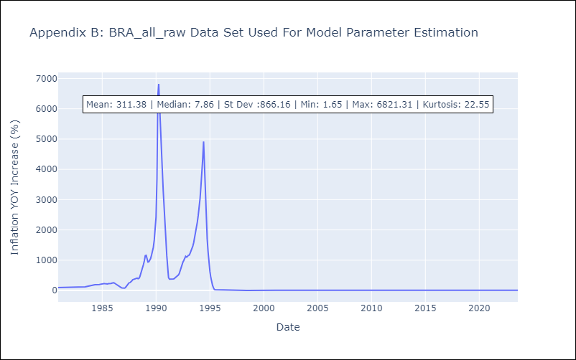

Appendix C: Residuals Analysis
Mean | 0.06
Variance | 18899.73
White Noise? | No - Correlation at Lags [ 1 2 3 4 5 6 7 8 9 10 11 12]
Heteroskedastic? - ARCH | Yes
Normal? | No

