CHL_2010_raw

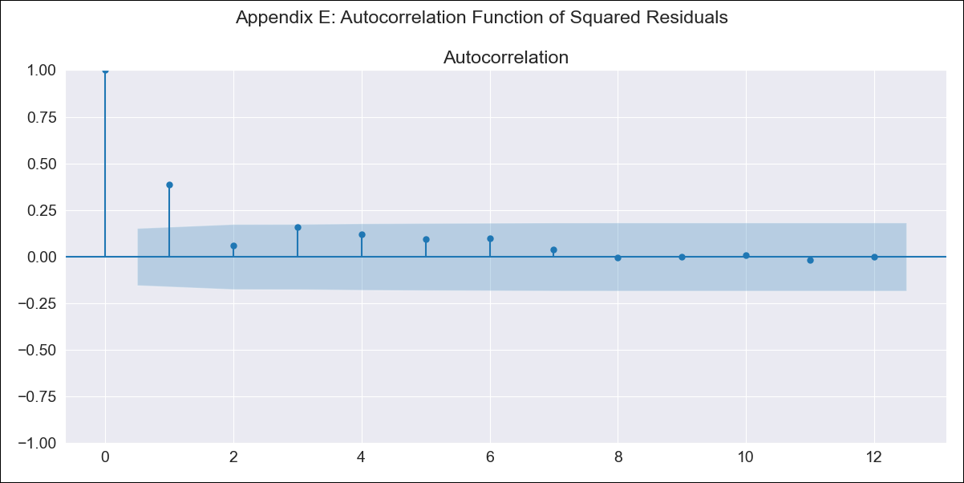
CHL_2010_raw - Inflation - Next 12 months forecast as of: 2023-08-01

Model | ARIMA - [(2, 0, 1), (0, 0, 1, 12)]
Training Data | 2010-01-01 to 2022-09-01
Test Data | 2022-09-01 to 2023-08-01

Date | Inflation Change YoY % | Lower Bound - 95% Confidence Interval | Upper Bound - 95% Confidence Interval
2023-09-01 | 4.04 | 3.2 | 4.87
2023-10-01 | 2.75 | 1.43 | 4.06
2023-11-01 | 1.53 | -0.25 | 3.31
2023-12-01 | 0.3 | -1.94 | 2.53
2024-01-01 | -0.9 | -3.58 | 1.79
2024-02-01 | -2.03 | -5.16 | 1.1
2024-03-01 | -3.12 | -6.69 | 0.45
2024-04-01 | -4.15 | -8.13 | -0.16
2024-05-01 | -5.08 | -9.47 | -0.69
2024-06-01 | -5.9 | -10.67 | -1.13
2024-07-01 | -6.61 | -11.73 | -1.48
2024-08-01 | -7.2 | -12.65 | -1.75

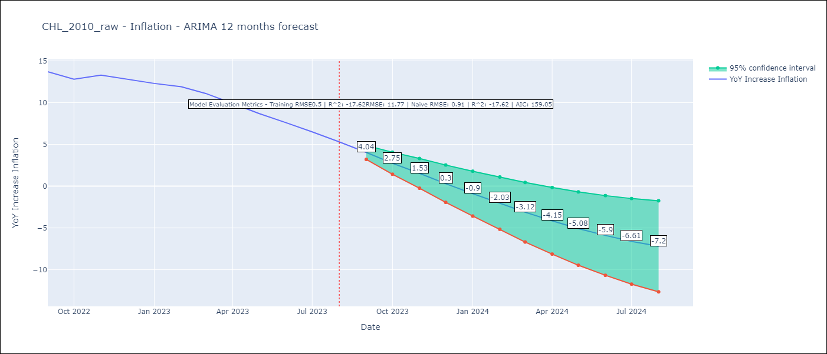

Test Metrics
RMSE | 11.77
Naive RMSE | 0.91
R^2 | -17.62

Test Predictions
Date | Predicted | Actual
2022-09-01 | 14.9 | 13.7
2022-10-01 | 15.66 | 12.8
2022-11-01 | 16.52 | 13.3
2022-12-01 | 17.39 | 12.8
2023-01-01 | 18.33 | 12.3
2023-02-01 | 19.31 | 11.9
2023-03-01 | 20.44 | 11.1
2023-04-01 | 21.6 | 9.9
2023-05-01 | 22.83 | 8.7
2023-06-01 | 24.14 | 7.6
2023-07-01 | 25.51 | 6.5
2023-08-01 | 26.99 | 5.3

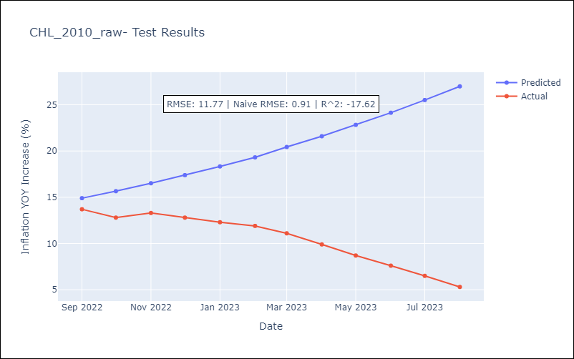

Appendix A: Model Summary
Model | ARIMA(2, 0, 1)x(0, 0, 1, 12)
Sample | 01-01-2010- 08-01-2023
No. of Observations | 164
Terms | P-value (Statistical significance)
const | 0.005
ar.L1 | 0.000
ar.L2 | 0.000
ma.L1 | 0.000
ma.S.L12 | 0.541
sigma2 | 0.764
Assumptions | P-value | Interpretation
Ljung-Box (L1) | 0.35 | Residuals are independent.
Heteroskedasticity | 0.52 | Residuals have the same variance.
Jarque-Bera | 0.29 | Residuals are normally distributed.
Skew | 0.01 | Positive skew - model underestimates the mean.
Kurtosis | 3.63 | Residuals contain more extreme outliers than in a normal distribution.

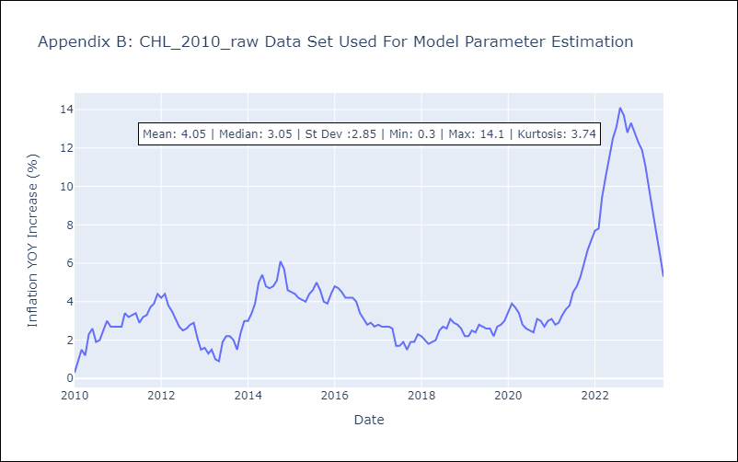

Appendix C: Residuals Analysis
Mean | 0.04
Variance | 0.28
White Noise? | No - Correlation at Lags [ 2 3 4 5 6 7 8 9 10 11 12]
Heteroskedastic? - ARCH | No
Normal? | No

