BRA_1998_raw
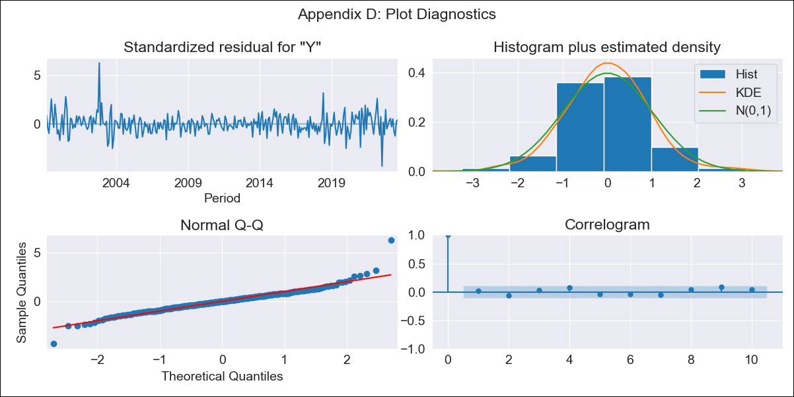

BRA_1998_raw - Inflation - Next 12 months forecast as of: 2023-08-01

Model | ARIMA - [(1, 1, 0), (0, 0, 1, 12)]
Training Data | 1998-01-01 to 2022-09-01
Test Data | 2022-09-01 to 2023-08-01

Date | Inflation Change YoY % | Lower Bound - 95% Confidence Interval | Upper Bound - 95% Confidence Interval
2023-09-01 | 5.32 | 4.65 | 5.98
2023-10-01 | 5.34 | 4.07 | 6.62
2023-11-01 | 5.5 | 3.64 | 7.37
2023-12-01 | 5.64 | 3.23 | 8.06
2024-01-01 | 5.63 | 2.71 | 8.55
2024-02-01 | 5.46 | 2.07 | 8.85
2024-03-01 | 5.43 | 1.61 | 9.25
2024-04-01 | 5.27 | 1.05 | 9.48
2024-05-01 | 5.38 | 0.79 | 9.97
2024-06-01 | 5.8 | 0.86 | 10.74
2024-07-01 | 5.99 | 0.72 | 11.25
2024-08-01 | 5.99 | 0.41 | 11.57

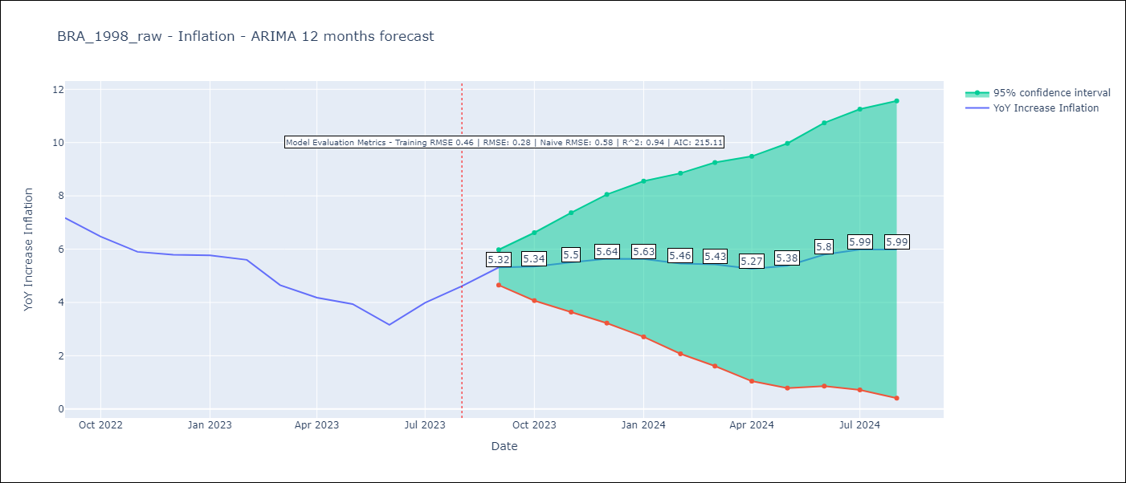

Test Metrics
RMSE | 0.28
Naive RMSE | 0.58
R^2 | 0.94

Test Predictions
Date | Predicted | Actual
2022-09-01 | 7.54 | 7.17
2022-10-01 | 6.57 | 6.47
2022-11-01 | 5.99 | 5.9
2022-12-01 | 5.92 | 5.79
2023-01-01 | 5.8 | 5.77
2023-02-01 | 5.38 | 5.6
2023-03-01 | 4.37 | 4.65
2023-04-01 | 3.68 | 4.18
2023-05-01 | 3.56 | 3.94
2023-06-01 | 3.28 | 3.16
2023-07-01 | 4.31 | 3.99
2023-08-01 | 4.92 | 4.61

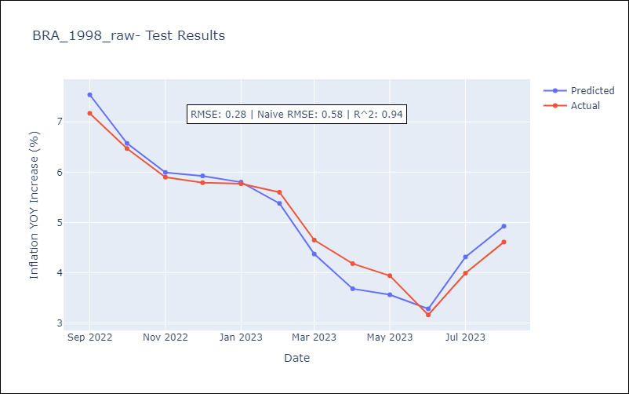

Appendix A: Model Summary
Model | ARIMA(1, 1, 0)x(0, 0, [1], 12)
Sample | 01-01-1998- 08-01-2023
No. of Observations | 308
Terms | P-value (Statistical significance)
ar.L1 | 0.000
ma.S.L12 | 0.000
sigma2 | 0.000
Assumptions | P-value | Interpretation
Ljung-Box (L1) | 0.79 | Residuals are independent.
Heteroskedasticity | 0.52 | Residuals have the same variance.
Jarque-Bera | 0.00 | Residuals are not normally distributed.
Skew | 0.63 | Positive skew - model underestimates the mean.
Kurtosis | 8.80 | Residuals contain more extreme outliers than in a normal distribution.

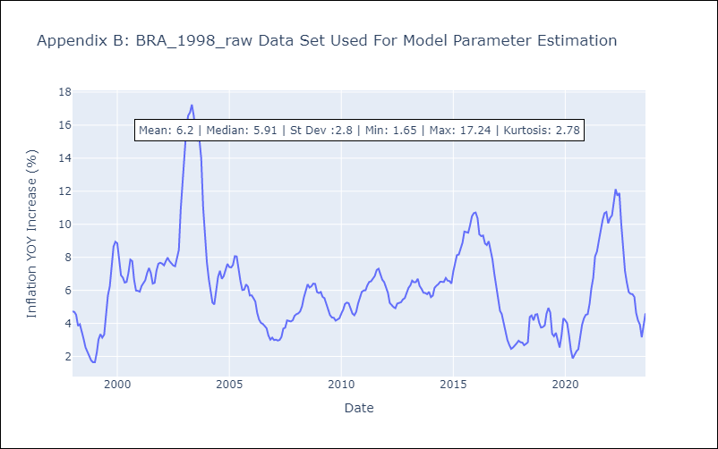

Appendix C: Residuals Analysis
Mean | 0.01
Variance | 0.2
White Noise? | Yes
Heteroskedastic? - ARCH | No
Normal? | No

