BRA_all_trans
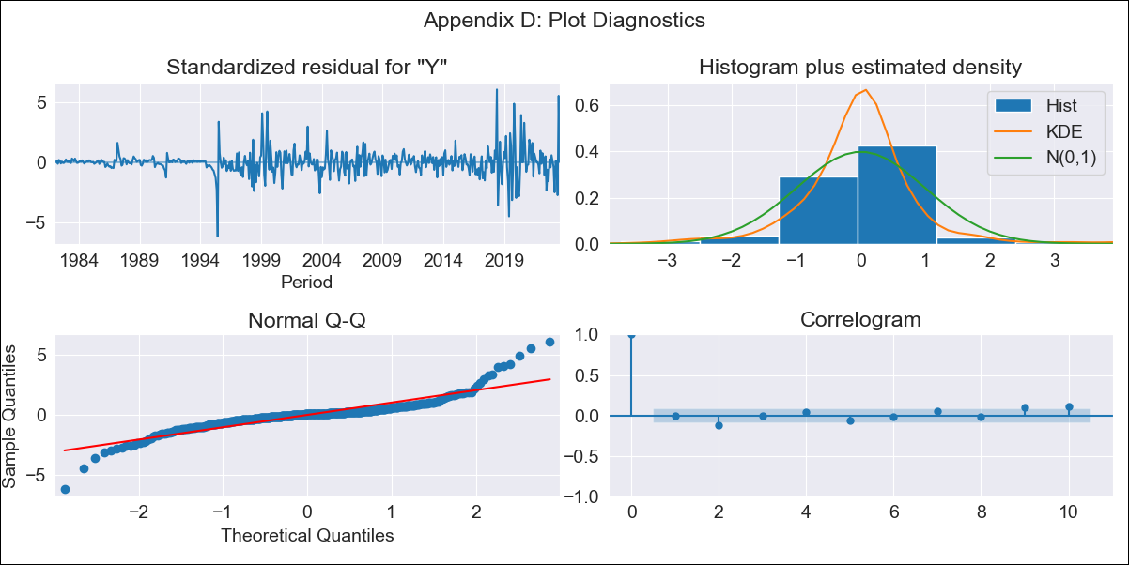
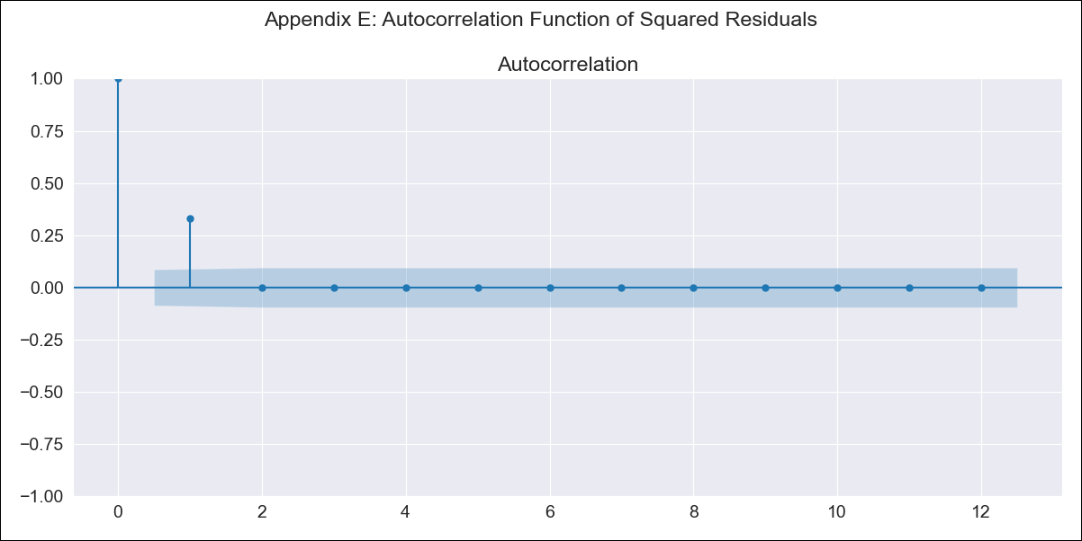
BRA_all_trans - Inflation - Next 12 months forecast as of: 2023-08-01

Model | ARIMA - [(2, 0, 0), (0, 0, 1, 12)]
Training Data | 1980-12-01 to 2022-09-01
Test Data | 2022-09-01 to 2023-08-01

Date | Inflation Change YoY % | Lower Bound - 95% Confidence Interval | Upper Bound - 95% Confidence Interval
2023-09-01 | 5.02 | 4.4 | 5.73
2023-10-01 | 5.28 | 4.11 | 6.82
2023-11-01 | 5.45 | 3.79 | 7.91
2023-12-01 | 5.56 | 3.48 | 9.02
2024-01-01 | 5.62 | 3.2 | 10.12
2024-02-01 | 5.66 | 2.95 | 11.21
2024-03-01 | 5.64 | 2.71 | 12.21
2024-04-01 | 5.62 | 2.5 | 13.25
2024-05-01 | 5.61 | 2.33 | 14.32
2024-06-01 | 5.56 | 2.16 | 15.3
2024-07-01 | 5.61 | 2.04 | 16.62
2024-08-01 | 5.64 | 1.93 | 17.93

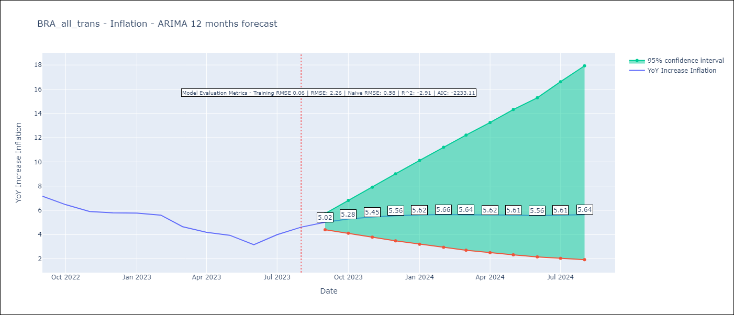

Test Metrics
RMSE | 2.26
Naive RMSE | 0.58
R^2 | -2.91

Test Predictions
Date | Predicted | Actual
2022-09-01 | 8.01 | 7.17
2022-10-01 | 7.6 | 6.47
2022-11-01 | 7.35 | 5.9
2022-12-01 | 7.18 | 5.79
2023-01-01 | 7.1 | 5.77
2023-02-01 | 7.04 | 5.6
2023-03-01 | 7.03 | 4.65
2023-04-01 | 7.02 | 4.18
2023-05-01 | 6.99 | 3.94
2023-06-01 | 6.98 | 3.16
2023-07-01 | 6.91 | 3.99
2023-08-01 | 6.85 | 4.61

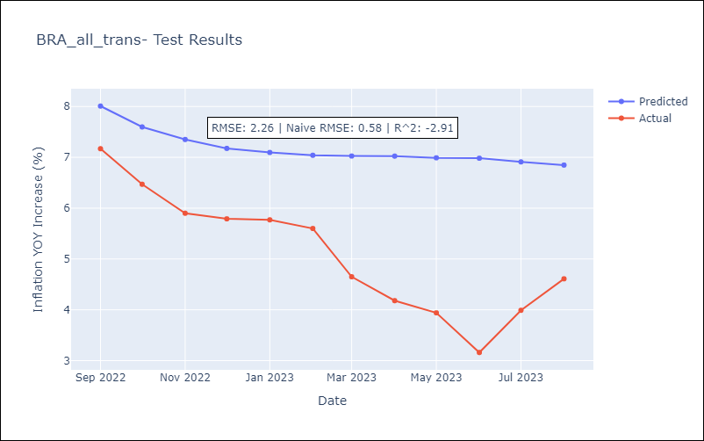

Appendix A: Model Summary
Model | ARIMA(2, 0, 0)x(0, 0, [1], 12)
Sample | 12-01-1980- 08-01-2023
No. of Observations | 513
Terms | P-value (Statistical significance)
const | 0.000
ar.L1 | 0.000
ar.L2 | 0.000
ma.S.L12 | 0.000
sigma2 | 0.000
Assumptions | P-value | Interpretation
Ljung-Box (L1) | 0.99 | Residuals are independent.
Heteroskedasticity | 0.00 | Residuals have different variances.
Jarque-Bera | 0.00 | Residuals are not normally distributed.
Skew | 0.54 | Positive skew - model underestimates the mean.
Kurtosis | 12.58 | Residuals contain more extreme outliers than in a normal distribution.

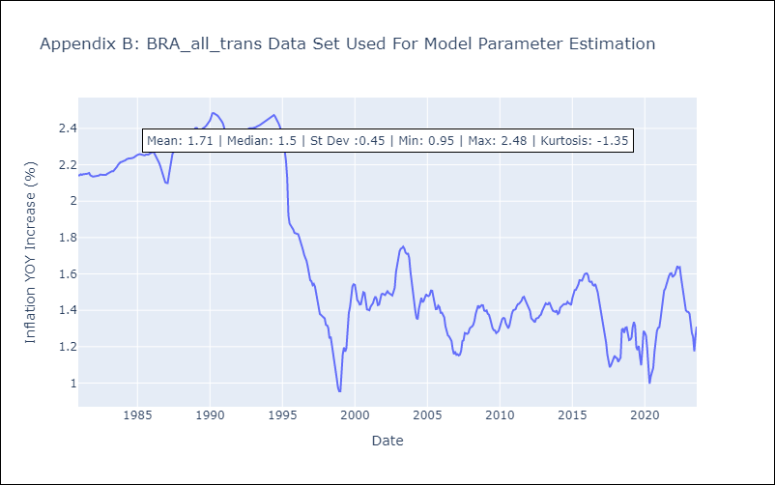

Appendix C: Residuals Analysis
Mean | 0.0
Variance | 0.01
White Noise? | No - Correlation at Lags [ 1 2 3 4 5 6 7 8 9 10 11 12]
Heteroskedastic? - ARCH | Yes
Normal? | No

