BRA_EXOG
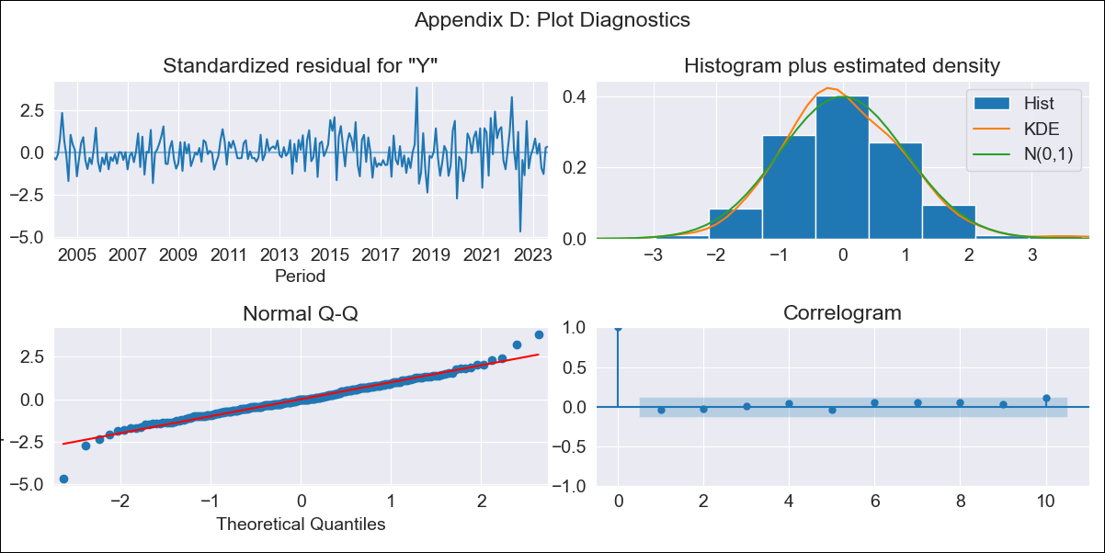

BRA_EXOG - Inflation - Next 12 months forecast as of: 2023-08-01

Model | SARIMAX - [(1, 1, 0), (0, 0, 1, 12)] | Exogenous Variables | M1, M2, Exchange rate, Lending rate
Training Data | 2002-12-01 to 2022-09-01
Test Data | 2022-09-01 to 2023-08-01

Date | Inflation Change YoY % | Lower Bound - 95% Confidence Interval | Upper Bound - 95% Confidence Interval
2023-09-01 | 5.34 | 4.79 | 5.88
2023-10-01 | 5.28 | 4.26 | 6.31
2023-11-01 | 5.41 | 3.95 | 6.88
2023-12-01 | 5.53 | 3.66 | 7.4
2024-01-01 | 5.56 | 3.33 | 7.79
2024-02-01 | 5.35 | 2.79 | 7.91
2024-03-01 | 5.19 | 2.33 | 8.05
2024-04-01 | 4.95 | 1.81 | 8.09
2024-05-01 | 5.02 | 1.63 | 8.42
2024-06-01 | 5.39 | 1.76 | 9.03
2024-07-01 | 5.56 | 1.7 | 9.42
2024-08-01 | 5.54 | 1.46 | 9.62

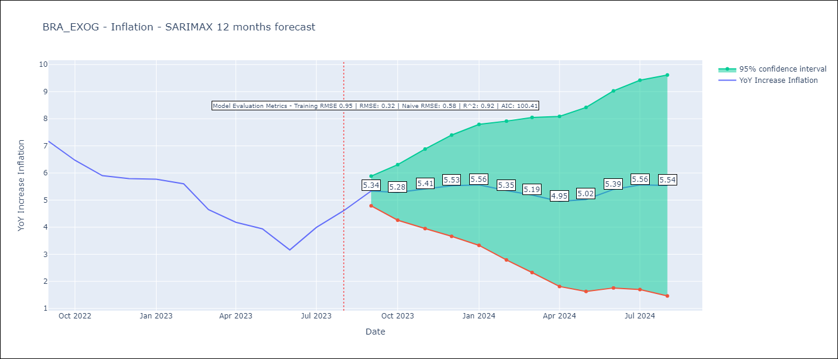

Test Metrics
RMSE | 0.32
Naive RMSE | 0.58
R^2 | 0.92

Test Predictions
Date | Predicted | Actual
2022-09-01 | 7.61 | 7.17
2022-10-01 | 6.64 | 6.47
2022-11-01 | 6.11 | 5.9
2022-12-01 | 6.09 | 5.79
2023-01-01 | 6.02 | 5.77
2023-02-01 | 5.6 | 5.6
2023-03-01 | 4.54 | 4.65
2023-04-01 | 3.88 | 4.18
2023-05-01 | 3.8 | 3.94
2023-06-01 | 3.46 | 3.16
2023-07-01 | 4.52 | 3.99
2023-08-01 | 5.16 | 4.61

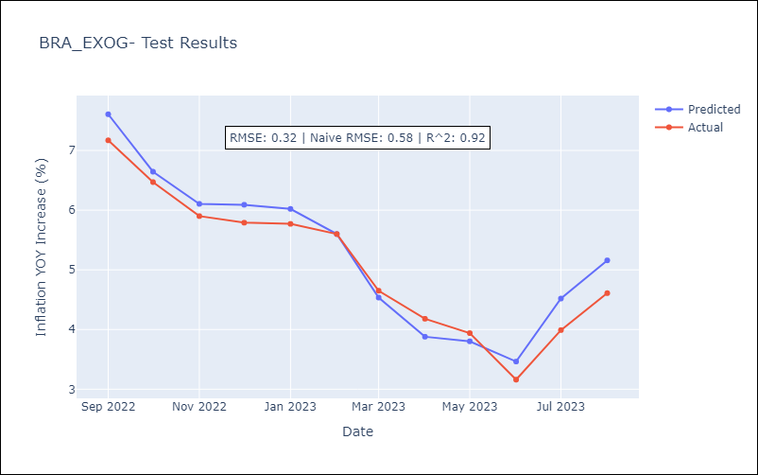

Appendix A: Model Summary
Model | SARIMAX(1, 1, 0)x(0, 0, [1], 12)
Sample | 12-01-2002- 08-01-2023
No. of Observations | 249
Terms | P-value (Statistical significance)
M1 | 0.010
M2 | 0.720
Exchange rate | 0.020
Lending rate | 0.525
ar.L1 | 0.000
ma.S.L12 | 0.000
sigma2 | 0.000
Assumptions | P-value | Interpretation
Ljung-Box (L1) | 0.60 | Residuals are independent.
Heteroskedasticity | 0.00 | Residuals have different variances.
Jarque-Bera | 0.00 | Residuals are not normally distributed.
Skew | -0.04 | Negative skew - Model overestimates the mean.
Kurtosis | 5.30 | Residuals contain more extreme outliers than in a normal distribution.

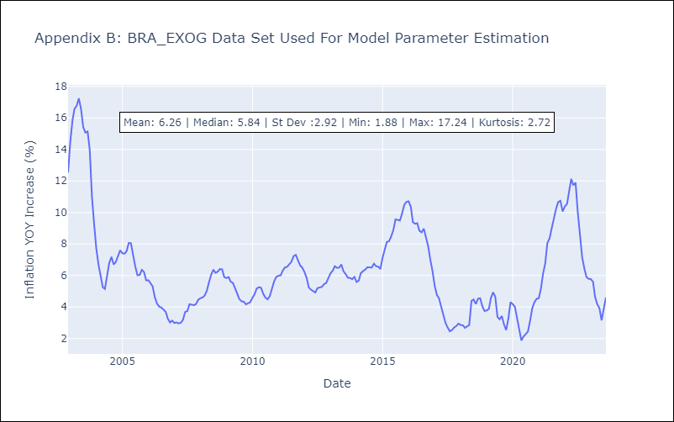

Appendix C: Residuals Analysis
Mean | 0.02
Variance | 0.86
White Noise? | No - Correlation at Lags [1]
Heteroskedastic? - ARCH | Yes
Normal? | No

