BOL
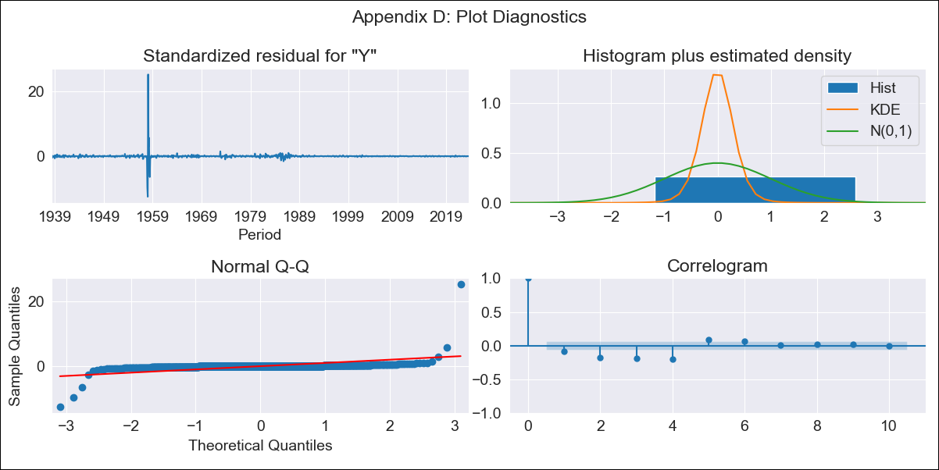
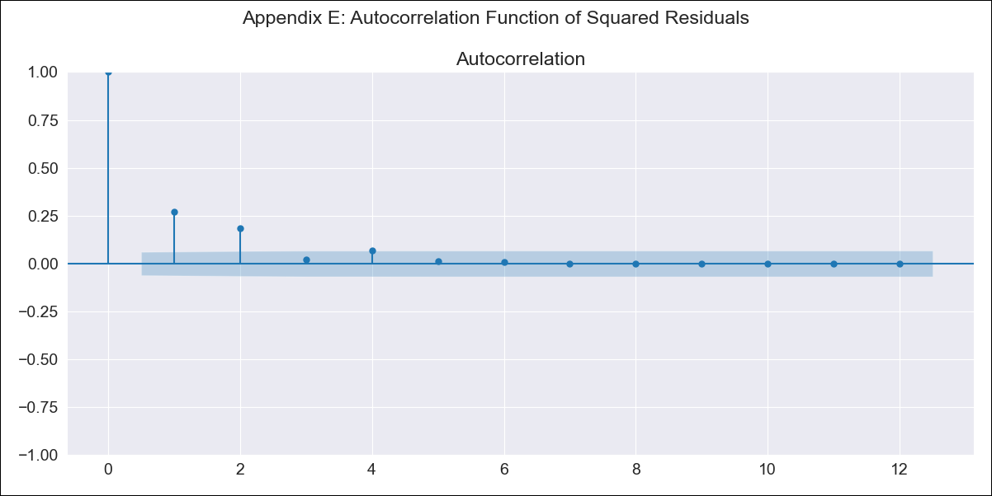
BOL - Inflation - Next 12 months forecast as of: 2023-08-01

Model | ARIMA - [(3, 2, 0), (0, 0, 0, 12)]
Training Data | 1938-01-01 to 2022-09-01
Test Data | 2022-09-01 to 2023-08-01

Date | Inflation Change YoY % | Lower Bound - 95% Confidence Interval | Upper Bound - 95% Confidence Interval
2023-09-01 | 3.1 | -9.19 | 46.4
2023-10-01 | 3.11 | -11.47 | 101.01
2023-11-01 | 3.24 | -12.61 | 201.06
2023-12-01 | 3.4 | -13.32 | 471.01
2024-01-01 | 3.46 | -13.66 | 1260.55
2024-02-01 | 3.55 | -13.77 | 3249.79
2024-03-01 | 3.67 | -13.81 | 8753.69
2024-04-01 | 3.78 | -13.82 | 25423.5
2024-05-01 | 3.87 | -13.83 | 76508.81
2024-06-01 | 3.97 | -13.83 | 234243.55
2024-07-01 | 4.08 | -13.83 | 742969.51
2024-08-01 | 4.19 | -13.83 | 2430060.3

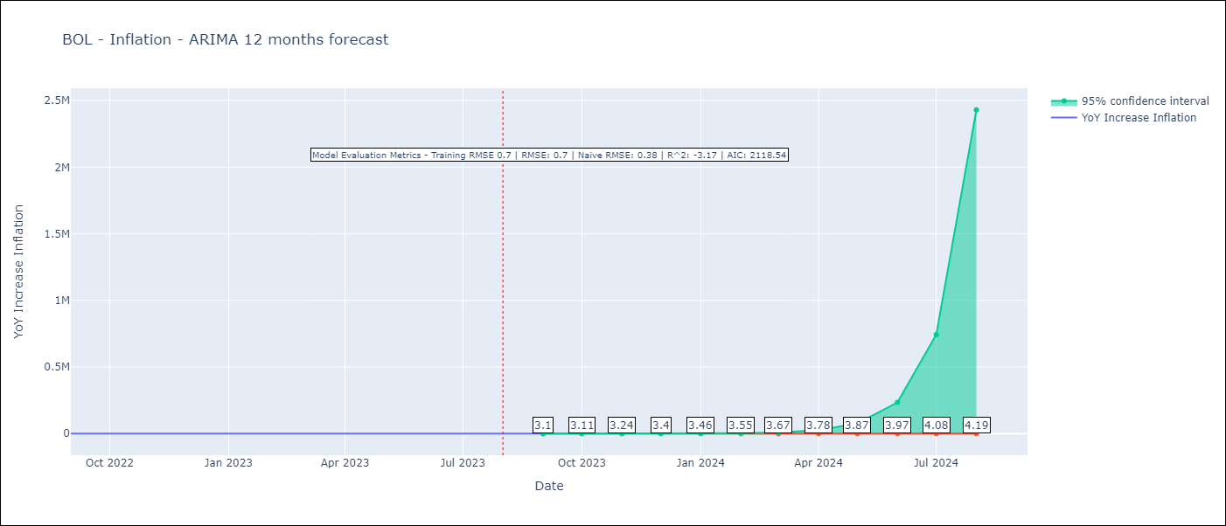

Test Metrics
RMSE | 0.7
Naive RMSE | 0.38
R^2 | -3.17

Test Predictions
Date | Predicted | Actual
2022-09-01 | 1.84 | 1.89
2022-10-01 | 2.01 | 2.89
2022-11-01 | 1.98 | 3.17
2022-12-01 | 1.96 | 3.12
2023-01-01 | 2.11 | 3.14
2023-02-01 | 2.17 | 2.57
2023-03-01 | 2.19 | 2.53
2023-04-01 | 2.25 | 2.7
2023-05-01 | 2.33 | 2.9
2023-06-01 | 2.38 | 2.73
2023-07-01 | 2.43 | 2.7
2023-08-01 | 2.5 | 3.06

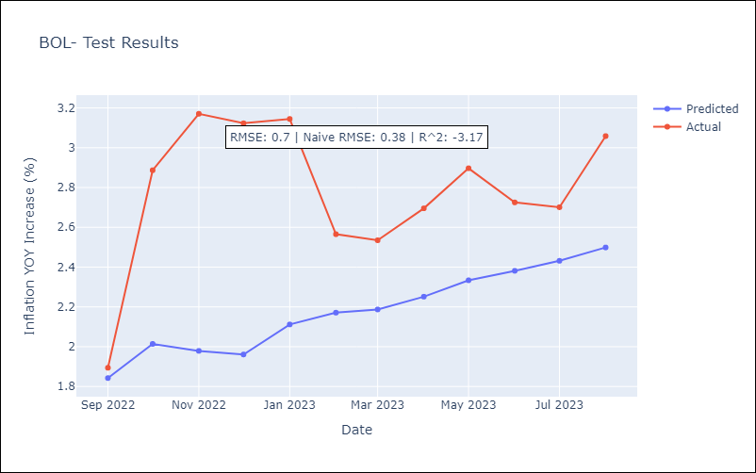

Appendix A: Model Summary
Model | ARIMA(3, 2, 0)
Sample | 01-01-1938- 08-01-2023
No. of Observations | 1028
Terms | P-value (Statistical significance)
ar.L1 | 0.000
ar.L2 | 0.000
ar.L3 | 0.000
sigma2 | 0.000
Assumptions | P-value | Interpretation
Ljung-Box (L1) | 0.01 | Residuals are not independent.
Heteroskedasticity | 0.00 | Residuals have different variances.
Jarque-Bera | 0.00 | Residuals are not normally distributed.
Skew | 12.84 | Positive skew - model underestimates the mean.
Kurtosis | 431.79 | Residuals contain more extreme outliers than in a normal distribution.

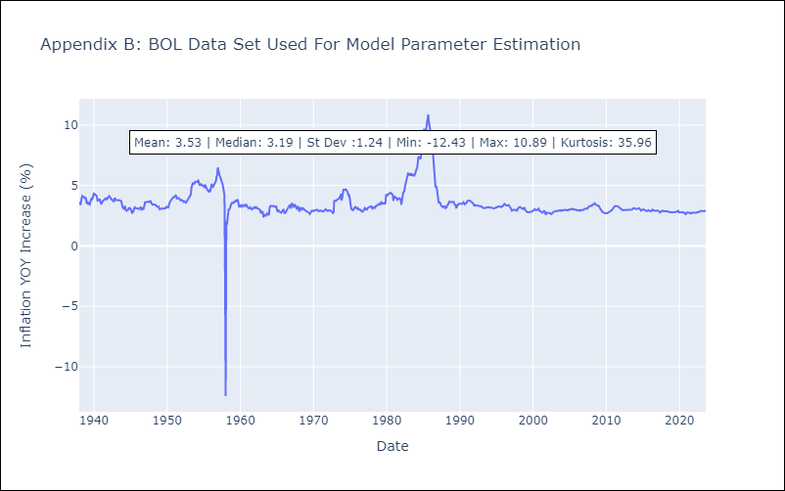

Appendix C: Residuals Analysis
Mean | 0.0
Variance | 0.48
White Noise? | No - Correlation at Lags [ 1 2 3 4 5 6 7 8 9 10 11 12]
Heteroskedastic? - ARCH | Yes
Normal? | No

BRA
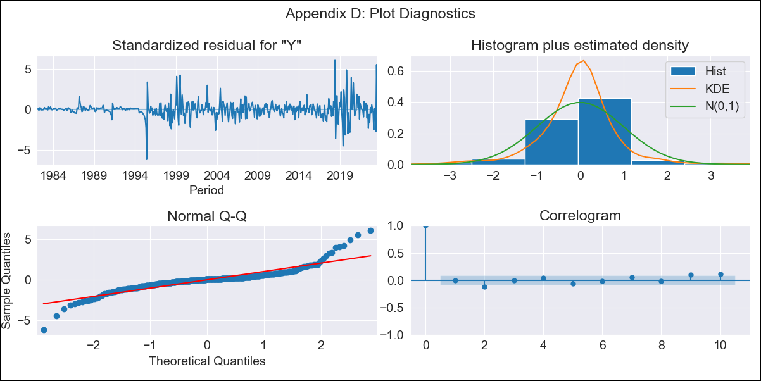
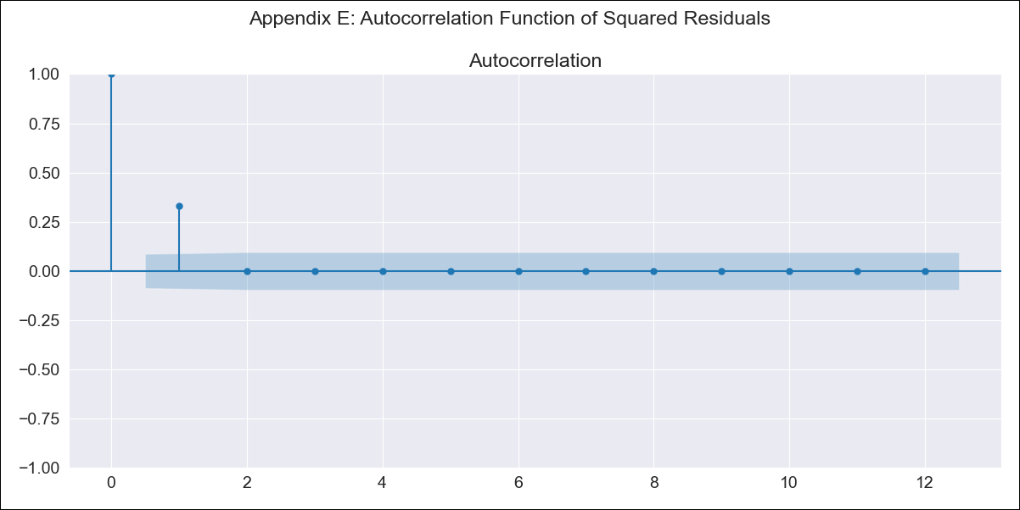
BRA - Inflation - Next 12 months forecast as of: 2023-08-01

Model | ARIMA - [(2, 0, 0), (0, 0, 1, 12)]
Training Data | 1980-12-01 to 2022-09-01
Test Data | 2022-09-01 to 2023-08-01

Date | Inflation Change YoY % | Lower Bound - 95% Confidence Interval | Upper Bound - 95% Confidence Interval
2023-09-01 | 5.02 | 4.4 | 5.73
2023-10-01 | 5.28 | 4.11 | 6.82
2023-11-01 | 5.45 | 3.79 | 7.91
2023-12-01 | 5.56 | 3.48 | 9.02
2024-01-01 | 5.62 | 3.2 | 10.12
2024-02-01 | 5.66 | 2.95 | 11.21
2024-03-01 | 5.64 | 2.71 | 12.21
2024-04-01 | 5.62 | 2.5 | 13.25
2024-05-01 | 5.61 | 2.33 | 14.32
2024-06-01 | 5.56 | 2.16 | 15.3
2024-07-01 | 5.61 | 2.04 | 16.62
2024-08-01 | 5.64 | 1.93 | 17.93

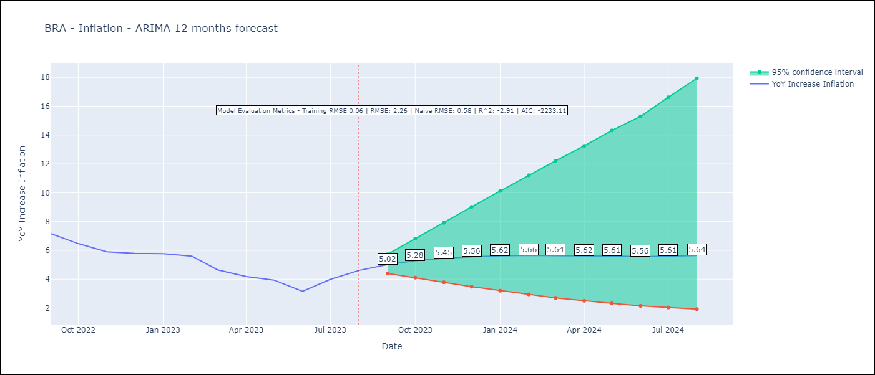

Test Metrics
RMSE | 2.26
Naive RMSE | 0.58
R^2 | -2.91

Test Predictions
Date | Predicted | Actual
2022-09-01 | 8.01 | 7.17
2022-10-01 | 7.6 | 6.47
2022-11-01 | 7.35 | 5.9
2022-12-01 | 7.18 | 5.79
2023-01-01 | 7.1 | 5.77
2023-02-01 | 7.04 | 5.6
2023-03-01 | 7.03 | 4.65
2023-04-01 | 7.02 | 4.18
2023-05-01 | 6.99 | 3.94
2023-06-01 | 6.98 | 3.16
2023-07-01 | 6.91 | 3.99
2023-08-01 | 6.85 | 4.61

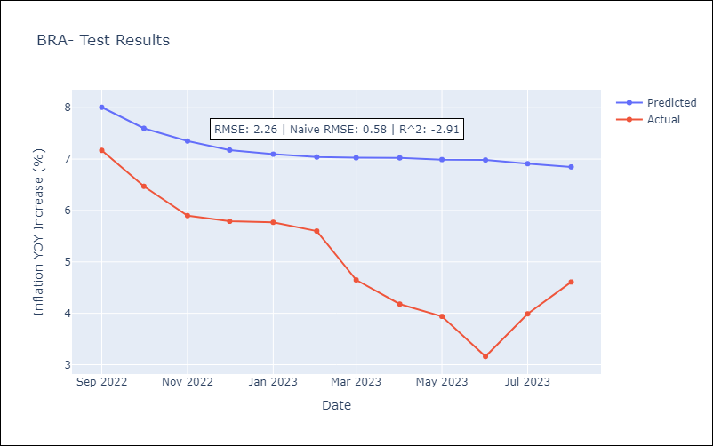

Appendix A: Model Summary
Model | ARIMA(2, 0, 0)x(0, 0, [1], 12)
Sample | 12-01-1980- 08-01-2023
No. of Observations | 513
Terms | P-value (Statistical significance)
const | 0.000
ar.L1 | 0.000
ar.L2 | 0.000
ma.S.L12 | 0.000
sigma2 | 0.000
Assumptions | P-value | Interpretation
Ljung-Box (L1) | 0.99 | Residuals are independent.
Heteroskedasticity | 0.00 | Residuals have different variances.
Jarque-Bera | 0.00 | Residuals are not normally distributed.
Skew | 0.54 | Positive skew - model underestimates the mean.
Kurtosis | 12.58 | Residuals contain more extreme outliers than in a normal distribution.

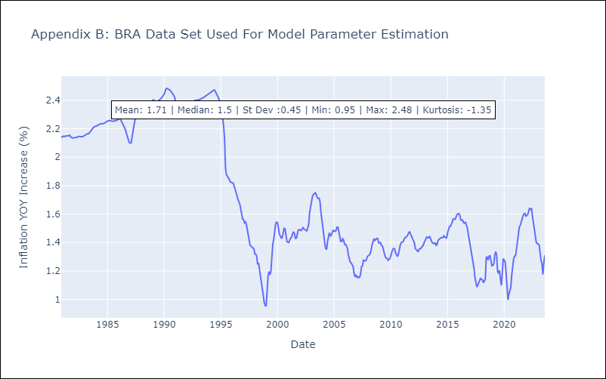

Appendix C: Residuals Analysis
Mean | 0.0
Variance | 0.01
White Noise? | No - Correlation at Lags [ 1 2 3 4 5 6 7 8 9 10 11 12]
Heteroskedastic? - ARCH | Yes
Normal? | No

COL
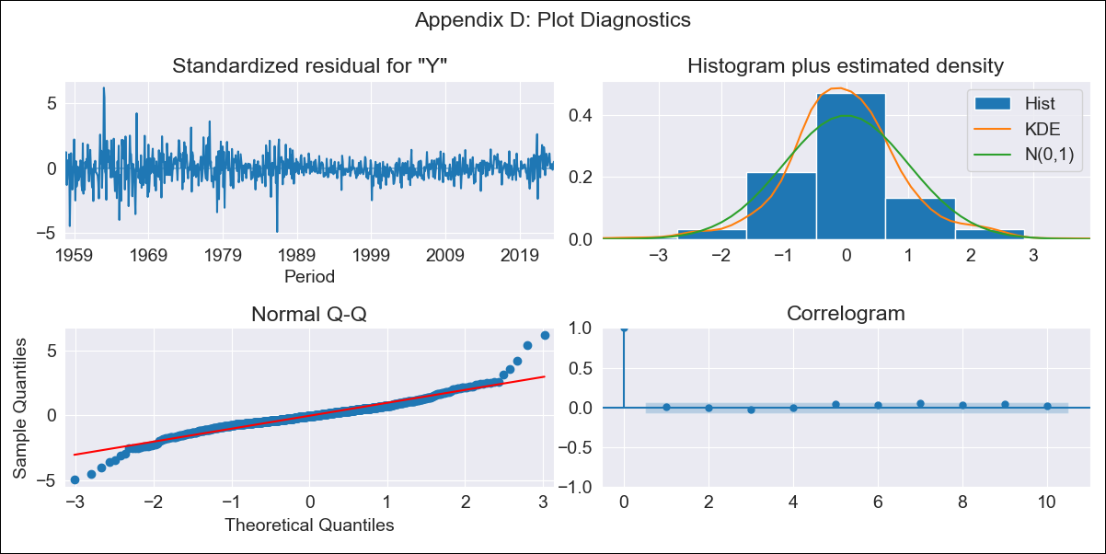
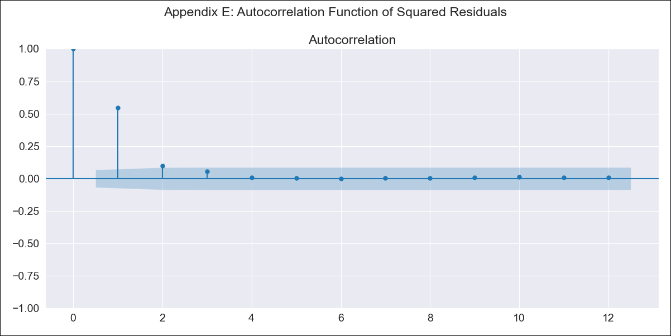
COL - Inflation - Next 12 months forecast as of: 2023-08-01

Model | ARIMA - [(2, 1, 1), (0, 0, 2, 12)]
Training Data | 1955-07-01 to 2022-09-01
Test Data | 2022-09-01 to 2023-08-01

Date | Inflation Change YoY % | Lower Bound - 95% Confidence Interval | Upper Bound - 95% Confidence Interval
2023-09-01 | 11.09 | 9.87 | 12.4
2023-10-01 | 10.78 | 8.66 | 13.19
2023-11-01 | 10.38 | 7.5 | 13.85
2023-12-01 | 9.77 | 6.34 | 14.13
2024-01-01 | 9.05 | 5.25 | 14.15
2024-02-01 | 8.57 | 4.46 | 14.36
2024-03-01 | 8.31 | 3.91 | 14.79
2024-04-01 | 8.11 | 3.45 | 15.25
2024-05-01 | 7.93 | 3.06 | 15.7
2024-06-01 | 7.86 | 2.77 | 16.26
2024-07-01 | 7.76 | 2.49 | 16.75
2024-08-01 | 7.58 | 2.19 | 17.07

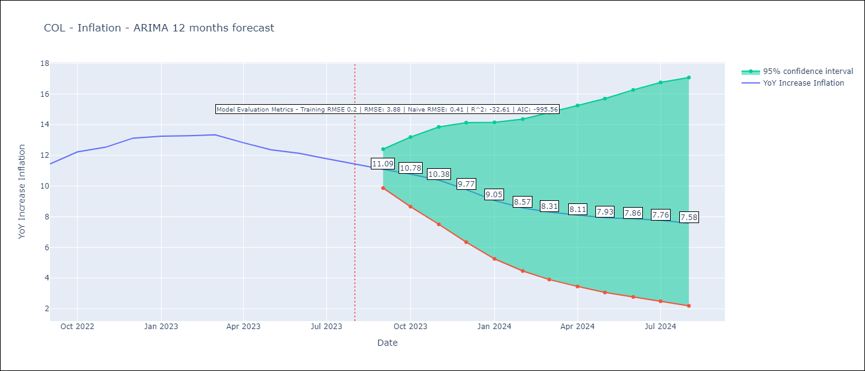

Test Metrics
RMSE | 3.88
Naive RMSE | 0.41
R^2 | -32.61

Test Predictions
Date | Predicted | Actual
2022-09-01 | 11.24 | 11.44
2022-10-01 | 11.79 | 12.22
2022-11-01 | 11.56 | 12.53
2022-12-01 | 11.17 | 13.12
2023-01-01 | 10.07 | 13.25
2023-02-01 | 9.28 | 13.28
2023-03-01 | 8.89 | 13.34
2023-04-01 | 8.07 | 12.82
2023-05-01 | 7.35 | 12.36
2023-06-01 | 7.04 | 12.13
2023-07-01 | 6.58 | 11.78
2023-08-01 | 6.01 | 11.43

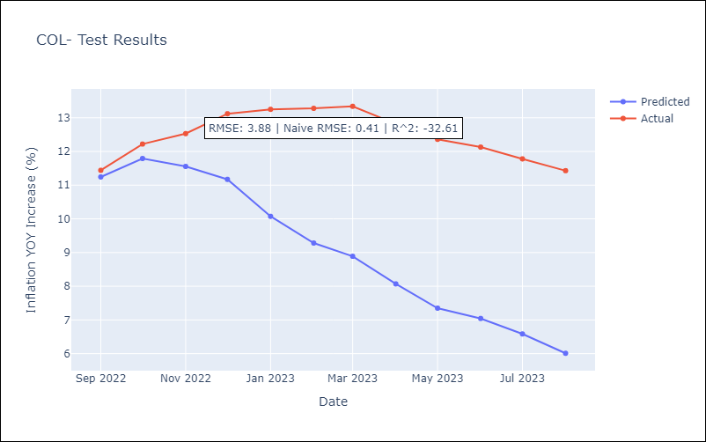

Appendix A: Model Summary
Model | ARIMA(2, 1, 1)x(0, 0, [1, 2], 12)
Sample | 07-01-1955- 08-01-2023
No. of Observations | 818
Terms | P-value (Statistical significance)
ar.L1 | 0.801
ar.L2 | 0.076
ma.L1 | 0.161
ma.S.L12 | 0.000
ma.S.L24 | 0.001
sigma2 | 0.000
Assumptions | P-value | Interpretation
Ljung-Box (L1) | 0.93 | Residuals are independent.
Heteroskedasticity | 0.00 | Residuals have different variances.
Jarque-Bera | 0.00 | Residuals are not normally distributed.
Skew | 0.29 | Positive skew - model underestimates the mean.
Kurtosis | 8.00 | Residuals contain more extreme outliers than in a normal distribution.

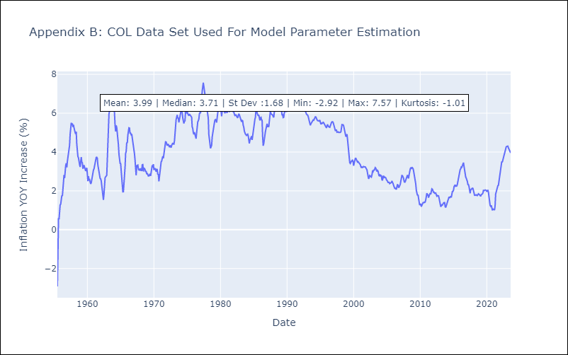

Appendix C: Residuals Analysis
Mean | 0.0
Variance | 0.04
White Noise? | No - Correlation at Lags [ 1 2 3 4 5 6 7 8 9 10 11 12]
Heteroskedastic? - ARCH | Yes
Normal? | No

CRI
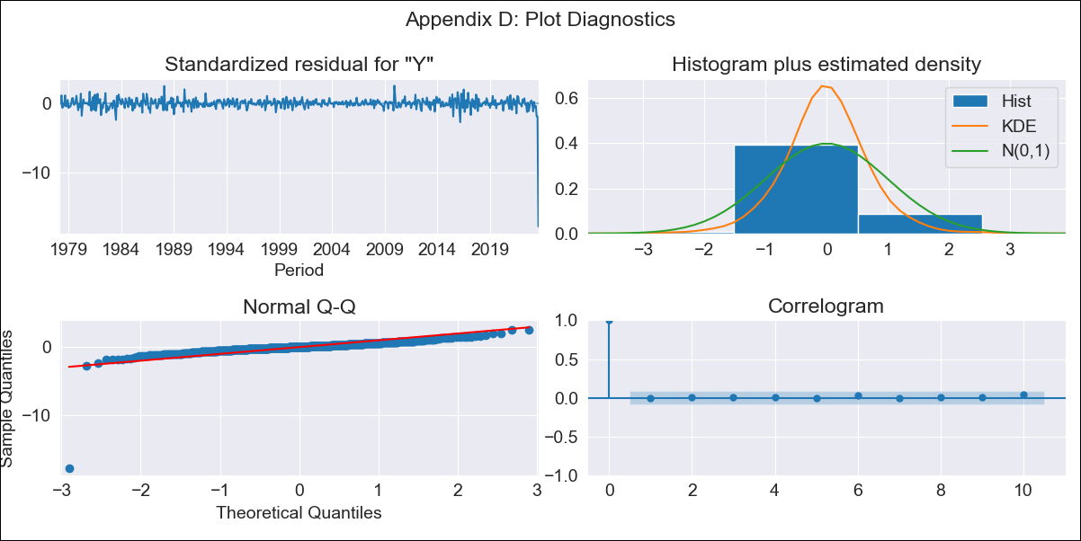

CRI - Inflation - Next 12 months forecast as of: 2023-08-01

Model | ARIMA - [(3, 1, 0), (0, 0, 1, 12)]
Training Data | 1977-01-01 to 2022-09-01
Test Data | 2022-09-01 to 2023-08-01

Date | Inflation Change YoY % | Lower Bound - 95% Confidence Interval | Upper Bound - 95% Confidence Interval
2023-09-01
2023-10-01
2023-11-01
2023-12-01
2024-01-01
2024-02-01
2024-03-01
2024-04-01
2024-05-01
2024-06-01
2024-07-01
2024-08-01

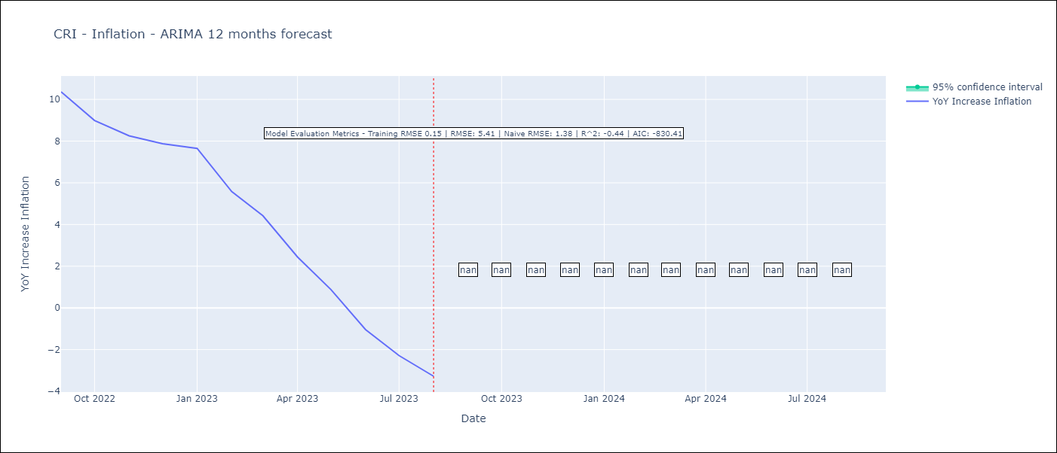

Test Metrics
RMSE | 5.41
Naive RMSE | 1.38
R^2 | -0.44

Test Predictions
Date | Predicted | Actual
2022-09-01 | 11.76 | 10.37
2022-10-01 | 11.45 | 8.99
2022-11-01 | 11.22 | 8.26
2022-12-01 | 10.89 | 7.88
2023-01-01 | 10.96 | 7.65
2023-02-01 | 10.19 | 5.58
2023-03-01 | 9.45 | 4.42
2023-04-01 | 8.07 | 2.44
2023-05-01 | 7.09 | 0.88
2023-06-01 | 6.09 | -1.04
2023-07-01 | 6.04 | -2.29
2023-08-01 | 5.54 | -3.28

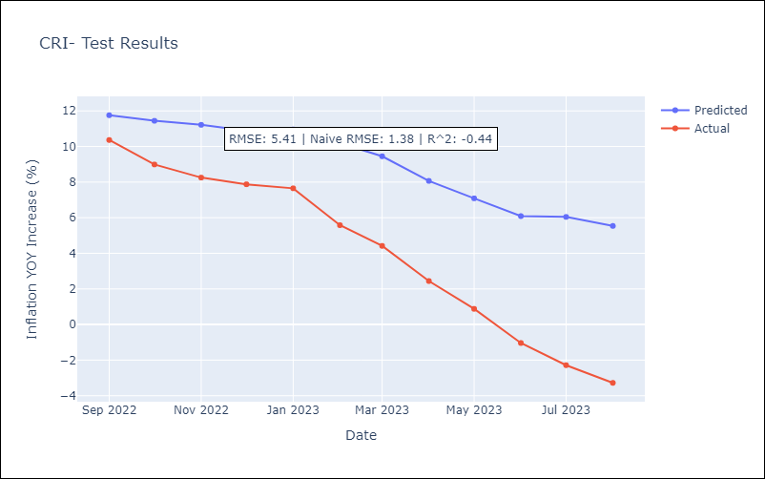

Appendix A: Model Summary
Model | ARIMA(3, 1, 0)x(0, 0, [1], 12)
Sample | 01-01-1977- 08-01-2023
No. of Observations | 560
Terms | P-value (Statistical significance)
ar.L1 | 0.000
ar.L2 | 0.017
ar.L3 | 0.122
ma.S.L12 | 0.000
sigma2 | 0.000
Assumptions | P-value | Interpretation
Ljung-Box (L1) | 0.99 | Residuals are independent.
Heteroskedasticity | 0.00 | Residuals have different variances.
Jarque-Bera | 0.00 | Residuals are not normally distributed.
Skew | -10.31 | Negative skew - Model overestimates the mean.
Kurtosis | 185.05 | Residuals contain more extreme outliers than in a normal distribution.

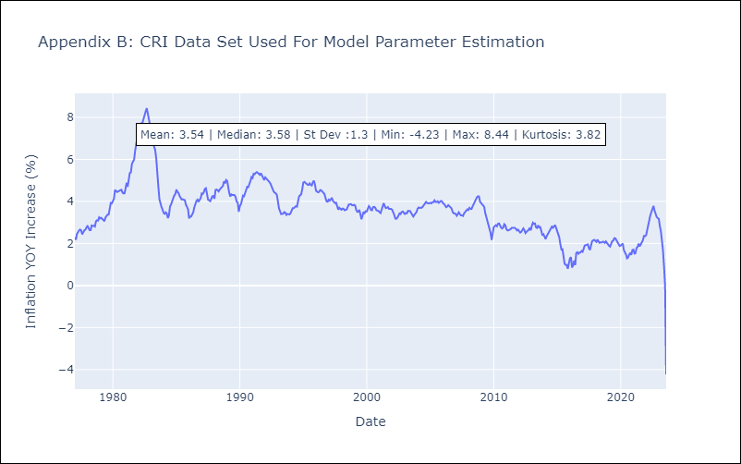

Appendix C: Residuals Analysis
Mean | -0.01
Variance | 0.05
White Noise? | Yes
Heteroskedastic? - ARCH | Yes
Normal? | No

DOM
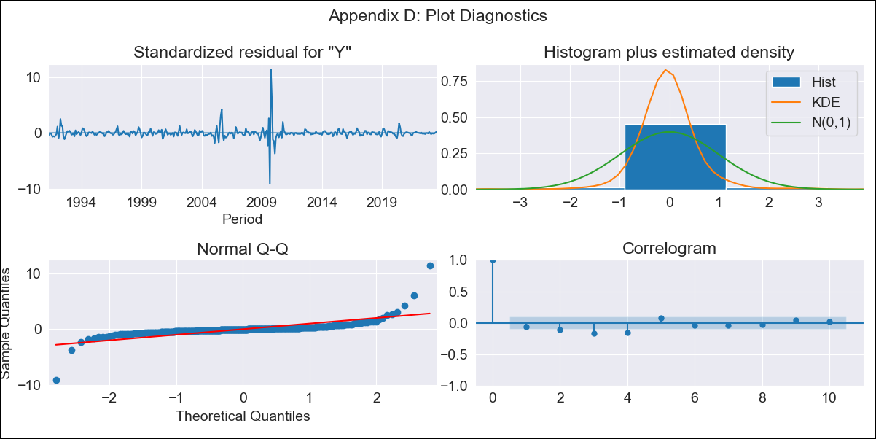
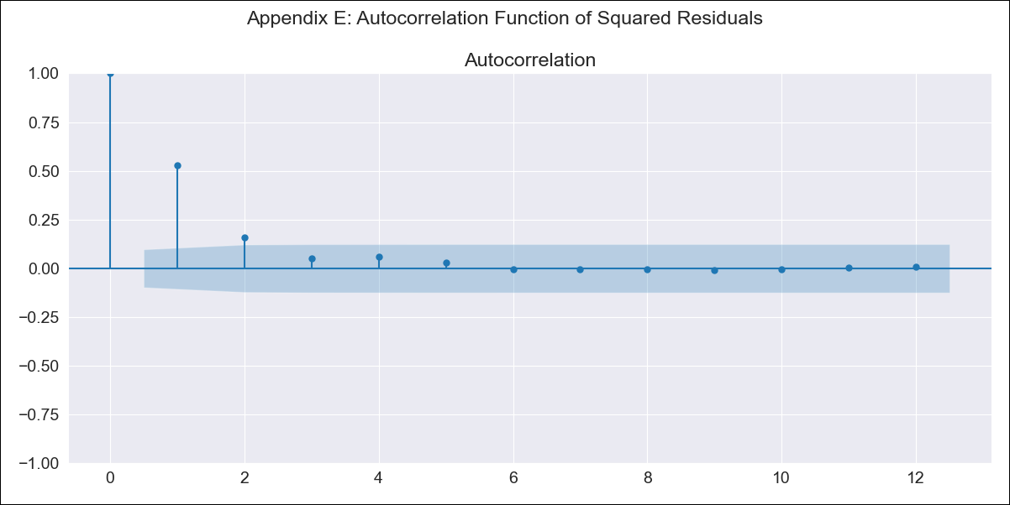
DOM - Inflation - Next 12 months forecast as of: 2023-08-01

Model | ARIMA - [(3, 2, 0), (0, 0, 1, 12)]
Training Data | 1990-01-01 to 2022-09-01
Test Data | 2022-09-01 to 2023-08-01

Date | Inflation Change YoY % | Lower Bound - 95% Confidence Interval | Upper Bound - 95% Confidence Interval
2023-09-01 | 3.99 | 0.76 | 10.34
2023-10-01 | 3.98 | -0.11 | 15
2023-11-01 | 3.98 | -0.8 | 23.1
2023-12-01 | 3.91 | -1.24 | 35.69
2024-01-01 | 3.86 | -1.47 | 57.3
2024-02-01 | 3.89 | -1.55 | 90.25
2024-03-01 | 3.87 | -1.57 | 141.67
2024-04-01 | 3.88 | -1.57 | 221.09
2024-05-01 | 3.9 | -1.57 | 342.54
2024-06-01 | 3.9 |  | 522.81
2024-07-01 | 3.84 |  | 786.74
2024-08-01 | 3.73 |  | 1167.1

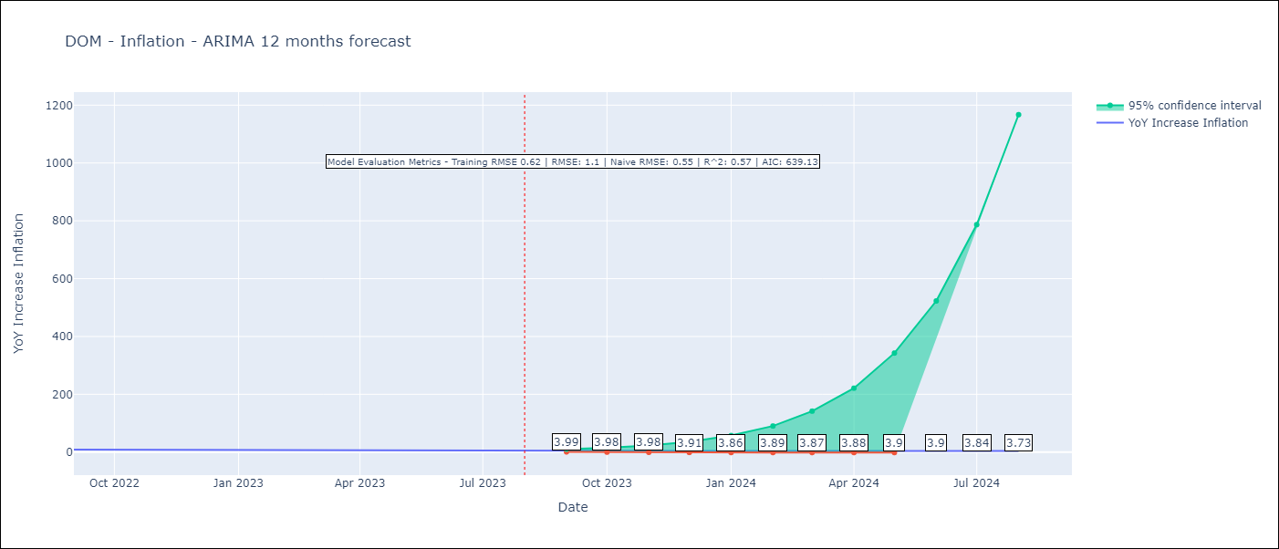

Test Metrics
RMSE | 1.1
Naive RMSE | 0.55
R^2 | 0.57

Test Predictions
Date | Predicted | Actual
2022-09-01 | 8.66 | 8.63
2022-10-01 | 8.36 | 8.24
2022-11-01 | 7.98 | 7.58
2022-12-01 | 7.62 | 7.83
2023-01-01 | 7.33 | 7.24
2023-02-01 | 7.01 | 6.38
2023-03-01 | 6.73 | 5.9
2023-04-01 | 6.4 | 5.15
2023-05-01 | 6.17 | 4.43
2023-06-01 | 5.94 | 4
2023-07-01 | 5.73 | 3.95
2023-08-01 | 5.56 | 4.27

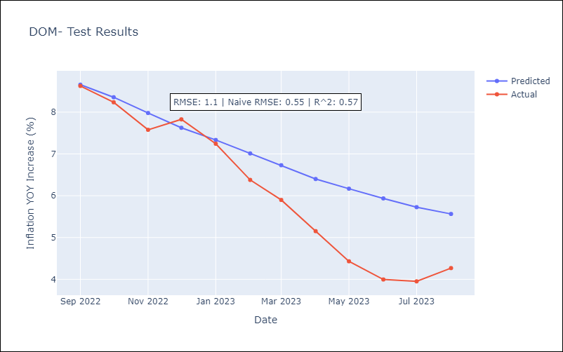

Appendix A: Model Summary
Model | ARIMA(3, 2, 0)x(0, 0, [1], 12)
Sample | 01-01-1990- 08-01-2023
No. of Observations | 404
Terms | P-value (Statistical significance)
ar.L1 | 0.000
ar.L2 | 0.000
ar.L3 | 0.000
ma.S.L12 | 0.000
sigma2 | 0.000
Assumptions | P-value | Interpretation
Ljung-Box (L1) | 0.23 | Residuals are independent.
Heteroskedasticity | 0.00 | Residuals have different variances.
Jarque-Bera | 0.00 | Residuals are not normally distributed.
Skew | 2.64 | Positive skew - model underestimates the mean.
Kurtosis | 65.82 | Residuals contain more extreme outliers than in a normal distribution.

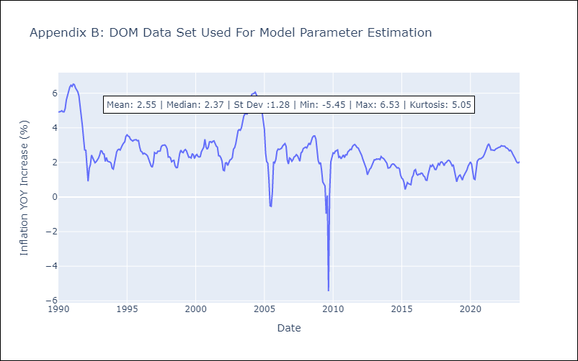

Appendix C: Residuals Analysis
Mean | 0.0
Variance | 0.37
White Noise? | No - Correlation at Lags [ 2 3 4 5 6 7 8 9 10 11 12]
Heteroskedastic? - ARCH | Yes
Normal? | No

ECU
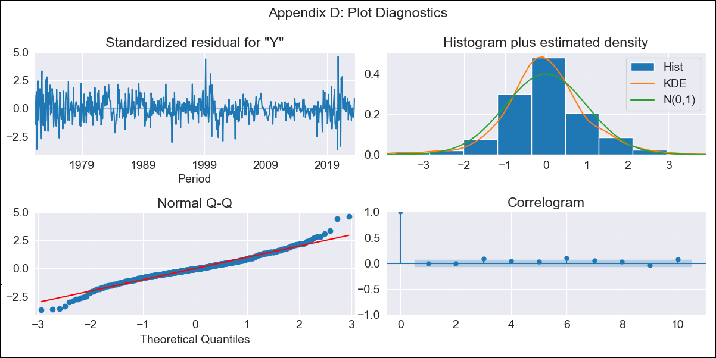

ECU - Inflation - Next 12 months forecast as of: 2023-08-01

Model | ARIMA - [(1, 0, 2), (0, 0, 1, 12)]
Training Data | 1970-01-01 to 2022-09-01
Test Data | 2022-09-01 to 2023-08-01

Date | Inflation Change YoY % | Lower Bound - 95% Confidence Interval | Upper Bound - 95% Confidence Interval
2023-09-01 | 2.77 | 1.72 | 4.01
2023-10-01 | 2.85 | 1.22 | 5
2023-11-01 | 2.88 | 0.8 | 5.87
2023-12-01 | 2.91 | 0.51 | 6.63
2024-01-01 | 2.94 | 0.28 | 7.3
2024-02-01 | 2.97 | 0.09 | 7.94
2024-03-01 | 3 | -0.07 | 8.56
2024-04-01 | 3.03 | -0.22 | 9.15
2024-05-01 | 3.05 | -0.34 | 9.71
2024-06-01 | 3.08 | -0.45 | 10.26
2024-07-01 | 3.12 | -0.54 | 10.84
2024-08-01 | 3.17 | -0.62 | 11.41

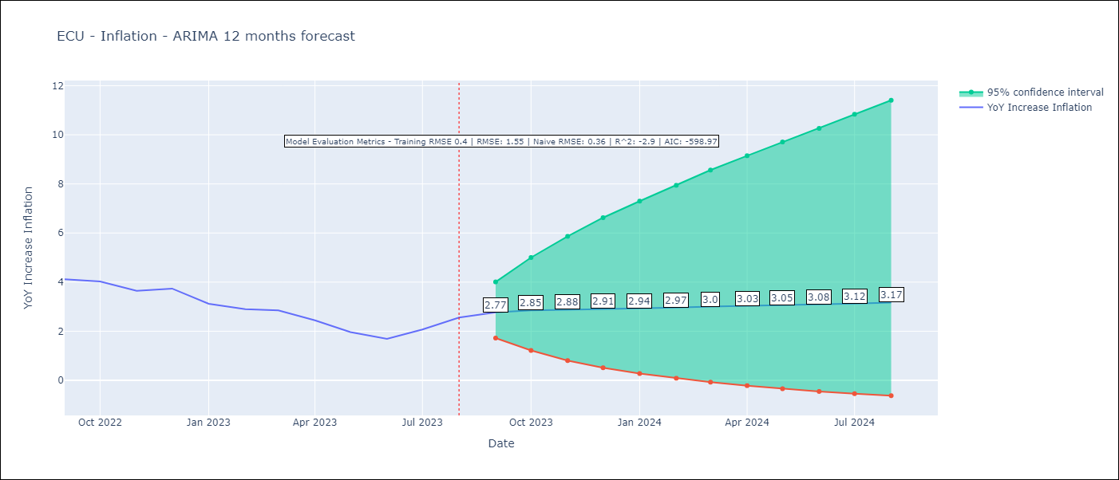

Test Metrics
RMSE | 1.55
Naive RMSE | 0.36
R^2 | -2.9

Test Predictions
Date | Predicted | Actual
2022-09-01 | 3.74 | 4.12
2022-10-01 | 3.82 | 4.02
2022-11-01 | 3.89 | 3.64
2022-12-01 | 3.95 | 3.74
2023-01-01 | 4.03 | 3.12
2023-02-01 | 4.09 | 2.9
2023-03-01 | 4.14 | 2.85
2023-04-01 | 4.21 | 2.44
2023-05-01 | 4.28 | 1.97
2023-06-01 | 4.36 | 1.69
2023-07-01 | 4.4 | 2.07
2023-08-01 | 4.45 | 2.56

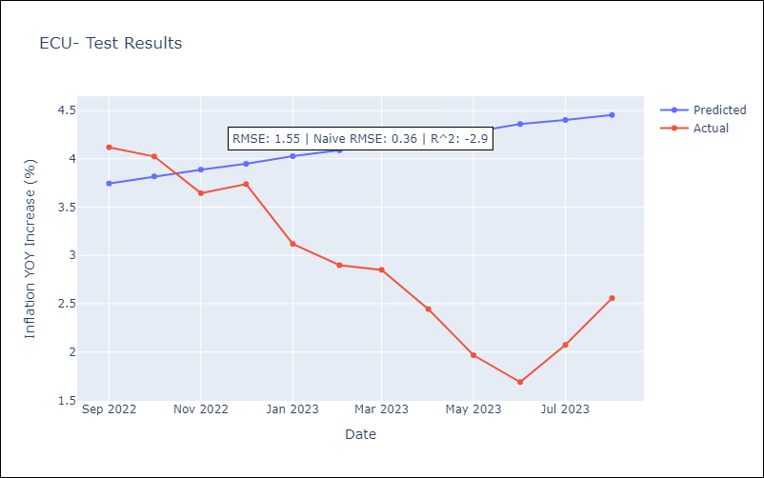

Appendix A: Model Summary
Model | ARIMA(1, 0, 2)x(0, 0, [1], 12)
Sample | 01-01-1970- 08-01-2023
No. of Observations | 644
Terms | P-value (Statistical significance)
const | 0.013
ar.L1 | 0.000
ma.L1 | 0.000
ma.L2 | 0.000
ma.S.L12 | 0.000
sigma2 | 0.000
Assumptions | P-value | Interpretation
Ljung-Box (L1) | 0.93 | Residuals are independent.
Heteroskedasticity | 0.00 | Residuals have different variances.
Jarque-Bera | 0.00 | Residuals are not normally distributed.
Skew | 0.17 | Positive skew - model underestimates the mean.
Kurtosis | 5.23 | Residuals contain more extreme outliers than in a normal distribution.

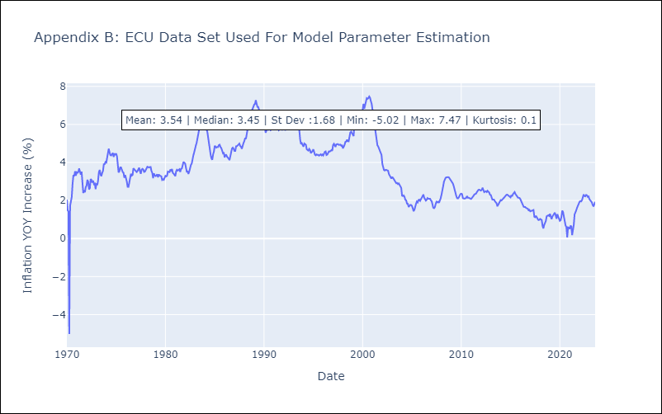

Appendix C: Residuals Analysis
Mean | -0.0
Variance | 0.16
White Noise? | No - Correlation at Lags [ 1 2 3 4 5 6 7 8 9 10 11 12]
Heteroskedastic? - ARCH | Yes
Normal? | No

GTM
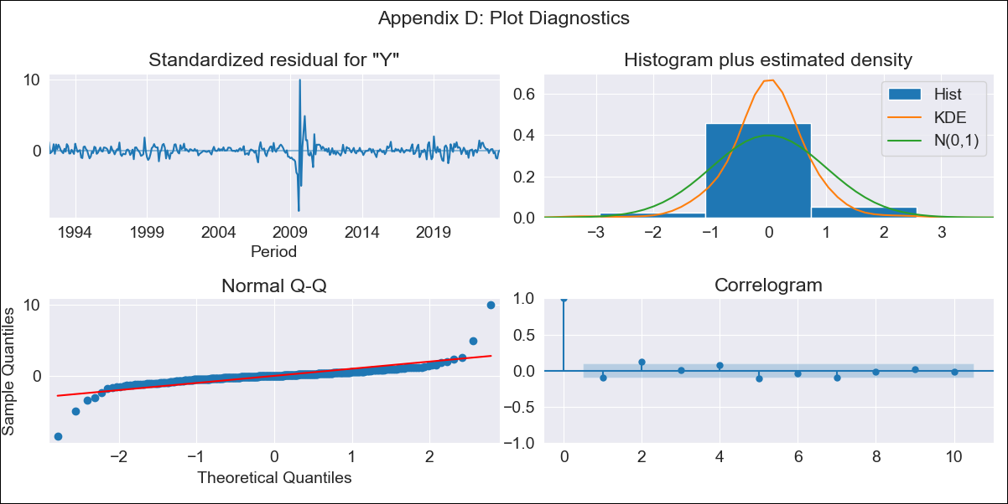

GTM - Inflation - Next 12 months forecast as of: 2023-08-01

Model | ARIMA - [(0, 1, 0), (0, 0, 1, 12)]
Training Data | 1991-01-01 to 2022-09-01
Test Data | 2022-09-01 to 2023-08-01

Date | Inflation Change YoY % | Lower Bound - 95% Confidence Interval | Upper Bound - 95% Confidence Interval
2023-09-01 | 4.43 | 2.76 | 6.6
2023-10-01 | 4.37 | 2.15 | 7.58
2023-11-01 | 4.46 | 1.82 | 8.59
2023-12-01 | 4.44 | 1.51 | 9.36
2024-01-01 | 4.39 | 1.25 | 10.01
2024-02-01 | 4.33 | 1.02 | 10.61
2024-03-01 | 4.43 | 0.9 | 11.47
2024-04-01 | 4.48 | 0.77 | 12.21
2024-05-01 | 4.76 | 0.74 | 13.39
2024-06-01 | 5.07 | 0.74 | 14.65
2024-07-01 | 5.14 | 0.64 | 15.44
2024-08-01 | 5.13 | 0.53 | 16.05

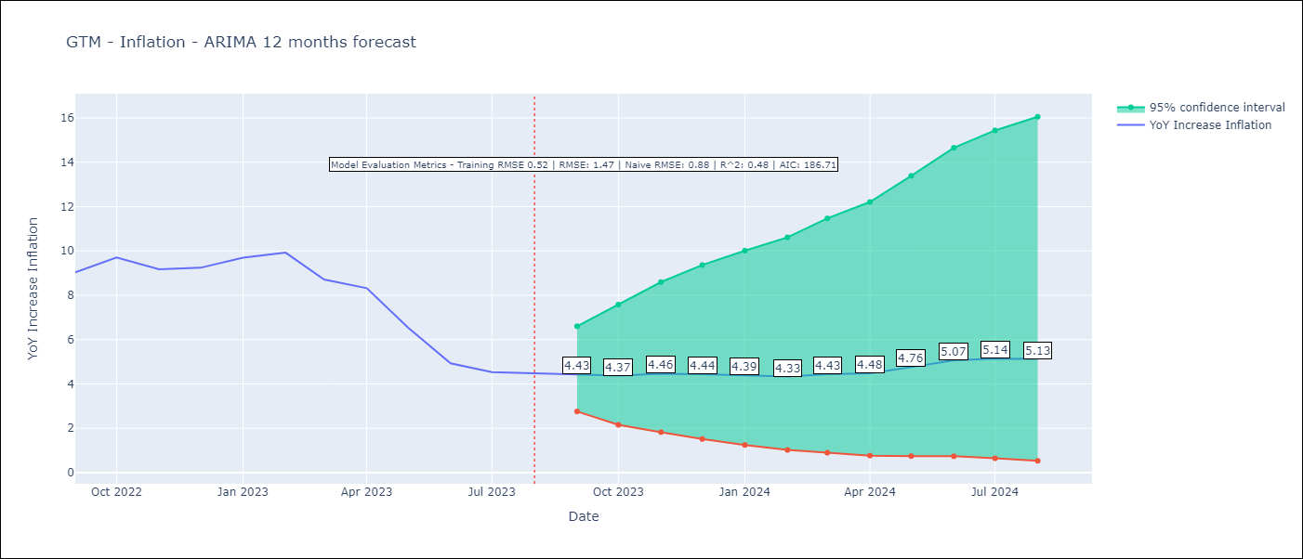

Test Metrics
RMSE | 1.47
Naive RMSE | 0.88
R^2 | 0.48

Test Predictions
Date | Predicted | Actual
2022-09-01 | 8.81 | 9.03
2022-10-01 | 9.1 | 9.7
2022-11-01 | 9.11 | 9.17
2022-12-01 | 9.06 | 9.24
2023-01-01 | 9.18 | 9.69
2023-02-01 | 9.07 | 9.92
2023-03-01 | 8.51 | 8.71
2023-04-01 | 8.38 | 8.32
2023-05-01 | 7.97 | 6.54
2023-06-01 | 7.56 | 4.93
2023-07-01 | 7.36 | 4.53
2023-08-01 | 7.23 | 4.47

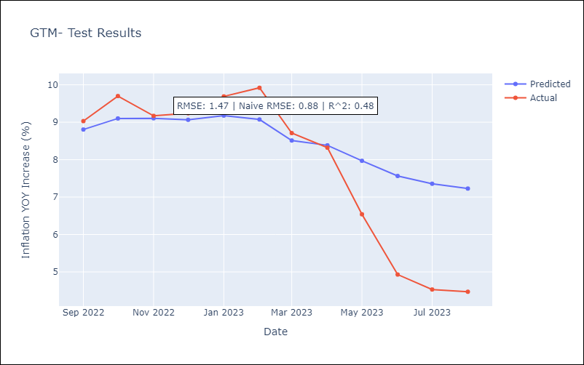

Appendix A: Model Summary
Model | ARIMA(0, 1, 0)x(0, 0, [1], 12)
Sample | 01-01-1991- 08-01-2023
No. of Observations | 392
Terms | P-value (Statistical significance)
ma.S.L12 | 0.000
sigma2 | 0.000
Assumptions | P-value | Interpretation
Ljung-Box (L1) | 0.06 | Residuals are independent.
Heteroskedasticity | 0.84 | Residuals have the same variance.
Jarque-Bera | 0.00 | Residuals are not normally distributed.
Skew | 0.86 | Positive skew - model underestimates the mean.
Kurtosis | 43.46 | Residuals contain more extreme outliers than in a normal distribution.

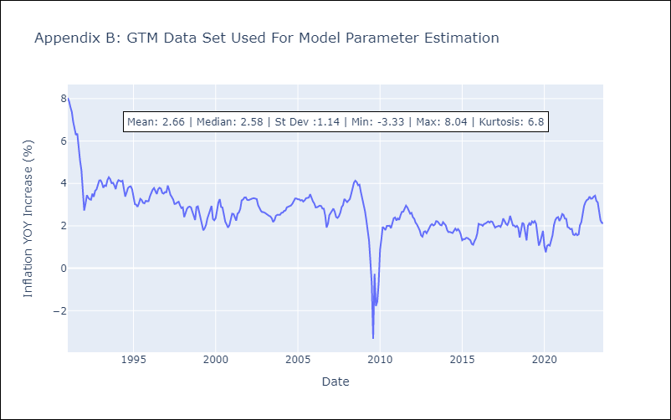

Appendix C: Residuals Analysis
Mean | 0.01
Variance | 0.27
White Noise? | Yes
Heteroskedastic? - ARCH | Yes
Normal? | No

HND
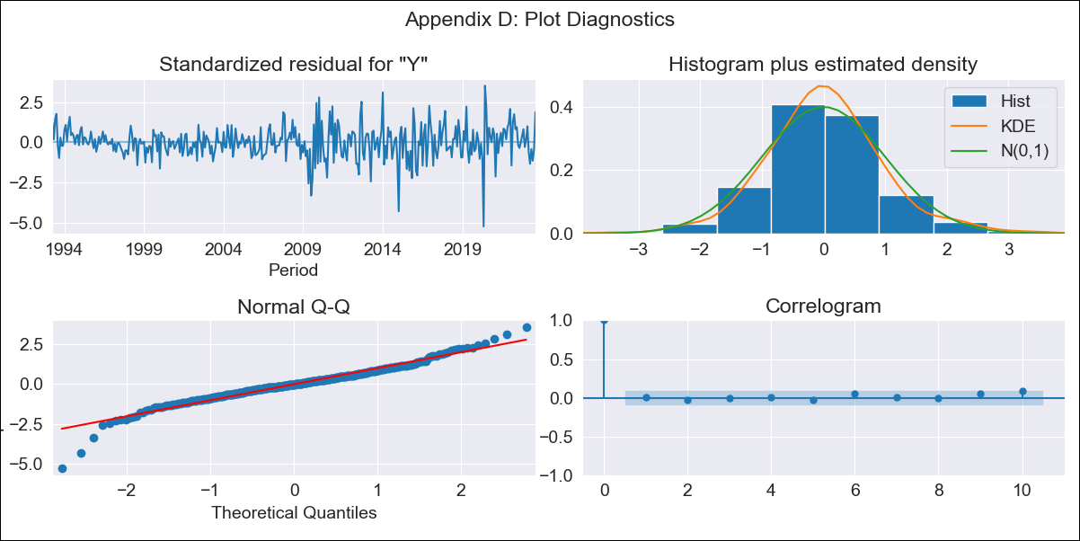

HND - Inflation - Next 12 months forecast as of: 2023-08-01

Model | ARIMA - [(1, 1, 1), (0, 0, 2, 12)]
Training Data | 1991-01-01 to 2022-09-01
Test Data | 2022-09-01 to 2023-08-01

Date | Inflation Change YoY % | Lower Bound - 95% Confidence Interval | Upper Bound - 95% Confidence Interval
2023-09-01 | 5.87 | 5.15 | 6.72
2023-10-01 | 5.87 | 4.74 | 7.34
2023-11-01 | 5.74 | 4.32 | 7.77
2023-12-01 | 5.81 | 4.11 | 8.46
2024-01-01 | 5.87 | 3.92 | 9.14
2024-02-01 | 5.62 | 3.58 | 9.23
2024-03-01 | 5.73 | 3.49 | 9.99
2024-04-01 | 6.12 | 3.55 | 11.4
2024-05-01 | 6.38 | 3.55 | 12.66
2024-06-01 | 6.84 | 3.65 | 14.59
2024-07-01 | 7.14 | 3.66 | 16.26
2024-08-01 | 6.73 | 3.37 | 15.79

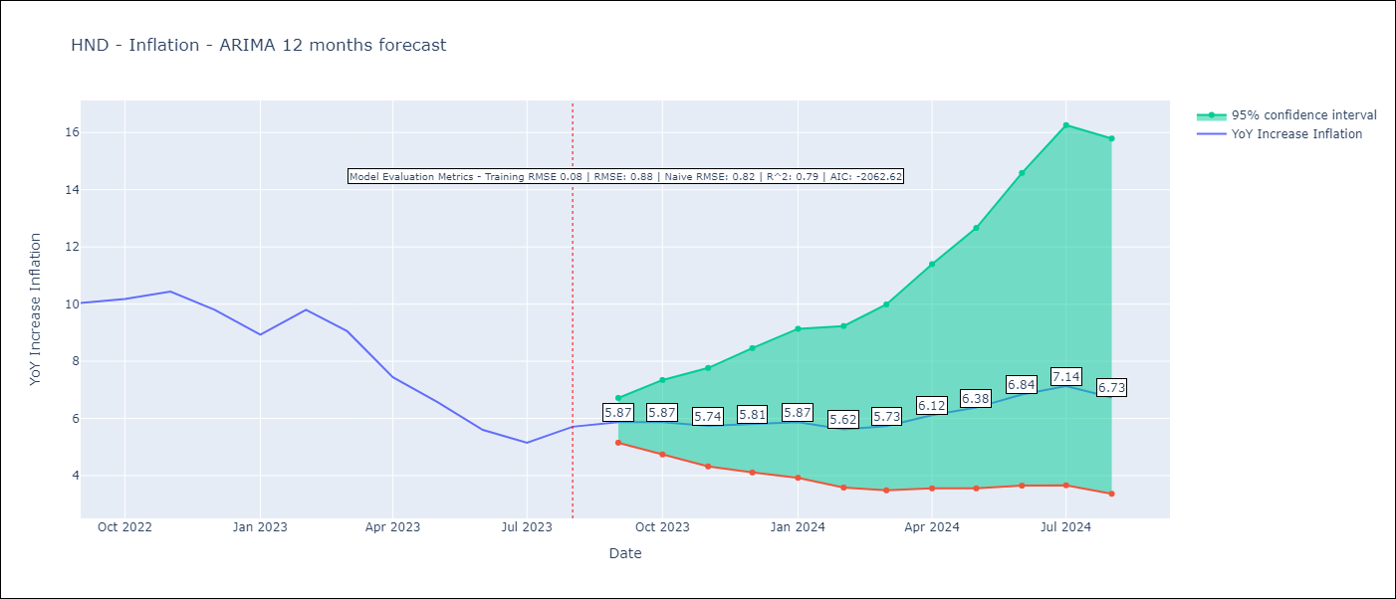

Test Metrics
RMSE | 0.88
Naive RMSE | 0.82
R^2 | 0.79

Test Predictions
Date | Predicted | Actual
2022-09-01 | 10.07 | 10.04
2022-10-01 | 9.91 | 10.18
2022-11-01 | 9.45 | 10.44
2022-12-01 | 8.9 | 9.8
2023-01-01 | 8.02 | 8.93
2023-02-01 | 8.07 | 9.8
2023-03-01 | 7.65 | 9.05
2023-04-01 | 6.98 | 7.44
2023-05-01 | 6.55 | 6.58
2023-06-01 | 6.18 | 5.6
2023-07-01 | 6.07 | 5.15
2023-08-01 | 6.12 | 5.71

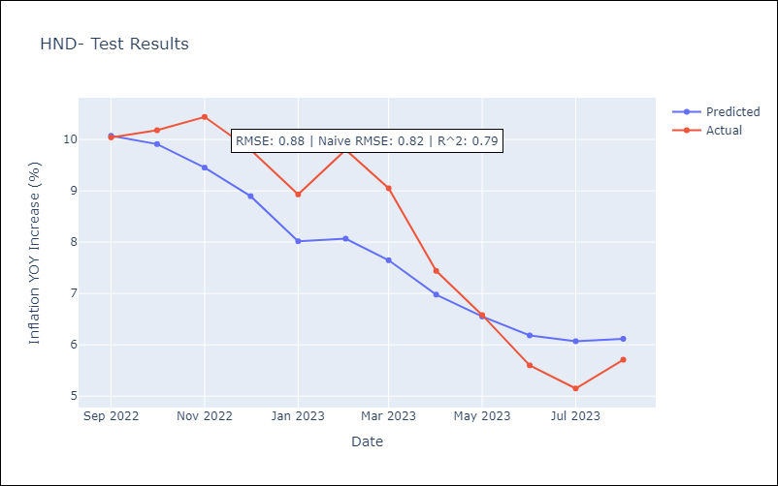

Appendix A: Model Summary
Model | ARIMA(1, 1, 1)x(0, 0, [1, 2], 12)
Sample | 01-01-1991- 08-01-2023
No. of Observations | 392
Terms | P-value (Statistical significance)
ar.L1 | 0.000
ma.L1 | 0.034
ma.S.L12 | 0.000
ma.S.L24 | 0.089
sigma2 | 0.000
Assumptions | P-value | Interpretation
Ljung-Box (L1) | 0.92 | Residuals are independent.
Heteroskedasticity | 0.00 | Residuals have different variances.
Jarque-Bera | 0.00 | Residuals are not normally distributed.
Skew | -0.36 | Negative skew - Model overestimates the mean.
Kurtosis | 6.20 | Residuals contain more extreme outliers than in a normal distribution.

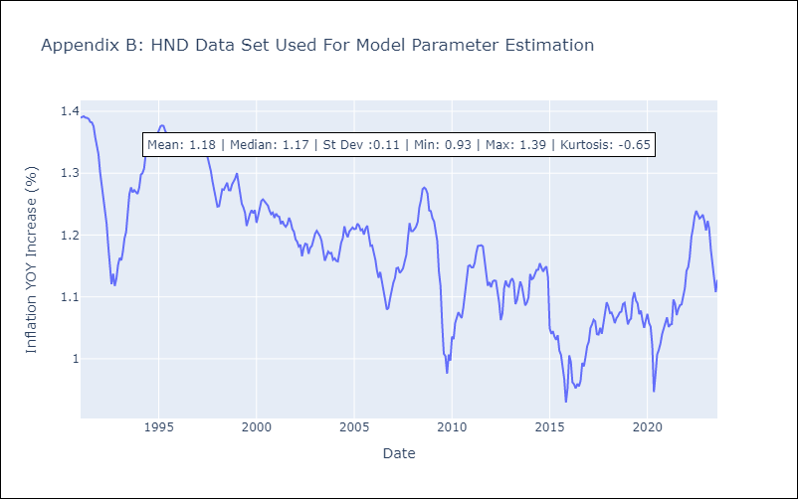

Appendix C: Residuals Analysis
Mean | 0.0
Variance | 0.01
White Noise? | No - Correlation at Lags [ 1 2 3 4 5 6 7 8 9 10 11 12]
Heteroskedastic? - ARCH | Yes
Normal? | No

NIC
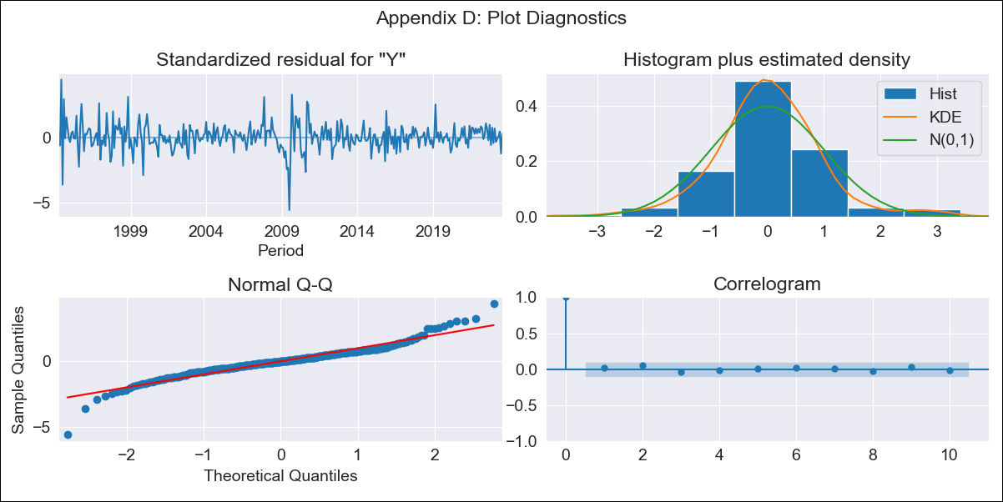

NIC - Inflation - Next 12 months forecast as of: 2023-08-01

Model | ARIMA - [(0, 1, 1), (0, 0, 1, 12)]
Training Data | 1993-01-01 to 2022-09-01
Test Data | 2022-09-01 to 2023-08-01

Date | Inflation Change YoY % | Lower Bound - 95% Confidence Interval | Upper Bound - 95% Confidence Interval
2023-09-01 | 7.55 | 5.91 | 9.41
2023-10-01 | 7.11 | 4.54 | 10.31
2023-11-01 | 7.23 | 4 | 11.49
2023-12-01 | 6.98 | 3.35 | 12.04
2024-01-01 | 7.07 | 3.03 | 12.95
2024-02-01 | 6.82 | 2.55 | 13.32
2024-03-01 | 6.87 | 2.31 | 14.07
2024-04-01 | 6.99 | 2.14 | 14.89
2024-05-01 | 6.99 | 1.92 | 15.5
2024-06-01 | 6.76 | 1.63 | 15.74
2024-07-01 | 7.3 | 1.71 | 17.17
2024-08-01 | 7.4 | 1.59 | 17.9

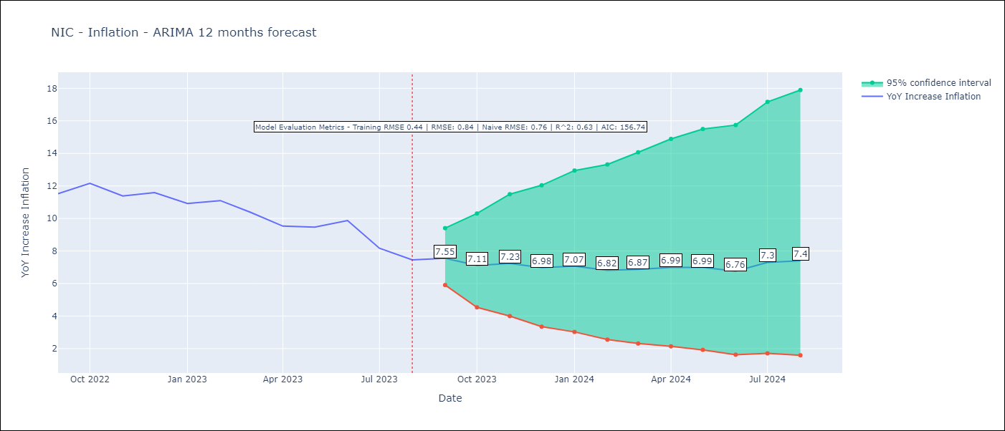

Test Metrics
RMSE | 0.84
Naive RMSE | 0.76
R^2 | 0.63

Test Predictions
Date | Predicted | Actual
2022-09-01 | 11.78 | 11.52
2022-10-01 | 11.45 | 12.16
2022-11-01 | 10.95 | 11.38
2022-12-01 | 10.61 | 11.59
2023-01-01 | 10.16 | 10.92
2023-02-01 | 9.81 | 11.1
2023-03-01 | 9.25 | 10.39
2023-04-01 | 8.67 | 9.53
2023-05-01 | 8.61 | 9.47
2023-06-01 | 8.55 | 9.87
2023-07-01 | 7.94 | 8.17
2023-08-01 | 7.41 | 7.46

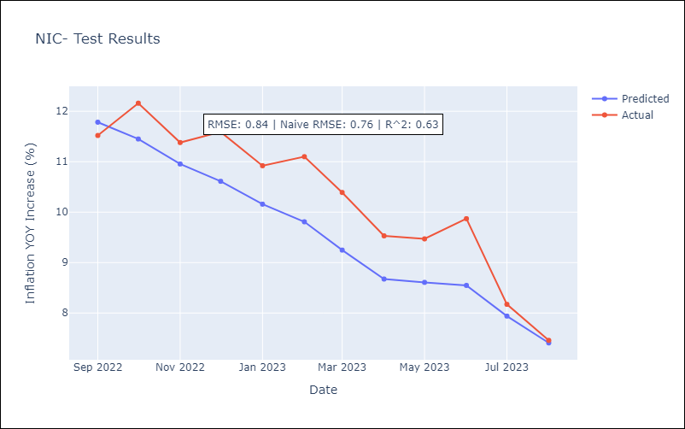

Appendix A: Model Summary
Model | ARIMA(0, 1, 1)x(0, 0, 1, 12)
Sample | 01-01-1993- 08-01-2023
No. of Observations | 368
Terms | P-value (Statistical significance)
ma.L1 | 0.000
ma.S.L12 | 0.000
sigma2 | 0.000
Assumptions | P-value | Interpretation
Ljung-Box (L1) | 0.68 | Residuals are independent.
Heteroskedasticity | 0.00 | Residuals have different variances.
Jarque-Bera | 0.00 | Residuals are not normally distributed.
Skew | -0.13 | Negative skew - Model overestimates the mean.
Kurtosis | 7.52 | Residuals contain more extreme outliers than in a normal distribution.

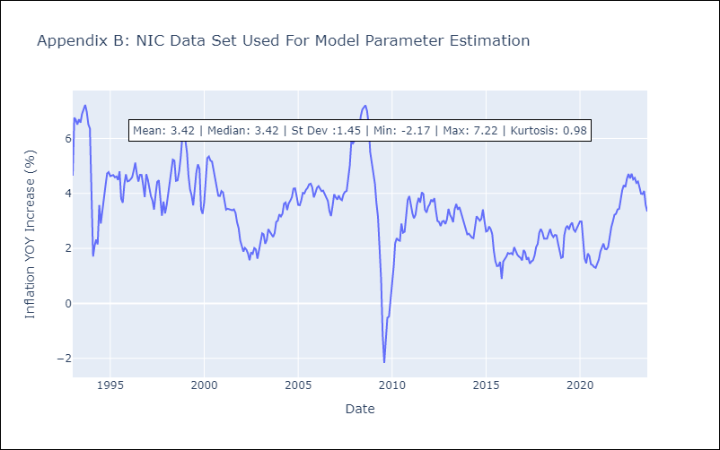

Appendix C: Residuals Analysis
Mean | 0.01
Variance | 0.19
White Noise? | No - Correlation at Lags [ 1 2 3 4 5 6 7 8 9 10 12]
Heteroskedastic? - ARCH | Yes
Normal? | No

PAN
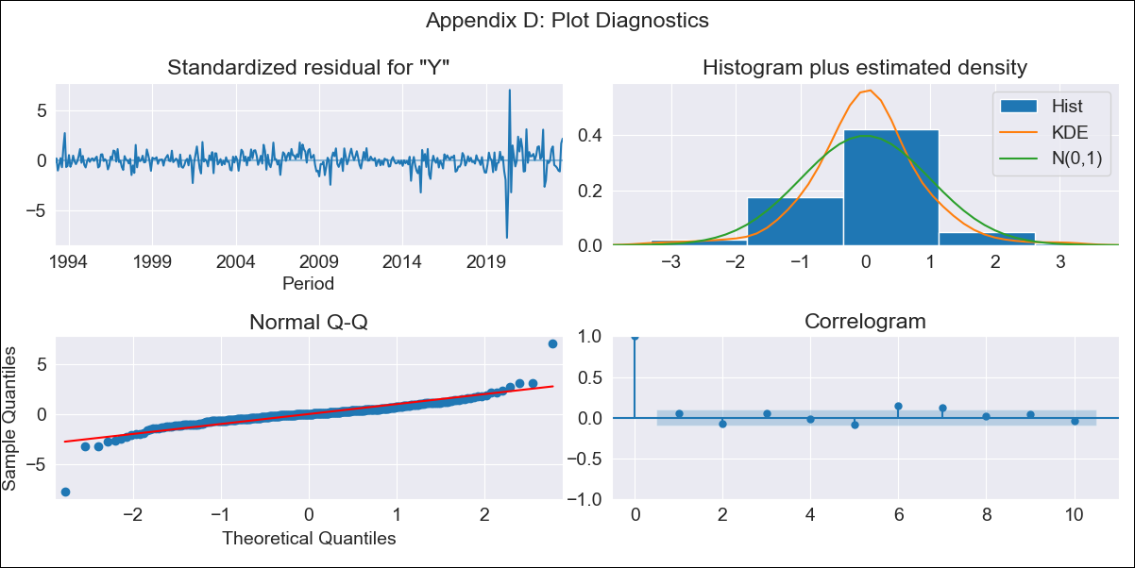

PAN - Inflation - Next 12 months forecast as of: 2023-08-01

Model | ARIMA - [(0, 1, 0), (0, 0, 1, 12)]
Training Data | 1992-01-01 to 2022-09-01
Test Data | 2022-09-01 to 2023-08-01

Date | Inflation Change YoY % | Lower Bound - 95% Confidence Interval | Upper Bound - 95% Confidence Interval
2023-09-01 | 2.21 | 1.2 | 3.36
2023-10-01 | 2.29 | 0.88 | 3.96
2023-11-01 | 2.29 | 0.59 | 4.37
2023-12-01 | 1.96 | 0.12 | 4.32
2024-01-01 | 1.57 | -0.35 | 4.13
2024-02-01 | 1.7 | -0.41 | 4.58
2024-03-01 | 1.86 | -0.44 | 5.07
2024-04-01 | 2.07 | -0.42 | 5.61
2024-05-01 | 2.37 | -0.35 | 6.27
2024-06-01 | 2.71 | -0.25 | 6.98
2024-07-01 | 2.19 | -0.68 | 6.5
2024-08-01 | 1.58 | -1.13 | 5.83

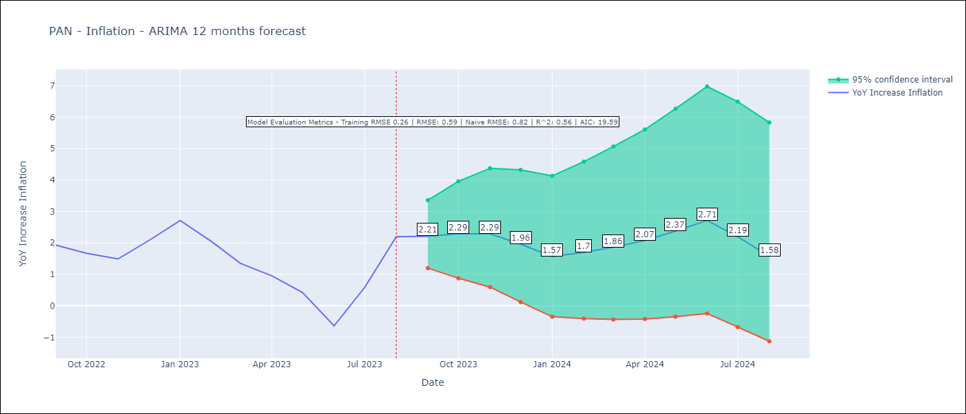

Test Metrics
RMSE | 0.59
Naive RMSE | 0.82
R^2 | 0.56

Test Predictions
Date | Predicted | Actual
2022-09-01 | 1.97 | 1.93
2022-10-01 | 1.84 | 1.67
2022-11-01 | 1.67 | 1.49
2022-12-01 | 1.68 | 2.07
2023-01-01 | 1.56 | 2.71
2023-02-01 | 1.23 | 2.04
2023-03-01 | 0.9 | 1.35
2023-04-01 | 0.82 | 0.95
2023-05-01 | 0.73 | 0.42
2023-06-01 | 0.11 | -0.64
2023-07-01 | 0.67 | 0.58
2023-08-01 | 1.15 | 2.2

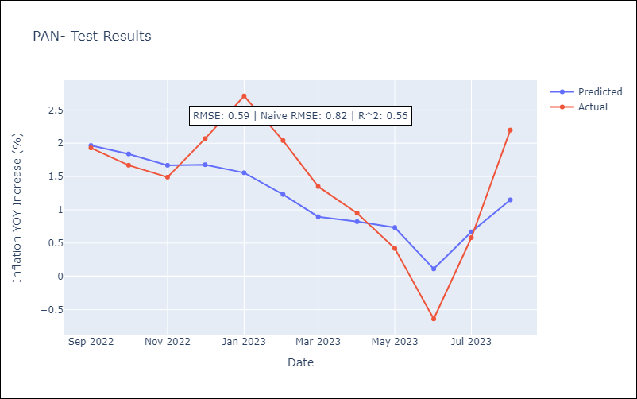

Appendix A: Model Summary
Model | ARIMA(0, 1, 0)x(0, 0, [1], 12)
Sample | 01-01-1992- 08-01-2023
No. of Observations | 380
Terms | P-value (Statistical significance)
ma.S.L12 | 0.000
sigma2 | 0.000
Assumptions | P-value | Interpretation
Ljung-Box (L1) | 0.34 | Residuals are independent.
Heteroskedasticity | 0.00 | Residuals have different variances.
Jarque-Bera | 0.00 | Residuals are not normally distributed.
Skew | -0.39 | Negative skew - Model overestimates the mean.
Kurtosis | 19.53 | Residuals contain more extreme outliers than in a normal distribution.

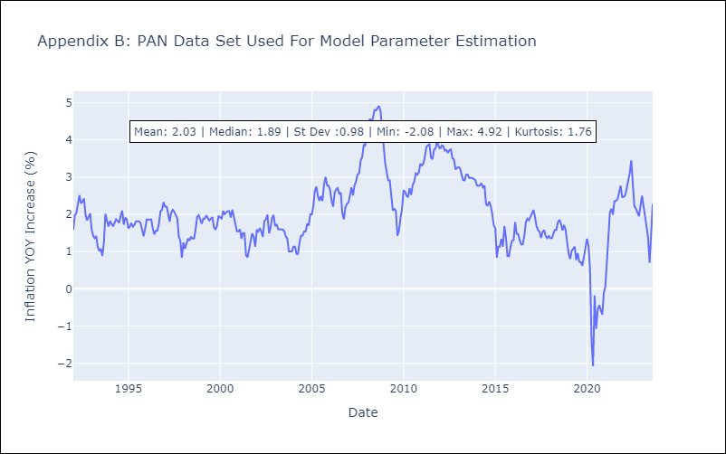

Appendix C: Residuals Analysis
Mean | 0.01
Variance | 0.07
White Noise? | No - Correlation at Lags [ 6 7 8 9 10 11 12]
Heteroskedastic? - ARCH | Yes
Normal? | No

PER
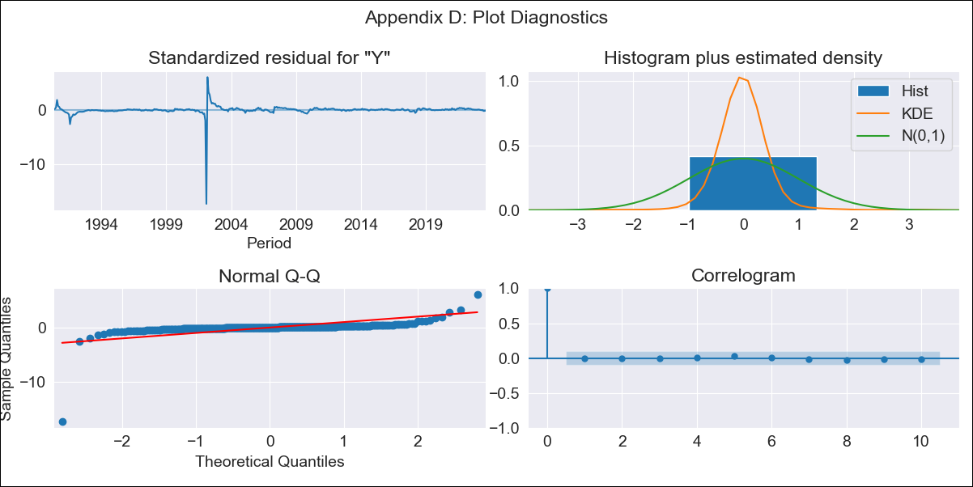

PER - Inflation - Next 12 months forecast as of: 2023-08-01

Model | ARIMA - [(0, 1, 2), (0, 0, 0, 12)]
Training Data | 1990-01-01 to 2022-09-01
Test Data | 2022-09-01 to 2023-08-01

Date | Inflation Change YoY % | Lower Bound - 95% Confidence Interval | Upper Bound - 95% Confidence Interval
2023-09-01 | 6.5 | 0.41 | 37.7
2023-10-01 | 6.74 | 0.1 | 51.06
2023-11-01 | 6.74 | -0.01 | 56.27
2023-12-01 | 6.74 | -0.1 | 61.73
2024-01-01 | 6.74 | -0.18 | 67.45
2024-02-01 | 6.74 | -0.25 | 73.45
2024-03-01 | 6.74 | -0.32 | 79.74
2024-04-01 | 6.74 | -0.38 | 86.32
2024-05-01 | 6.74 | -0.43 | 93.21
2024-06-01 | 6.74 | -0.47 | 100.42
2024-07-01 | 6.74 | -0.52 | 107.97
2024-08-01 | 6.74 | -0.55 | 115.86

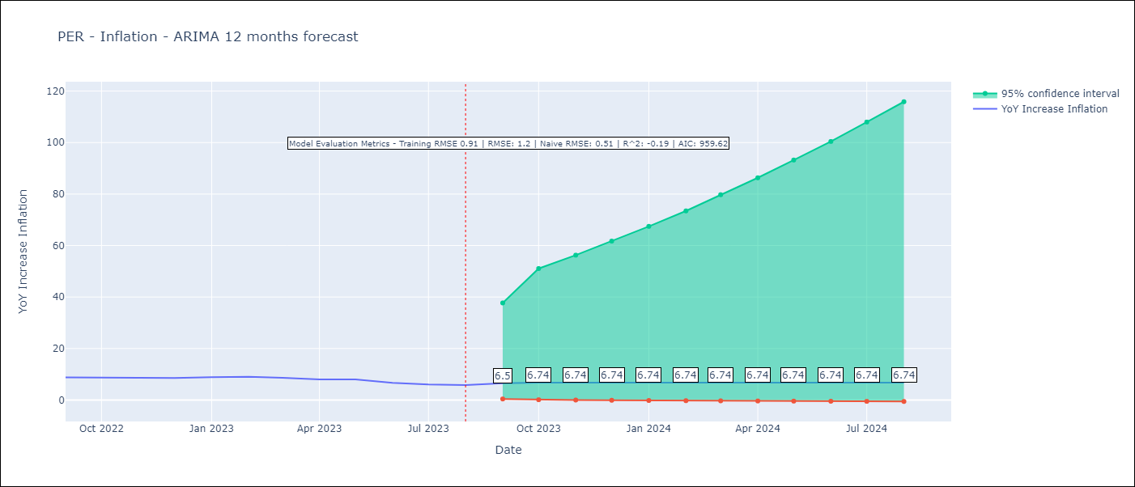

Test Metrics
RMSE | 1.2
Naive RMSE | 0.51
R^2 | -0.19

Test Predictions
Date | Predicted | Actual
2022-09-01 | 8.51 | 8.79
2022-10-01 | 8.46 | 8.64
2022-11-01 | 8.46 | 8.64
2022-12-01 | 8.46 | 8.56
2023-01-01 | 8.46 | 8.87
2023-02-01 | 8.46 | 8.99
2023-03-01 | 8.46 | 8.67
2023-04-01 | 8.46 | 8.04
2023-05-01 | 8.46 | 7.99
2023-06-01 | 8.46 | 6.71
2023-07-01 | 8.46 | 6.02
2023-08-01 | 8.46 | 5.79

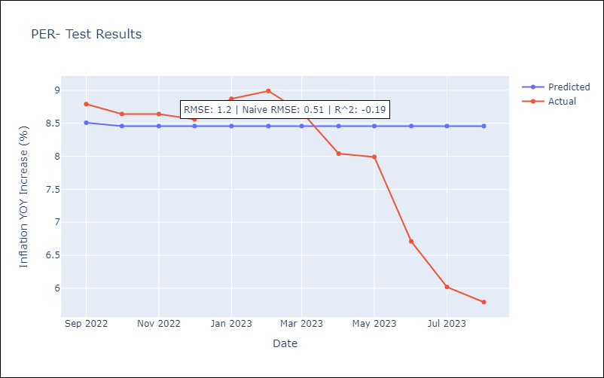

Appendix A: Model Summary
Model | ARIMA(0, 1, 2)
Sample | 01-01-1990- 08-01-2023
No. of Observations | 404
Terms | P-value (Statistical significance)
ma.L1 | 0.000
ma.L2 | 0.000
sigma2 | 0.000
Assumptions | P-value | Interpretation
Ljung-Box (L1) | 0.99 | Residuals are independent.
Heteroskedasticity | 0.00 | Residuals have different variances.
Jarque-Bera | 0.00 | Residuals are not normally distributed.
Skew | -12.13 | Negative skew - Model overestimates the mean.
Kurtosis | 224.27 | Residuals contain more extreme outliers than in a normal distribution.

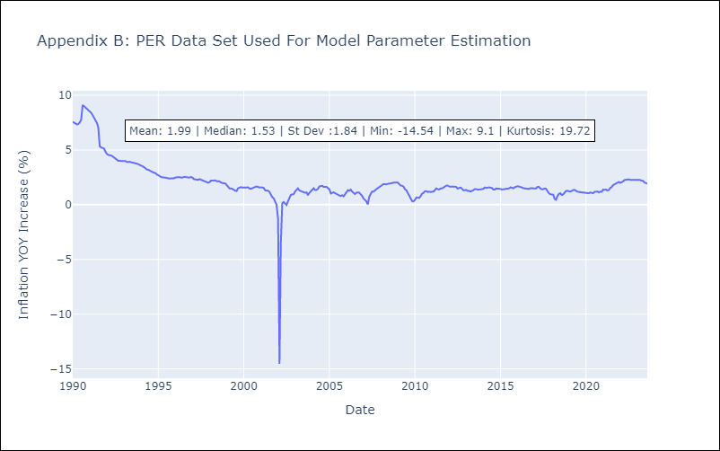

Appendix C: Residuals Analysis
Mean | -0.02
Variance | 0.8
White Noise? | Yes
Heteroskedastic? - ARCH | No
Normal? | No

PRY
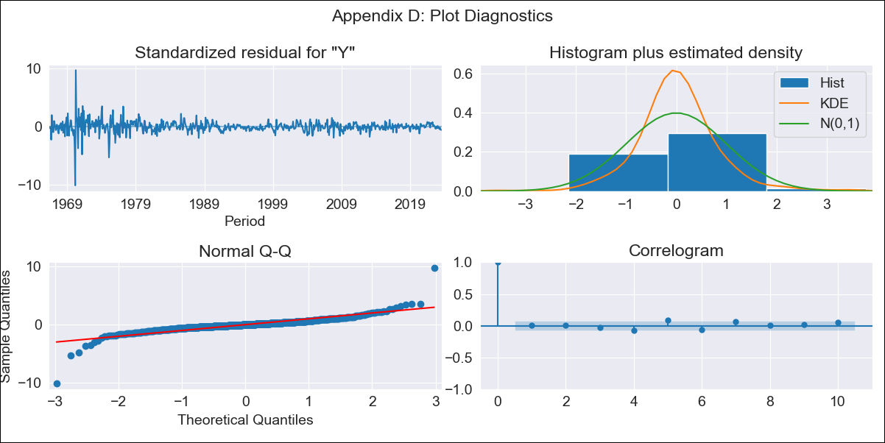

PRY - Inflation - Next 12 months forecast as of: 2023-08-01

Model | ARIMA - [(0, 1, 2), (0, 0, 1, 12)]
Training Data | 1965-01-01 to 2022-09-01
Test Data | 2022-09-01 to 2023-08-01

Date | Inflation Change YoY % | Lower Bound - 95% Confidence Interval | Upper Bound - 95% Confidence Interval
2023-09-01 | 3.21 | 1 | 6.18
2023-10-01 | 3.47 | 0.52 | 7.86
2023-11-01 | 3.4 | 0.09 | 8.67
2023-12-01 | 3.52 | -0.15 | 9.7
2024-01-01 | 3.42 | -0.46 | 10.33
2024-02-01 | 3.57 | -0.61 | 11.35
2024-03-01 | 3.63 | -0.78 | 12.19
2024-04-01 | 3.86 | -0.85 | 13.34
2024-05-01 | 3.93 | -0.98 | 14.19
2024-06-01 | 4.22 | -1.01 | 15.48
2024-07-01 | 4.54 | -1.03 | 16.82
2024-08-01 | 4.85 | -1.05 | 18.17



Test Metrics
RMSE | 2.28
Naive RMSE | 0.73
R^2 | -0.28

Test Predictions
Date | Predicted | Actual
2022-09-01 | 10.03 | 9.35
2022-10-01 | 9.37 | 8.07
2022-11-01 | 9.34 | 8.29
2022-12-01 | 9.57 | 8.12
2023-01-01 | 8.93 | 7.83
2023-02-01 | 8.39 | 6.88
2023-03-01 | 8.06 | 6.41
2023-04-01 | 7.43 | 5.25
2023-05-01 | 7.44 | 5.08
2023-06-01 | 7.25 | 4.24
2023-07-01 | 7.13 | 3.48
2023-08-01 | 7.15 | 2.9

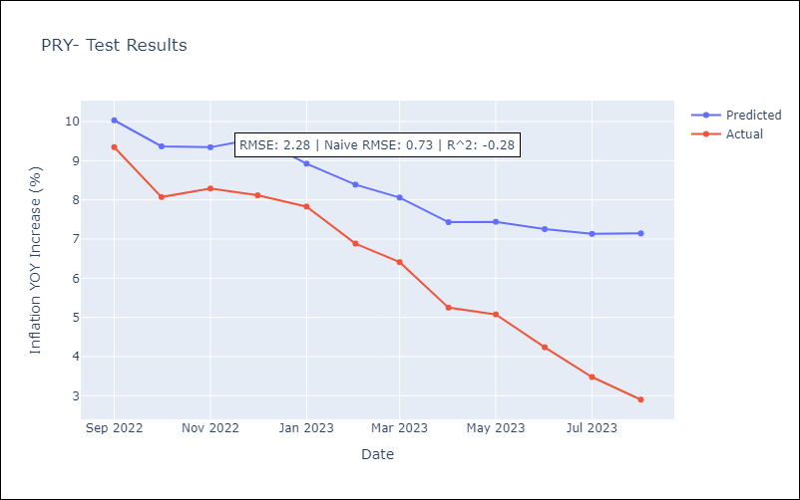

Appendix A: Model Summary
Model | ARIMA(0, 1, 2)x(0, 0, [1], 12)
Sample | 01-01-1965- 08-01-2023
No. of Observations | 704
Terms | P-value (Statistical significance)
ma.L1 | 0.000
ma.L2 | 0.000
ma.S.L12 | 0.000
sigma2 | 0.000
Assumptions | P-value | Interpretation
Ljung-Box (L1) | 0.95 | Residuals are independent.
Heteroskedasticity | 0.00 | Residuals have different variances.
Jarque-Bera | 0.00 | Residuals are not normally distributed.
Skew | -0.35 | Negative skew - Model overestimates the mean.
Kurtosis | 32.46 | Residuals contain more extreme outliers than in a normal distribution.



Appendix C: Residuals Analysis
Mean | 0.0
Variance | 0.13
White Noise? | Yes
Heteroskedastic? - ARCH | Yes
Normal? | No

SLV


SLV - Inflation - Next 12 months forecast as of: 2023-08-01

Model | ARIMA - [(1, 0, 0), (2, 0, 0, 12)]
Training Data | 1991-01-01 to 2022-09-01
Test Data | 2022-09-01 to 2023-08-01

Date | Inflation Change YoY % | Lower Bound - 95% Confidence Interval | Upper Bound - 95% Confidence Interval
2023-09-01 | 2.95 | 0.98 | 5.63
2023-10-01 | 2.81 | 0.3 | 6.66
2023-11-01 | 2.68 | -0.13 | 7.42
2023-12-01 | 2.6 | -0.42 | 8.08
2024-01-01 | 2.55 | -0.64 | 8.66
2024-02-01 | 2.5 | -0.81 | 9.16
2024-03-01 | 2.59 | -0.89 | 9.86
2024-04-01 | 2.68 | -0.95 | 10.5
2024-05-01 | 2.79 | -0.99 | 11.16
2024-06-01 | 2.88 | -1.03 | 11.73
2024-07-01 | 2.98 | -1.06 | 12.28
2024-08-01 | 2.97 | -1.12 | 12.6



Test Metrics
RMSE | 1.09
Naive RMSE | 0.51
R^2 | 0.56

Test Predictions
Date | Predicted | Actual
2022-09-01 | 7.12 | 7.49
2022-10-01 | 6.59 | 7.47
2022-11-01 | 6.08 | 7.32
2022-12-01 | 5.85 | 7.32
2023-01-01 | 5.4 | 7.03
2023-02-01 | 4.96 | 6.82
2023-03-01 | 4.63 | 6.05
2023-04-01 | 4.32 | 5.43
2023-05-01 | 3.96 | 4.41
2023-06-01 | 3.75 | 3.78
2023-07-01 | 3.58 | 3.34
2023-08-01 | 3.29 | 3.09



Appendix A: Model Summary
Model | ARIMA(1, 0, 0)x(2, 0, 0, 12)
Sample | 01-01-1991- 08-01-2023
No. of Observations | 392
Terms | P-value (Statistical significance)
const | 0.000
ar.L1 | 0.000
ar.S.L12 | 0.000
ar.S.L24 | 0.125
sigma2 | 0.000
Assumptions | P-value | Interpretation
Ljung-Box (L1) | 0.51 | Residuals are independent.
Heteroskedasticity | 0.00 | Residuals have different variances.
Jarque-Bera | 0.00 | Residuals are not normally distributed.
Skew | 2.31 | Positive skew - model underestimates the mean.
Kurtosis | 41.28 | Residuals contain more extreme outliers than in a normal distribution.



Appendix C: Residuals Analysis
Mean | 0.02
Variance | 0.16
White Noise? | Yes
Heteroskedastic? - ARCH | Yes
Normal? | No

URY


URY - Inflation - Next 12 months forecast as of: 2023-08-01

Model | ARIMA - [(3, 1, 3), (0, 0, 1, 12)]
Training Data | 1938-07-01 to 2022-09-01
Test Data | 2022-09-01 to 2023-08-01

Date | Inflation Change YoY % | Lower Bound - 95% Confidence Interval | Upper Bound - 95% Confidence Interval
2023-09-01 | 4.14 | 0.98 | 8.19
2023-10-01 | 4.34 | -0.37 | 11.28
2023-11-01 | 4.13 | -1.11 | 12.39
2023-12-01 | 3.75 | -1.77 | 12.96
2024-01-01 | 3.66 | -2.36 | 14.44
2024-02-01 | 3.8 | -2.91 | 16.89
2024-03-01 | 3.94 | -3.39 | 19.47
2024-04-01 | 3.93 | -3.81 | 21.49
2024-05-01 | 4.03 | -4.09 | 23.52
2024-06-01 | 4.32 | -4.26 | 25.91
2024-07-01 | 4.67 | -4.41 | 28.58
2024-08-01 | 4.93 | -4.57 | 31.12



Test Metrics
RMSE | 2.32
Naive RMSE | 0.67
R^2 | -1.06

Test Predictions
Date | Predicted | Actual
2022-09-01 | 9.52 | 9.95
2022-10-01 | 9.28 | 9.05
2022-11-01 | 9.31 | 8.46
2022-12-01 | 9.3 | 8.29
2023-01-01 | 9.33 | 8.05
2023-02-01 | 9.06 | 7.55
2023-03-01 | 8.93 | 7.33
2023-04-01 | 9.06 | 7.61
2023-05-01 | 9.07 | 7.1
2023-06-01 | 9.04 | 5.98
2023-07-01 | 8.96 | 4.79
2023-08-01 | 8.94 | 4.11



Appendix A: Model Summary
Model | ARIMA(3, 1, 3)x(0, 0, [1], 12)
Sample | 07-01-1938- 08-01-2023
No. of Observations | 1022
Terms | P-value (Statistical significance)
ar.L1 | 0.000
ar.L2 | 0.000
ar.L3 | 0.000
ma.L1 | 0.000
ma.L2 | 0.000
ma.L3 | 0.000
ma.S.L12 | 0.000
sigma2 | 0.000
Assumptions | P-value | Interpretation
Ljung-Box (L1) | 0.95 | Residuals are independent.
Heteroskedasticity | 0.00 | Residuals have different variances.
Jarque-Bera | 0.00 | Residuals are not normally distributed.
Skew | -1.03 | Negative skew - Model overestimates the mean.
Kurtosis | 31.10 | Residuals contain more extreme outliers than in a normal distribution.



Appendix C: Residuals Analysis
Mean | 0.0
Variance | 0.09
White Noise? | No - Correlation at Lags [ 1 2 3 4 5 6 7 8 9 10 11 12]
Heteroskedastic? - ARCH | Yes
Normal? | No

