BRA_EXOG_
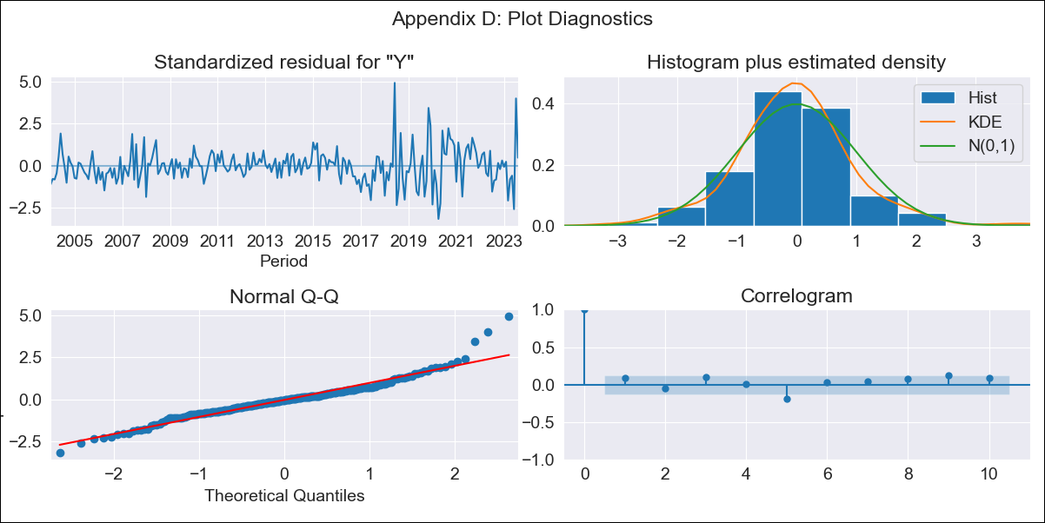

BRA_EXOG_ - Inflation - Next 12 months forecast as of: 2023-08-01

Model | SARIMAX - [(2, 0, 0), (0, 0, 1, 12)] | Exogenous Variables | M1, M2, Exchange rate, Lending rate
Training Data | 2002-12-01 to 2022-09-01
Test Data | 2022-09-01 to 2023-08-01

Date | Inflation Change YoY % | Lower Bound - 95% Confidence Interval | Upper Bound - 95% Confidence Interval
2023-09-01 | 1.24 | 1.2 | 1.27
2023-10-01 | 1.24 | 1.18 | 1.3
2023-11-01 | 1.24 | 1.16 | 1.33
2023-12-01 | 1.24 | 1.14 | 1.34
2024-01-01 | 1.24 | 1.12 | 1.36
2024-02-01 | 1.24 | 1.11 | 1.37
2024-03-01 | 1.25 | 1.11 | 1.39
2024-04-01 | 1.26 | 1.11 | 1.42
2024-05-01 | 1.27 | 1.11 | 1.44
2024-06-01 | 1.31 | 1.13 | 1.48
2024-07-01 | 1.28 | 1.09 | 1.46
2024-08-01 | 1.26 | 1.06 | 1.45

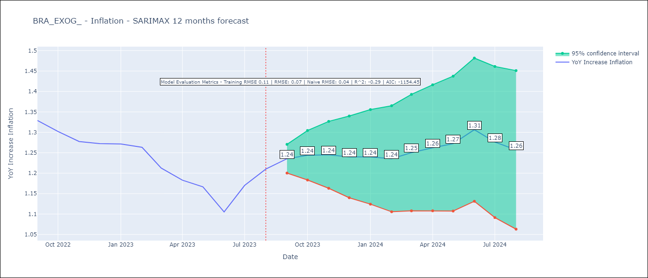

Test Metrics
RMSE | 0.07
Naive RMSE | 0.04
R^2 | -0.29

Test Predictions
Date | Predicted | Actual
2022-09-01 | 1.35 | 1.33
2022-10-01 | 1.33 | 1.3
2022-11-01 | 1.3 | 1.28
2022-12-01 | 1.29 | 1.27
2023-01-01 | 1.29 | 1.27
2023-02-01 | 1.28 | 1.26
2023-03-01 | 1.26 | 1.21
2023-04-01 | 1.26 | 1.18
2023-05-01 | 1.27 | 1.17
2023-06-01 | 1.26 | 1.11
2023-07-01 | 1.28 | 1.17
2023-08-01 | 1.29 | 1.21

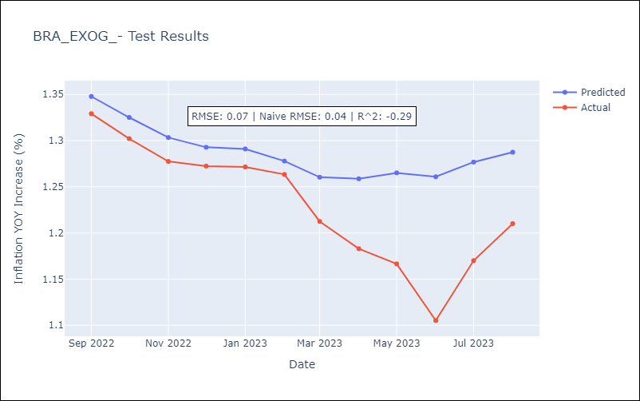

Appendix A: Model Summary
Model | SARIMAX(2, 0, 0)x(0, 0, [1], 12)
Sample | 12-01-2002- 08-01-2023
No. of Observations | 249
Terms | P-value (Statistical significance)
M1 | 0.007
M2 | 0.406
Exchange rate | 0.070
Lending rate | 0.541
ar.L1 | 0.000
ar.L2 | 0.000
ma.S.L12 | 0.000
sigma2 | 0.000
Assumptions | P-value | Interpretation
Ljung-Box (L1) | 0.18 | Residuals are independent.
Heteroskedasticity | 0.00 | Residuals have different variances.
Jarque-Bera | 0.00 | Residuals are not normally distributed.
Skew | 0.70 | Positive skew - model underestimates the mean.
Kurtosis | 6.40 | Residuals contain more extreme outliers than in a normal distribution.

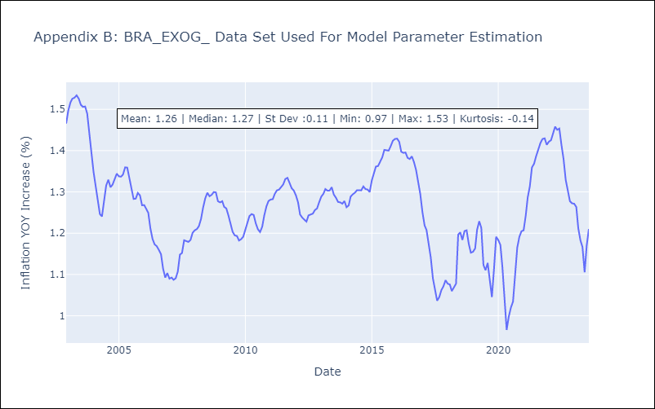

Appendix C: Residuals Analysis
Mean | 0.0
Variance | 0.01
White Noise? | No - Correlation at Lags [ 1 2 3 4 5 6 7 8 9 10 11 12]
Heteroskedastic? - ARCH | Yes
Normal? | No

