BRA_EXOG_LT
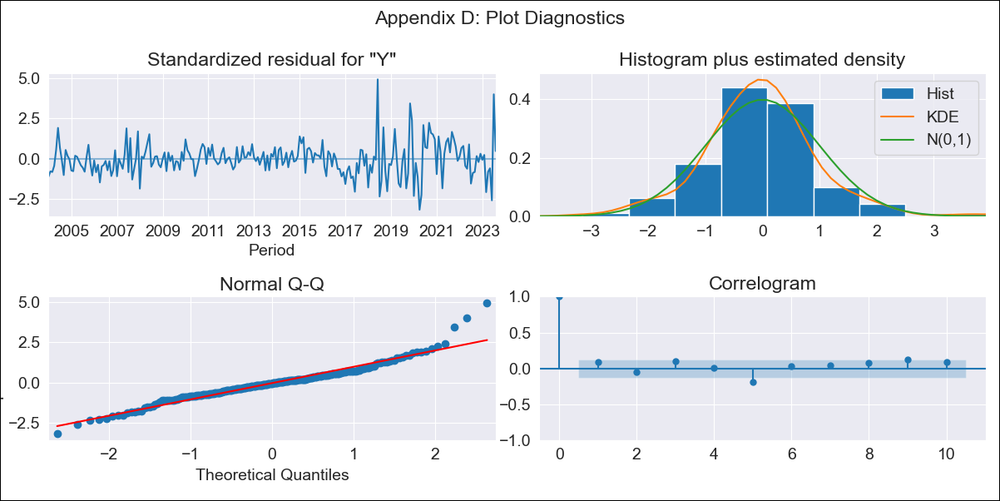

BRA_EXOG_LT - Inflation - Next 12 months forecast as of: 2023-08-01

Model | SARIMAX - [(2, 0, 0), (0, 0, 1, 12)] | Exogenous Variables | M1, M2, Exchange rate, Lending rate
Training Data | 2002-12-01 to 2022-09-01
Test Data | 2022-09-01 to 2023-08-01

Date | Inflation Change YoY % | Lower Bound - 95% Confidence Interval | Upper Bound - 95% Confidence Interval
2023-09-01 | 5.05 | 4.45 | 5.75
2023-10-01 | 5.21 | 4.18 | 6.53
2023-11-01 | 5.23 | 3.89 | 7.11
2023-12-01 | 5.14 | 3.58 | 7.47
2024-01-01 | 5.14 | 3.38 | 7.95
2024-02-01 | 5.05 | 3.16 | 8.25
2024-03-01 | 5.34 | 3.19 | 9.22
2024-04-01 | 5.57 | 3.19 | 10.15
2024-05-01 | 5.79 | 3.18 | 11.1
2024-06-01 | 6.58 | 3.47 | 13.48
2024-07-01 | 5.87 | 3.01 | 12.3
2024-08-01 | 5.47 | 2.71 | 11.77

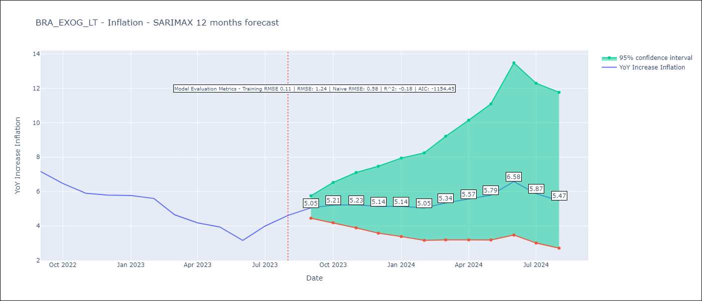

Test Metrics
RMSE | 1.24
Naive RMSE | 0.58
R^2 | -0.18

Test Predictions
Date | Predicted | Actual
2022-09-01 | 7.71 | 7.17
2022-10-01 | 7.06 | 6.47
2022-11-01 | 6.5 | 5.9
2022-12-01 | 6.25 | 5.79
2023-01-01 | 6.2 | 5.77
2023-02-01 | 5.91 | 5.6
2023-03-01 | 5.54 | 4.65
2023-04-01 | 5.5 | 4.18
2023-05-01 | 5.64 | 3.94
2023-06-01 | 5.55 | 3.16
2023-07-01 | 5.88 | 3.99
2023-08-01 | 6.12 | 4.61

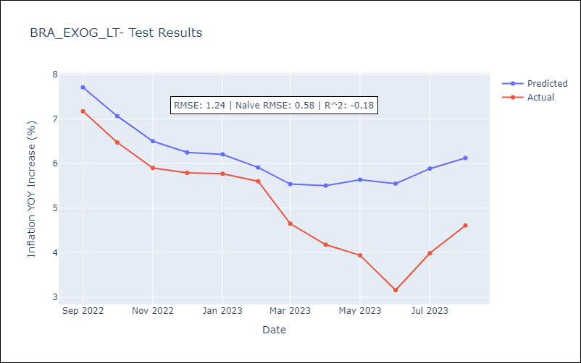

Appendix A: Model Summary
Model | SARIMAX(2, 0, 0)x(0, 0, [1], 12)
Sample | 12-01-2002- 08-01-2023
No. of Observations | 249
Terms | P-value (Statistical significance)
M1 | 0.007
M2 | 0.406
Exchange rate | 0.070
Lending rate | 0.541
ar.L1 | 0.000
ar.L2 | 0.000
ma.S.L12 | 0.000
sigma2 | 0.000
Assumptions | P-value | Interpretation
Ljung-Box (L1) | 0.18 | Residuals are independent.
Heteroskedasticity | 0.00 | Residuals have different variances.
Jarque-Bera | 0.00 | Residuals are not normally distributed.
Skew | 0.70 | Positive skew - model underestimates the mean.
Kurtosis | 6.40 | Residuals contain more extreme outliers than in a normal distribution.

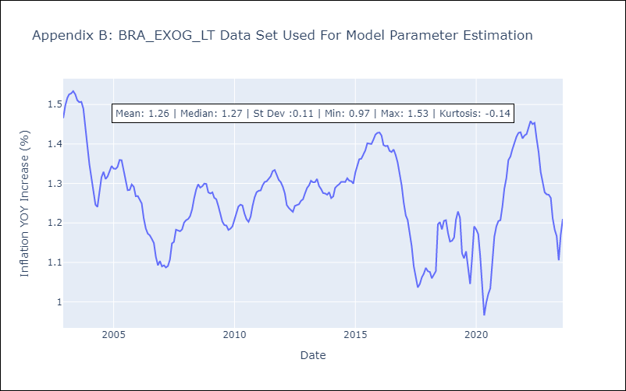

Appendix C: Residuals Analysis
Mean | 0.0
Variance | 0.01
White Noise? | No - Correlation at Lags [ 1 2 3 4 5 6 7 8 9 10 11 12]
Heteroskedastic? - ARCH | Yes
Normal? | No

