CHL_2000_lt
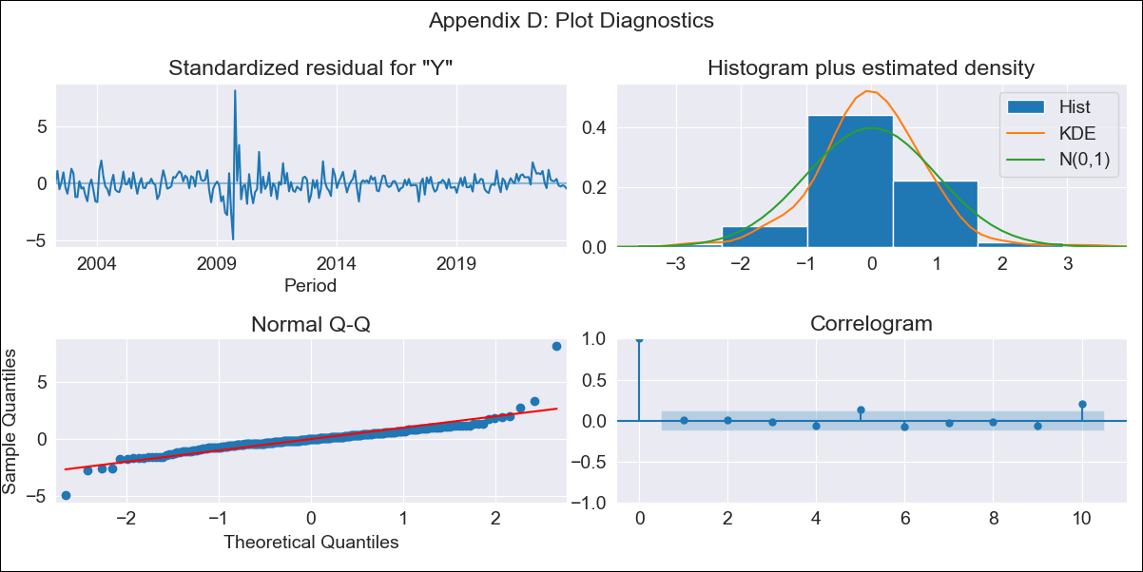

CHL_2000_lt - Inflation - Next 12 months forecast as of: 2023-08-01

Model | ARIMA - [(3, 0, 1), (2, 0, 0, 12)]
Training Data | 2000-01-01 to 2022-09-01
Test Data | 2022-09-01 to 2023-08-01

Date | Inflation Change YoY % | Lower Bound - 95% Confidence Interval | Upper Bound - 95% Confidence Interval
2023-09-01 | 4.7 | 3.44 | 6.09
2023-10-01 | 4.22 | 2.48 | 6.24
2023-11-01 | 3.6 | 1.49 | 6.19
2023-12-01 | 3.24 | 0.83 | 6.36
2024-01-01 | 2.95 | 0.31 | 6.53
2024-02-01 | 2.73 | -0.09 | 6.71
2024-03-01 | 2.49 | -0.43 | 6.81
2024-04-01 | 2.41 | -0.63 | 7.05
2024-05-01 | 2.38 | -0.77 | 7.3
2024-06-01 | 2.37 | -0.88 | 7.54
2024-07-01 | 2.42 | -0.93 | 7.83
2024-08-01 | 2.5 | -0.94 | 8.13

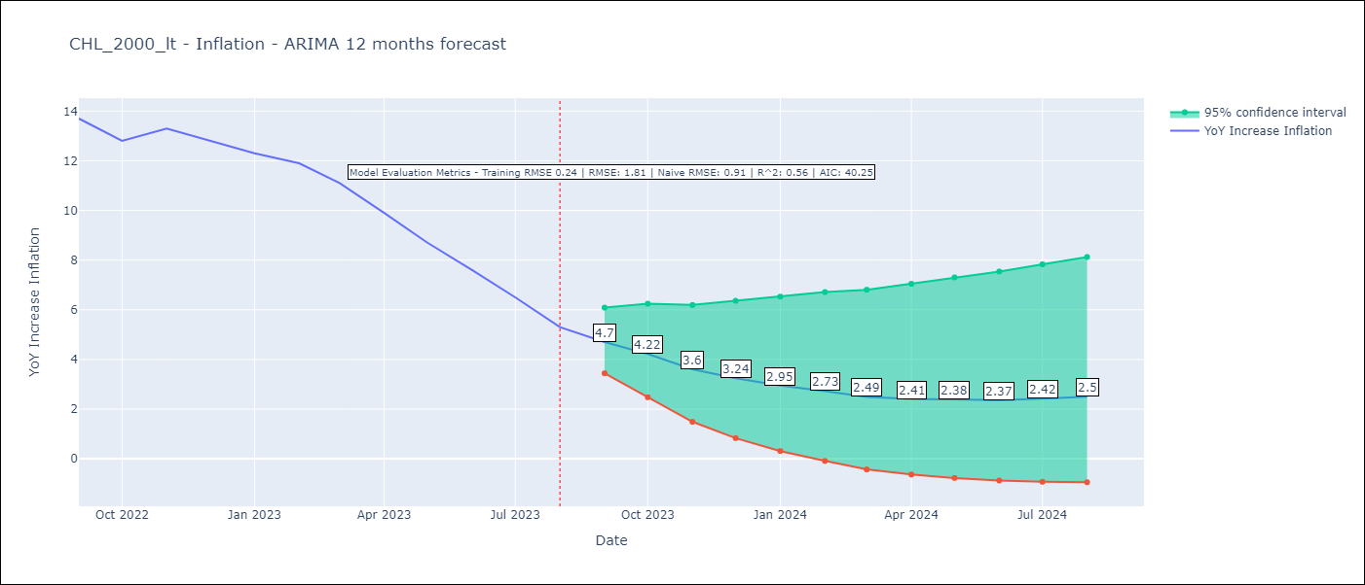

Test Metrics
RMSE | 1.81
Naive RMSE | 0.91
R^2 | 0.56

Test Predictions
Date | Predicted | Actual
2022-09-01 | 13.57 | 13.7
2022-10-01 | 13.01 | 12.8
2022-11-01 | 12.24 | 13.3
2022-12-01 | 11.32 | 12.8
2023-01-01 | 10.38 | 12.3
2023-02-01 | 9.62 | 11.9
2023-03-01 | 8.39 | 11.1
2023-04-01 | 7.34 | 9.9
2023-05-01 | 6.41 | 8.7
2023-06-01 | 5.58 | 7.6
2023-07-01 | 4.85 | 6.5
2023-08-01 | 4.17 | 5.3

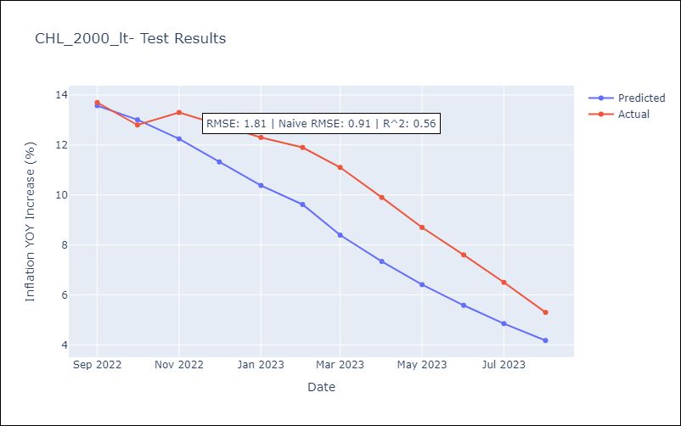

Appendix A: Model Summary
Model | ARIMA(3, 0, 1)x(2, 0, [], 12)
Sample | 01-01-2000- 08-01-2023
No. of Observations | 284
Terms | P-value (Statistical significance)
const | 0.000
ar.L1 | 0.000
ar.L2 | 0.011
ar.L3 | 0.014
ma.L1 | 0.001
ar.S.L12 | 0.000
ar.S.L24 | 0.032
sigma2 | 0.000
Assumptions | P-value | Interpretation
Ljung-Box (L1) | 0.99 | Residuals are independent.
Heteroskedasticity | 0.00 | Residuals have different variances.
Jarque-Bera | 0.00 | Residuals are not normally distributed.
Skew | 1.65 | Positive skew - model underestimates the mean.
Kurtosis | 21.59 | Residuals contain more extreme outliers than in a normal distribution.

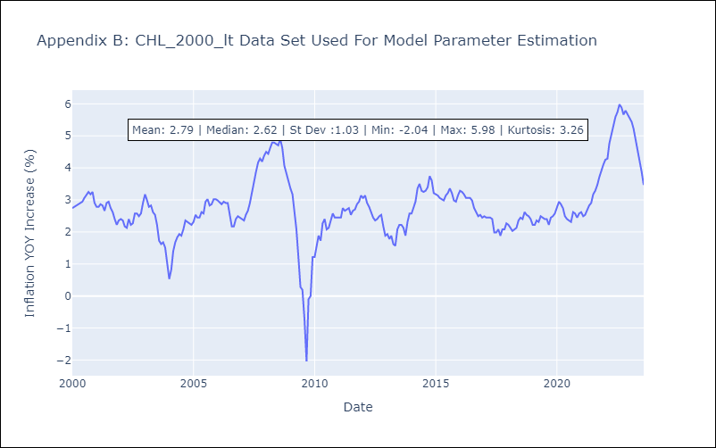

Appendix C: Residuals Analysis
Mean | -0.0
Variance | 0.06
White Noise? | No - Correlation at Lags [10 11 12]
Heteroskedastic? - ARCH | Yes
Normal? | No

