CHL_all_LT
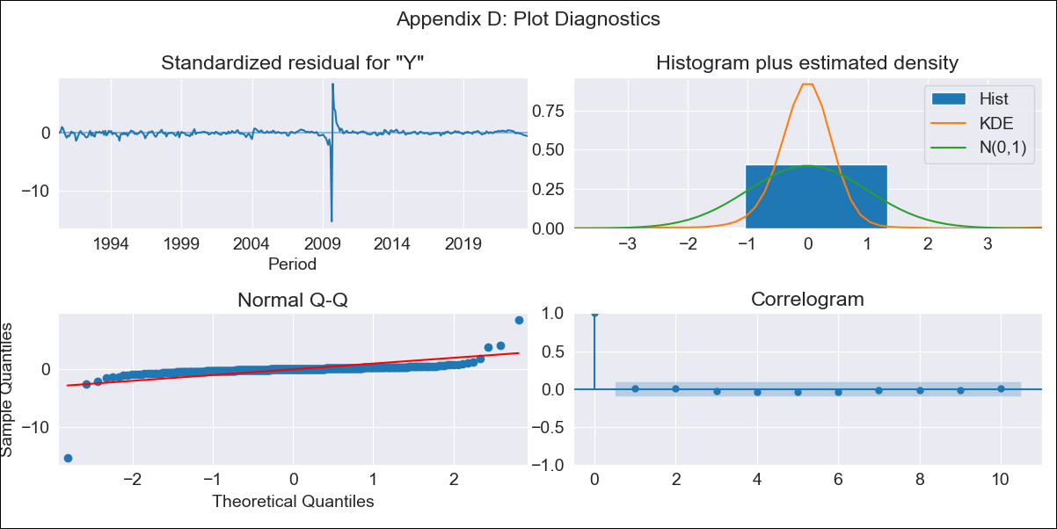

CHL_all_LT - Inflation - Next 12 months forecast as of: 2023-08-01

Model | ARIMA - [(0, 1, 1), (0, 0, 0, 12)]
Training Data | 1990-01-01 to 2022-09-01
Test Data | 2022-09-01 to 2023-08-01

Date | Inflation Change YoY % | Lower Bound - 95% Confidence Interval | Upper Bound - 95% Confidence Interval
2023-09-01 | 3.78 | 1.81 | 6.44
2023-10-01 | 3.78 | 1.59 | 6.86
2023-11-01 | 3.78 | 1.4 | 7.25
2023-12-01 | 3.78 | 1.24 | 7.61
2024-01-01 | 3.78 | 1.09 | 7.96
2024-02-01 | 3.78 | 0.96 | 8.29
2024-03-01 | 3.78 | 0.84 | 8.61
2024-04-01 | 3.78 | 0.72 | 8.92
2024-05-01 | 3.78 | 0.62 | 9.22
2024-06-01 | 3.78 | 0.53 | 9.52
2024-07-01 | 3.78 | 0.44 | 9.81
2024-08-01 | 3.78 | 0.35 | 10.09

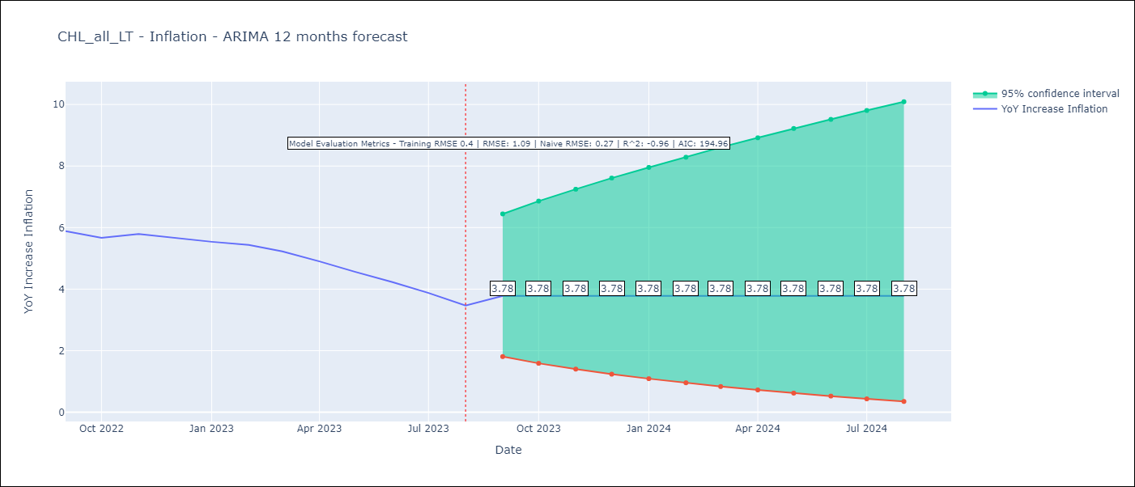

Test Metrics
RMSE | 1.09
Naive RMSE | 0.27
R^2 | -0.96

Test Predictions
Date | Predicted | Actual
2022-09-01 | 5.78 | 5.89
2022-10-01 | 5.78 | 5.67
2022-11-01 | 5.78 | 5.79
2022-12-01 | 5.78 | 5.67
2023-01-01 | 5.78 | 5.54
2023-02-01 | 5.78 | 5.44
2023-03-01 | 5.78 | 5.23
2023-04-01 | 5.78 | 4.9
2023-05-01 | 5.78 | 4.56
2023-06-01 | 5.78 | 4.23
2023-07-01 | 5.78 | 3.88
2023-08-01 | 5.78 | 3.47

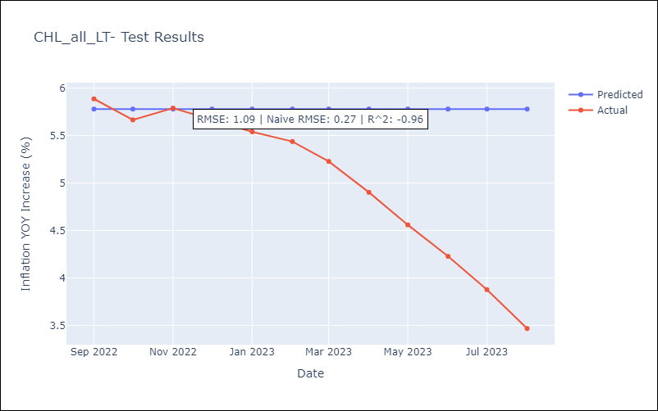

Appendix A: Model Summary
Model | ARIMA(0, 1, 1)
Sample | 01-01-1990- 08-01-2023
No. of Observations | 404
Terms | P-value (Statistical significance)
ma.L1 | 0.000
sigma2 | 0.000
Assumptions | P-value | Interpretation
Ljung-Box (L1) | 0.88 | Residuals are independent.
Heteroskedasticity | 0.00 | Residuals have different variances.
Jarque-Bera | 0.00 | Residuals are not normally distributed.
Skew | -7.21 | Negative skew - Model overestimates the mean.
Kurtosis | 153.69 | Residuals contain more extreme outliers than in a normal distribution.

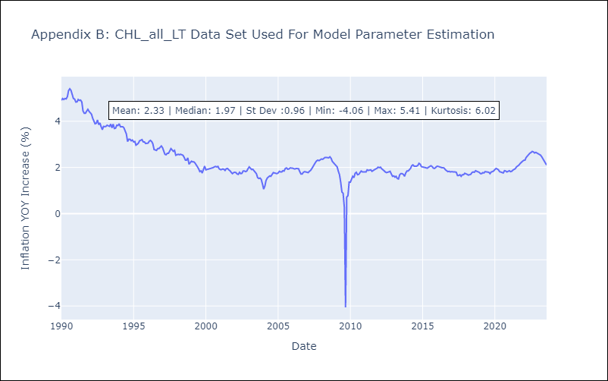

Appendix C: Residuals Analysis
Mean | -0.0
Variance | 0.15
White Noise? | Yes
Heteroskedastic? - ARCH | Yes
Normal? | No

