CHL
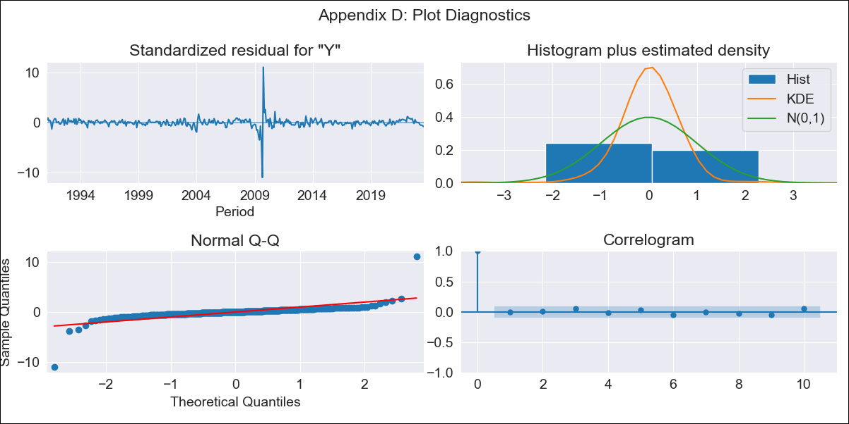

CHL_all_LT2 - Inflation - Next 12 months forecast as of: 2023-08-01

Model | ARIMA - [(3, 0, 0), (0, 0, 1, 12)]
Training Data | 1990-01-01 to 2022-09-01
Test Data | 2022-09-01 to 2023-08-01

Date | Inflation Change YoY % | Lower Bound - 95% Confidence Interval | Upper Bound - 95% Confidence Interval
2023-09-01 | 5.23 | 3.29 | 7.61
2023-10-01 | 5.11 | 2.65 | 8.33
2023-11-01 | 4.97 | 2.1 | 8.98
2023-12-01 | 4.91 | 1.74 | 9.54
2024-01-01 | 4.86 | 1.46 | 10.04
2024-02-01 | 4.81 | 1.23 | 10.46
2024-03-01 | 4.79 | 1.04 | 10.85
2024-04-01 | 4.81 | 0.92 | 11.27
2024-05-01 | 4.85 | 0.82 | 11.68
2024-06-01 | 4.9 | 0.74 | 12.06
2024-07-01 | 4.96 | 0.69 | 12.44
2024-08-01 | 5.05 | 0.65 | 12.84

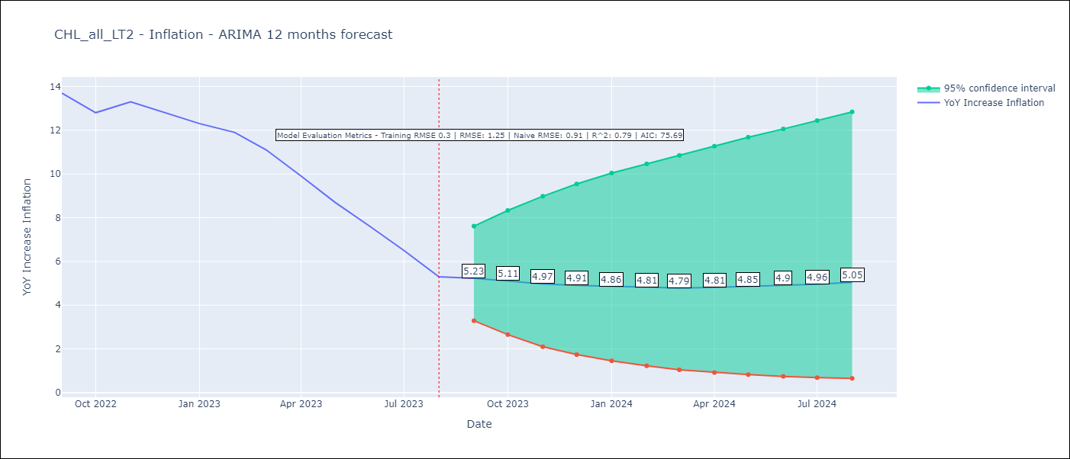

Test Metrics
RMSE | 1.25
Naive RMSE | 0.91
R^2 | 0.79

Test Predictions
Date | Predicted | Actual
2022-09-01 | 13.37 | 13.7
2022-10-01 | 12.85 | 12.8
2022-11-01 | 12.23 | 13.3
2022-12-01 | 11.69 | 12.8
2023-01-01 | 11.17 | 12.3
2023-02-01 | 10.78 | 11.9
2023-03-01 | 10.16 | 11.1
2023-04-01 | 9.65 | 9.9
2023-05-01 | 9.2 | 8.7
2023-06-01 | 8.78 | 7.6
2023-07-01 | 8.42 | 6.5
2023-08-01 | 8.05 | 5.3

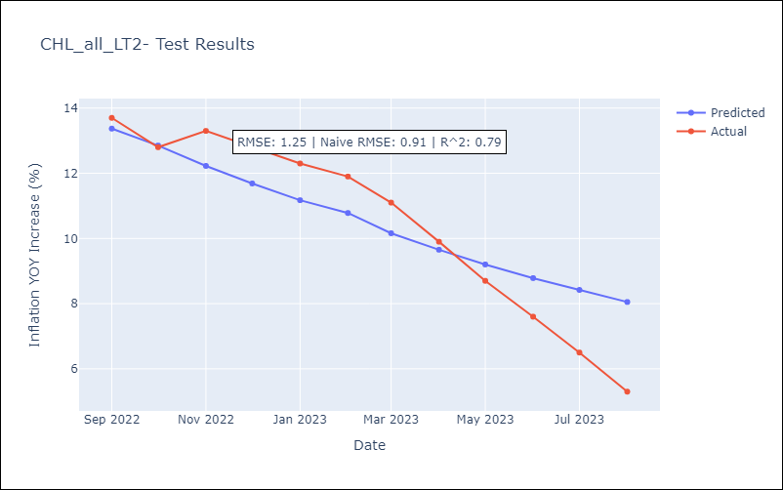

Appendix A: Model Summary
Model | ARIMA(3, 0, 0)x(0, 0, [1], 12)
Sample | 01-01-1990- 08-01-2023
No. of Observations | 404
Terms | P-value (Statistical significance)
const | 0.000
ar.L1 | 0.000
ar.L2 | 0.000
ar.L3 | 0.000
ma.S.L12 | 0.000
sigma2 | 0.000
Assumptions | P-value | Interpretation
Ljung-Box (L1) | 0.92 | Residuals are independent.
Heteroskedasticity | 0.13 | Residuals have the same variance.
Jarque-Bera | 0.00 | Residuals are not normally distributed.
Skew | -0.12 | Negative skew - Model overestimates the mean.
Kurtosis | 78.34 | Residuals contain more extreme outliers than in a normal distribution.

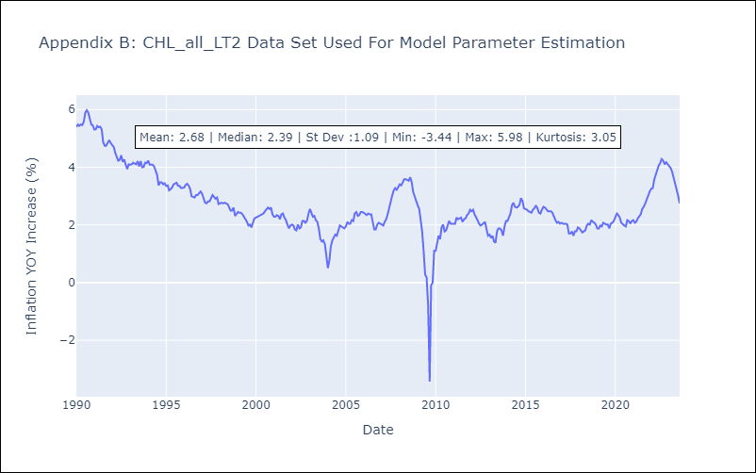

Appendix C: Residuals Analysis
Mean | 0.01
Variance | 0.09
White Noise? | Yes
Heteroskedastic? - ARCH | Yes
Normal? | No

