CHL_all_raw
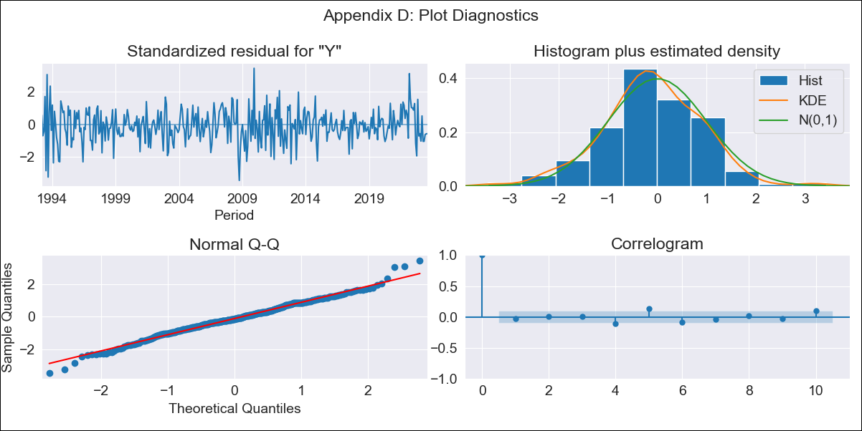
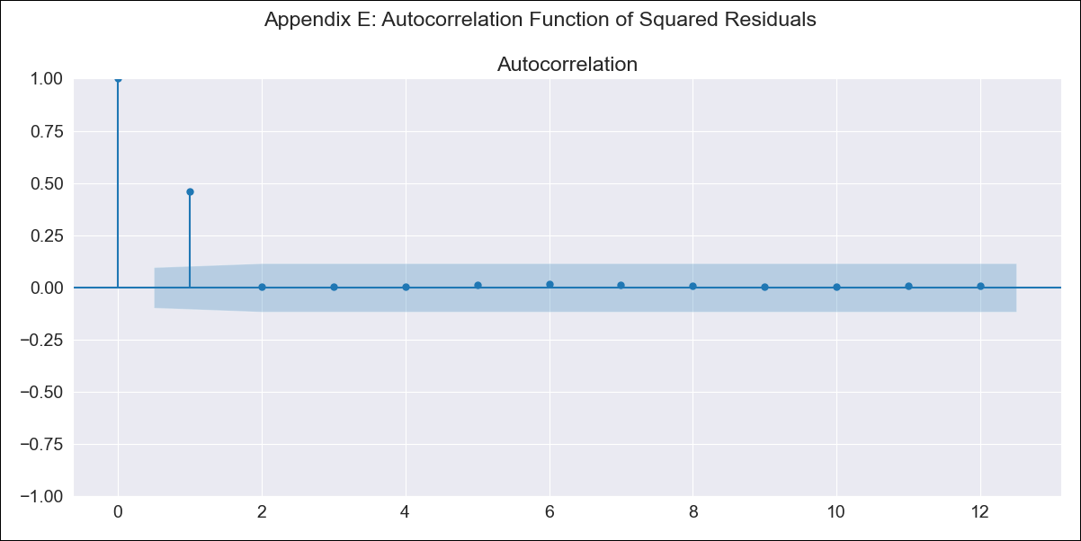
CHL_all_raw - Inflation - Next 12 months forecast as of: 2023-08-01

Model | ARIMA - [(2, 0, 1), (0, 0, 3, 12)]
Training Data | 1990-01-01 to 2022-09-01
Test Data | 2022-09-01 to 2023-08-01

Date | Inflation Change YoY % | Lower Bound - 95% Confidence Interval | Upper Bound - 95% Confidence Interval
2023-09-01 | 4.94 | 4.1 | 5.78
2023-10-01 | 4.91 | 3.6 | 6.23
2023-11-01 | 4.18 | 2.42 | 5.94
2023-12-01 | 4 | 1.83 | 6.18
2024-01-01 | 3.88 | 1.3 | 6.46
2024-02-01 | 3.95 | 0.98 | 6.92
2024-03-01 | 3.66 | 0.32 | 7.01
2024-04-01 | 3.79 | 0.08 | 7.49
2024-05-01 | 3.99 | -0.07 | 8.04
2024-06-01 | 4.15 | -0.24 | 8.53
2024-07-01 | 4.35 | -0.34 | 9.05
2024-08-01 | 4.56 | -0.44 | 9.56

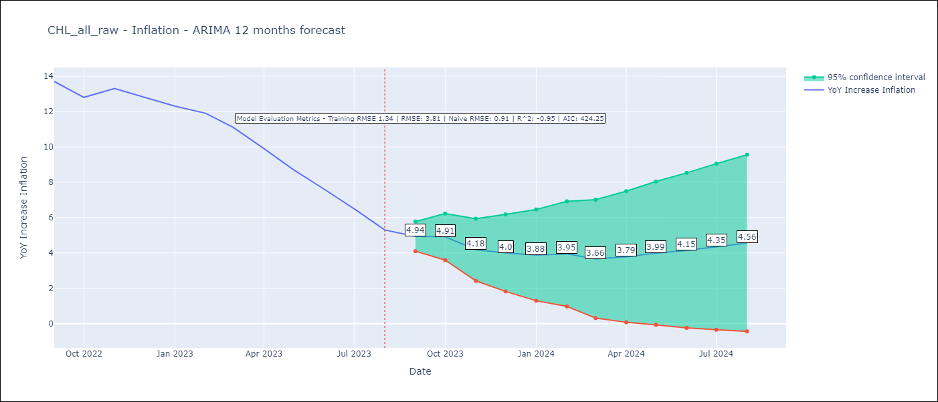

Test Metrics
RMSE | 3.81
Naive RMSE | 0.91
R^2 | -0.95

Test Predictions
Date | Predicted | Actual
2022-09-01 | 14.25 | 13.7
2022-10-01 | 14.38 | 12.8
2022-11-01 | 14.59 | 13.3
2022-12-01 | 14.6 | 12.8
2023-01-01 | 14.59 | 12.3
2023-02-01 | 14.91 | 11.9
2023-03-01 | 14.26 | 11.1
2023-04-01 | 13.77 | 9.9
2023-05-01 | 13.35 | 8.7
2023-06-01 | 12.89 | 7.6
2023-07-01 | 12.42 | 6.5
2023-08-01 | 11.84 | 5.3

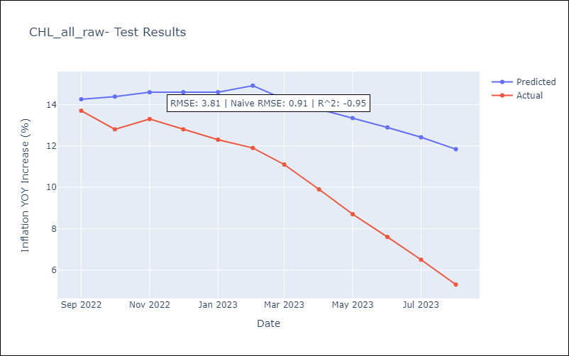

Appendix A: Model Summary
Model | ARIMA(2, 0, 1)x(0, 0, [1, 2, 3], 12)
Sample | 01-01-1990- 08-01-2023
No. of Observations | 404
Terms | P-value (Statistical significance)
const | 0.000
ar.L1 | 0.000
ar.L2 | 0.000
ma.L1 | 0.000
ma.S.L12 | 0.180
ma.S.L24 | 0.032
ma.S.L36 | 0.001
sigma2 | 0.372
Assumptions | P-value | Interpretation
Ljung-Box (L1) | 0.62 | Residuals are independent.
Heteroskedasticity | 0.00 | Residuals have different variances.
Jarque-Bera | 0.01 | Residuals are not normally distributed.
Skew | -0.06 | Negative skew - Model overestimates the mean.
Kurtosis | 3.77 | Residuals contain more extreme outliers than in a normal distribution.

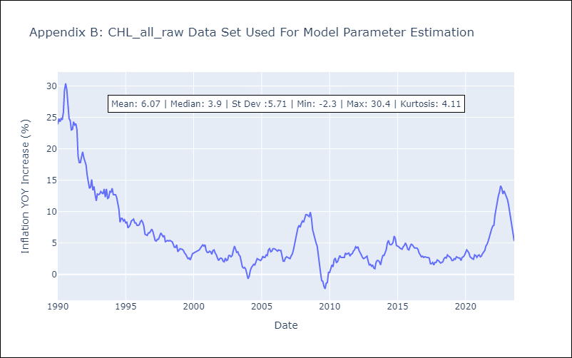

Appendix C: Residuals Analysis
Mean | -0.03
Variance | 1.68
White Noise? | No - Correlation at Lags [ 1 2 3 4 5 6 7 8 9 10 11 12]
Heteroskedastic? - ARCH | Yes
Normal? | No

