CHL_2000_raw
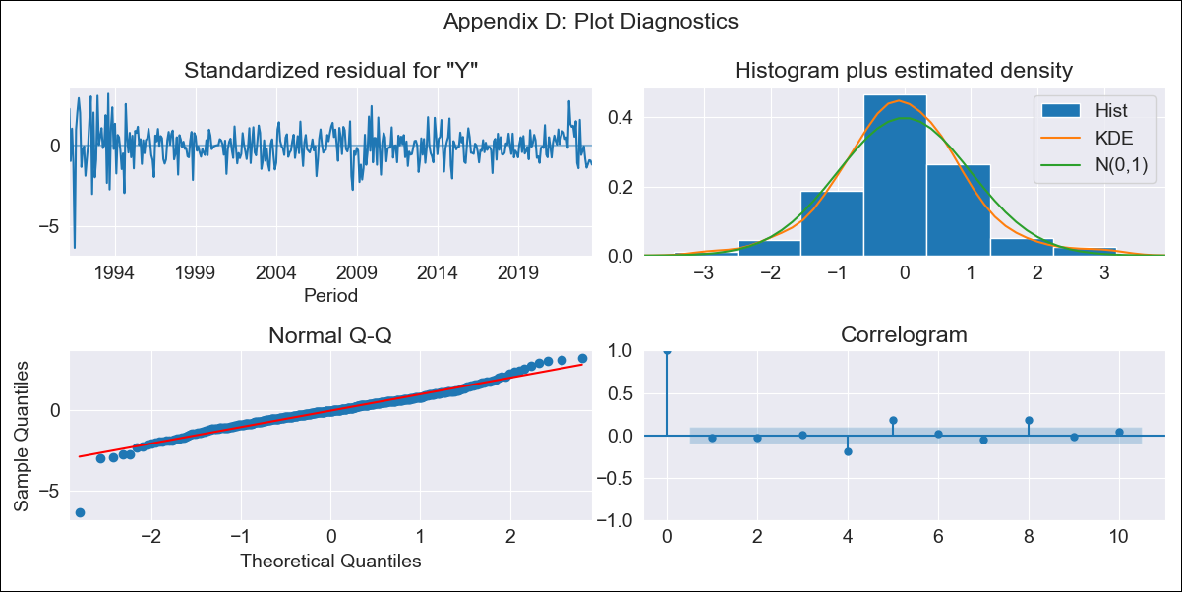

CHL_2000_raw - Inflation - Next 12 months forecast as of: 2023-08-01

Model | ARIMA - [(2, 0, 1), (0, 0, 1, 12)]
Training Data | 1990-01-01 to 2022-09-01
Test Data | 2022-09-01 to 2023-08-01

Date | Inflation Change YoY % | Lower Bound - 95% Confidence Interval | Upper Bound - 95% Confidence Interval
2023-09-01 | 4.73 | 3.64 | 5.83
2023-10-01 | 4.33 | 2.6 | 6.06
2023-11-01 | 4.08 | 1.79 | 6.37
2023-12-01 | 3.9 | 1.12 | 6.69
2024-01-01 | 3.8 | 0.57 | 7.02
2024-02-01 | 3.75 | 0.13 | 7.36
2024-03-01 | 3.72 | -0.24 | 7.68
2024-04-01 | 3.72 | -0.55 | 7.98
2024-05-01 | 3.73 | -0.8 | 8.26
2024-06-01 | 3.76 | -1 | 8.52
2024-07-01 | 3.8 | -1.17 | 8.77
2024-08-01 | 3.84 | -1.3 | 8.98

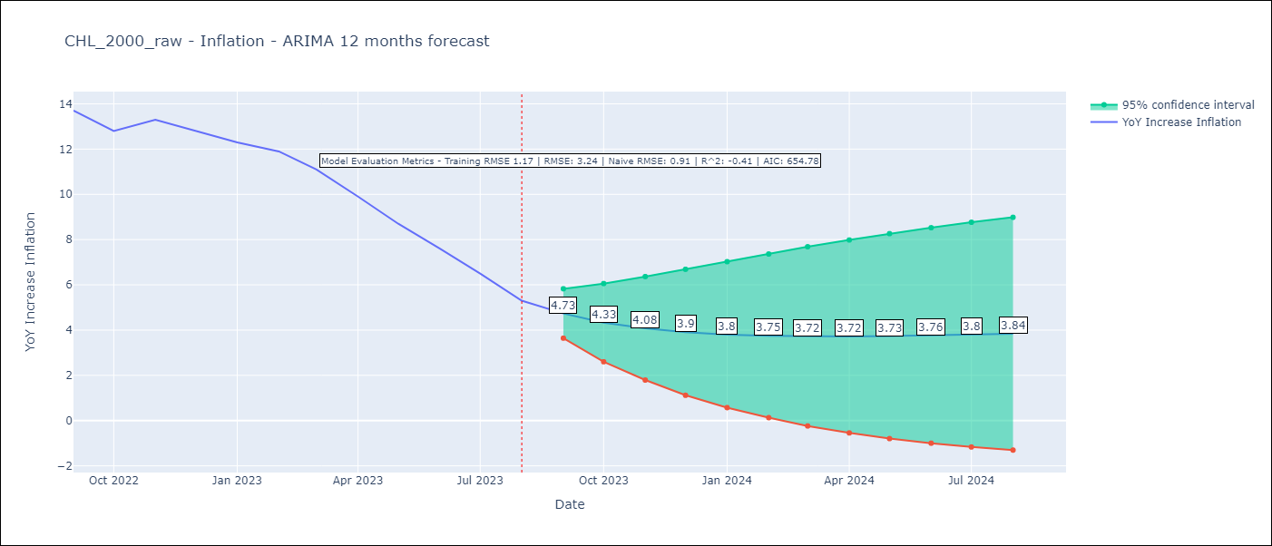

Test Metrics
RMSE | 3.24
Naive RMSE | 0.91
R^2 | -0.41

Test Predictions
Date | Predicted | Actual
2022-09-01 | 14.17 | 13.7
2022-10-01 | 14.07 | 12.8
2022-11-01 | 13.89 | 13.3
2022-12-01 | 13.66 | 12.8
2023-01-01 | 13.41 | 12.3
2023-02-01 | 13.14 | 11.9
2023-03-01 | 12.92 | 11.1
2023-04-01 | 12.69 | 9.9
2023-05-01 | 12.47 | 8.7
2023-06-01 | 12.25 | 7.6
2023-07-01 | 12.03 | 6.5
2023-08-01 | 11.83 | 5.3

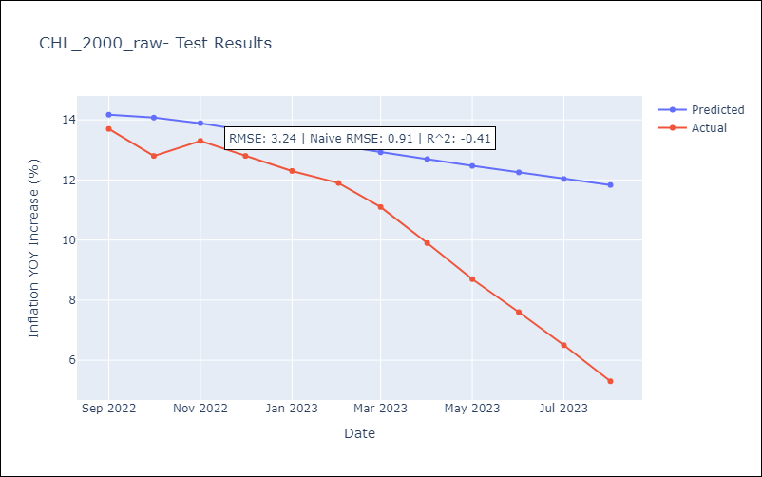

Appendix A: Model Summary
Model | ARIMA(2, 0, 1)x(0, 0, 1, 12)
Sample | 01-01-1990- 08-01-2023
No. of Observations | 404
Terms | P-value (Statistical significance)
const | 0.000
ar.L1 | 0.000
ar.L2 | 0.000
ma.L1 | 0.000
ma.S.L12 | 0.560
sigma2 | 0.772
Assumptions | P-value | Interpretation
Ljung-Box (L1) | 0.56 | Residuals are independent.
Heteroskedasticity | 0.00 | Residuals have different variances.
Jarque-Bera | 0.00 | Residuals are not normally distributed.
Skew | -0.41 | Negative skew - Model overestimates the mean.
Kurtosis | 7.03 | Residuals contain more extreme outliers than in a normal distribution.

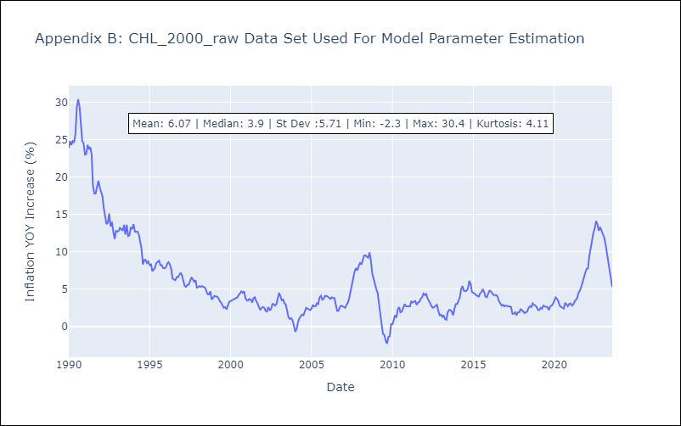

Appendix C: Residuals Analysis
Mean | -0.0
Variance | 1.59
White Noise? | No - Correlation at Lags [ 1 2 3 4 5 6 7 8 9 10 11 12]
Heteroskedastic? - ARCH | Yes
Normal? | No

