bol_raw
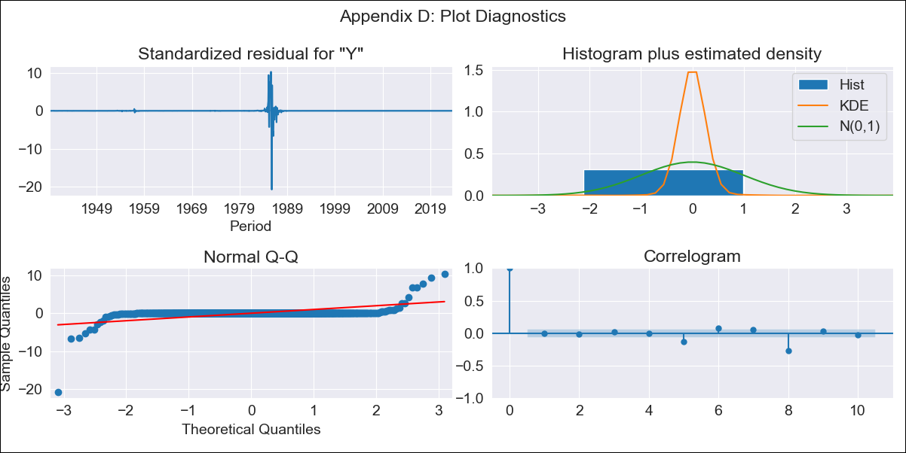
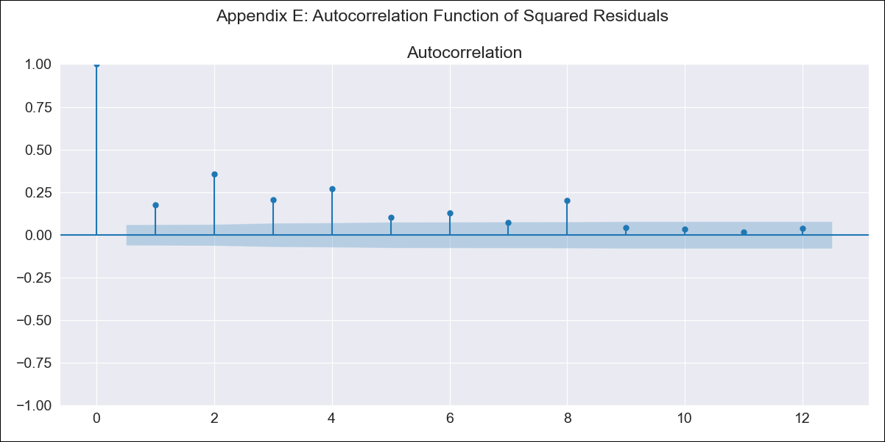
bol_raw - Inflation - Next 12 months forecast as of: 2023-08-01

Model | ARIMA - [(3, 1, 1), (0, 0, 1, 12)]
Training Data | 1938-01-01 to 2022-09-01
Test Data | 2022-09-01 to 2023-08-01

Date | Inflation Change YoY % | Lower Bound - 95% Confidence Interval | Upper Bound - 95% Confidence Interval
2023-09-01 | 3.18 | -822.44 | 828.81
2023-10-01 | 3.08 | -1496.01 | 1502.17
2023-11-01 | 2.97 | -2007.77 | 2013.72
2023-12-01 | 2.93 | -2319.3 | 2325.16
2024-01-01 | 2.91 | -2544.88 | 2550.7
2024-02-01 | 3.01 | -2735.63 | 2741.64
2024-03-01 | 3.02 | -2926.41 | 2932.46
2024-04-01 | 3 | -3115.07 | 3121.07
2024-05-01 | 2.96 | -3298.12 | 3304.04
2024-06-01 | 2.98 | -3469.54 | 3475.49
2024-07-01 | 2.97 | -3631.01 | 3636.95
2024-08-01 | 2.93 | -3784.22 | 3790.09

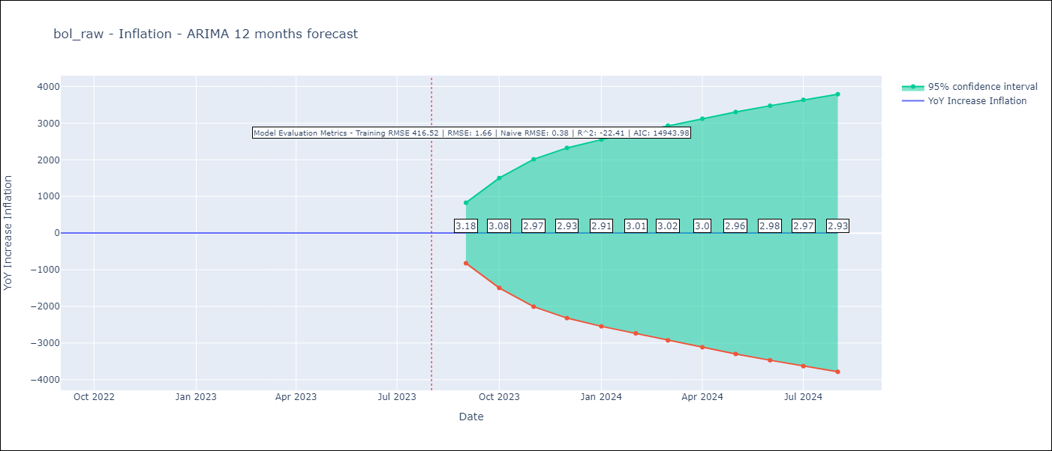

Test Metrics
RMSE | 1.66
Naive RMSE | 0.38
R^2 | -22.41

Test Predictions
Date | Predicted | Actual
2022-09-01 | 1.14 | 1.89
2022-10-01 | 1.09 | 2.89
2022-11-01 | 1.15 | 3.17
2022-12-01 | 1.2 | 3.12
2023-01-01 | 1.26 | 3.14
2023-02-01 | 1.24 | 2.57
2023-03-01 | 1.22 | 2.53
2023-04-01 | 1.2 | 2.7
2023-05-01 | 1.13 | 2.9
2023-06-01 | 1.08 | 2.73
2023-07-01 | 1.05 | 2.7
2023-08-01 | 1.12 | 3.06

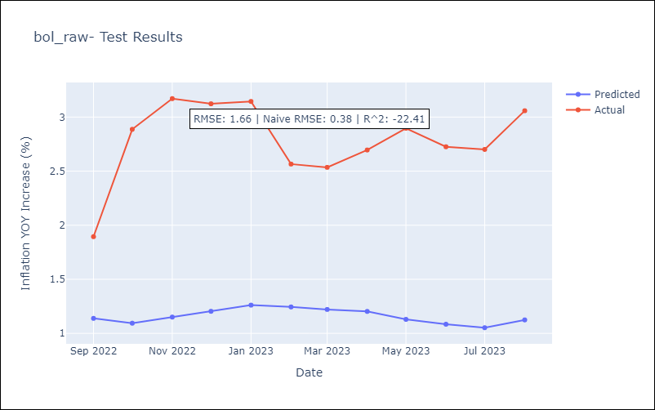

Appendix A: Model Summary
Model | ARIMA(3, 1, 1)x(0, 0, 1, 12)
Sample | 01-01-1938- 08-01-2023
No. of Observations | 1028
Terms | P-value (Statistical significance)
ar.L1 | 0.102
ar.L2 | 0.000
ar.L3 | 0.000
ma.L1 | 0.000
ma.S.L12 | 0.000
sigma2 | 0.000
Assumptions | P-value | Interpretation
Ljung-Box (L1) | 0.87 | Residuals are independent.
Heteroskedasticity | 0.00 | Residuals have different variances.
Jarque-Bera | 0.00 | Residuals are not normally distributed.
Skew | -6.88 | Negative skew - Model overestimates the mean.
Kurtosis | 226.32 | Residuals contain more extreme outliers than in a normal distribution.

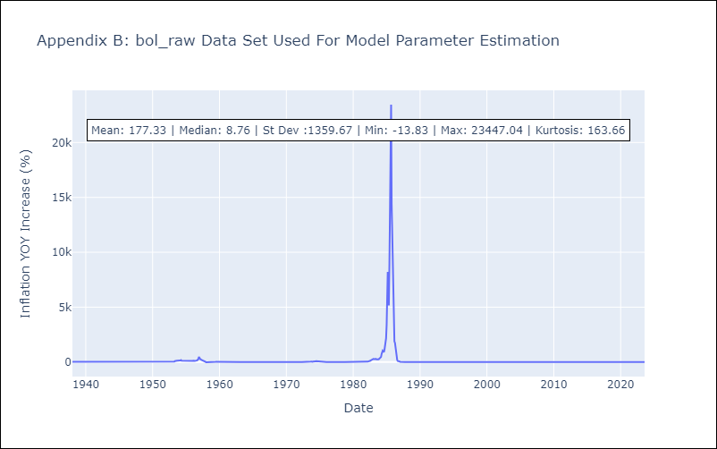

Appendix C: Residuals Analysis
Mean | 0.01
Variance | 171633.25
White Noise? | No - Correlation at Lags [ 5 6 7 8 9 10 11 12]
Heteroskedastic? - ARCH | Yes
Normal? | No

