bol_transformed
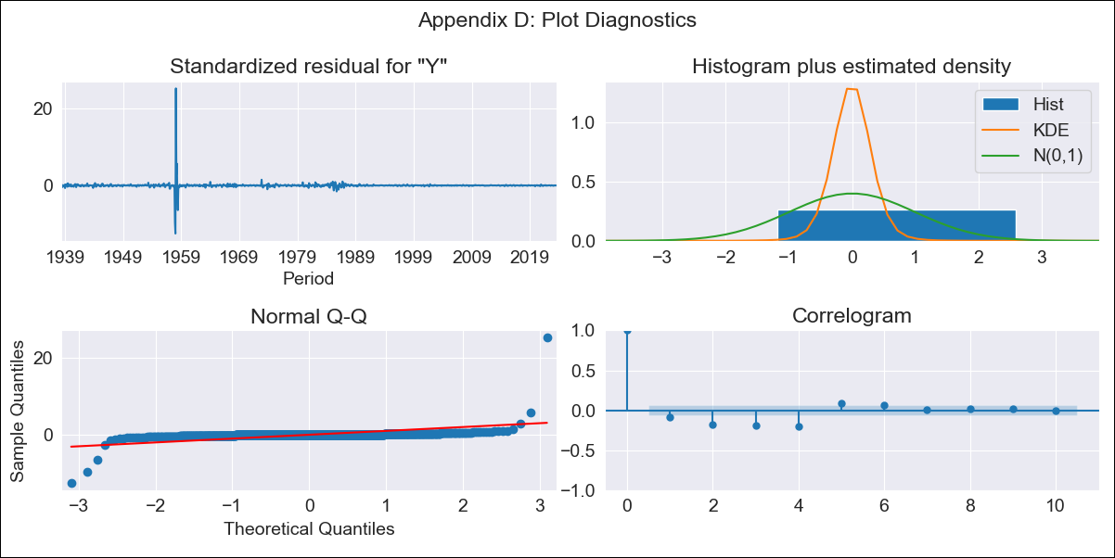
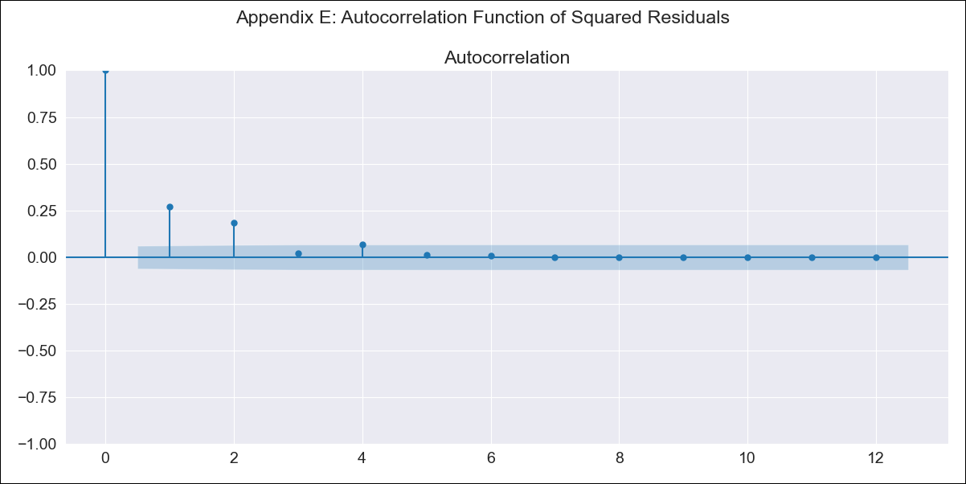
bol_transformed - Inflation - Next 12 months forecast as of: 2023-08-01

Model | ARIMA - [(3, 2, 0), (0, 0, 0, 12)]
Training Data | 1938-01-01 to 2022-09-01
Test Data | 2022-09-01 to 2023-08-01

Date | Inflation Change YoY % | Lower Bound - 95% Confidence Interval | Upper Bound - 95% Confidence Interval
2023-09-01 | 3.1 | -9.19 | 46.4
2023-10-01 | 3.11 | -11.47 | 101.01
2023-11-01 | 3.24 | -12.61 | 201.06
2023-12-01 | 3.4 | -13.32 | 471.01
2024-01-01 | 3.46 | -13.66 | 1260.55
2024-02-01 | 3.55 | -13.77 | 3249.79
2024-03-01 | 3.67 | -13.81 | 8753.69
2024-04-01 | 3.78 | -13.82 | 25423.5
2024-05-01 | 3.87 | -13.83 | 76508.81
2024-06-01 | 3.97 | -13.83 | 234243.55
2024-07-01 | 4.08 | -13.83 | 742969.51
2024-08-01 | 4.19 | -13.83 | 2430060.3

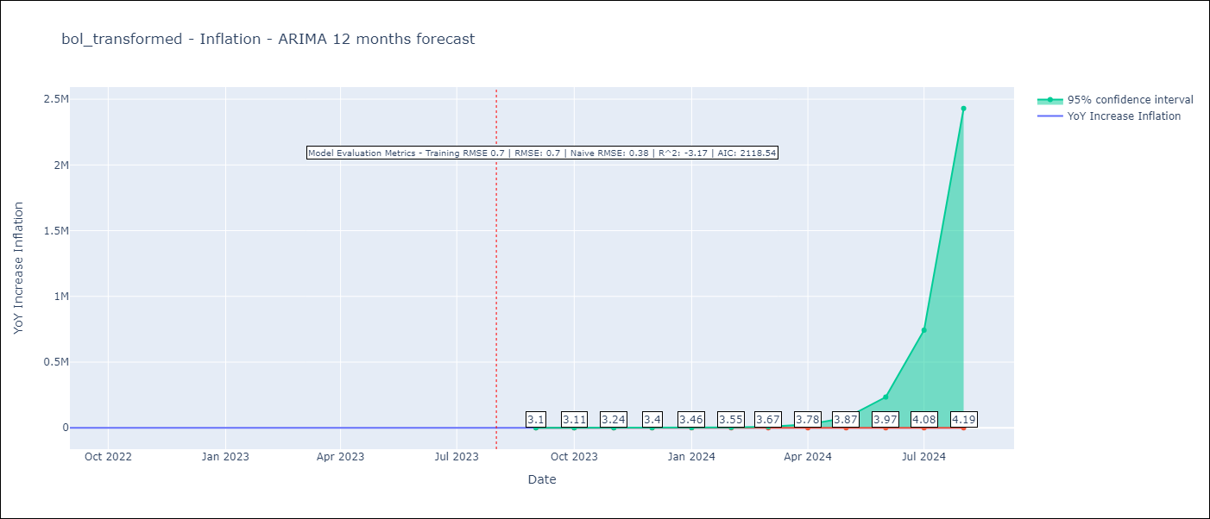

Test Metrics
RMSE | 0.7
Naive RMSE | 0.38
R^2 | -3.17

Test Predictions
Date | Predicted | Actual
2022-09-01 | 1.84 | 1.89
2022-10-01 | 2.01 | 2.89
2022-11-01 | 1.98 | 3.17
2022-12-01 | 1.96 | 3.12
2023-01-01 | 2.11 | 3.14
2023-02-01 | 2.17 | 2.57
2023-03-01 | 2.19 | 2.53
2023-04-01 | 2.25 | 2.7
2023-05-01 | 2.33 | 2.9
2023-06-01 | 2.38 | 2.73
2023-07-01 | 2.43 | 2.7
2023-08-01 | 2.5 | 3.06

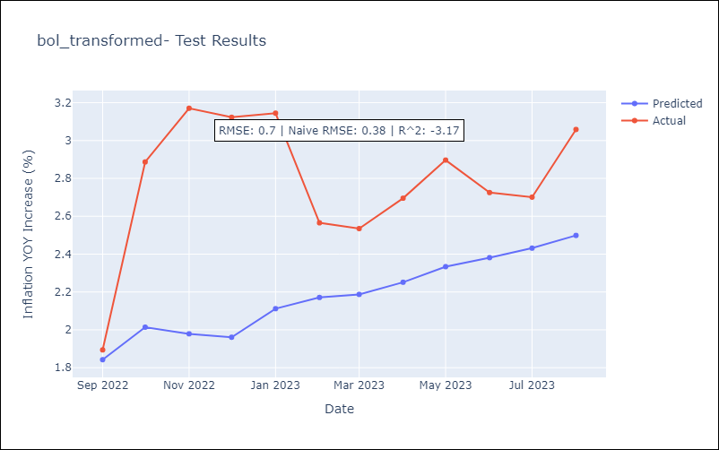

Appendix A: Model Summary
Model | ARIMA(3, 2, 0)
Sample | 01-01-1938- 08-01-2023
No. of Observations | 1028
Terms | P-value (Statistical significance)
ar.L1 | 0.000
ar.L2 | 0.000
ar.L3 | 0.000
sigma2 | 0.000
Assumptions | P-value | Interpretation
Ljung-Box (L1) | 0.01 | Residuals are not independent.
Heteroskedasticity | 0.00 | Residuals have different variances.
Jarque-Bera | 0.00 | Residuals are not normally distributed.
Skew | 12.84 | Positive skew - model underestimates the mean.
Kurtosis | 431.79 | Residuals contain more extreme outliers than in a normal distribution.

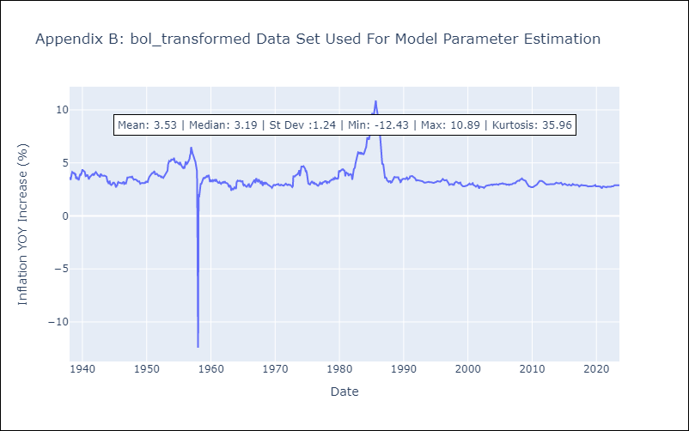

Appendix C: Residuals Analysis
Mean | 0.0
Variance | 0.48
White Noise? | No - Correlation at Lags [ 1 2 3 4 5 6 7 8 9 10 11 12]
Heteroskedastic? - ARCH | Yes
Normal? | No

