bol_raw_1990
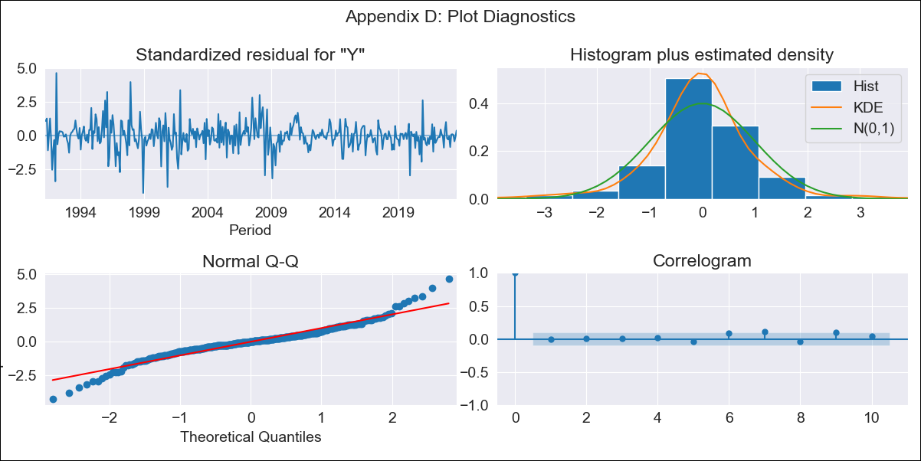

bol_raw_1990 - Inflation - Next 12 months forecast as of: 2023-08-01

Model | ARIMA - [(2, 0, 1), (0, 0, 1, 12)]
Training Data | 1990-01-01 to 2022-09-01
Test Data | 2022-09-01 to 2023-08-01

Date | Inflation Change YoY % | Lower Bound - 95% Confidence Interval | Upper Bound - 95% Confidence Interval
2023-09-01 | 3.27 | 1.75 | 4.8
2023-10-01 | 3.45 | 0.96 | 5.95
2023-11-01 | 3.58 | 0.34 | 6.82
2023-12-01 | 3.69 | -0.13 | 7.51
2024-01-01 | 3.79 | -0.49 | 8.07
2024-02-01 | 3.87 | -0.78 | 8.51
2024-03-01 | 3.95 | -1 | 8.9
2024-04-01 | 4.04 | -1.17 | 9.24
2024-05-01 | 4.12 | -1.31 | 9.54
2024-06-01 | 4.18 | -1.42 | 9.78
2024-07-01 | 4.25 | -1.51 | 10
2024-08-01 | 4.32 | -1.57 | 10.21

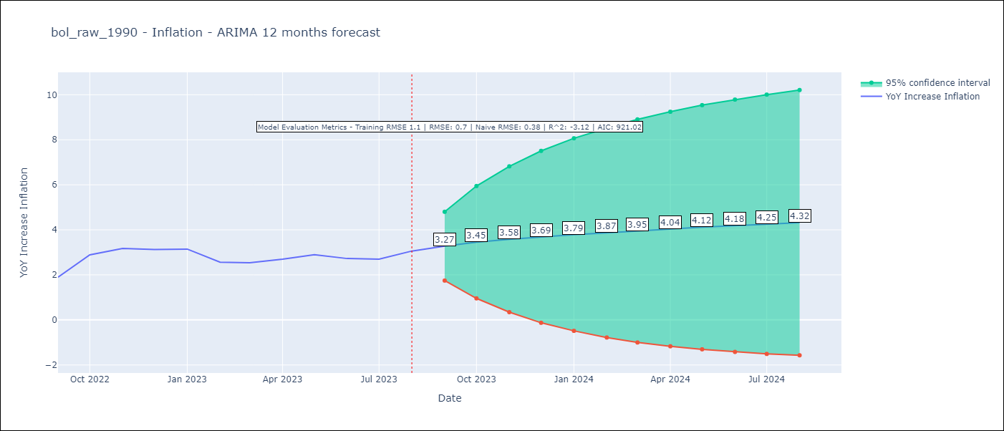

Test Metrics
RMSE | 0.7
Naive RMSE | 0.38
R^2 | -3.12

Test Predictions
Date | Predicted | Actual
2022-09-01 | 1.59 | 1.89
2022-10-01 | 1.69 | 2.89
2022-11-01 | 1.88 | 3.17
2022-12-01 | 2.07 | 3.12
2023-01-01 | 2.25 | 3.14
2023-02-01 | 2.44 | 2.57
2023-03-01 | 2.62 | 2.53
2023-04-01 | 2.8 | 2.7
2023-05-01 | 2.98 | 2.9
2023-06-01 | 3.15 | 2.73
2023-07-01 | 3.3 | 2.7
2023-08-01 | 3.42 | 3.06

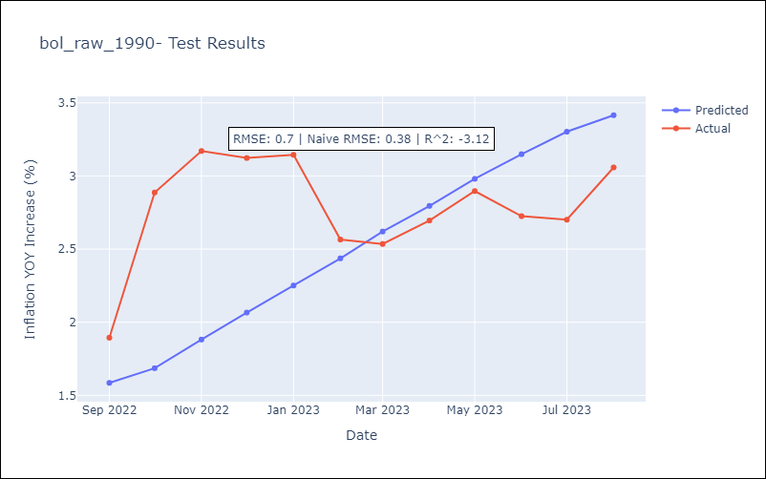

Appendix A: Model Summary
Model | ARIMA(2, 0, 1)x(0, 0, 1, 12)
Sample | 01-01-1990- 08-01-2023
No. of Observations | 404
Terms | P-value (Statistical significance)
const | 0.000
ar.L1 | 0.000
ar.L2 | 0.000
ma.L1 | 0.733
ma.S.L12 | 0.486
sigma2 | 0.730
Assumptions | P-value | Interpretation
Ljung-Box (L1) | 0.97 | Residuals are independent.
Heteroskedasticity | 0.00 | Residuals have different variances.
Jarque-Bera | 0.00 | Residuals are not normally distributed.
Skew | 0.04 | Positive skew - model underestimates the mean.
Kurtosis | 6.52 | Residuals contain more extreme outliers than in a normal distribution.

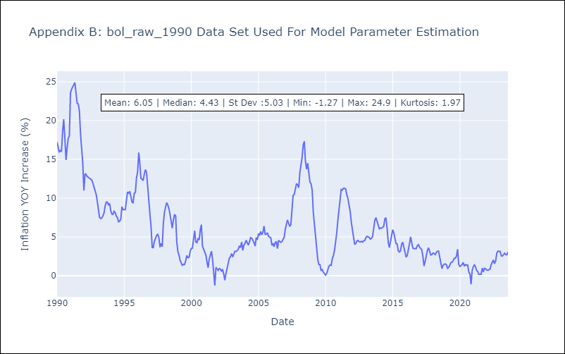

Appendix C: Residuals Analysis
Mean | 0.02
Variance | 1.17
White Noise? | No - Correlation at Lags [ 1 2 6 7 8 9 10 11 12]
Heteroskedastic? - ARCH | Yes
Normal? | No

