bol_lt_1990
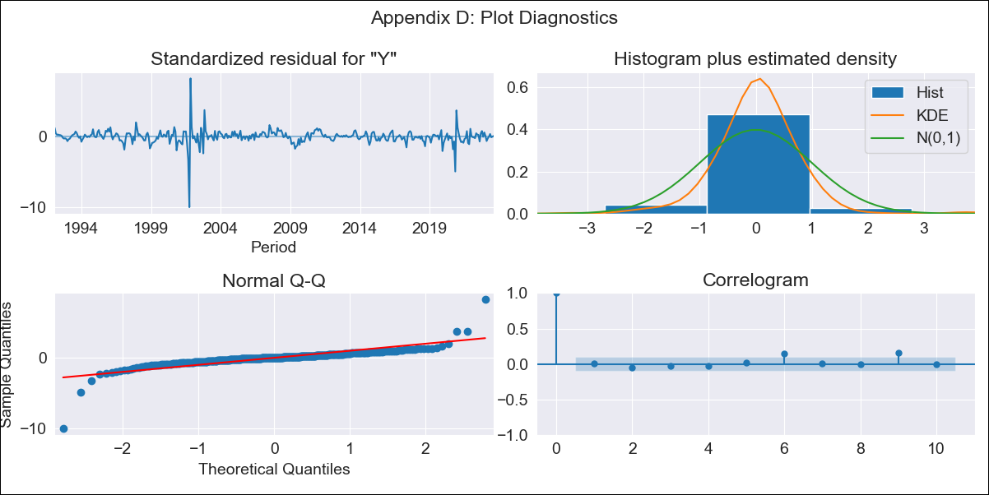
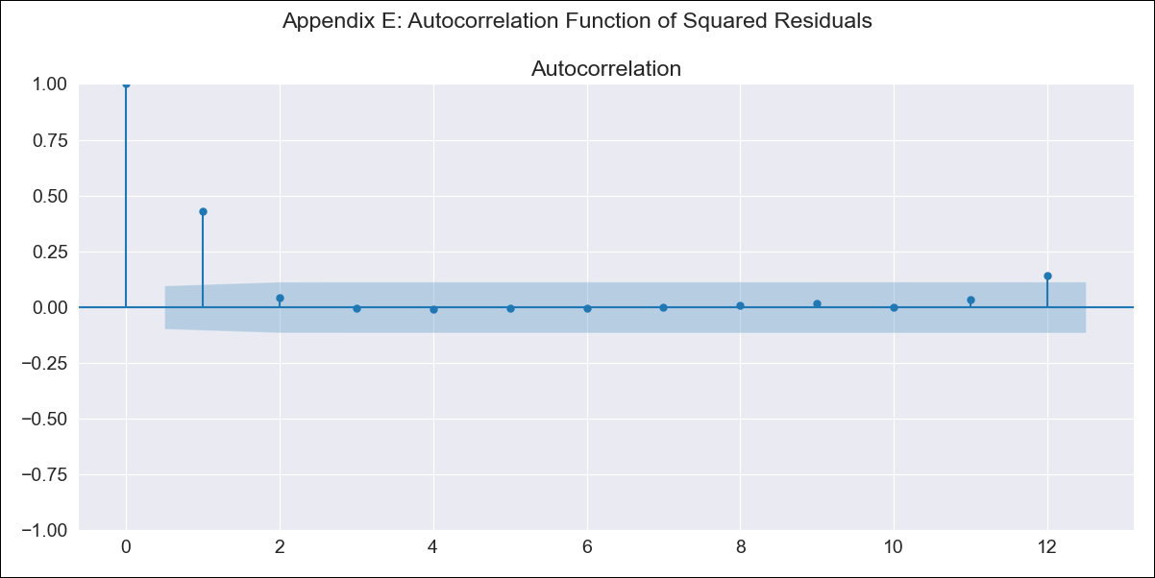
bol_lt_1990 - Inflation - Next 12 months forecast as of: 2023-08-01

Model | ARIMA - [(1, 0, 1), (2, 0, 0, 12)]
Training Data | 1990-01-01 to 2022-09-01
Test Data | 2022-09-01 to 2023-08-01

Date | Inflation Change YoY % | Lower Bound - 95% Confidence Interval | Upper Bound - 95% Confidence Interval
2023-09-01 | 2.76 | 1.18 | 4.92
2023-10-01 | 2.57 | 0.74 | 5.31
2023-11-01 | 2.44 | 0.43 | 5.66
2023-12-01 | 2.51 | 0.3 | 6.24
2024-01-01 | 2.58 | 0.2 | 6.78
2024-02-01 | 2.82 | 0.2 | 7.58
2024-03-01 | 2.86 | 0.12 | 8.02
2024-04-01 | 2.83 | 0.02 | 8.31
2024-05-01 | 2.7 | -0.11 | 8.39
2024-06-01 | 2.74 | -0.17 | 8.74
2024-07-01 | 2.75 | -0.22 | 9.03
2024-08-01 | 2.75 | -0.27 | 9.28

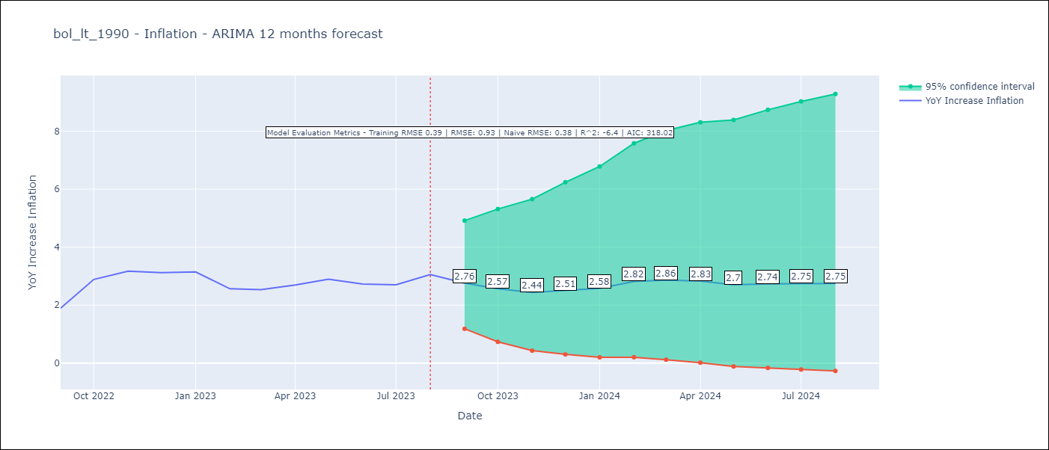

Test Metrics
RMSE | 0.93
Naive RMSE | 0.38
R^2 | -6.4

Test Predictions
Date | Predicted | Actual
2022-09-01 | 1.52 | 1.89
2022-10-01 | 1.85 | 2.89
2022-11-01 | 2.27 | 3.17
2022-12-01 | 1.73 | 3.12
2023-01-01 | 1.78 | 3.14
2023-02-01 | 1.84 | 2.57
2023-03-01 | 1.91 | 2.53
2023-04-01 | 2.02 | 2.7
2023-05-01 | 1.89 | 2.9
2023-06-01 | 1.9 | 2.73
2023-07-01 | 1.88 | 2.7
2023-08-01 | 2.12 | 3.06

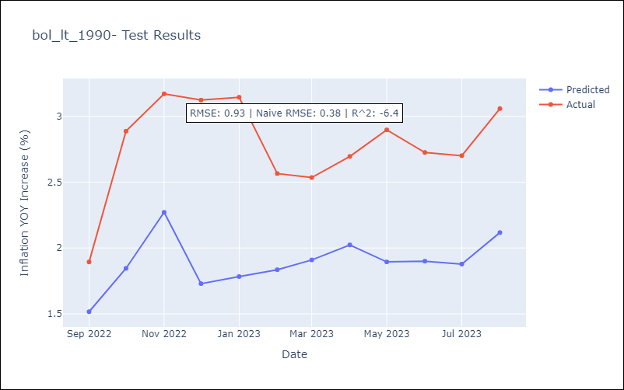

Appendix A: Model Summary
Model | ARIMA(1, 0, 1)x(2, 0, [], 12)
Sample | 01-01-1990- 08-01-2023
No. of Observations | 404
Terms | P-value (Statistical significance)
const | 0.000
ar.L1 | 0.000
ma.L1 | 0.000
ar.S.L12 | 0.000
ar.S.L24 | 0.112
sigma2 | 0.000
Assumptions | P-value | Interpretation
Ljung-Box (L1) | 0.83 | Residuals are independent.
Heteroskedasticity | 0.00 | Residuals have different variances.
Jarque-Bera | 0.00 | Residuals are not normally distributed.
Skew | -1.39 | Negative skew - Model overestimates the mean.
Kurtosis | 42.59 | Residuals contain more extreme outliers than in a normal distribution.

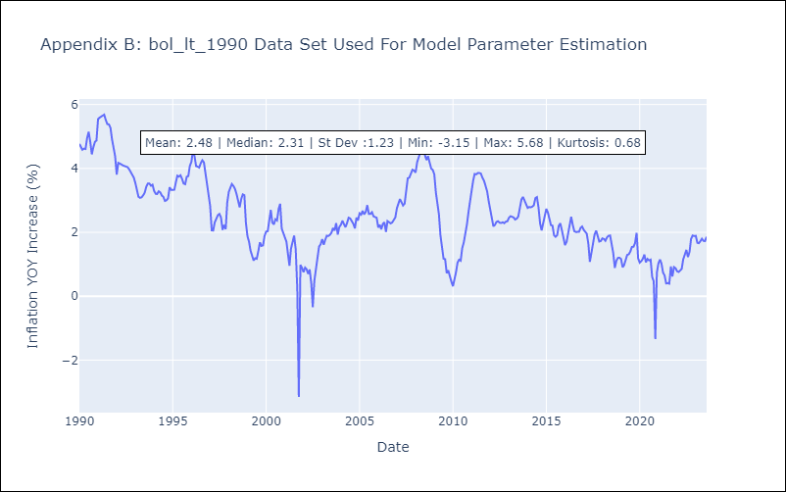

Appendix C: Residuals Analysis
Mean | 0.01
Variance | 0.15
White Noise? | No - Correlation at Lags [9]
Heteroskedastic? - ARCH | Yes
Normal? | No

