bol_lt_1995
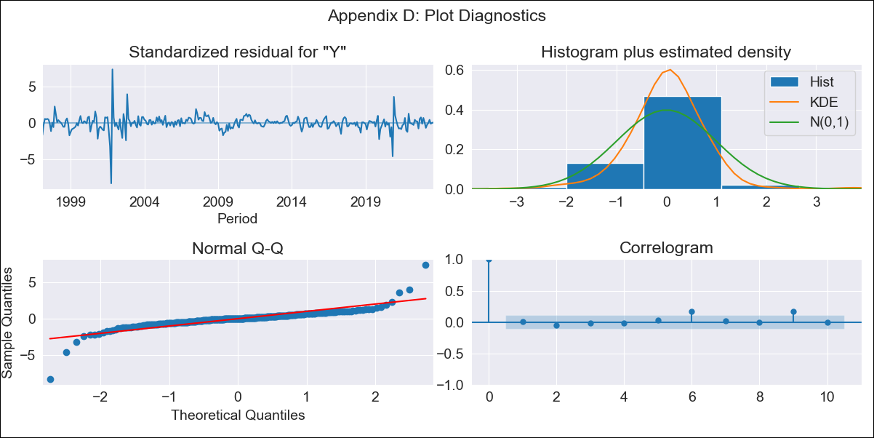

bol_lt_1995 - Inflation - Next 12 months forecast as of: 2023-08-01

Model | ARIMA - [(1, 0, 1), (2, 0, 0, 12)]
Training Data | 1995-01-01 to 2022-09-01
Test Data | 2022-09-01 to 2023-08-01

Date | Inflation Change YoY % | Lower Bound - 95% Confidence Interval | Upper Bound - 95% Confidence Interval
2023-09-01 | 2.71 | 1.21 | 4.68
2023-10-01 | 2.48 | 0.7 | 5.03
2023-11-01 | 2.32 | 0.36 | 5.31
2023-12-01 | 2.39 | 0.23 | 5.87
2024-01-01 | 2.47 | 0.13 | 6.38
2024-02-01 | 2.74 | 0.15 | 7.17
2024-03-01 | 2.78 | 0.07 | 7.56
2024-04-01 | 2.73 | -0.04 | 7.79
2024-05-01 | 2.57 | -0.19 | 7.79
2024-06-01 | 2.6 | -0.24 | 8.1
2024-07-01 | 2.61 | -0.3 | 8.33
2024-08-01 | 2.6 | -0.35 | 8.53

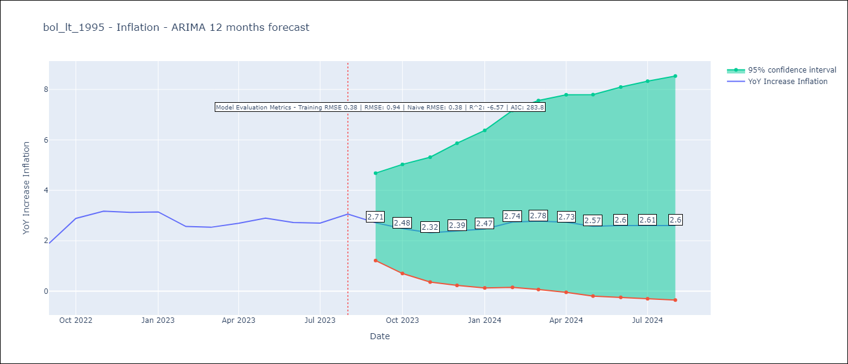

Test Metrics
RMSE | 0.94
Naive RMSE | 0.38
R^2 | -6.57

Test Predictions
Date | Predicted | Actual
2022-09-01 | 1.48 | 1.89
2022-10-01 | 1.86 | 2.89
2022-11-01 | 2.33 | 3.17
2022-12-01 | 1.71 | 3.12
2023-01-01 | 1.76 | 3.14
2023-02-01 | 1.81 | 2.57
2023-03-01 | 1.9 | 2.53
2023-04-01 | 2.03 | 2.7
2023-05-01 | 1.87 | 2.9
2023-06-01 | 1.87 | 2.73
2023-07-01 | 1.84 | 2.7
2023-08-01 | 2.11 | 3.06

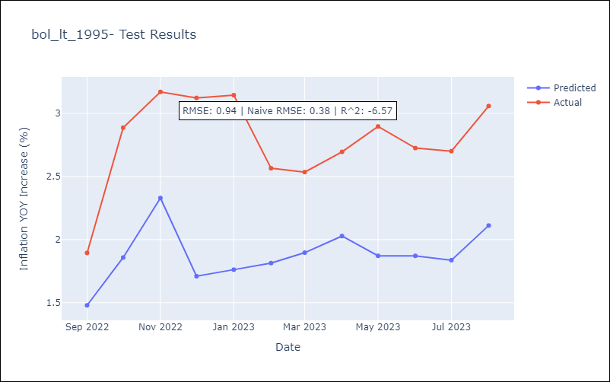

Appendix A: Model Summary
Model | ARIMA(1, 0, 1)x(2, 0, [], 12)
Sample | 01-01-1995- 08-01-2023
No. of Observations | 344
Terms | P-value (Statistical significance)
const | 0.000
ar.L1 | 0.000
ma.L1 | 0.000
ar.S.L12 | 0.000
ar.S.L24 | 0.048
sigma2 | 0.000
Assumptions | P-value | Interpretation
Ljung-Box (L1) | 0.88 | Residuals are independent.
Heteroskedasticity | 0.00 | Residuals have different variances.
Jarque-Bera | 0.00 | Residuals are not normally distributed.
Skew | -0.69 | Negative skew - Model overestimates the mean.
Kurtosis | 27.22 | Residuals contain more extreme outliers than in a normal distribution.

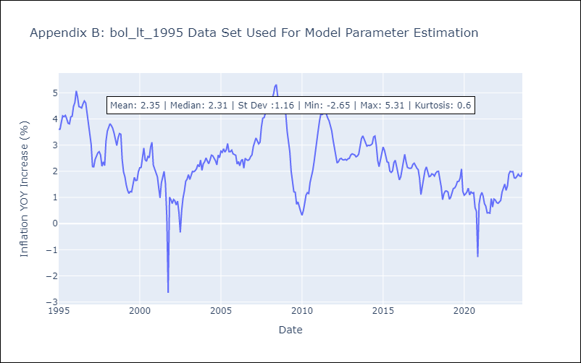

Appendix C: Residuals Analysis
Mean | 0.01
Variance | 0.14
White Noise? | No - Correlation at Lags [ 9 10 11 12]
Heteroskedastic? - ARCH | Yes
Normal? | No

