bol_2005
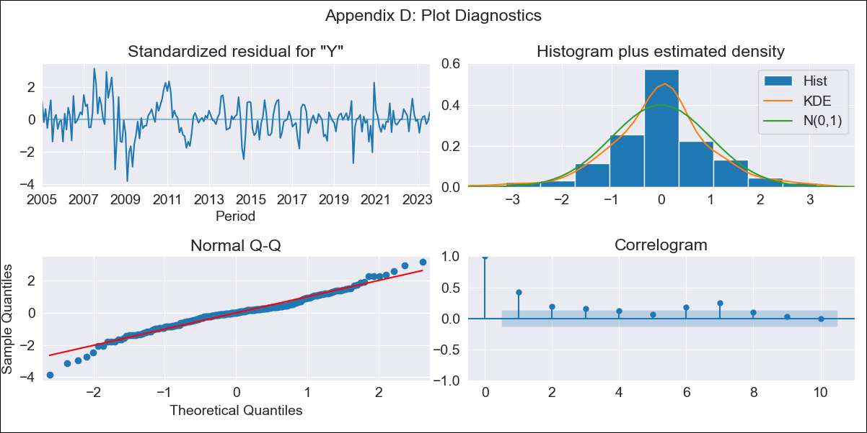
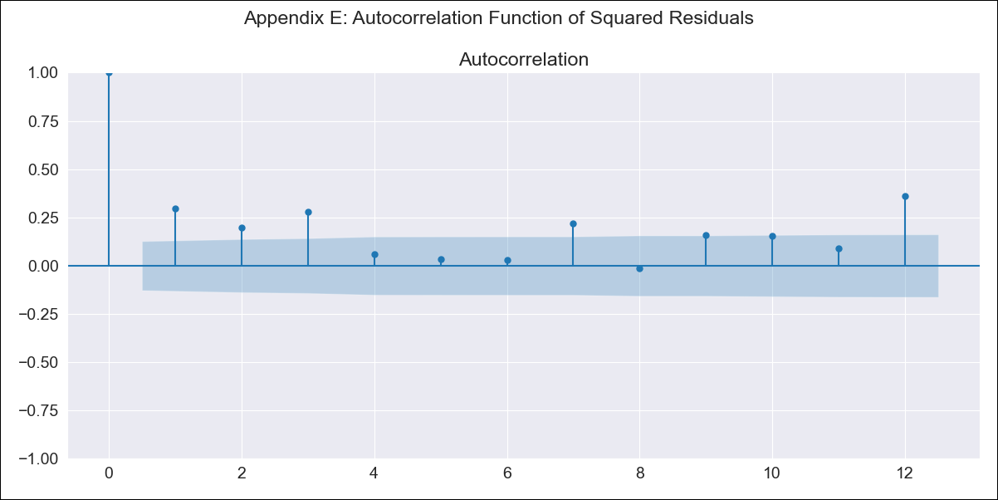
bol_2005 - Inflation - Next 12 months forecast as of: 2023-08-01

Model | ARIMA - [(1, 0, 0), (0, 0, 1, 12)]
Training Data | 2003-12-01 to 2022-09-01
Test Data | 2022-09-01 to 2023-08-01

Date | Inflation Change YoY % | Lower Bound - 95% Confidence Interval | Upper Bound - 95% Confidence Interval
2023-09-01 | 3.09 | 1.68 | 4.51
2023-10-01 | 3.14 | 1.16 | 5.12
2023-11-01 | 3.17 | 0.77 | 5.57
2023-12-01 | 3.2 | 0.47 | 5.94
2024-01-01 | 3.23 | 0.21 | 6.26
2024-02-01 | 3.25 | -0.02 | 6.53
2024-03-01 | 3.28 | -0.21 | 6.78
2024-04-01 | 3.31 | -0.38 | 7.01
2024-05-01 | 3.34 | -0.53 | 7.22
2024-06-01 | 3.37 | -0.67 | 7.41
2024-07-01 | 3.39 | -0.8 | 7.58
2024-08-01 | 3.42 | -0.91 | 7.75

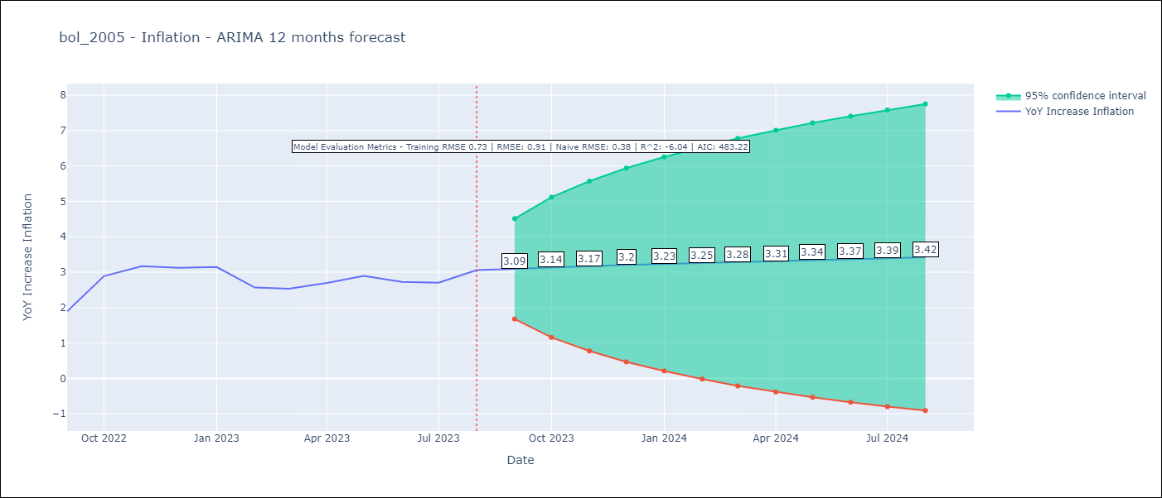

Test Metrics
RMSE | 0.91
Naive RMSE | 0.38
R^2 | -6.04

Test Predictions
Date | Predicted | Actual
2022-09-01 | 1.62 | 1.89
2022-10-01 | 1.68 | 2.89
2022-11-01 | 1.75 | 3.17
2022-12-01 | 1.81 | 3.12
2023-01-01 | 1.86 | 3.14
2023-02-01 | 1.92 | 2.57
2023-03-01 | 1.98 | 2.53
2023-04-01 | 2.04 | 2.7
2023-05-01 | 2.1 | 2.9
2023-06-01 | 2.15 | 2.73
2023-07-01 | 2.21 | 2.7
2023-08-01 | 2.25 | 3.06

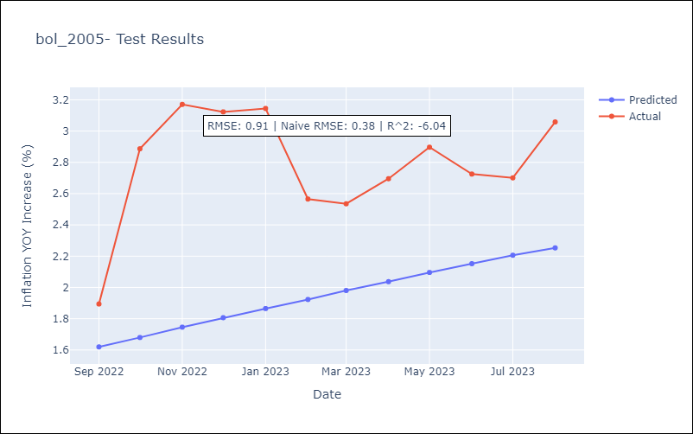

Appendix A: Model Summary
Model | ARIMA(1, 0, 0)x(0, 0, [1], 12)
Sample | 12-01-2003- 08-01-2023
No. of Observations | 237
Terms | P-value (Statistical significance)
const | 0.055
ar.L1 | 0.000
ma.S.L12 | 0.000
sigma2 | 0.000
Assumptions | P-value | Interpretation
Ljung-Box (L1) | 0.00 | Residuals are not independent.
Heteroskedasticity | 0.00 | Residuals have different variances.
Jarque-Bera | 0.00 | Residuals are not normally distributed.
Skew | -0.16 | Negative skew - Model overestimates the mean.
Kurtosis | 4.61 | Residuals contain more extreme outliers than in a normal distribution.

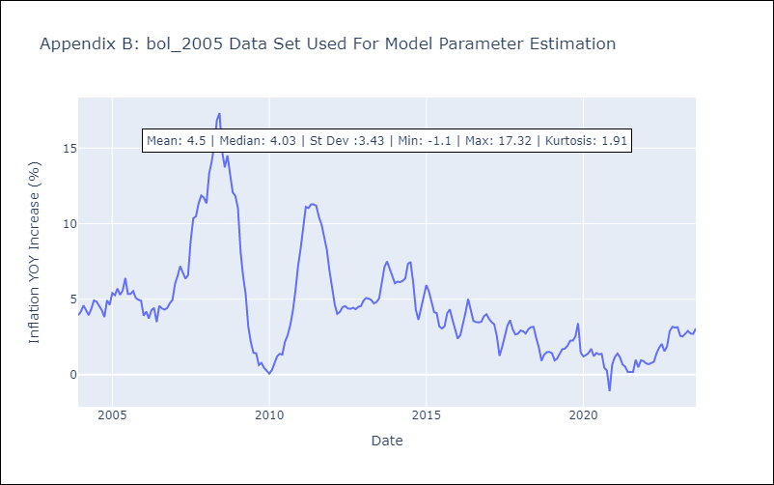

Appendix C: Residuals Analysis
Mean | -0.0
Variance | 0.51
White Noise? | No - Correlation at Lags [ 1 2 3 4 5 6 7 8 9 10 11 12]
Heteroskedastic? - ARCH | Yes
Normal? | No

