bol_2005_lt
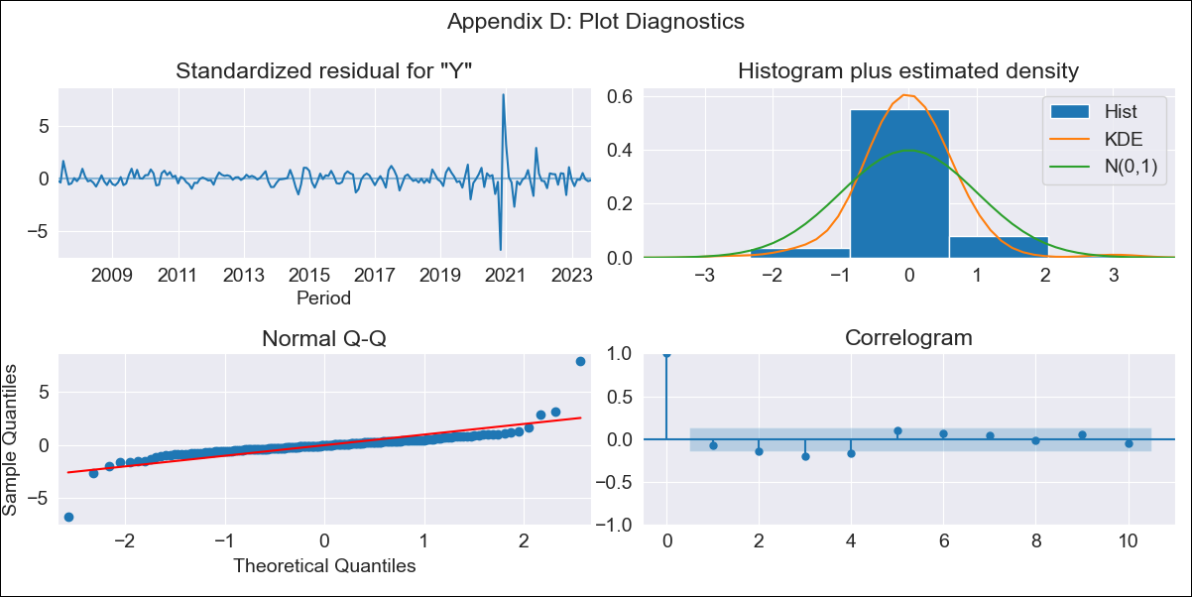

bol_2005_lt - Inflation - Next 12 months forecast as of: 2023-08-01

Model | ARIMA - [(3, 2, 0), (3, 0, 1, 12)]
Training Data | 2003-12-01 to 2022-09-01
Test Data | 2022-09-01 to 2023-08-01

Date | Inflation Change YoY % | Lower Bound - 95% Confidence Interval | Upper Bound - 95% Confidence Interval
2023-09-01 | 3.05 | 1.38 | 5.28
2023-10-01 | 2.79 | 0.64 | 6.12
2023-11-01 | 4.11 | 0.74 | 9.9
2023-12-01 | 2.11 | -0.62 | 8.55
2024-01-01 | 1.96 | -0.94 | 11
2024-02-01 | 2.15 | -1.06 | 14.7
2024-03-01 | 2.2 | -1.1 | 18.96
2024-04-01 | 2.3 |  | 24.37
2024-05-01 | 2.03 |  | 29.51
2024-06-01 | 2.09 |  | 37.03
2024-07-01 | 1.92 |  | 44.78
2024-08-01 | 1.82 |  | 54.34

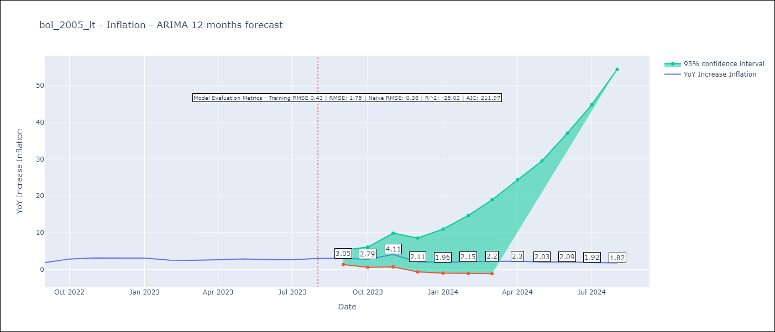

Test Metrics
RMSE | 1.75
Naive RMSE | 0.38
R^2 | -25.02

Test Predictions
Date | Predicted | Actual
2022-09-01 | 1.72 | 1.89
2022-10-01 | 2.5 | 2.89
2022-11-01 | 8.66 | 3.17
2022-12-01 | 2.77 | 3.12
2023-01-01 | 2.81 | 3.14
2023-02-01 | 2.64 | 2.57
2023-03-01 | 2.91 | 2.53
2023-04-01 | 3.26 | 2.7
2023-05-01 | 3.16 | 2.9
2023-06-01 | 3.58 | 2.73
2023-07-01 | 3.93 | 2.7
2023-08-01 | 4.93 | 3.06

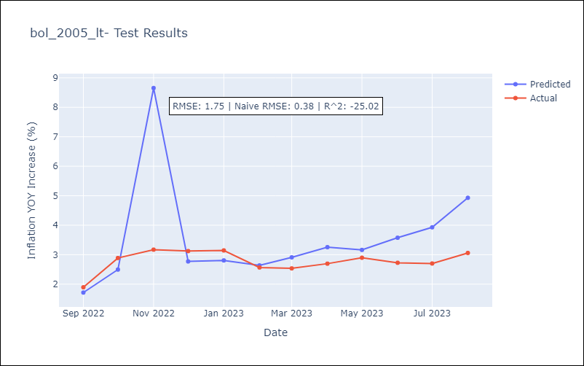

Appendix A: Model Summary
Model | ARIMA(3, 2, 0)x(3, 0, [1], 12)
Sample | 12-01-2003- 08-01-2023
No. of Observations | 237
Terms | P-value (Statistical significance)
ar.L1 | 0.000
ar.L2 | 0.000
ar.L3 | 0.000
ar.S.L12 | 0.002
ar.S.L24 | 0.000
ar.S.L36 | 0.032
ma.S.L12 | 0.086
sigma2 | 0.000
Assumptions | P-value | Interpretation
Ljung-Box (L1) | 0.26 | Residuals are independent.
Heteroskedasticity | 0.00 | Residuals have different variances.
Jarque-Bera | 0.00 | Residuals are not normally distributed.
Skew | 1.09 | Positive skew - model underestimates the mean.
Kurtosis | 32.02 | Residuals contain more extreme outliers than in a normal distribution.

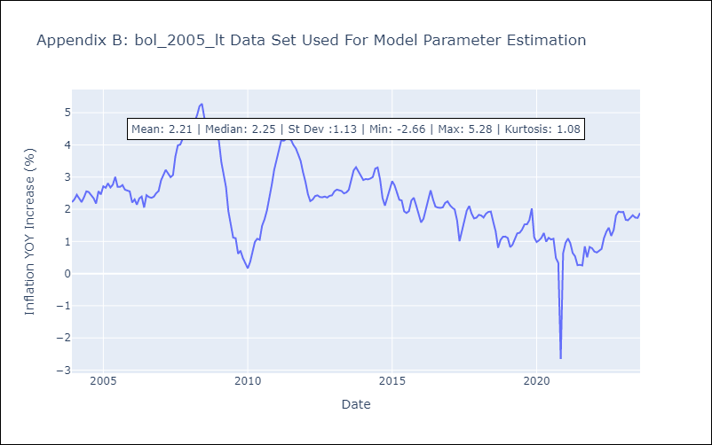

Appendix C: Residuals Analysis
Mean | -0.0
Variance | 0.18
White Noise? | No - Correlation at Lags [ 2 3 4 5 6 7 8 9 10 11 12]
Heteroskedastic? - ARCH | Yes
Normal? | No

