oldbol
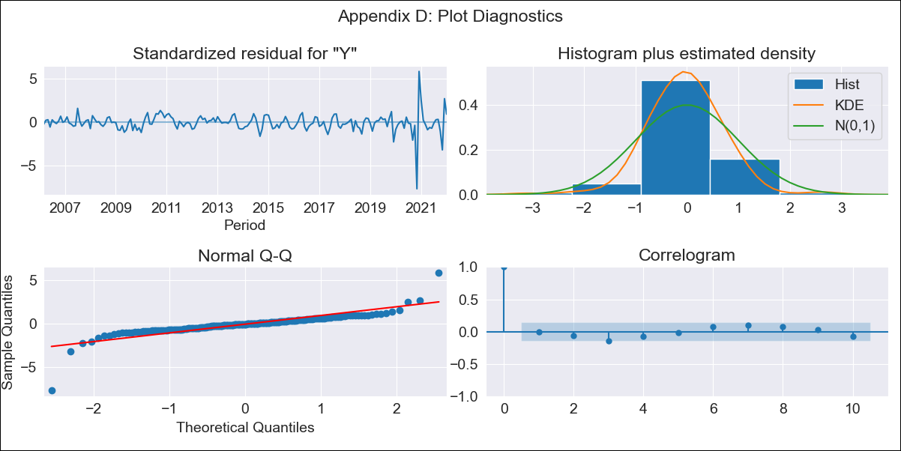

oldbol - Inflation - Next 12 months forecast as of: 2022-01-01

Model | SARIMAX - [(1, 2, 1), (2, 0, 0, 12)] | Exogenous Variables | Exchange rates (nominal), Monetary Policiy rate, M1 money supply ($mm local currency)
Training Data | 2003-12-01 to 2021-02-01
Test Data | 2021-02-01 to 2022-01-01

Date | Inflation Change YoY % | Lower Bound - 95% Confidence Interval | Upper Bound - 95% Confidence Interval
2022-02-01 | 0.58 | -0.19 | 1.66
2022-03-01 | 0.57 | -0.35 | 1.97
2022-04-01 | 0.7 | -0.41 | 2.5
2022-05-01 | 0.94 | -0.38 | 3.19
2022-06-01 | 1.12 | -0.39 | 3.79
2022-07-01 | 1.09 | -0.5 | 4.03
2022-08-01 | 1.03 | -0.6 | 4.22
2022-09-01 | 0.85 | -0.73 | 4.18
2022-10-01 | 1.18 | -0.66 | 5.05
2022-11-01 | 3.12 | 0.07 | 8.74
2022-12-01 | 0.73 | -0.89 | 4.71
2023-01-01 | 0.65 | -0.94 | 4.8

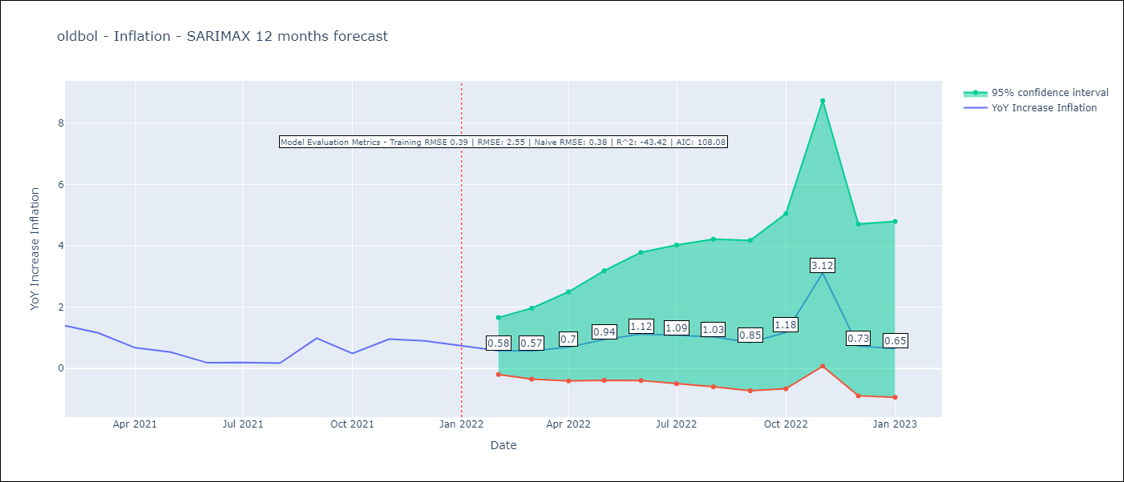

Test Metrics
RMSE | 2.55
Naive RMSE | 0.38
R^2 | -43.42

Test Predictions
Date | Predicted | Actual
2021-02-01 | 1.27 | 1.4
2021-03-01 | 1.2 | 1.16
2021-04-01 | 0.91 | 0.68
2021-05-01 | 1.05 | 0.54
2021-06-01 | 0.82 | 0.19
2021-07-01 | 0.78 | 0.2
2021-08-01 | 0.57 | 0.18
2021-09-01 | 1.49 | 0.99
2021-10-01 | 1.55 | 0.49
2021-11-01 | 9.61 | 0.96
2021-12-01 | 1.53 | 0.9
2022-01-01 | 1.09 | 0.74

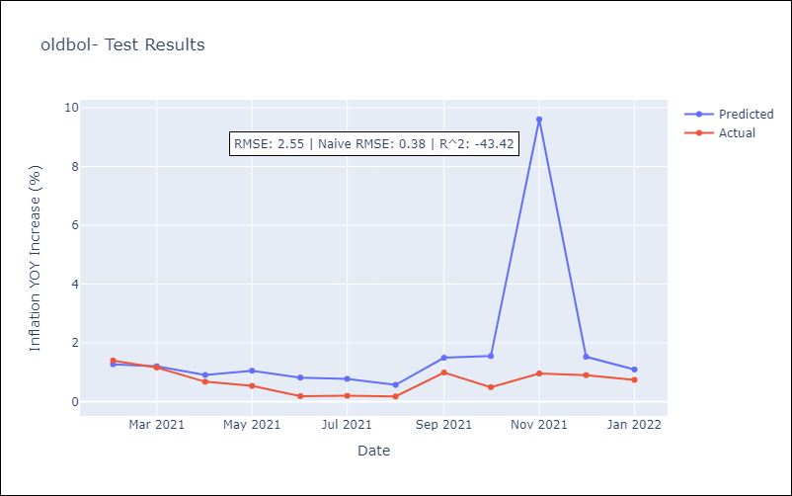

Appendix A: Model Summary
Model | SARIMAX(1, 2, 1)x(2, 0, [], 12)
Sample | 12-01-2003- 01-01-2022
No. of Observations | 218
Terms | P-value (Statistical significance)
Exchange rates (nominal) | 0.184
Monetary Policiy rate | 0.232
M1 money supply ($mm local currency) | 0.152
ar.L1 | 0.000
ma.L1 | 0.000
ar.S.L12 | 0.000
ar.S.L24 | 0.010
sigma2 | 0.000
Assumptions | P-value | Interpretation
Ljung-Box (L1) | 0.89 | Residuals are independent.
Heteroskedasticity | 0.00 | Residuals have different variances.
Jarque-Bera | 0.00 | Residuals are not normally distributed.
Skew | -1.24 | Negative skew - Model overestimates the mean.
Kurtosis | 25.33 | Residuals contain more extreme outliers than in a normal distribution.

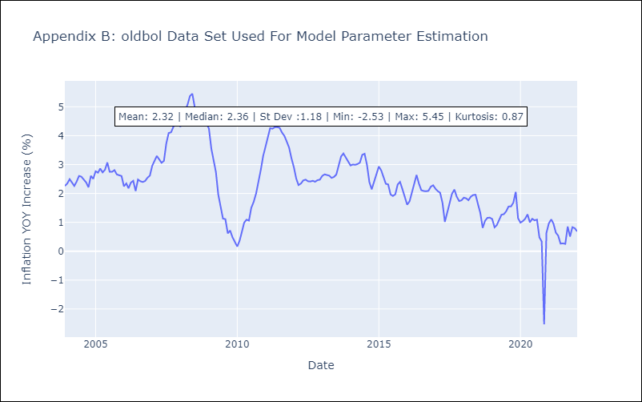

Appendix C: Residuals Analysis
Mean | -0.01
Variance | 0.16
White Noise? | No - Correlation at Lags [1 2]
Heteroskedastic? - ARCH | Yes
Normal? | No

