oldbol_1
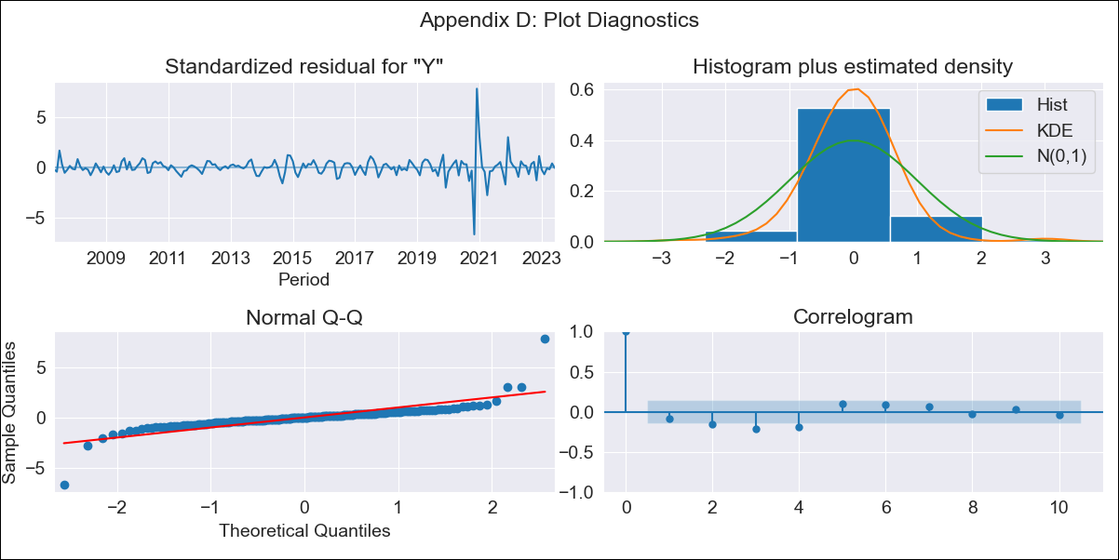

oldbol_1 - Inflation - Next 12 months forecast as of: 2023-06-01

Model | SARIMAX - [(3, 2, 0), (3, 0, 1, 12)] | Exogenous Variables | Exchange rates (nominal), Monetary Policiy rate, M1 money supply ($mm local currency)
Training Data | 2003-12-01 to 2022-07-01
Test Data | 2022-07-01 to 2023-06-01

Date | Inflation Change YoY % | Lower Bound - 95% Confidence Interval | Upper Bound - 95% Confidence Interval
2023-07-01 | 2.97 | 1.32 | 5.18
2023-08-01 | 3.43 | 1.02 | 7.06
2023-09-01 | 3.32 | 0.33 | 8.64
2023-10-01 | 3.2 | -0.27 | 10.71
2023-11-01 | 4.75 | -0.32 | 17.14
2023-12-01 | 2.85 | -1.01 | 16.63
2024-01-01 | 2.82 | -1.09 | 20.95
2024-02-01 | 3.25 |  | 27.75
2024-03-01 | 3.47 |  | 35.3
2024-04-01 | 3.69 |  | 44.24
2024-05-01 | 3.46 |  | 52.88
2024-06-01 | 3.73 |  | 65.48

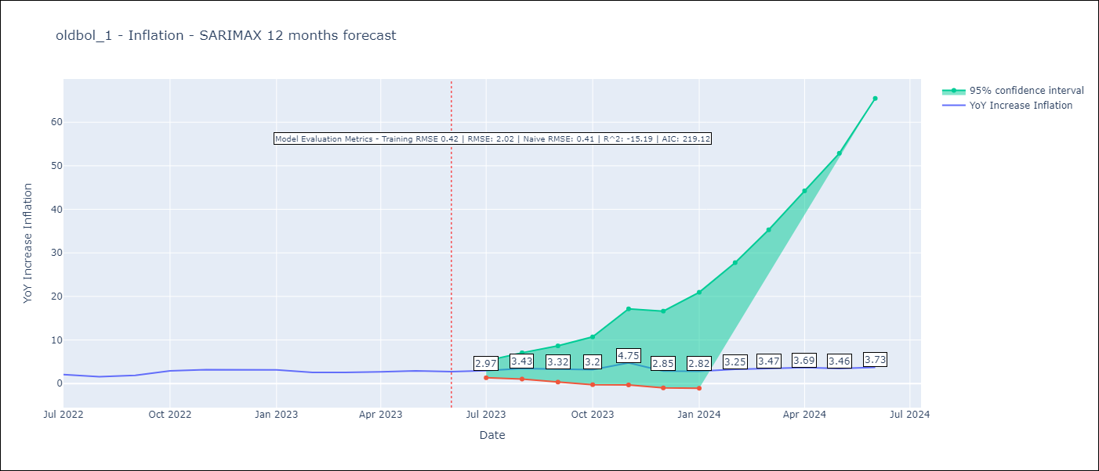

Test Metrics
RMSE | 2.02
Naive RMSE | 0.41
R^2 | -15.19

Test Predictions
Date | Predicted | Actual
2022-07-01 | 1.99 | 2.04
2022-08-01 | 2.17 | 1.55
2022-09-01 | 2.51 | 1.89
2022-10-01 | 3.28 | 2.89
2022-11-01 | 8.05 | 3.17
2022-12-01 | 3.53 | 3.12
2023-01-01 | 3.73 | 3.14
2023-02-01 | 3.93 | 2.57
2023-03-01 | 4.39 | 2.53
2023-04-01 | 4.94 | 2.7
2023-05-01 | 5.13 | 2.9
2023-06-01 | 5.61 | 2.73

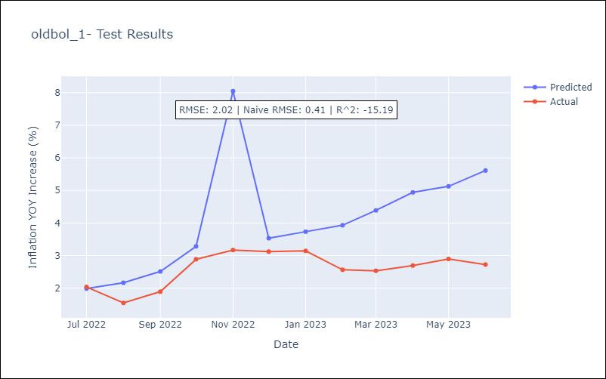

Appendix A: Model Summary
Model | SARIMAX(3, 2, 0)x(3, 0, [1], 12)
Sample | 12-01-2003- 06-01-2023
No. of Observations | 235
Terms | P-value (Statistical significance)
Exchange rates (nominal) | 0.816
Monetary Policiy rate | 0.449
M1 money supply ($mm local currency) | 0.527
ar.L1 | 0.000
ar.L2 | 0.000
ar.L3 | 0.000
ar.S.L12 | 0.025
ar.S.L24 | 0.003
ar.S.L36 | 0.063
ma.S.L12 | 0.224
sigma2 | 0.000
Assumptions | P-value | Interpretation
Ljung-Box (L1) | 0.25 | Residuals are independent.
Heteroskedasticity | 0.00 | Residuals have different variances.
Jarque-Bera | 0.00 | Residuals are not normally distributed.
Skew | 1.03 | Positive skew - model underestimates the mean.
Kurtosis | 31.33 | Residuals contain more extreme outliers than in a normal distribution.

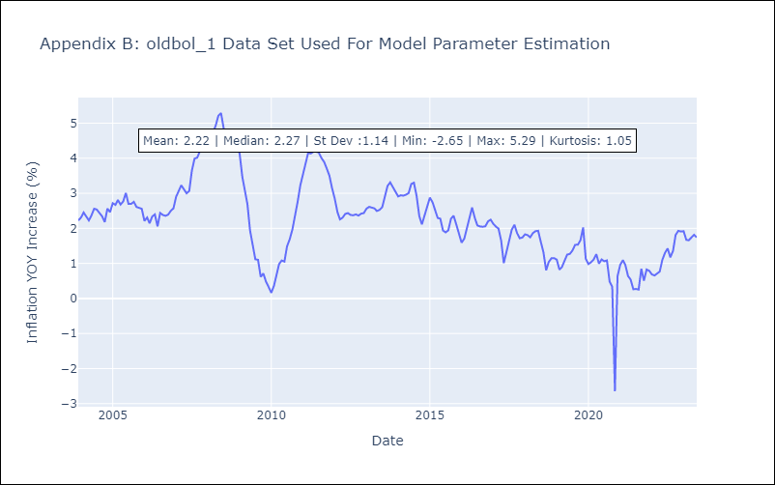

Appendix C: Residuals Analysis
Mean | -0.0
Variance | 0.18
White Noise? | No - Correlation at Lags [ 2 3 4 5 6 7 8 9 10 11 12]
Heteroskedastic? - ARCH | Yes
Normal? | No

