per_raw
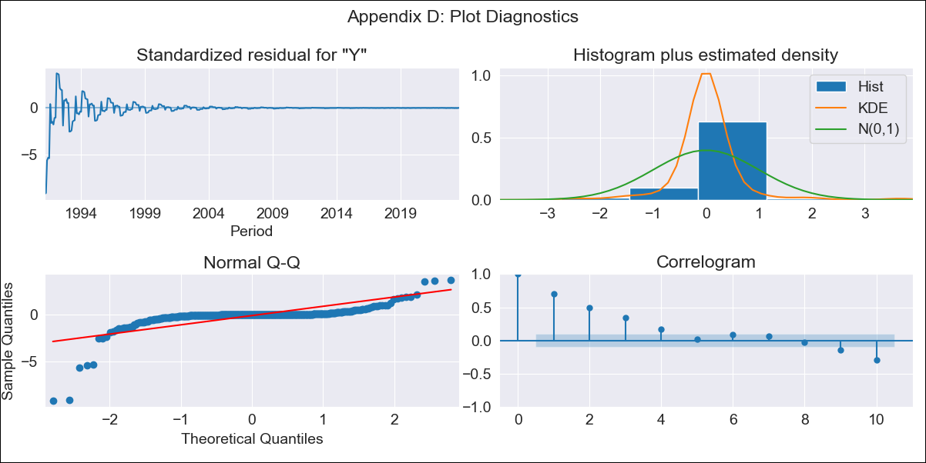

per_raw - Inflation - Next 12 months forecast as of: 2023-08-01

Model | ARIMA - [(0, 1, 0), (1, 0, 1, 12)]
Training Data | 1990-01-01 to 2022-09-01
Test Data | 2022-09-01 to 2023-08-01

Date | Inflation Change YoY % | Lower Bound - 95% Confidence Interval | Upper Bound - 95% Confidence Interval
2023-09-01 | 5.84 | -182.77 | 194.45
2023-10-01 | 5.69 | -261.04 | 272.43
2023-11-01 | 5.87 | -320.81 | 332.55
2023-12-01 | 5.41 | -371.8 | 382.63
2024-01-01 | 6.22 | -415.52 | 427.95
2024-02-01 | 5.78 | -456.22 | 467.77
2024-03-01 | 5.48 | -493.53 | 504.49
2024-04-01 | 4.26 | -529.2 | 537.72
2024-05-01 | 4 | -561.82 | 569.82
2024-06-01 | 2.9 | -593.53 | 599.33
2024-07-01 | 2.49 | -623.05 | 628.03
2024-08-01 | 3.24 | -650.11 | 656.6

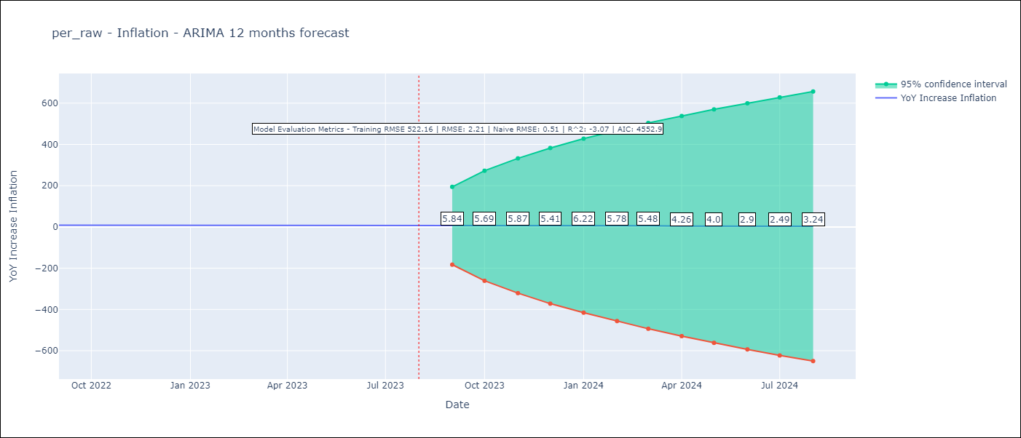

Test Metrics
RMSE | 2.21
Naive RMSE | 0.51
R^2 | -3.07

Test Predictions
Date | Predicted | Actual
2022-09-01 | 8.75 | 8.79
2022-10-01 | 8.84 | 8.64
2022-11-01 | 8.63 | 8.64
2022-12-01 | 9.14 | 8.56
2023-01-01 | 8.39 | 8.87
2023-02-01 | 8.97 | 8.99
2023-03-01 | 9.07 | 8.67
2023-04-01 | 10.04 | 8.04
2023-05-01 | 10.29 | 7.99
2023-06-01 | 10.59 | 6.71
2023-07-01 | 10.53 | 6.02
2023-08-01 | 9.43 | 5.79

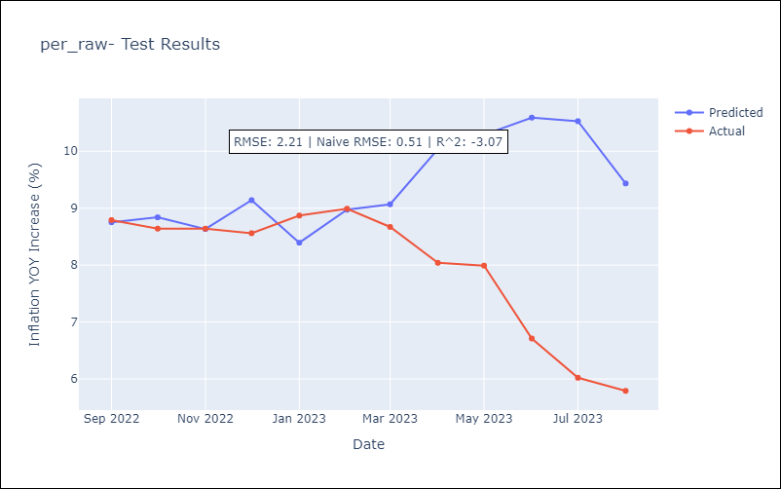

Appendix A: Model Summary
Model | ARIMA(0, 1, 0)x(1, 0, [1], 12)
Sample | 01-01-1990- 08-01-2023
No. of Observations | 404
Terms | P-value (Statistical significance)
ar.S.L12 | 0.000
ma.S.L12 | 0.000
sigma2 | 0.000
Assumptions | P-value | Interpretation
Ljung-Box (L1) | 0.00 | Residuals are not independent.
Heteroskedasticity | 0.00 | Residuals have different variances.
Jarque-Bera | 0.00 | Residuals are not normally distributed.
Skew | -4.77 | Negative skew - Model overestimates the mean.
Kurtosis | 44.72 | Residuals contain more extreme outliers than in a normal distribution.

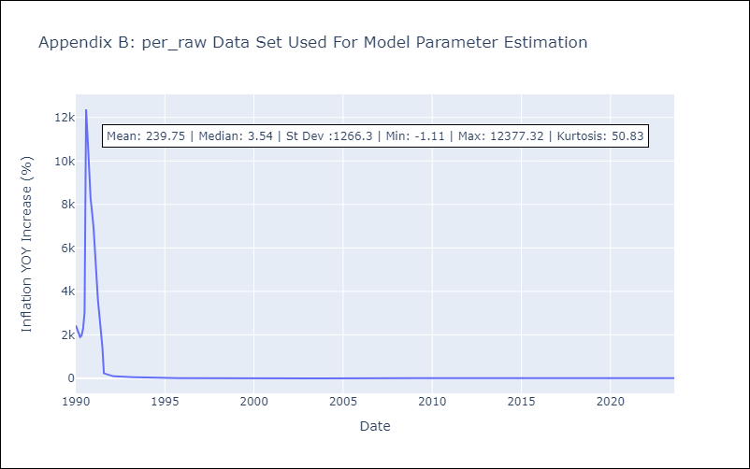

Appendix C: Residuals Analysis
Mean | 5.2
Variance | 265242.64
White Noise? | No - Correlation at Lags [ 7 8 9 10 11 12]
Heteroskedastic? - ARCH | Yes
Normal? | No

