per_raw
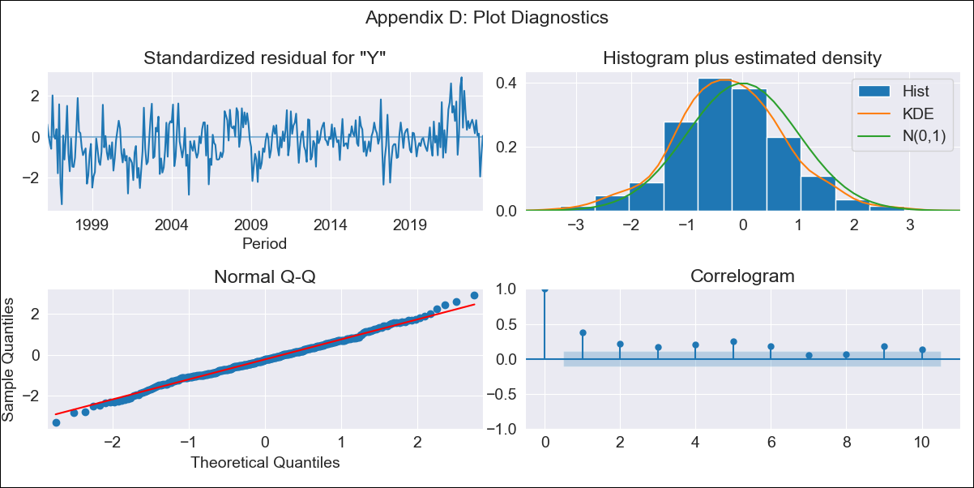

per_raw - Inflation - Next 12 months forecast as of: 2023-08-01

Model | ARIMA - [(0, 1, 0), (1, 0, 1, 12)]
Training Data | 1995-01-01 to 2022-09-01
Test Data | 2022-09-01 to 2023-08-01

Date | Inflation Change YoY % | Lower Bound - 95% Confidence Interval | Upper Bound - 95% Confidence Interval
2023-09-01 | 5.53 | 4.84 | 6.21
2023-10-01 | 5.34 | 4.38 | 6.31
2023-11-01 | 5.12 | 3.94 | 6.3
2023-12-01 | 4.82 | 3.45 | 6.18
2024-01-01 | 4.71 | 3.19 | 6.24
2024-02-01 | 4.69 | 3.01 | 6.36
2024-03-01 | 4.32 | 2.52 | 6.13
2024-04-01 | 4.13 | 2.2 | 6.06
2024-05-01 | 4.06 | 2.01 | 6.11
2024-06-01 | 4.36 | 2.2 | 6.52
2024-07-01 | 4.45 | 2.18 | 6.71
2024-08-01 | 4.37 | 2 | 6.73

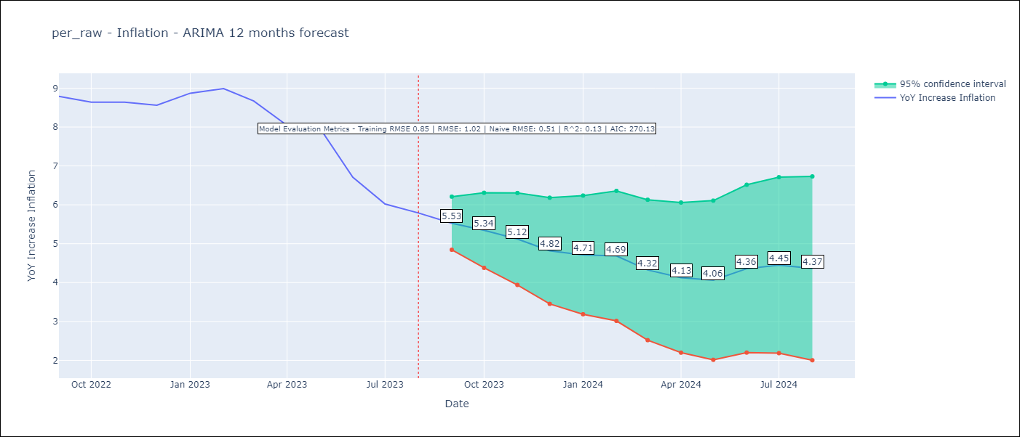

Test Metrics
RMSE | 1.02
Naive RMSE | 0.51
R^2 | 0.13

Test Predictions
Date | Predicted | Actual
2022-09-01 | 8.52 | 8.79
2022-10-01 | 8.23 | 8.64
2022-11-01 | 8 | 8.64
2022-12-01 | 7.62 | 8.56
2023-01-01 | 7.74 | 8.87
2023-02-01 | 7.79 | 8.99
2023-03-01 | 7.19 | 8.67
2023-04-01 | 6.54 | 8.04
2023-05-01 | 6.44 | 7.99
2023-06-01 | 5.83 | 6.71
2023-07-01 | 5.43 | 6.02
2023-08-01 | 5.19 | 5.79

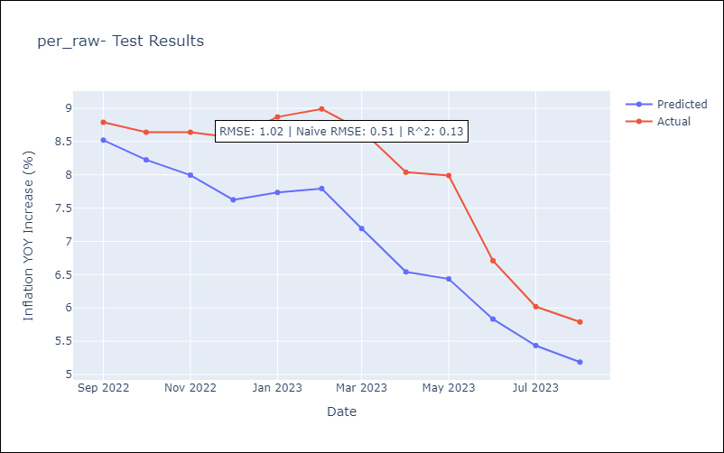

Appendix A: Model Summary
Model | ARIMA(0, 1, 0)x(1, 0, [1], 12)
Sample | 01-01-1995- 08-01-2023
No. of Observations | 344
Terms | P-value (Statistical significance)
ar.S.L12 | 0.000
ma.S.L12 | 0.992
sigma2 | 0.992
Assumptions | P-value | Interpretation
Ljung-Box (L1) | 0.00 | Residuals are not independent.
Heteroskedasticity | 0.00 | Residuals have different variances.
Jarque-Bera | 0.30 | Residuals are normally distributed.
Skew | 0.06 | Positive skew - model underestimates the mean.
Kurtosis | 3.40 | Residuals contain more extreme outliers than in a normal distribution.

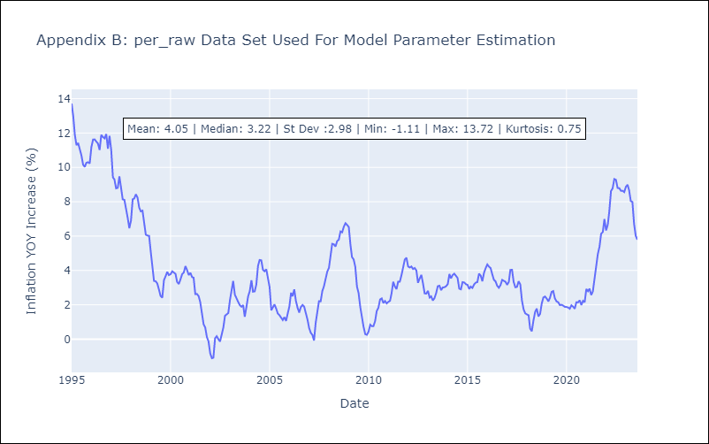

Appendix C: Residuals Analysis
Mean | -0.05
Variance | 0.69
White Noise? | Yes
Heteroskedastic? - ARCH | Yes
Normal? | No

