per_raw1
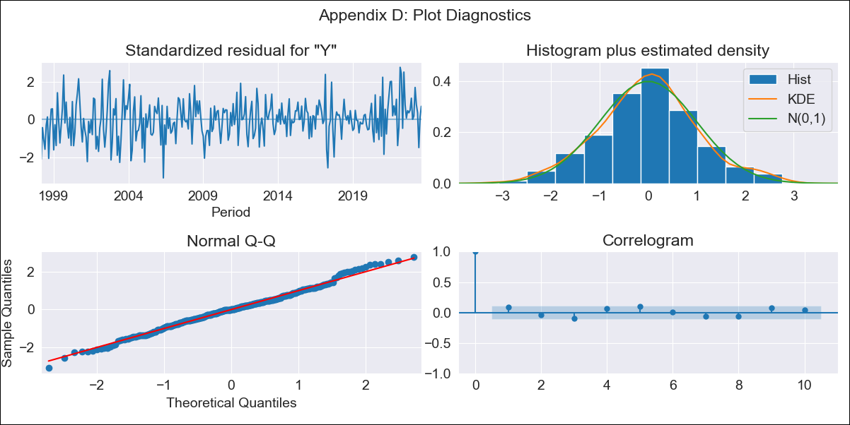
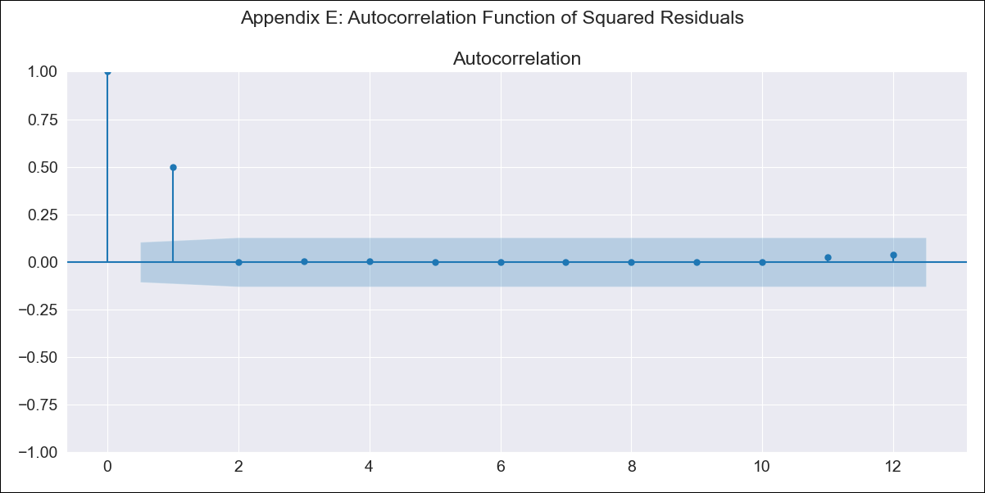
per_raw1 - Inflation - Next 12 months forecast as of: 2023-08-01

Model | ARIMA - [(2, 0, 2), (3, 0, 1, 12)]
Training Data | 1995-01-01 to 2022-09-01
Test Data | 2022-09-01 to 2023-08-01

Date | Inflation Change YoY % | Lower Bound - 95% Confidence Interval | Upper Bound - 95% Confidence Interval
2023-09-01 | 5.32 | 4.77 | 5.87
2023-10-01 | 4.85 | 3.95 | 5.76
2023-11-01 | 4.34 | 3.12 | 5.56
2023-12-01 | 3.66 | 2.15 | 5.17
2024-01-01 | 3.18 | 1.4 | 4.97
2024-02-01 | 2.74 | 0.69 | 4.8
2024-03-01 | 1.96 | -0.36 | 4.27
2024-04-01 | 1.34 | -1.22 | 3.91
2024-05-01 | 0.81 | -1.99 | 3.62
2024-06-01 | 0.87 | -2.16 | 3.9
2024-07-01 | 0.67 | -2.58 | 3.92
2024-08-01 | 0.24 | -3.21 | 3.69

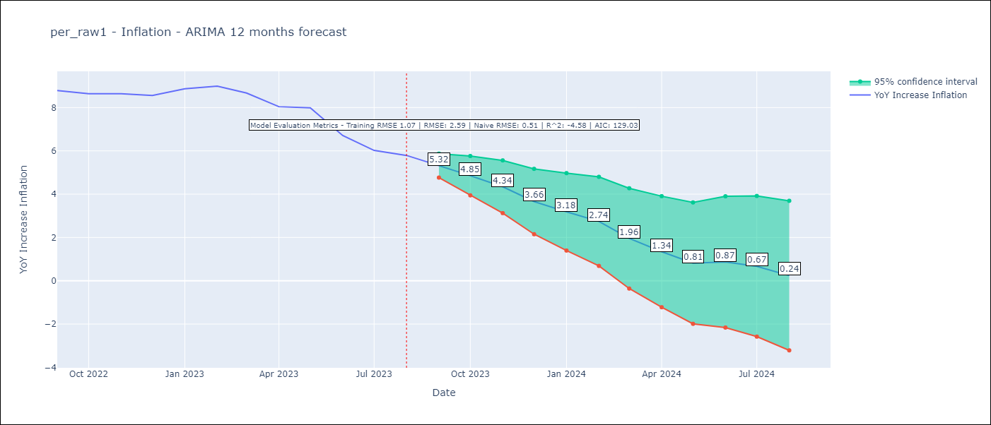

Test Metrics
RMSE | 2.59
Naive RMSE | 0.51
R^2 | -4.58

Test Predictions
Date | Predicted | Actual
2022-09-01 | 8.56 | 8.79
2022-10-01 | 8.08 | 8.64
2022-11-01 | 7.81 | 8.64
2022-12-01 | 7.19 | 8.56
2023-01-01 | 7.2 | 8.87
2023-02-01 | 6.91 | 8.99
2023-03-01 | 5.97 | 8.67
2023-04-01 | 4.81 | 8.04
2023-05-01 | 4.32 | 7.99
2023-06-01 | 3.2 | 6.71
2023-07-01 | 2.49 | 6.02
2023-08-01 | 2.01 | 5.79

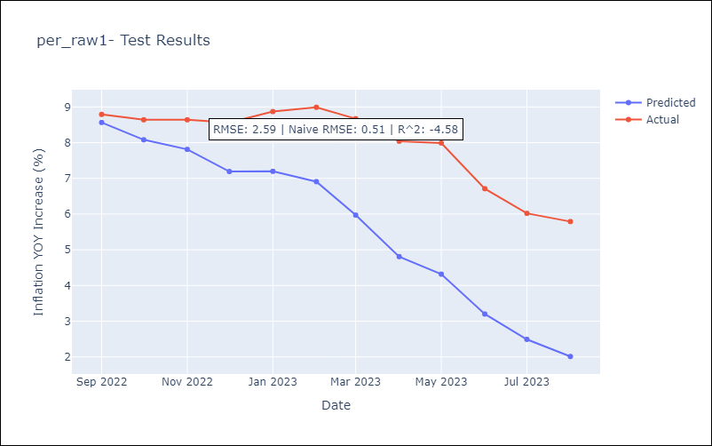

Appendix A: Model Summary
Model | ARIMA(2, 0, 2)x(3, 0, [1], 12)
Sample | 01-01-1995- 08-01-2023
No. of Observations | 344
Terms | P-value (Statistical significance)
const | 0.000
ar.L1 | 0.000
ar.L2 | 0.000
ma.L1 | 0.000
ma.L2 | 0.077
ar.S.L12 | 0.040
ar.S.L24 | 0.372
ar.S.L36 | 0.304
ma.S.L12 | 0.000
sigma2 | 0.000
Assumptions | P-value | Interpretation
Ljung-Box (L1) | 0.12 | Residuals are independent.
Heteroskedasticity | 0.04 | Residuals have different variances.
Jarque-Bera | 0.65 | Residuals are normally distributed.
Skew | 0.05 | Positive skew - model underestimates the mean.
Kurtosis | 3.24 | Residuals contain more extreme outliers than in a normal distribution.

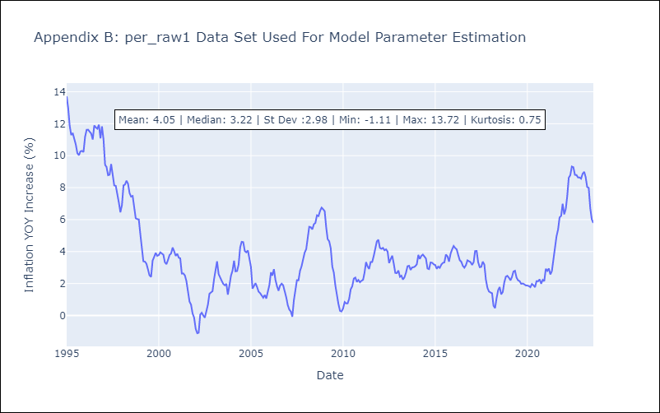

Appendix C: Residuals Analysis
Mean | 0.01
Variance | 0.83
White Noise? | No - Correlation at Lags [ 1 2 3 4 5 6 7 8 9 10 11 12]
Heteroskedastic? - ARCH | Yes
Normal? | No

