per_lt1
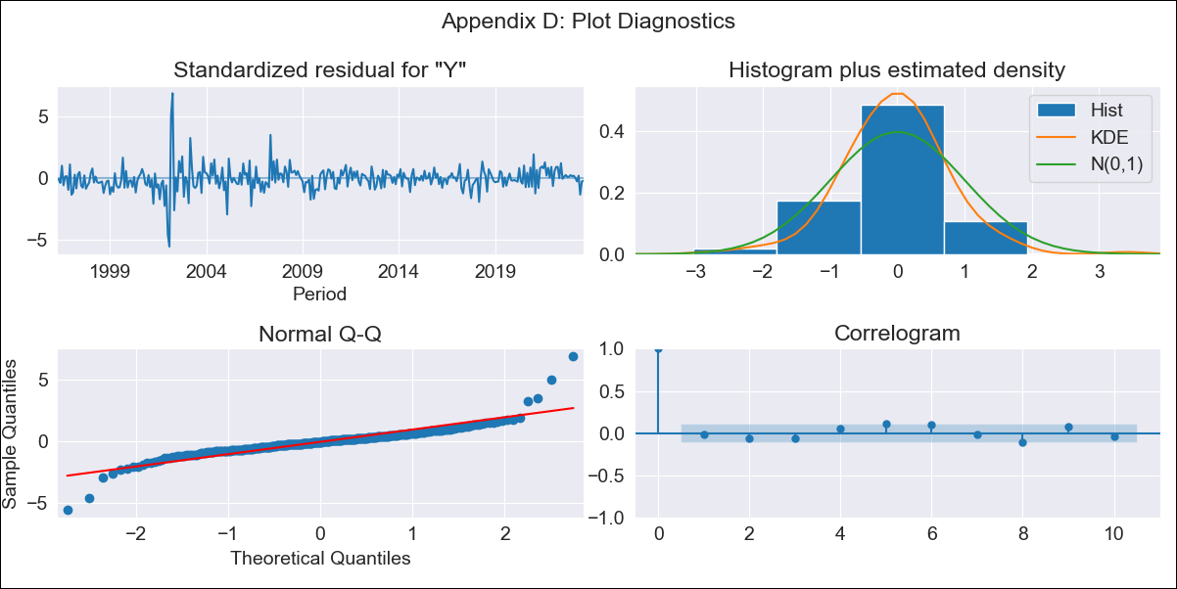

per_lt1 - Inflation - Next 12 months forecast as of: 2023-08-01

Model | ARIMA - [(0, 1, 1), (0, 0, 1, 12)]
Training Data | 1995-01-01 to 2022-09-01
Test Data | 2022-09-01 to 2023-08-01

Date | Inflation Change YoY % | Lower Bound - 95% Confidence Interval | Upper Bound - 95% Confidence Interval
2023-09-01 | 5.65 | 4.47 | 6.95
2023-10-01 | 5.58 | 3.64 | 7.93
2023-11-01 | 5.53 | 3.11 | 8.63
2023-12-01 | 5.44 | 2.67 | 9.16
2024-01-01 | 5.36 | 2.31 | 9.62
2024-02-01 | 5.28 | 2 | 10.04
2024-03-01 | 5.24 | 1.75 | 10.48
2024-04-01 | 5.31 | 1.59 | 11.04
2024-05-01 | 5.27 | 1.4 | 11.43
2024-06-01 | 5.61 | 1.42 | 12.37
2024-07-01 | 5.84 | 1.4 | 13.14
2024-08-01 | 5.92 | 1.3 | 13.69

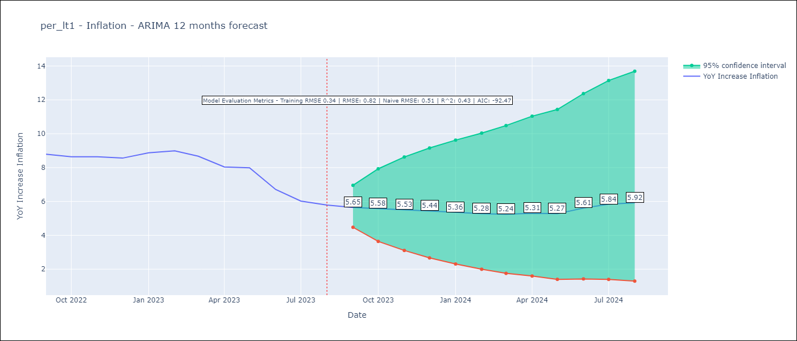

Test Metrics
RMSE | 0.82
Naive RMSE | 0.51
R^2 | 0.43

Test Predictions
Date | Predicted | Actual
2022-09-01 | 8.58 | 8.79
2022-10-01 | 8.25 | 8.64
2022-11-01 | 8.11 | 8.64
2022-12-01 | 7.79 | 8.56
2023-01-01 | 7.86 | 8.87
2023-02-01 | 7.76 | 8.99
2023-03-01 | 7.38 | 8.67
2023-04-01 | 6.96 | 8.04
2023-05-01 | 6.83 | 7.99
2023-06-01 | 6.46 | 6.71
2023-07-01 | 6.31 | 6.02
2023-08-01 | 6.28 | 5.79

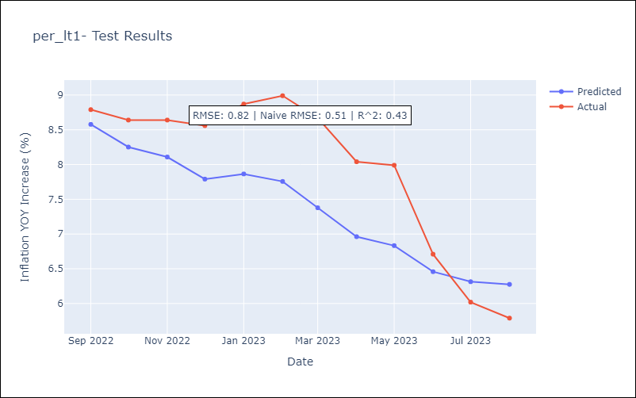

Appendix A: Model Summary
Model | ARIMA(0, 1, 1)x(0, 0, 1, 12)
Sample | 01-01-1995- 08-01-2023
No. of Observations | 344
Terms | P-value (Statistical significance)
ma.L1 | 0.000
ma.S.L12 | 0.000
sigma2 | 0.000
Assumptions | P-value | Interpretation
Ljung-Box (L1) | 0.80 | Residuals are independent.
Heteroskedasticity | 0.00 | Residuals have different variances.
Jarque-Bera | 0.00 | Residuals are not normally distributed.
Skew | 0.69 | Positive skew - model underestimates the mean.
Kurtosis | 15.17 | Residuals contain more extreme outliers than in a normal distribution.

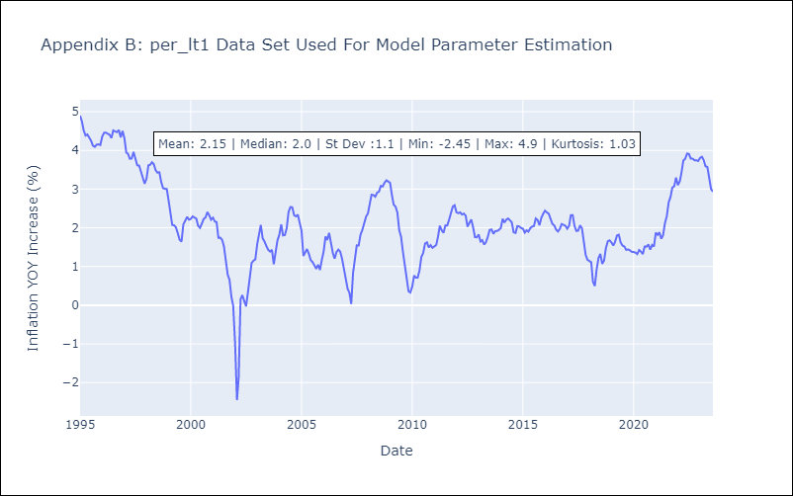

Appendix C: Residuals Analysis
Mean | 0.01
Variance | 0.11
White Noise? | Yes
Heteroskedastic? - ARCH | Yes
Normal? | No

