per_all_lt
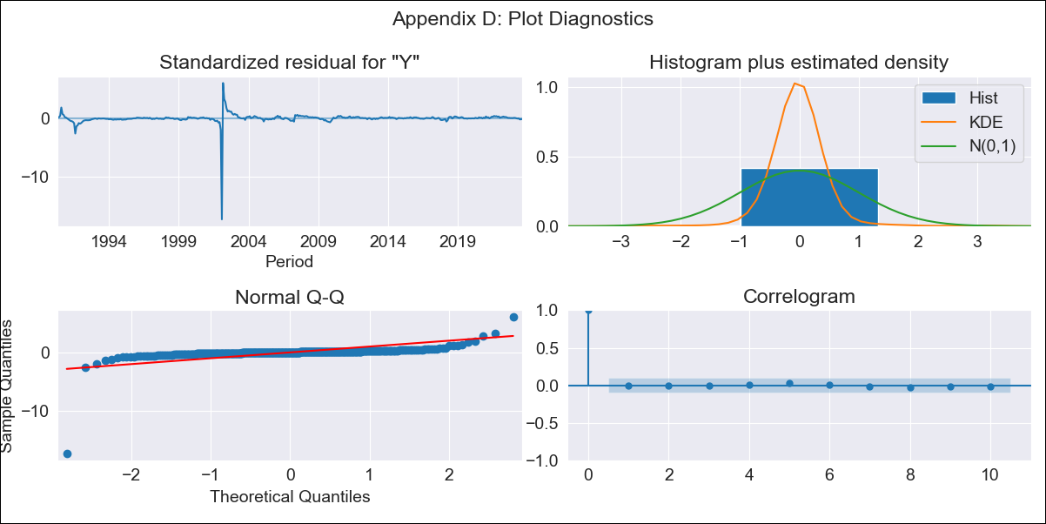

per_all_lt - Inflation - Next 12 months forecast as of: 2023-08-01

Model | ARIMA - [(0, 1, 2), (0, 0, 0, 12)]
Training Data | 1990-01-01 to 2022-09-01
Test Data | 2022-09-01 to 2023-08-01

Date | Inflation Change YoY % | Lower Bound - 95% Confidence Interval | Upper Bound - 95% Confidence Interval
2023-09-01 | 6.5 | 0.41 | 37.7
2023-10-01 | 6.74 | 0.1 | 51.06
2023-11-01 | 6.74 | -0.01 | 56.27
2023-12-01 | 6.74 | -0.1 | 61.73
2024-01-01 | 6.74 | -0.18 | 67.45
2024-02-01 | 6.74 | -0.25 | 73.45
2024-03-01 | 6.74 | -0.32 | 79.74
2024-04-01 | 6.74 | -0.38 | 86.32
2024-05-01 | 6.74 | -0.43 | 93.21
2024-06-01 | 6.74 | -0.47 | 100.42
2024-07-01 | 6.74 | -0.52 | 107.97
2024-08-01 | 6.74 | -0.55 | 115.86

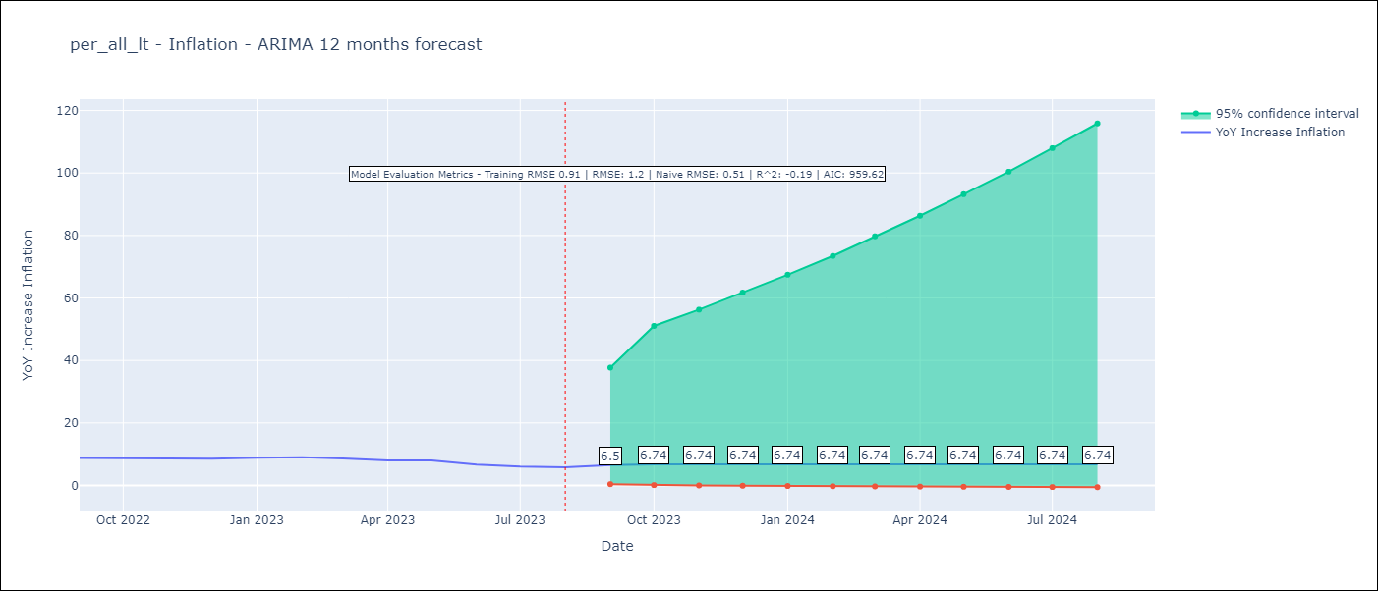

Test Metrics
RMSE | 1.2
Naive RMSE | 0.51
R^2 | -0.19

Test Predictions
Date | Predicted | Actual
2022-09-01 | 8.51 | 8.79
2022-10-01 | 8.46 | 8.64
2022-11-01 | 8.46 | 8.64
2022-12-01 | 8.46 | 8.56
2023-01-01 | 8.46 | 8.87
2023-02-01 | 8.46 | 8.99
2023-03-01 | 8.46 | 8.67
2023-04-01 | 8.46 | 8.04
2023-05-01 | 8.46 | 7.99
2023-06-01 | 8.46 | 6.71
2023-07-01 | 8.46 | 6.02
2023-08-01 | 8.46 | 5.79

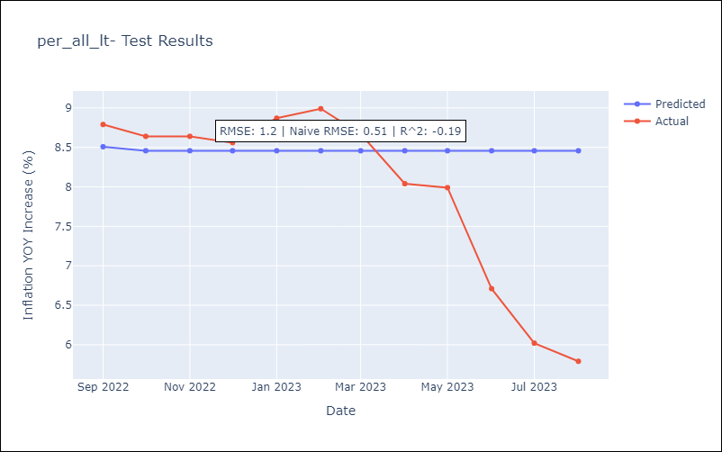

Appendix A: Model Summary
Model | ARIMA(0, 1, 2)
Sample | 01-01-1990- 08-01-2023
No. of Observations | 404
Terms | P-value (Statistical significance)
ma.L1 | 0.000
ma.L2 | 0.000
sigma2 | 0.000
Assumptions | P-value | Interpretation
Ljung-Box (L1) | 0.99 | Residuals are independent.
Heteroskedasticity | 0.00 | Residuals have different variances.
Jarque-Bera | 0.00 | Residuals are not normally distributed.
Skew | -12.13 | Negative skew - Model overestimates the mean.
Kurtosis | 224.27 | Residuals contain more extreme outliers than in a normal distribution.

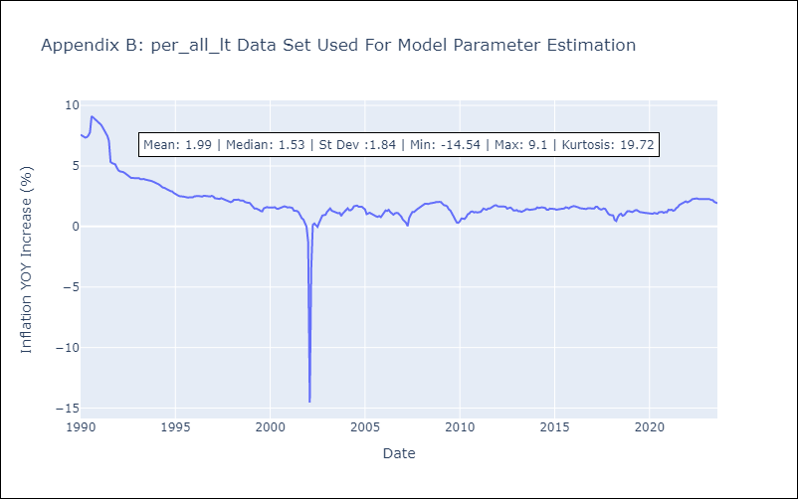

Appendix C: Residuals Analysis
Mean | -0.02
Variance | 0.8
White Noise? | Yes
Heteroskedastic? - ARCH | No
Normal? | No

