per_data_exog_raw
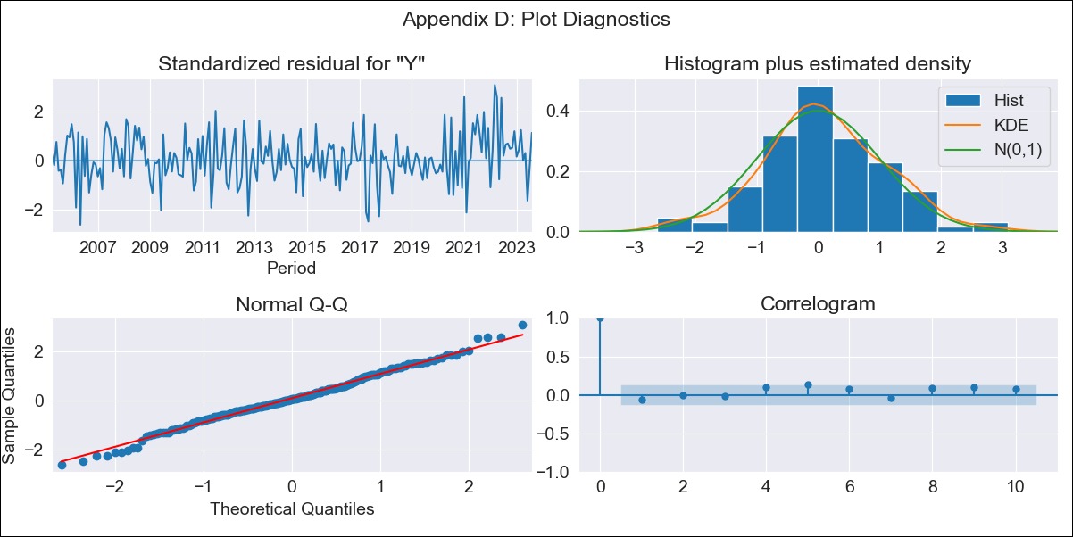

per_data_exog_raw - Inflation - Next 12 months forecast as of: 2023-08-01

Model | SARIMAX - [(1, 1, 2), (3, 0, 1, 12)] | Exogenous Variables | Exchange rates (nominal), Monetary Policiy rate, M1 money supply ($mm local currency)
Training Data | 2002-02-01 to 2022-09-01
Test Data | 2022-09-01 to 2023-08-01

Date | Inflation Change YoY % | Lower Bound - 95% Confidence Interval | Upper Bound - 95% Confidence Interval
2023-09-01 | 5.46 | 4.93 | 5.99
2023-10-01 | 5.18 | 4.24 | 6.12
2023-11-01 | 5 | 3.7 | 6.31
2023-12-01 | 4.57 | 2.93 | 6.2
2024-01-01 | 4.41 | 2.48 | 6.34
2024-02-01 | 4.12 | 1.92 | 6.32
2024-03-01 | 3.72 | 1.27 | 6.16
2024-04-01 | 3.58 | 0.91 | 6.24
2024-05-01 | 3.42 | 0.54 | 6.29
2024-06-01 | 3.77 | 0.69 | 6.84
2024-07-01 | 4.14 | 0.88 | 7.39
2024-08-01 | 4.1 | 0.67 | 7.53

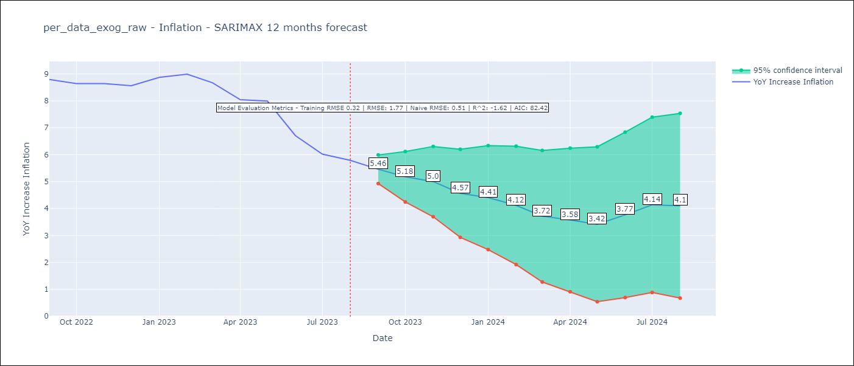

Test Metrics
RMSE | 1.77
Naive RMSE | 0.51
R^2 | -1.62

Test Predictions
Date | Predicted | Actual
2022-09-01 | 8.35 | 8.79
2022-10-01 | 7.98 | 8.64
2022-11-01 | 7.82 | 8.64
2022-12-01 | 7.26 | 8.56
2023-01-01 | 7.36 | 8.87
2023-02-01 | 7.15 | 8.99
2023-03-01 | 6.43 | 8.67
2023-04-01 | 5.61 | 8.04
2023-05-01 | 5.36 | 7.99
2023-06-01 | 4.51 | 6.71
2023-07-01 | 4.12 | 6.02
2023-08-01 | 4.12 | 5.79

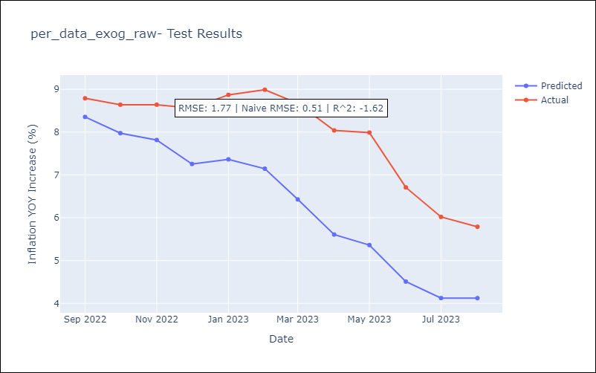

Appendix A: Model Summary
Model | SARIMAX(1, 1, 2)x(3, 0, [1], 12)
Sample | 02-01-2002- 08-01-2023
No. of Observations | 259
Terms | P-value (Statistical significance)
Exchange rates (nominal) | 0.167
Monetary Policiy rate | 0.650
M1 money supply ($mm local currency) | 0.708
ar.L1 | 0.004
ma.L1 | 0.612
ma.L2 | 0.967
ar.S.L12 | 0.000
ar.S.L24 | 0.000
ar.S.L36 | 0.000
ma.S.L12 | 0.075
sigma2 | 0.000
Assumptions | P-value | Interpretation
Ljung-Box (L1) | 0.31 | Residuals are independent.
Heteroskedasticity | 0.24 | Residuals have the same variance.
Jarque-Bera | 0.75 | Residuals are normally distributed.
Skew | 0.03 | Positive skew - model underestimates the mean.
Kurtosis | 3.25 | Residuals contain more extreme outliers than in a normal distribution.

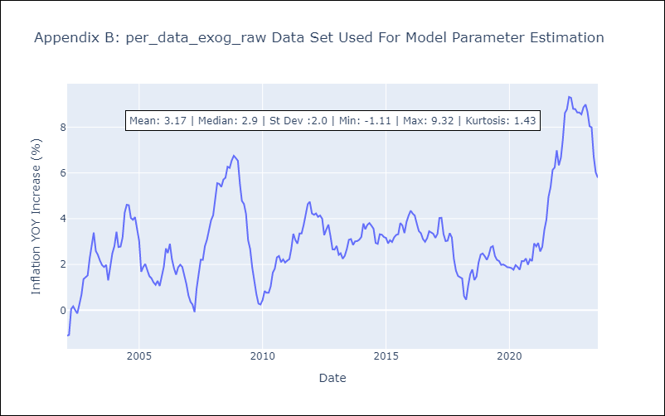

Appendix C: Residuals Analysis
Mean | 0.03
Variance | 0.1
White Noise? | No - Correlation at Lags [ 1 5 6 7 8 9 10 11]
Heteroskedastic? - ARCH | No
Normal? | Yes

