per_data_exog_lt
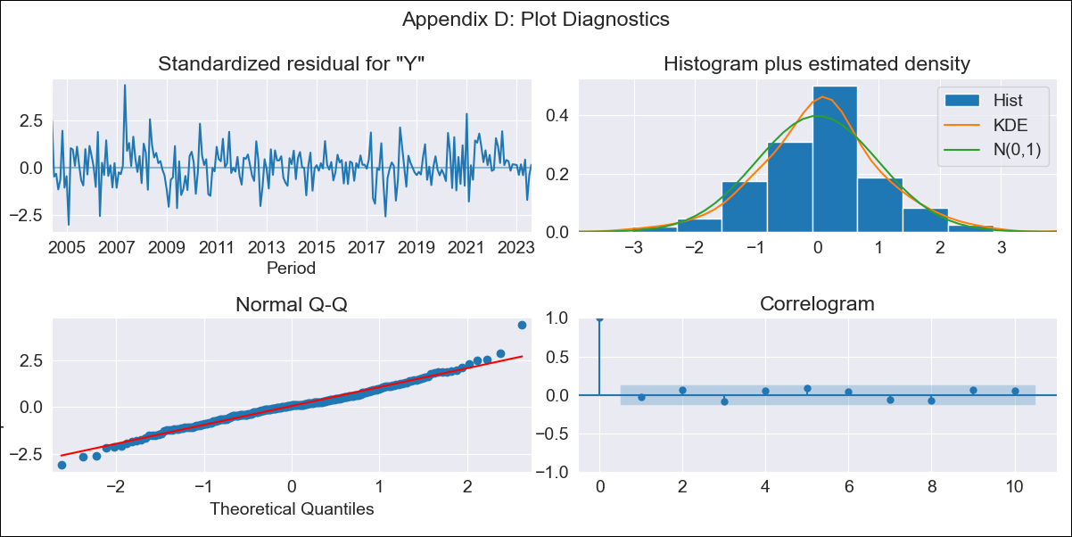
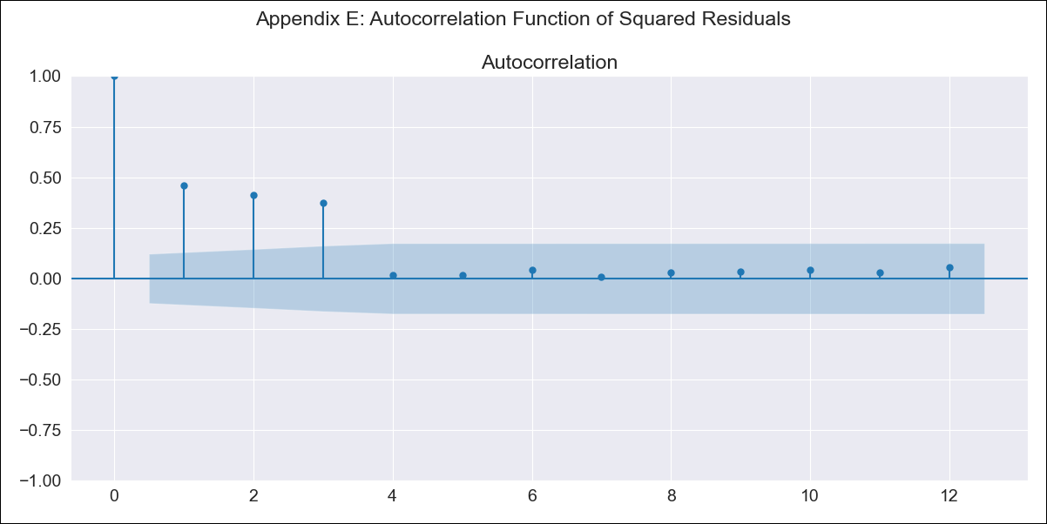
per_data_exog_lt - Inflation - Next 12 months forecast as of: 2023-08-01

Model | SARIMAX - [(1, 2, 1), (1, 0, 2, 12)] | Exogenous Variables | Exchange rates (nominal), Monetary Policiy rate, M1 money supply ($mm local currency)
Training Data | 2002-02-01 to 2022-09-01
Test Data | 2022-09-01 to 2023-08-01

Date | Inflation Change YoY % | Lower Bound - 95% Confidence Interval | Upper Bound - 95% Confidence Interval
2023-09-01 | 5.61 | 4.9 | 6.36
2023-10-01 | 5.57 | 4.38 | 6.88
2023-11-01 | 5.58 | 3.99 | 7.38
2023-12-01 | 5.54 | 3.62 | 7.78
2024-01-01 | 5.49 | 3.28 | 8.13
2024-02-01 | 5.59 | 3.08 | 8.64
2024-03-01 | 5.61 | 2.85 | 9.04
2024-04-01 | 5.73 | 2.71 | 9.57
2024-05-01 | 5.67 | 2.44 | 9.86
2024-06-01 | 6.18 | 2.6 | 10.89
2024-07-01 | 6.5 | 2.61 | 11.68
2024-08-01 | 6.63 | 2.49 | 12.23

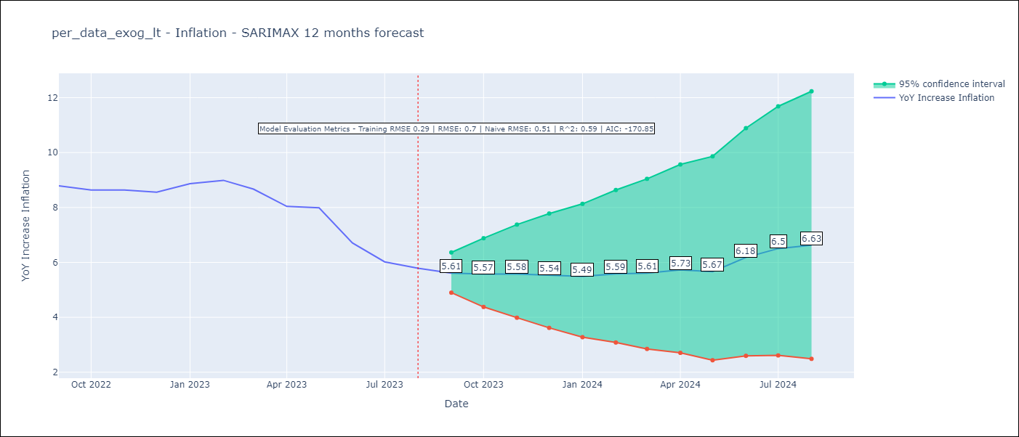

Test Metrics
RMSE | 0.7
Naive RMSE | 0.51
R^2 | 0.59

Test Predictions
Date | Predicted | Actual
2022-09-01 | 8.49 | 8.79
2022-10-01 | 8.37 | 8.64
2022-11-01 | 8.45 | 8.64
2022-12-01 | 8.32 | 8.56
2023-01-01 | 8.64 | 8.87
2023-02-01 | 8.94 | 8.99
2023-03-01 | 8.67 | 8.67
2023-04-01 | 8.22 | 8.04
2023-05-01 | 8.12 | 7.99
2023-06-01 | 7.56 | 6.71
2023-07-01 | 7.29 | 6.02
2023-08-01 | 7.6 | 5.79

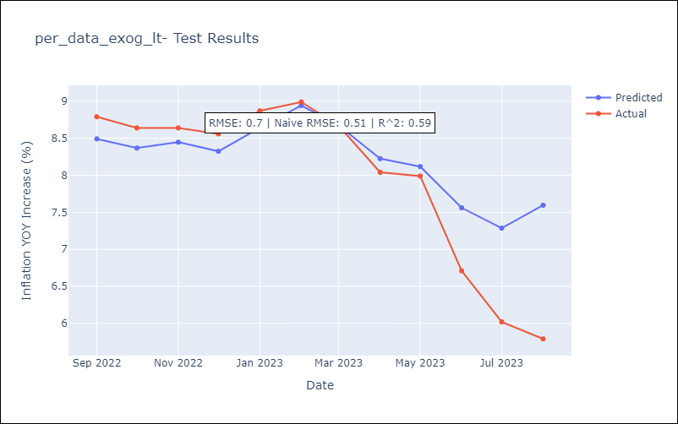

Appendix A: Model Summary
Model | SARIMAX(1, 2, 1)x(1, 0, [1, 2], 12)
Sample | 02-01-2002- 08-01-2023
No. of Observations | 259
Terms | P-value (Statistical significance)
Exchange rates (nominal) | 0.215
Monetary Policiy rate | 0.828
M1 money supply ($mm local currency) | 0.272
ar.L1 | 0.000
ma.L1 | 0.000
ar.S.L12 | 0.000
ma.S.L12 | 0.018
ma.S.L24 | 0.000
sigma2 | 0.000
Assumptions | P-value | Interpretation
Ljung-Box (L1) | 0.68 | Residuals are independent.
Heteroskedasticity | 0.07 | Residuals have the same variance.
Jarque-Bera | 0.00 | Residuals are not normally distributed.
Skew | 0.23 | Positive skew - model underestimates the mean.
Kurtosis | 4.51 | Residuals contain more extreme outliers than in a normal distribution.

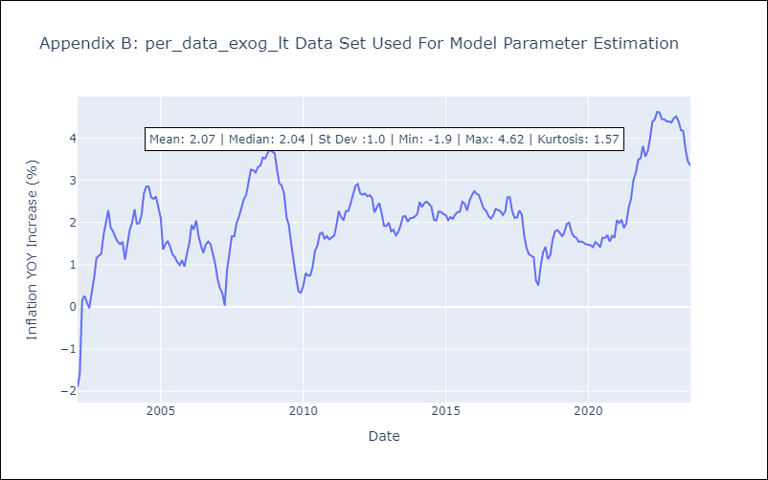

Appendix C: Residuals Analysis
Mean | 0.01
Variance | 0.08
White Noise? | No - Correlation at Lags [ 1 2 3 4 5 6 7 8 9 10 11 12]
Heteroskedastic? - ARCH | Yes
Normal? | No

