per02
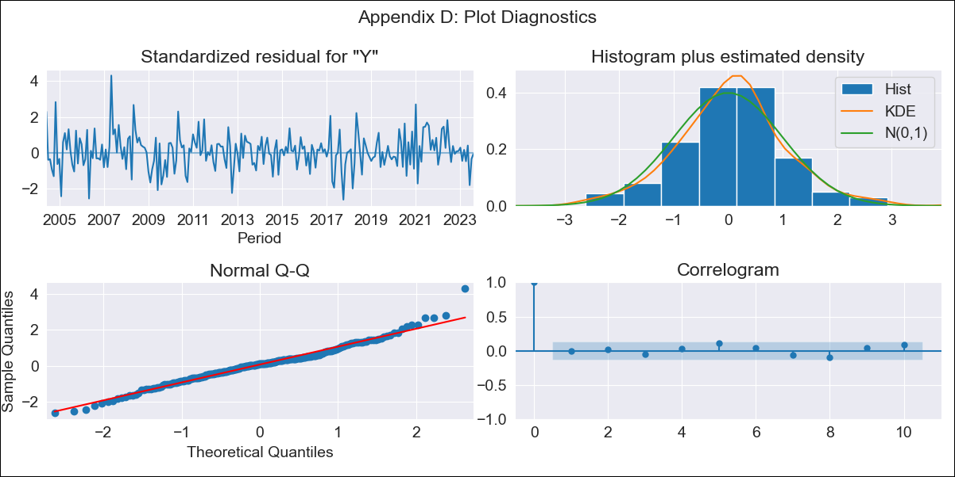
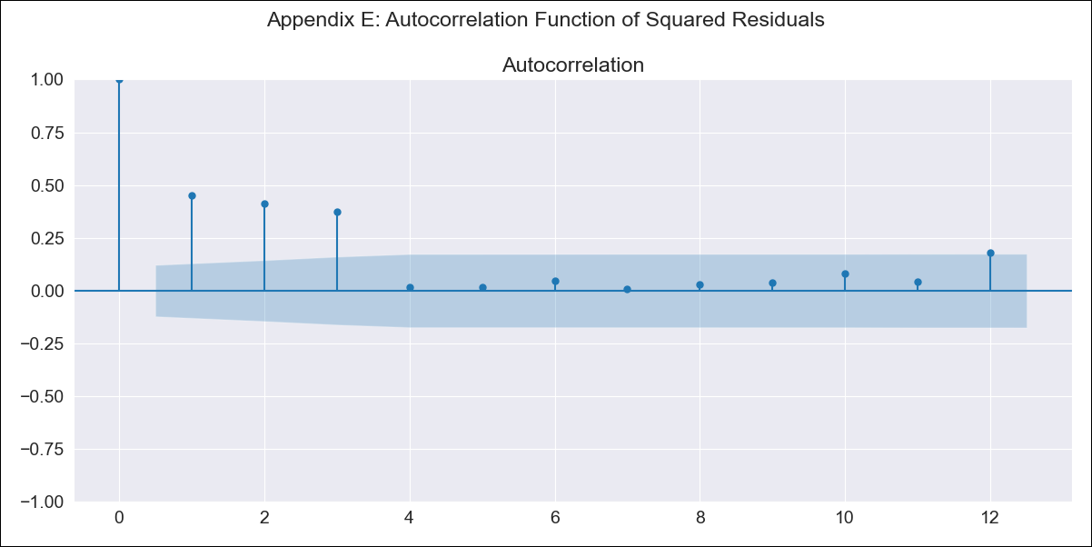
per02 - Inflation - Next 12 months forecast as of: 2023-08-01

Model | ARIMA - [(1, 2, 1), (1, 0, 2, 12)]
Training Data | 2002-02-01 to 2022-09-01
Test Data | 2022-09-01 to 2023-08-01

Date | Inflation Change YoY % | Lower Bound - 95% Confidence Interval | Upper Bound - 95% Confidence Interval
2023-09-01 | 5.67 | 4.96 | 6.41
2023-10-01 | 5.63 | 4.45 | 6.92
2023-11-01 | 5.64 | 4.06 | 7.41
2023-12-01 | 5.57 | 3.67 | 7.76
2024-01-01 | 5.56 | 3.38 | 8.15
2024-02-01 | 5.63 | 3.17 | 8.62
2024-03-01 | 5.64 | 2.93 | 9.01
2024-04-01 | 5.69 | 2.73 | 9.43
2024-05-01 | 5.59 | 2.44 | 9.67
2024-06-01 | 6 | 2.53 | 10.56
2024-07-01 | 6.27 | 2.51 | 11.28
2024-08-01 | 6.53 | 2.48 | 11.98

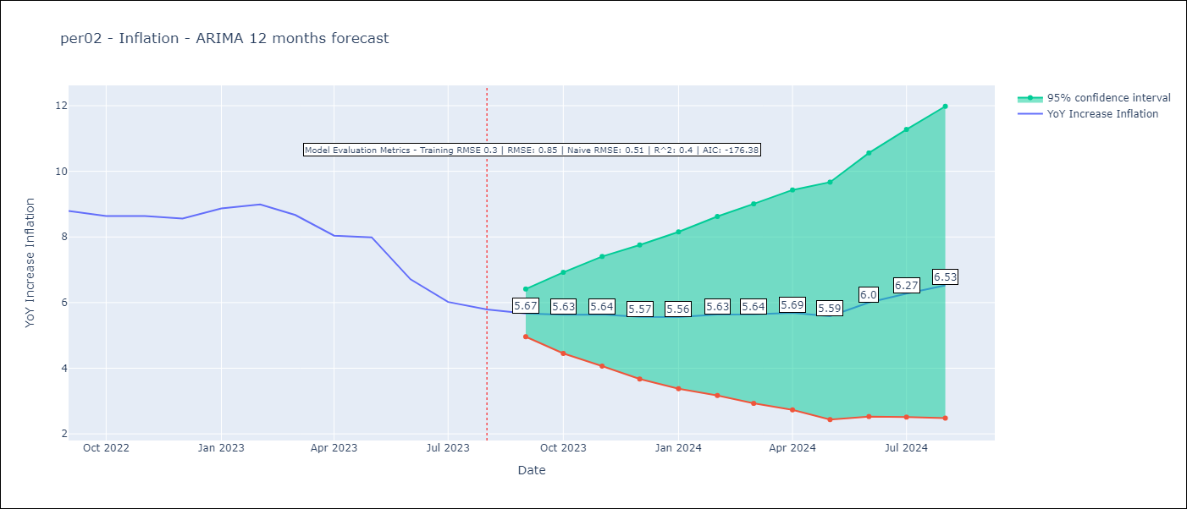

Test Metrics
RMSE | 0.85
Naive RMSE | 0.51
R^2 | 0.4

Test Predictions
Date | Predicted | Actual
2022-09-01 | 8.68 | 8.79
2022-10-01 | 8.57 | 8.64
2022-11-01 | 8.6 | 8.64
2022-12-01 | 8.54 | 8.56
2023-01-01 | 8.77 | 8.87
2023-02-01 | 9.12 | 8.99
2023-03-01 | 8.85 | 8.67
2023-04-01 | 8.5 | 8.04
2023-05-01 | 8.44 | 7.99
2023-06-01 | 7.95 | 6.71
2023-07-01 | 7.71 | 6.02
2023-08-01 | 7.72 | 5.79

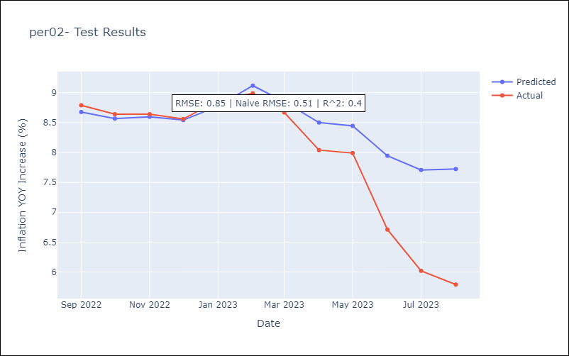

Appendix A: Model Summary
Model | ARIMA(1, 2, 1)x(1, 0, [1, 2], 12)
Sample | 02-01-2002- 08-01-2023
No. of Observations | 259
Terms | P-value (Statistical significance)
ar.L1 | 0.000
ma.L1 | 0.000
ar.S.L12 | 0.000
ma.S.L12 | 0.714
ma.S.L24 | 0.000
sigma2 | 0.000
Assumptions | P-value | Interpretation
Ljung-Box (L1) | 0.87 | Residuals are independent.
Heteroskedasticity | 0.11 | Residuals have the same variance.
Jarque-Bera | 0.00 | Residuals are not normally distributed.
Skew | 0.29 | Positive skew - model underestimates the mean.
Kurtosis | 4.37 | Residuals contain more extreme outliers than in a normal distribution.

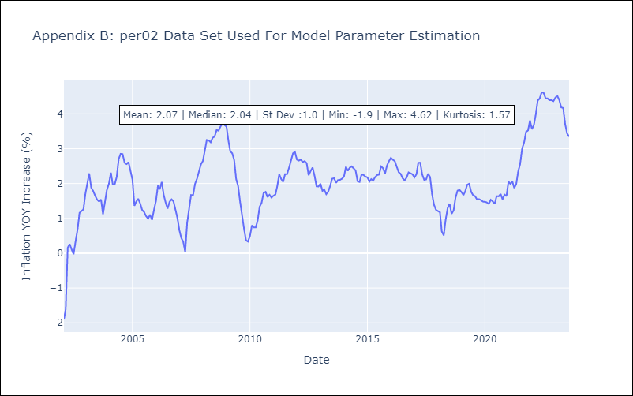

Appendix C: Residuals Analysis
Mean | 0.01
Variance | 0.09
White Noise? | No - Correlation at Lags [ 1 2 3 4 5 6 7 8 9 10 11 12]
Heteroskedastic? - ARCH | Yes
Normal? | No

