colraw
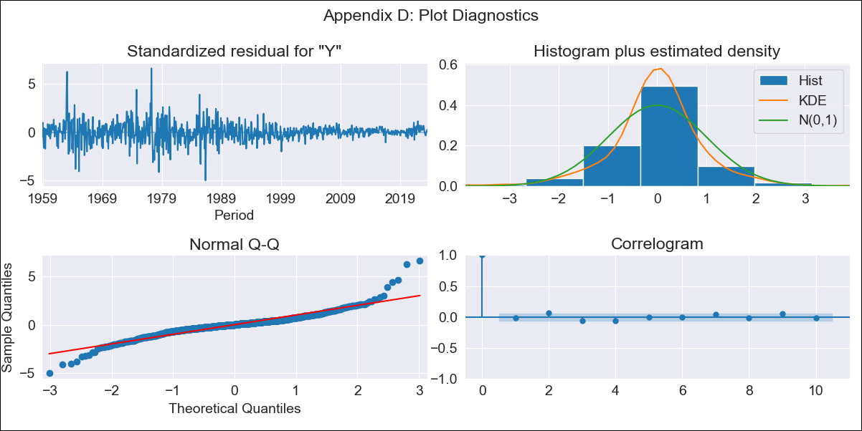
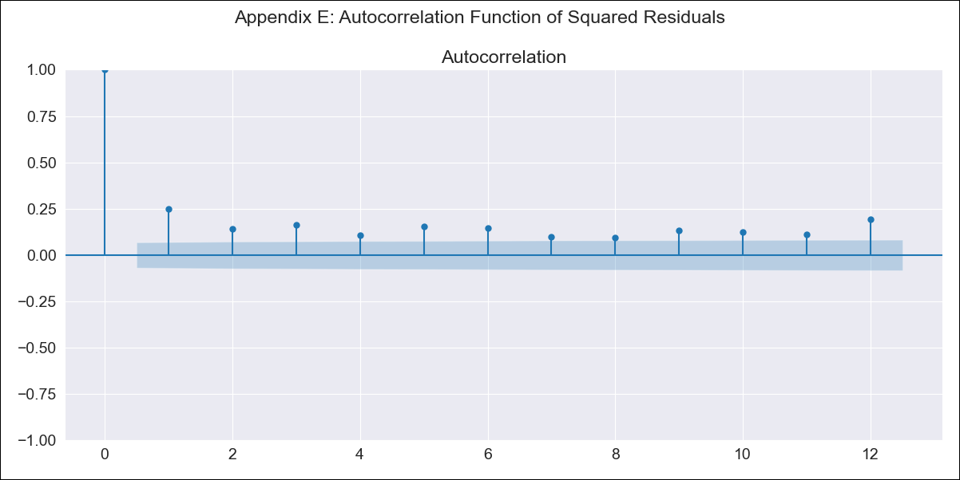
colraw - Inflation - Next 12 months forecast as of: 2023-08-01

Model | ARIMA - [(1, 2, 1), (1, 0, 3, 12)]
Training Data | 1955-07-01 to 2022-09-01
Test Data | 2022-09-01 to 2023-08-01

Date | Inflation Change YoY % | Lower Bound - 95% Confidence Interval | Upper Bound - 95% Confidence Interval
2023-09-01 | 11.18 | 9.79 | 12.57
2023-10-01 | 10.92 | 8.35 | 13.49
2023-11-01 | 10.65 | 6.99 | 14.32
2023-12-01 | 10.14 | 5.46 | 14.82
2024-01-01 | 9.5 | 3.88 | 15.12
2024-02-01 | 9.09 | 2.58 | 15.59
2024-03-01 | 8.94 | 1.59 | 16.29
2024-04-01 | 9.08 | 0.92 | 17.25
2024-05-01 | 9.46 | 0.51 | 18.41
2024-06-01 | 9.64 | -0.09 | 19.37
2024-07-01 | 9.69 | -0.79 | 20.18
2024-08-01 | 9.59 | -1.64 | 20.83

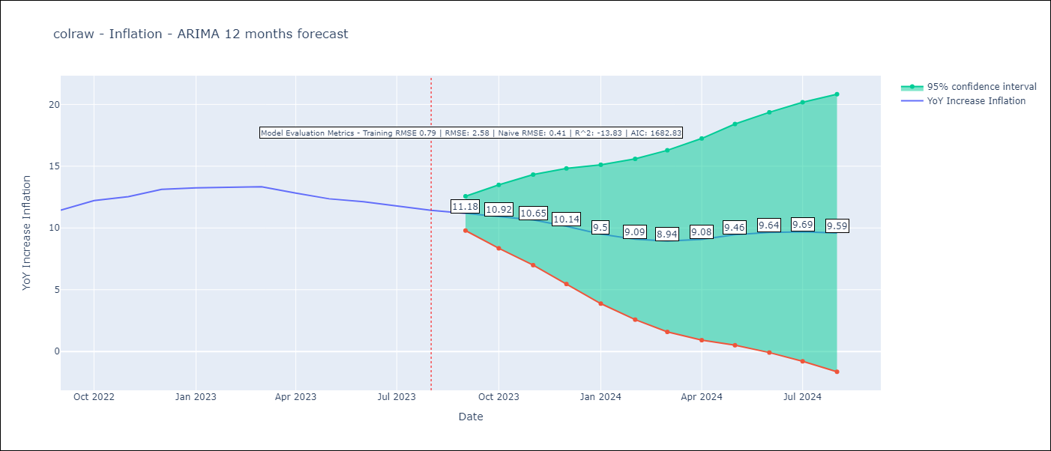

Test Metrics
RMSE | 2.58
Naive RMSE | 0.41
R^2 | -13.83

Test Predictions
Date | Predicted | Actual
2022-09-01 | 11.28 | 11.44
2022-10-01 | 11.79 | 12.22
2022-11-01 | 11.74 | 12.53
2022-12-01 | 11.65 | 13.12
2023-01-01 | 10.93 | 13.25
2023-02-01 | 10.37 | 13.28
2023-03-01 | 10.11 | 13.34
2023-04-01 | 9.55 | 12.82
2023-05-01 | 9.26 | 12.36
2023-06-01 | 9.06 | 12.13
2023-07-01 | 8.57 | 11.78
2023-08-01 | 7.91 | 11.43

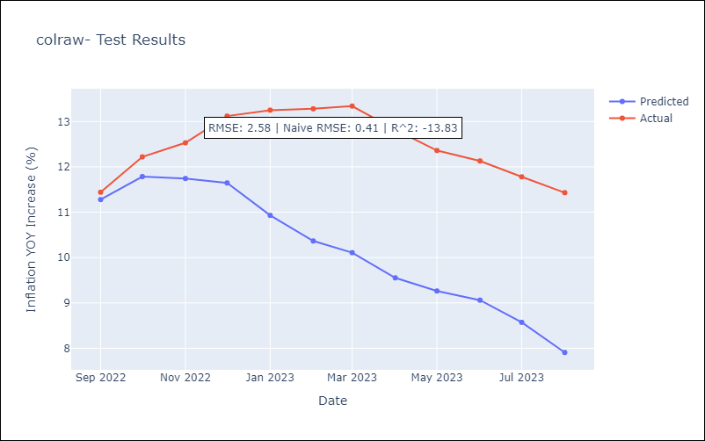

Appendix A: Model Summary
Model | ARIMA(1, 2, 1)x(1, 0, [1, 2, 3], 12)
Sample | 07-01-1955- 08-01-2023
No. of Observations | 818
Terms | P-value (Statistical significance)
ar.L1 | 0.000
ma.L1 | 0.000
ar.S.L12 | 0.000
ma.S.L12 | 0.000
ma.S.L24 | 0.000
ma.S.L36 | 0.002
sigma2 | 0.000
Assumptions | P-value | Interpretation
Ljung-Box (L1) | 0.73 | Residuals are independent.
Heteroskedasticity | 0.00 | Residuals have different variances.
Jarque-Bera | 0.00 | Residuals are not normally distributed.
Skew | 0.45 | Positive skew - model underestimates the mean.
Kurtosis | 10.09 | Residuals contain more extreme outliers than in a normal distribution.

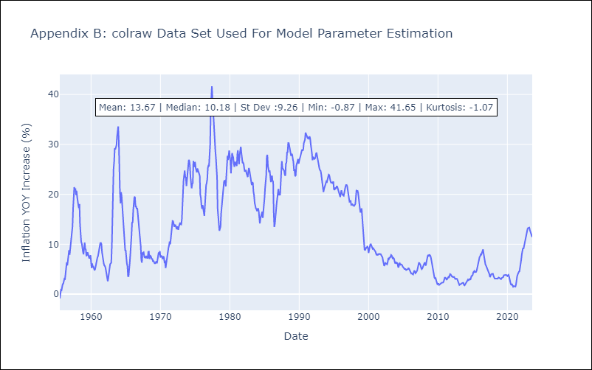

Appendix C: Residuals Analysis
Mean | 0.01
Variance | 0.61
White Noise? | No - Correlation at Lags [ 1 2 3 4 5 6 7 8 9 10 11 12]
Heteroskedastic? - ARCH | Yes
Normal? | No

