col_lt
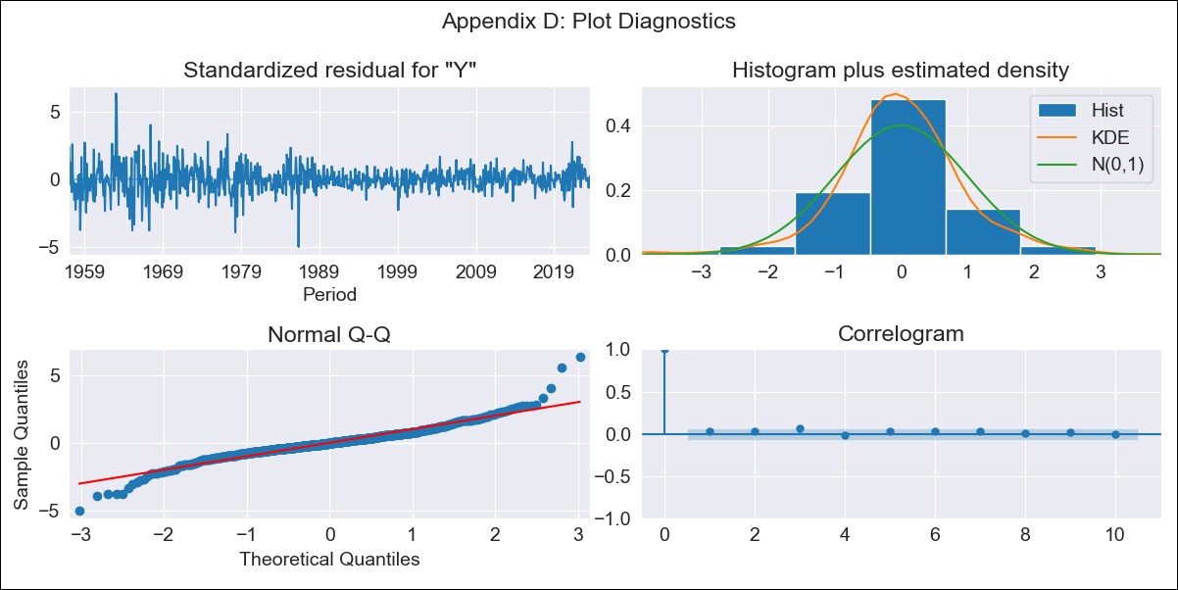
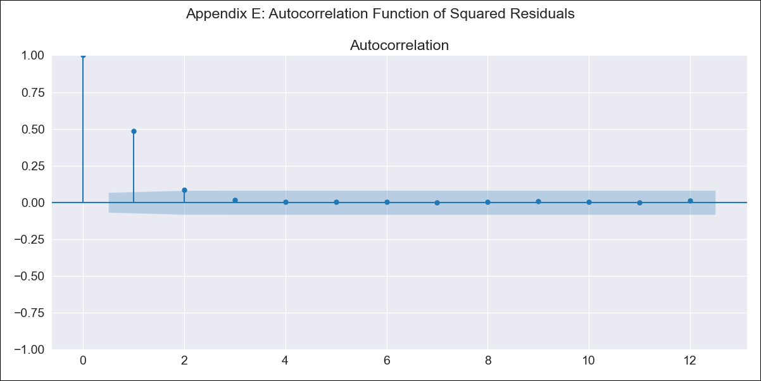
col_lt - Inflation - Next 12 months forecast as of: 2023-08-01

Model | ARIMA - [(0, 2, 3), (0, 0, 1, 12)]
Training Data | 1955-07-01 to 2022-09-01
Test Data | 2022-09-01 to 2023-08-01

Date | Inflation Change YoY % | Lower Bound - 95% Confidence Interval | Upper Bound - 95% Confidence Interval
2023-09-01 | 11.31 | 10.06 | 12.65
2023-10-01 | 11.37 | 9.17 | 13.86
2023-11-01 | 11.34 | 8.31 | 14.97
2023-12-01 | 11.07 | 7.45 | 15.6
2024-01-01 | 10.69 | 6.62 | 16
2024-02-01 | 10.55 | 6.05 | 16.66
2024-03-01 | 10.64 | 5.68 | 17.6
2024-04-01 | 10.74 | 5.35 | 18.56
2024-05-01 | 10.83 | 5.03 | 19.52
2024-06-01 | 11.22 | 4.91 | 20.94
2024-07-01 | 11.5 | 4.73 | 22.22
2024-08-01 | 11.61 | 4.45 | 23.27

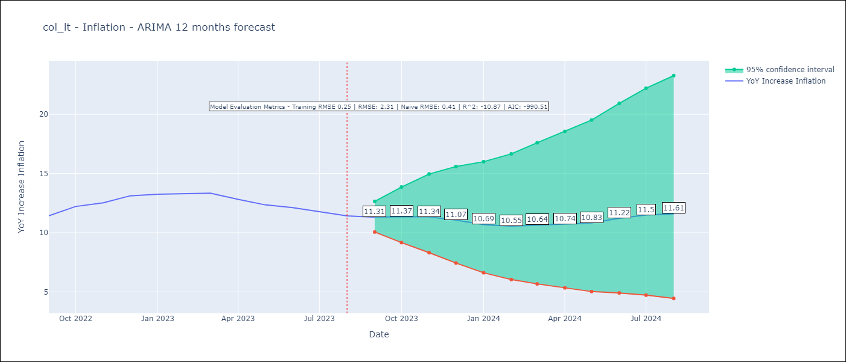

Test Metrics
RMSE | 2.31
Naive RMSE | 0.41
R^2 | -10.87

Test Predictions
Date | Predicted | Actual
2022-09-01 | 11.33 | 11.44
2022-10-01 | 12 | 12.22
2022-11-01 | 11.95 | 12.53
2022-12-01 | 11.78 | 13.12
2023-01-01 | 11.03 | 13.25
2023-02-01 | 10.56 | 13.28
2023-03-01 | 10.44 | 13.34
2023-04-01 | 9.84 | 12.82
2023-05-01 | 9.3 | 12.36
2023-06-01 | 9.33 | 12.13
2023-07-01 | 9.1 | 11.78
2023-08-01 | 8.67 | 11.43

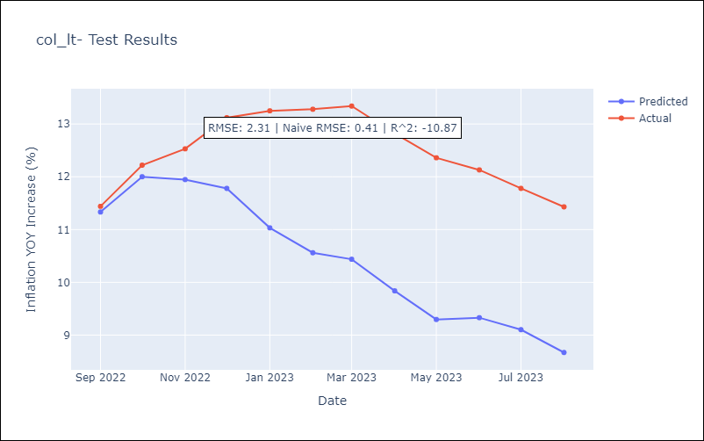

Appendix A: Model Summary
Model | ARIMA(0, 2, 3)x(0, 0, [1], 12)
Sample | 07-01-1955- 08-01-2023
No. of Observations | 818
Terms | P-value (Statistical significance)
ma.L1 | 0.000
ma.L2 | 0.000
ma.L3 | 0.000
ma.S.L12 | 0.000
sigma2 | 0.000
Assumptions | P-value | Interpretation
Ljung-Box (L1) | 0.47 | Residuals are independent.
Heteroskedasticity | 0.00 | Residuals have different variances.
Jarque-Bera | 0.00 | Residuals are not normally distributed.
Skew | 0.27 | Positive skew - model underestimates the mean.
Kurtosis | 8.03 | Residuals contain more extreme outliers than in a normal distribution.

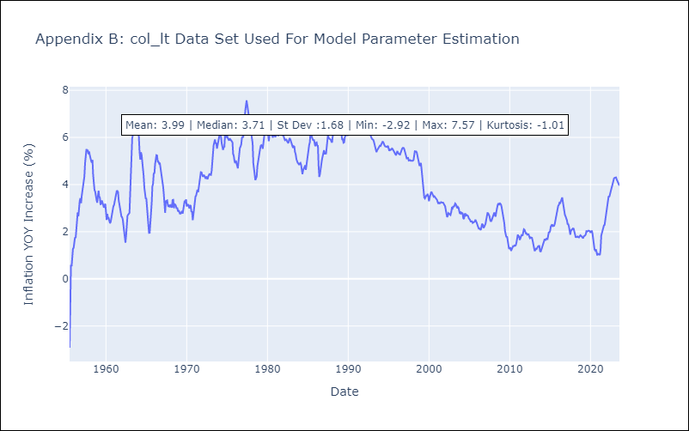

Appendix C: Residuals Analysis
Mean | -0.0
Variance | 0.06
White Noise? | No - Correlation at Lags [ 1 2 3 4 5 6 7 8 9 10 11 12]
Heteroskedastic? - ARCH | Yes
Normal? | No

