col_exog_raw
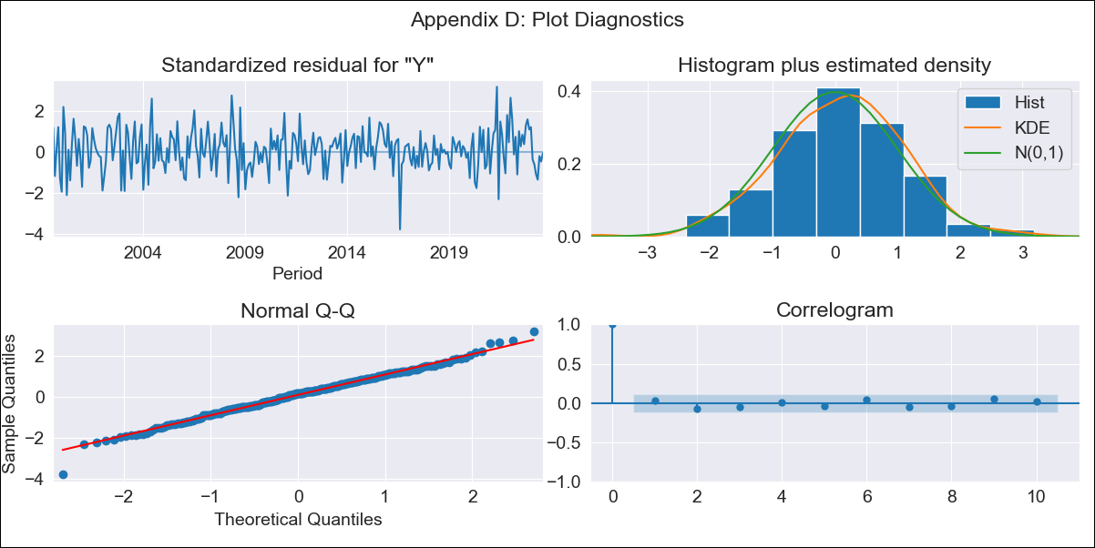
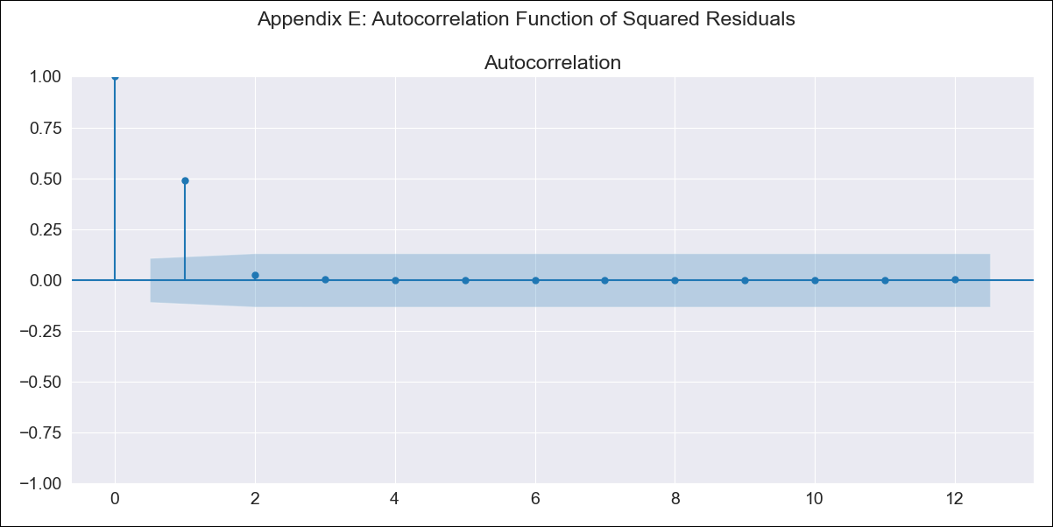
col_exog_raw - Inflation - Next 12 months forecast as of: 2023-08-01

Model | SARIMAX - [(1, 2, 1), (1, 0, 3, 12)] | Exogenous Variables | Exchange rates (nominal), Monetary Policiy rate, M1 money supply ($mm local currency)
Training Data | 1996-04-01 to 2022-09-01
Test Data | 2022-09-01 to 2023-08-01

Date | Inflation Change YoY % | Lower Bound - 95% Confidence Interval | Upper Bound - 95% Confidence Interval
2023-09-01 | 11.25 | 10.77 | 11.72
2023-10-01 | 11.1 | 10.21 | 11.99
2023-11-01 | 10.95 | 9.66 | 12.25
2023-12-01 | 10.63 | 8.95 | 12.3
2024-01-01 | 10.2 | 8.15 | 12.24
2024-02-01 | 9.91 | 7.51 | 12.32
2024-03-01 | 9.86 | 7.1 | 12.61
2024-04-01 | 10.07 | 6.97 | 13.17
2024-05-01 | 10.5 | 7.05 | 13.95
2024-06-01 | 10.72 | 6.92 | 14.51
2024-07-01 | 10.88 | 6.74 | 15.02
2024-08-01 | 10.93 | 6.44 | 15.42

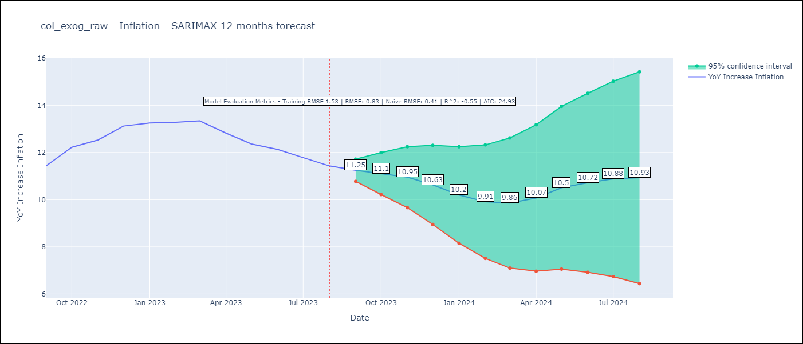

Test Metrics
RMSE | 0.83
Naive RMSE | 0.41
R^2 | -0.55

Test Predictions
Date | Predicted | Actual
2022-09-01 | 11.15 | 11.44
2022-10-01 | 11.9 | 12.22
2022-11-01 | 12.38 | 12.53
2022-12-01 | 12.61 | 13.12
2023-01-01 | 12.46 | 13.25
2023-02-01 | 12.48 | 13.28
2023-03-01 | 12.63 | 13.34
2023-04-01 | 12.61 | 12.82
2023-05-01 | 12.87 | 12.36
2023-06-01 | 13.1 | 12.13
2023-07-01 | 13.17 | 11.78
2023-08-01 | 13.14 | 11.43

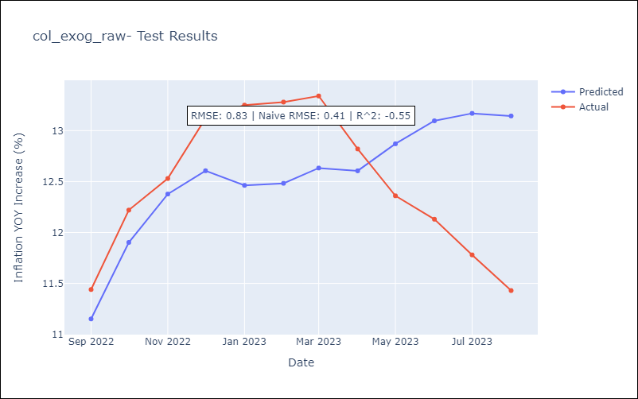

Appendix A: Model Summary
Model | SARIMAX(1, 2, 1)x(1, 0, [1, 2, 3], 12)
Sample | 04-01-1996- 08-01-2023
No. of Observations | 329
Terms | P-value (Statistical significance)
Exchange rates (nominal) | 0.467
Monetary Policiy rate | 0.000
M1 money supply ($mm local currency) | 0.242
ar.L1 | 0.000
ma.L1 | 0.000
ar.S.L12 | 0.000
ma.S.L12 | 0.000
ma.S.L24 | 0.000
ma.S.L36 | 0.624
sigma2 | 0.000
Assumptions | P-value | Interpretation
Ljung-Box (L1) | 0.66 | Residuals are independent.
Heteroskedasticity | 0.45 | Residuals have the same variance.
Jarque-Bera | 0.14 | Residuals are normally distributed.
Skew | -0.14 | Negative skew - Model overestimates the mean.
Kurtosis | 3.51 | Residuals contain more extreme outliers than in a normal distribution.

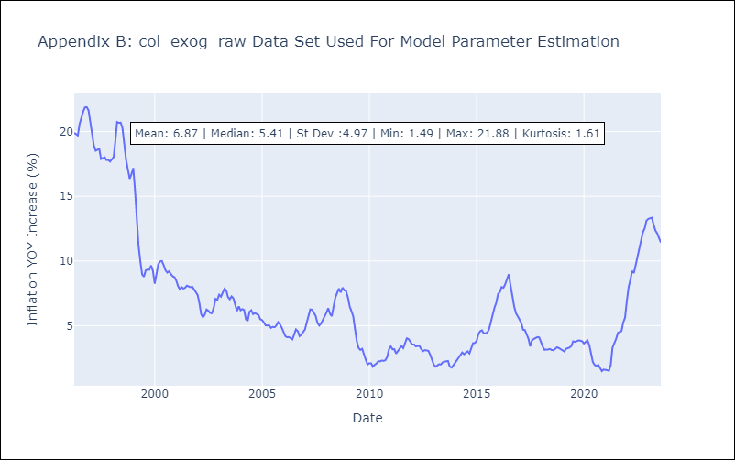

Appendix C: Residuals Analysis
Mean | 0.04
Variance | 2.26
White Noise? | No - Correlation at Lags [ 1 2 3 4 5 6 7 8 9 10 11 12]
Heteroskedastic? - ARCH | Yes
Normal? | No

