col_exog_lt
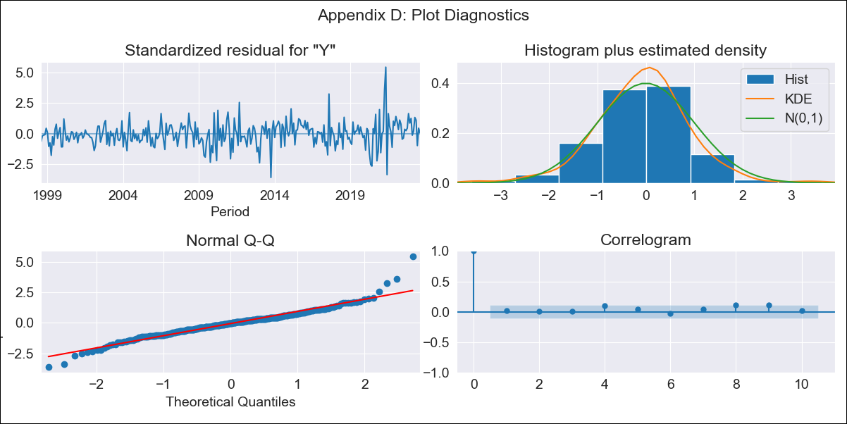

col_exog_lt - Inflation - Next 12 months forecast as of: 2023-08-01

Model | SARIMAX - [(1, 1, 2), (0, 0, 2, 12)] | Exogenous Variables | Exchange rates (nominal), Monetary Policiy rate, M1 money supply ($mm local currency)
Training Data | 1996-04-01 to 2022-09-01
Test Data | 2022-09-01 to 2023-08-01

Date | Inflation Change YoY % | Lower Bound - 95% Confidence Interval | Upper Bound - 95% Confidence Interval
2023-09-01 | 11.02 | 9.57 | 12.77
2023-10-01 | 11.12 | 8.64 | 14.63
2023-11-01 | 11.3 | 8.06 | 16.5
2023-12-01 | 10.83 | 7.22 | 17.2
2024-01-01 | 10.31 | 6.5 | 17.63
2024-02-01 | 9.94 | 5.96 | 18.18
2024-03-01 | 9.74 | 5.57 | 19.01
2024-04-01 | 9.29 | 5.11 | 19.13
2024-05-01 | 8.67 | 4.62 | 18.61
2024-06-01 | 8.72 | 4.46 | 19.85
2024-07-01 | 8.58 | 4.24 | 20.54
2024-08-01 | 8.28 | 3.97 | 20.63

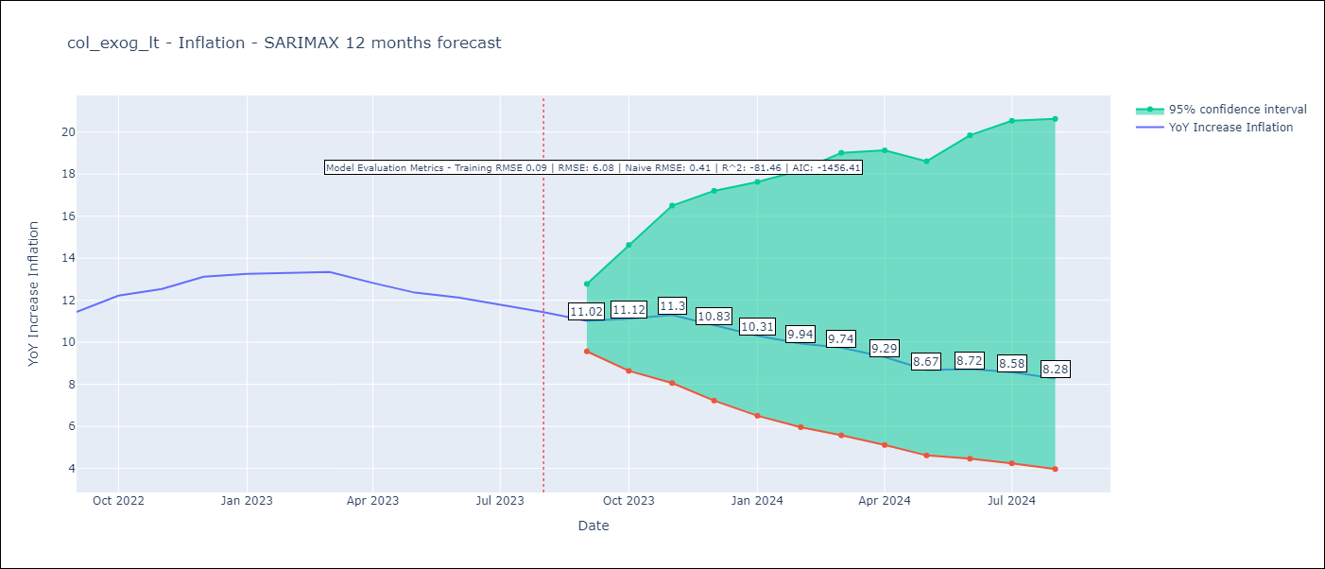

Test Metrics
RMSE | 6.08
Naive RMSE | 0.41
R^2 | -81.46

Test Predictions
Date | Predicted | Actual
2022-09-01 | 10.86 | 11.44
2022-10-01 | 12.77 | 12.22
2022-11-01 | 15.04 | 12.53
2022-12-01 | 15.48 | 13.12
2023-01-01 | 15.85 | 13.25
2023-02-01 | 17.77 | 13.28
2023-03-01 | 19.75 | 13.34
2023-04-01 | 18.95 | 12.82
2023-05-01 | 17.67 | 12.36
2023-06-01 | 20.53 | 12.13
2023-07-01 | 21.86 | 11.78
2023-08-01 | 22.61 | 11.43

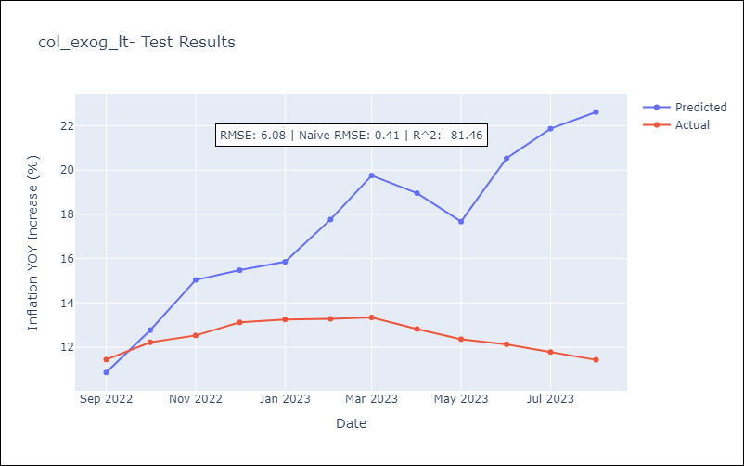

Appendix A: Model Summary
Model | SARIMAX(1, 1, 2)x(0, 0, 2, 12)
Sample | 04-01-1996- 08-01-2023
No. of Observations | 329
Terms | P-value (Statistical significance)
Exchange rates (nominal) | 0.985
Monetary Policiy rate | 0.002
M1 money supply ($mm local currency) | 0.113
ar.L1 | 0.020
ma.L1 | 0.664
ma.L2 | 0.227
ma.S.L12 | 0.000
ma.S.L24 | 0.020
sigma2 | 0.000
Assumptions | P-value | Interpretation
Ljung-Box (L1) | 0.71 | Residuals are independent.
Heteroskedasticity | 0.00 | Residuals have different variances.
Jarque-Bera | 0.00 | Residuals are not normally distributed.
Skew | 0.43 | Positive skew - model underestimates the mean.
Kurtosis | 6.88 | Residuals contain more extreme outliers than in a normal distribution.

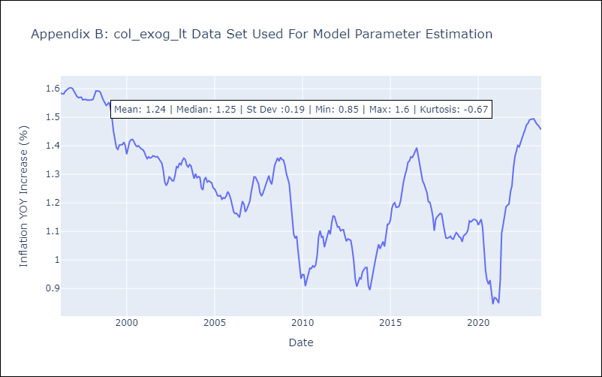

Appendix C: Residuals Analysis
Mean | 0.0
Variance | 0.01
White Noise? | No - Correlation at Lags [ 1 2 3 4 5 6 7 8 9 10 11 12]
Heteroskedastic? - ARCH | Yes
Normal? | No

