col_exog_arima
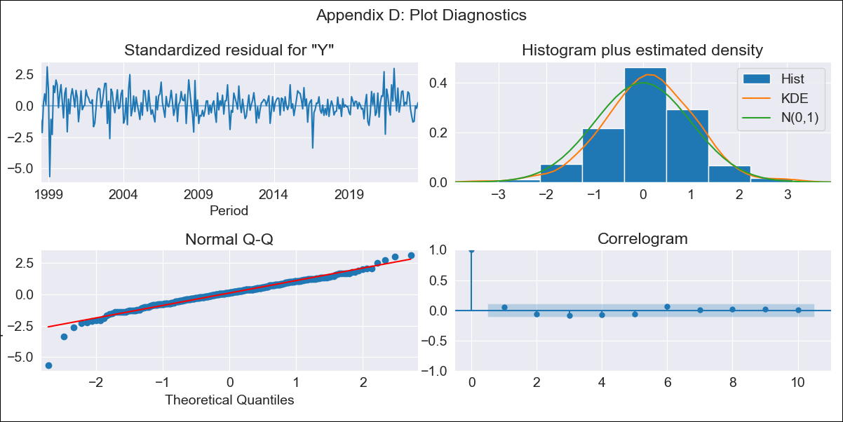
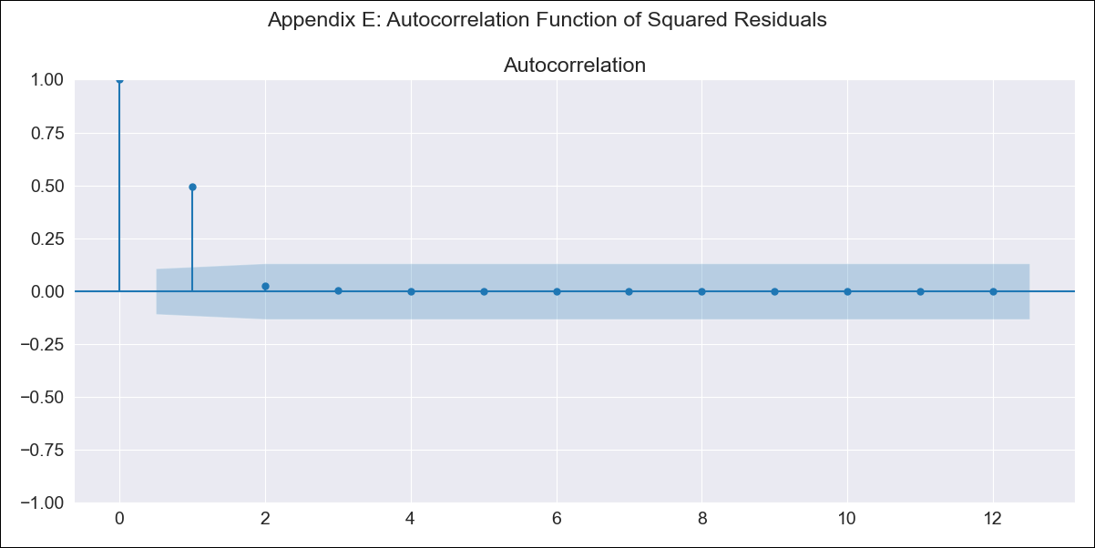
col_exog_arima - Inflation - Next 12 months forecast as of: 2023-08-01

Model | ARIMA - [(1, 2, 1), (2, 0, 1, 12)]
Training Data | 1996-04-01 to 2022-09-01
Test Data | 2022-09-01 to 2023-08-01

Date | Inflation Change YoY % | Lower Bound - 95% Confidence Interval | Upper Bound - 95% Confidence Interval
2023-09-01 | 11.27 | 10.73 | 11.82
2023-10-01 | 11.13 | 10.08 | 12.17
2023-11-01 | 11.02 | 9.48 | 12.56
2023-12-01 | 10.74 | 8.72 | 12.76
2024-01-01 | 10.34 | 7.85 | 12.83
2024-02-01 | 10.14 | 7.19 | 13.09
2024-03-01 | 10.19 | 6.78 | 13.59
2024-04-01 | 10.51 | 6.65 | 14.37
2024-05-01 | 11.03 | 6.72 | 15.35
2024-06-01 | 11.32 | 6.55 | 16.09
2024-07-01 | 11.58 | 6.35 | 16.82
2024-08-01 | 11.74 | 6.04 | 17.43

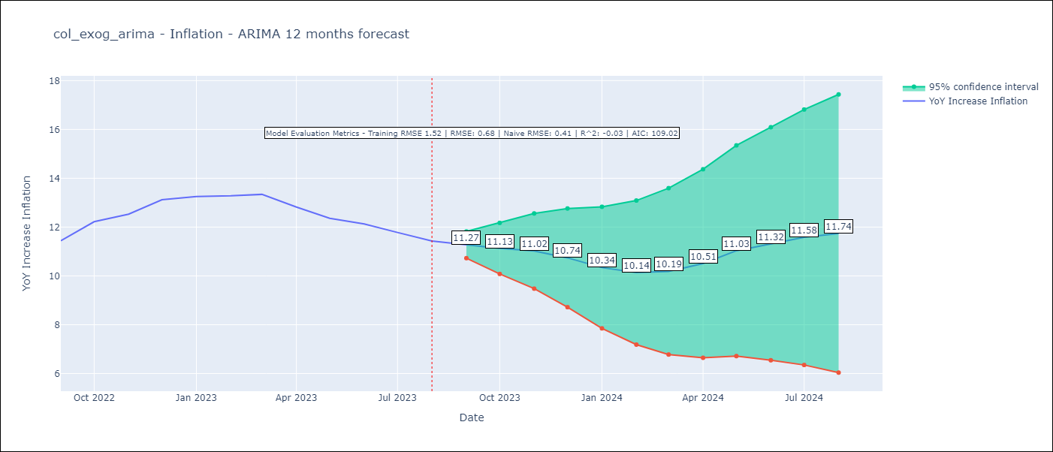

Test Metrics
RMSE | 0.68
Naive RMSE | 0.41
R^2 | -0.03

Test Predictions
Date | Predicted | Actual
2022-09-01 | 11.45 | 11.44
2022-10-01 | 12.15 | 12.22
2022-11-01 | 12.39 | 12.53
2022-12-01 | 12.63 | 13.12
2023-01-01 | 12.25 | 13.25
2023-02-01 | 12.01 | 13.28
2023-03-01 | 12.1 | 13.34
2023-04-01 | 11.93 | 12.82
2023-05-01 | 12.03 | 12.36
2023-06-01 | 12.12 | 12.13
2023-07-01 | 12.05 | 11.78
2023-08-01 | 11.83 | 11.43

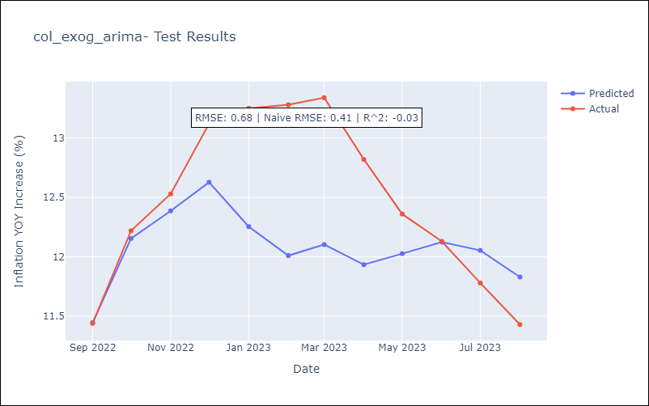

Appendix A: Model Summary
Model | ARIMA(1, 2, 1)x(2, 0, 1, 12)
Sample | 04-01-1996- 08-01-2023
No. of Observations | 329
Terms | P-value (Statistical significance)
ar.L1 | 0.000
ma.L1 | 0.000
ar.S.L12 | 0.081
ar.S.L24 | 0.123
ma.S.L12 | 0.000
sigma2 | 0.000
Assumptions | P-value | Interpretation
Ljung-Box (L1) | 0.41 | Residuals are independent.
Heteroskedasticity | 0.00 | Residuals have different variances.
Jarque-Bera | 0.00 | Residuals are not normally distributed.
Skew | -0.70 | Negative skew - Model overestimates the mean.
Kurtosis | 6.70 | Residuals contain more extreme outliers than in a normal distribution.

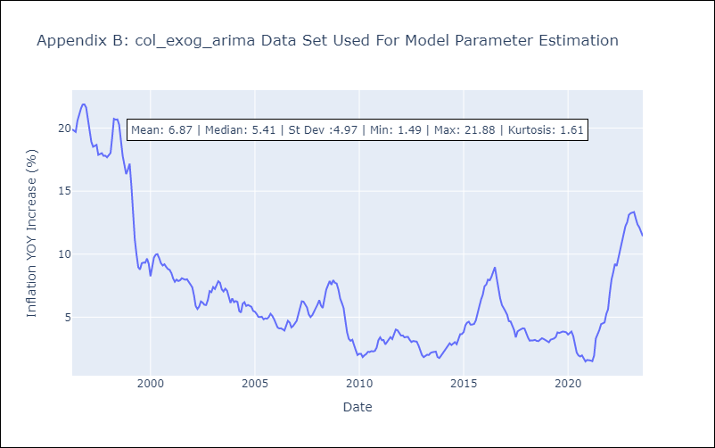

Appendix C: Residuals Analysis
Mean | 0.04
Variance | 2.25
White Noise? | No - Correlation at Lags [ 1 2 3 4 5 6 7 8 9 10 11 12]
Heteroskedastic? - ARCH | Yes
Normal? | No

