col_exog_arima_lt
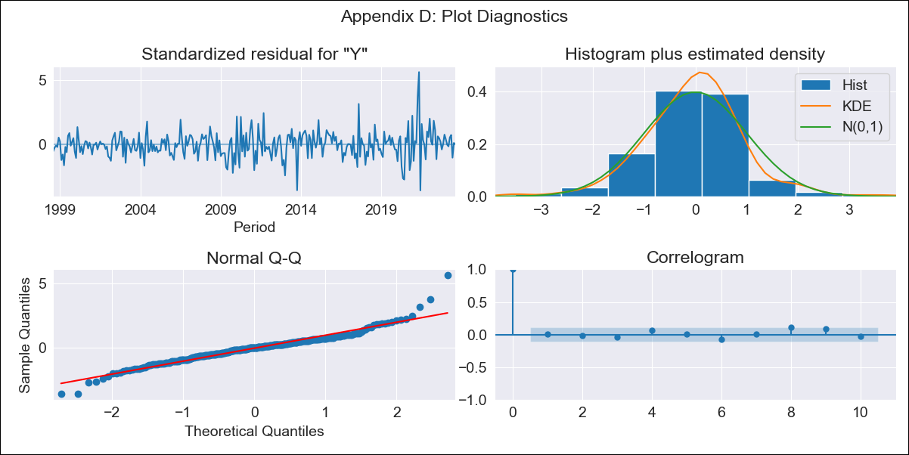

col_exog_arima_lt - Inflation - Next 12 months forecast as of: 2023-08-01

Model | ARIMA - [(1, 1, 2), (0, 0, 2, 12)]
Training Data | 1996-04-01 to 2022-09-01
Test Data | 2022-09-01 to 2023-08-01

Date | Inflation Change YoY % | Lower Bound - 95% Confidence Interval | Upper Bound - 95% Confidence Interval
2023-09-01 | 11.19 | 9.69 | 12.99
2023-10-01 | 11.29 | 8.74 | 14.93
2023-11-01 | 11.23 | 7.96 | 16.51
2023-12-01 | 10.8 | 7.12 | 17.44
2024-01-01 | 10.29 | 6.35 | 18.11
2024-02-01 | 10.03 | 5.81 | 19.29
2024-03-01 | 9.95 | 5.41 | 20.95
2024-04-01 | 9.56 | 4.92 | 21.83
2024-05-01 | 9.03 | 4.41 | 22.15
2024-06-01 | 9.12 | 4.21 | 24.64
2024-07-01 | 9.08 | 3.97 | 26.87
2024-08-01 | 8.92 | 3.7 | 28.73

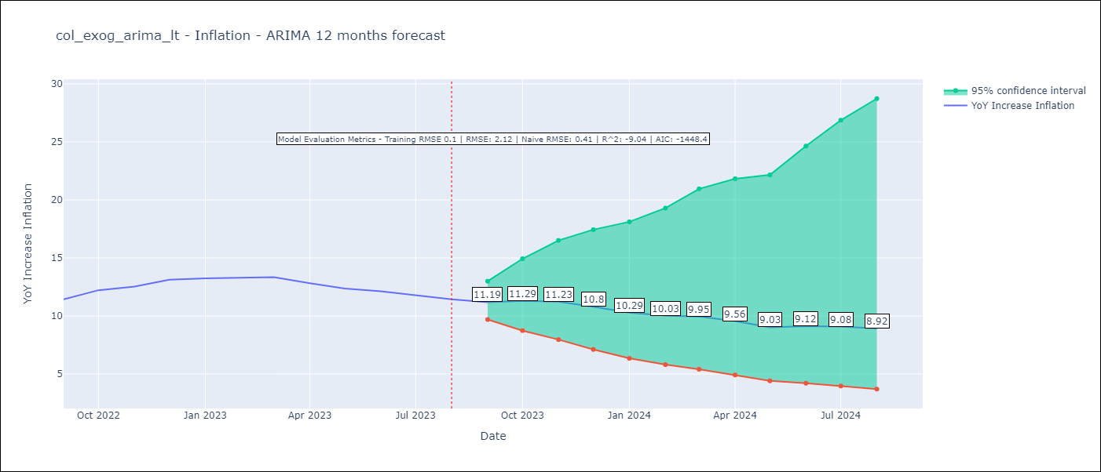

Test Metrics
RMSE | 2.12
Naive RMSE | 0.41
R^2 | -9.04

Test Predictions
Date | Predicted | Actual
2022-09-01 | 11.15 | 11.44
2022-10-01 | 12.14 | 12.22
2022-11-01 | 12.59 | 12.53
2022-12-01 | 12.32 | 13.12
2023-01-01 | 11.68 | 13.25
2023-02-01 | 11.41 | 13.28
2023-03-01 | 11.37 | 13.34
2023-04-01 | 10.3 | 12.82
2023-05-01 | 8.99 | 12.36
2023-06-01 | 9.14 | 12.13
2023-07-01 | 8.93 | 11.78
2023-08-01 | 8.48 | 11.43

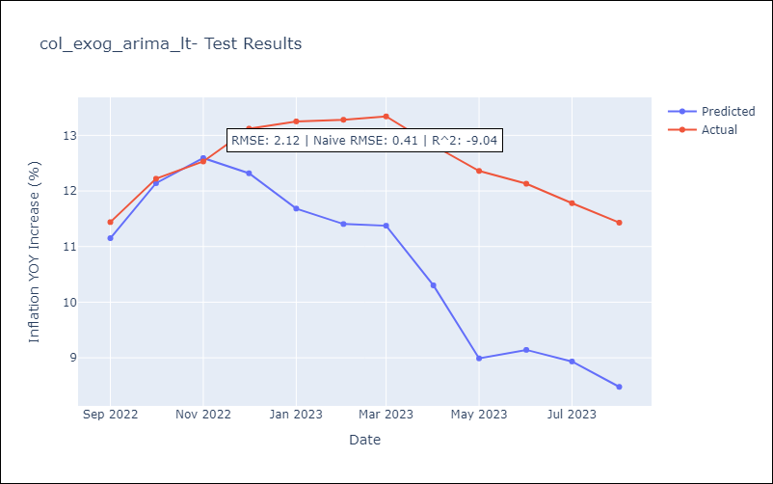

Appendix A: Model Summary
Model | ARIMA(1, 1, 2)x(0, 0, 2, 12)
Sample | 04-01-1996- 08-01-2023
No. of Observations | 329
Terms | P-value (Statistical significance)
ar.L1 | 0.000
ma.L1 | 0.000
ma.L2 | 0.000
ma.S.L12 | 0.000
ma.S.L24 | 0.153
sigma2 | 0.000
Assumptions | P-value | Interpretation
Ljung-Box (L1) | 0.99 | Residuals are independent.
Heteroskedasticity | 0.00 | Residuals have different variances.
Jarque-Bera | 0.00 | Residuals are not normally distributed.
Skew | 0.50 | Positive skew - model underestimates the mean.
Kurtosis | 7.21 | Residuals contain more extreme outliers than in a normal distribution.

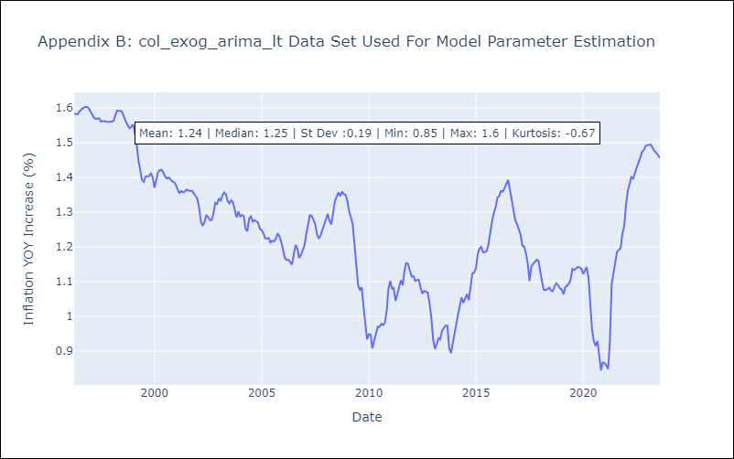

Appendix C: Residuals Analysis
Mean | 0.0
Variance | 0.01
White Noise? | No - Correlation at Lags [ 1 2 3 4 5 6 7 8 9 10 11 12]
Heteroskedastic? - ARCH | Yes
Normal? | No

