col95_lt
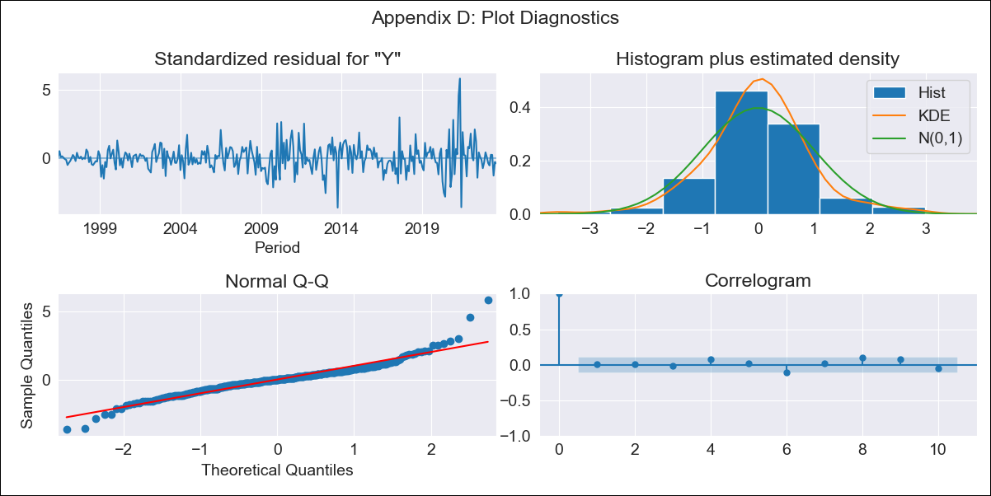

col95_lt - Inflation - Next 12 months forecast as of: 2023-08-01

Model | ARIMA - [(0, 2, 2), (1, 0, 1, 12)]
Training Data | 1995-01-01 to 2022-09-01
Test Data | 2022-09-01 to 2023-08-01

Date | Inflation Change YoY % | Lower Bound - 95% Confidence Interval | Upper Bound - 95% Confidence Interval
2023-09-01 | 3.97 | 3.65 | 4.31
2023-10-01 | 4.07 | 3.5 | 4.75
2023-11-01 | 4.17 | 3.4 | 5.15
2023-12-01 | 4.18 | 3.24 | 5.44
2024-01-01 | 4.19 | 3.1 | 5.73
2024-02-01 | 4.25 | 3 | 6.12
2024-03-01 | 4.35 | 2.93 | 6.61
2024-04-01 | 4.38 | 2.82 | 7.02
2024-05-01 | 4.38 | 2.69 | 7.39
2024-06-01 | 4.54 | 2.65 | 8.13
2024-07-01 | 4.67 | 2.6 | 8.9
2024-08-01 | 4.79 | 2.53 | 9.72

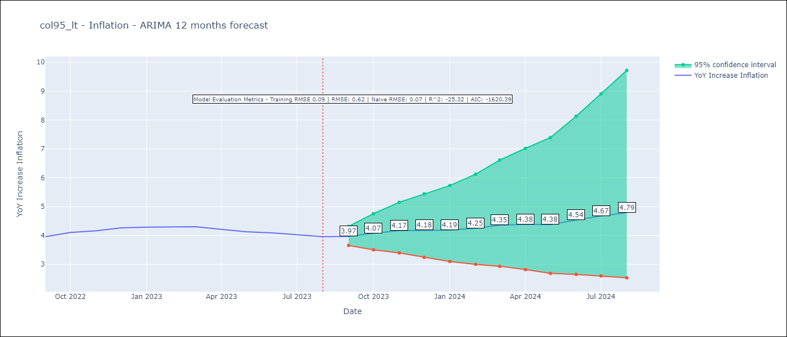

Test Metrics
RMSE | 0.62
Naive RMSE | 0.07
R^2 | -25.32

Test Predictions
Date | Predicted | Actual
2022-09-01 | 3.98 | 3.96
2022-10-01 | 4.28 | 4.1
2022-11-01 | 4.49 | 4.16
2022-12-01 | 4.58 | 4.27
2023-01-01 | 4.58 | 4.29
2023-02-01 | 4.68 | 4.29
2023-03-01 | 4.87 | 4.3
2023-04-01 | 4.8 | 4.21
2023-05-01 | 4.66 | 4.13
2023-06-01 | 4.9 | 4.09
2023-07-01 | 5.07 | 4.02
2023-08-01 | 5.17 | 3.96

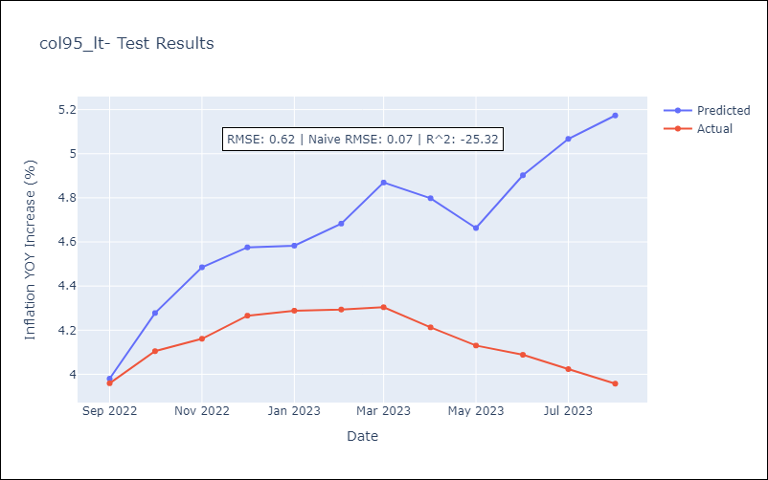

Appendix A: Model Summary
Model | ARIMA(0, 2, 2)x(1, 0, [1], 12)
Sample | 01-01-1995- 08-01-2023
No. of Observations | 344
Terms | P-value (Statistical significance)
ma.L1 | 0.000
ma.L2 | 0.000
ar.S.L12 | 0.451
ma.S.L12 | 0.000
sigma2 | 0.000
Assumptions | P-value | Interpretation
Ljung-Box (L1) | 0.83 | Residuals are independent.
Heteroskedasticity | 0.00 | Residuals have different variances.
Jarque-Bera | 0.00 | Residuals are not normally distributed.
Skew | 0.67 | Positive skew - model underestimates the mean.
Kurtosis | 8.12 | Residuals contain more extreme outliers than in a normal distribution.

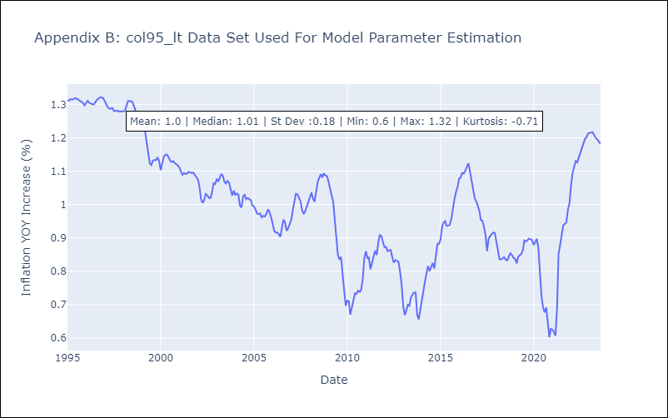

Appendix C: Residuals Analysis
Mean | 0.0
Variance | 0.01
White Noise? | No - Correlation at Lags [ 1 2 3 4 5 6 7 8 9 10 11 12]
Heteroskedastic? - ARCH | Yes
Normal? | No

