Col_2000_)lt
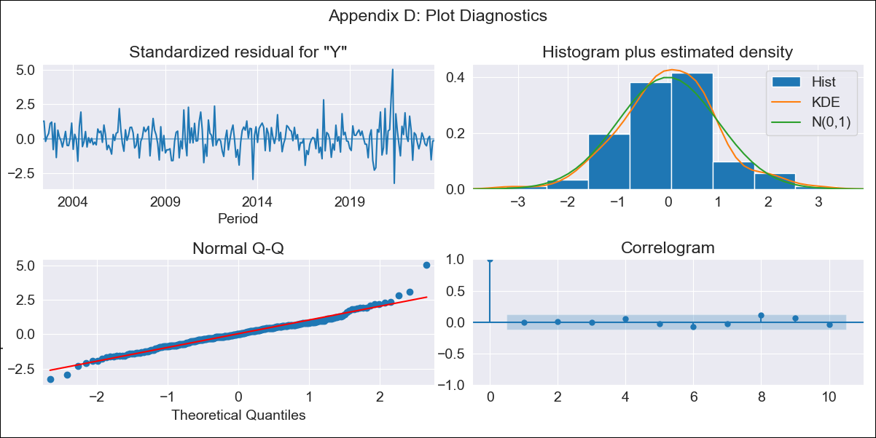

Col_2000_)lt - Inflation - Next 12 months forecast as of: 2023-08-01

Model | ARIMA - [(2, 2, 1), (0, 0, 2, 12)]
Training Data | 2000-01-01 to 2022-09-01
Test Data | 2022-09-01 to 2023-08-01

Date | Inflation Change YoY % | Lower Bound - 95% Confidence Interval | Upper Bound - 95% Confidence Interval
2023-09-01 | 11.42 | 10.21 | 12.77
2023-10-01 | 11.78 | 9.59 | 14.48
2023-11-01 | 11.98 | 9.03 | 15.93
2023-12-01 | 11.83 | 8.31 | 16.89
2024-01-01 | 11.57 | 7.58 | 17.76
2024-02-01 | 11.61 | 7.05 | 19.21
2024-03-01 | 11.86 | 6.67 | 21.27
2024-04-01 | 11.87 | 6.16 | 23.12
2024-05-01 | 11.73 | 5.6 | 24.88
2024-06-01 | 12.36 | 5.41 | 28.75
2024-07-01 | 12.79 | 5.12 | 32.76
2024-08-01 | 12.99 | 4.74 | 36.75

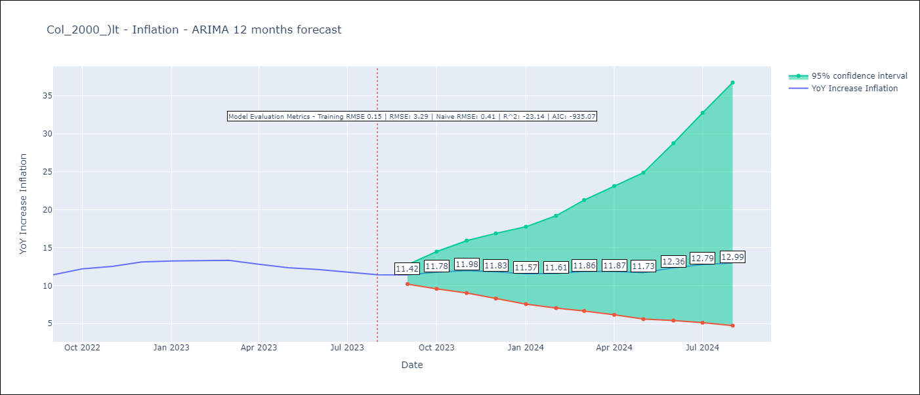

Test Metrics
RMSE | 3.29
Naive RMSE | 0.41
R^2 | -23.14

Test Predictions
Date | Predicted | Actual
2022-09-01 | 11.6 | 11.44
2022-10-01 | 13.06 | 12.22
2022-11-01 | 14.01 | 12.53
2022-12-01 | 14.59 | 13.12
2023-01-01 | 14.66 | 13.25
2023-02-01 | 15.14 | 13.28
2023-03-01 | 16.05 | 13.34
2023-04-01 | 15.83 | 12.82
2023-05-01 | 15.28 | 12.36
2023-06-01 | 16.69 | 12.13
2023-07-01 | 17.52 | 11.78
2023-08-01 | 17.81 | 11.43

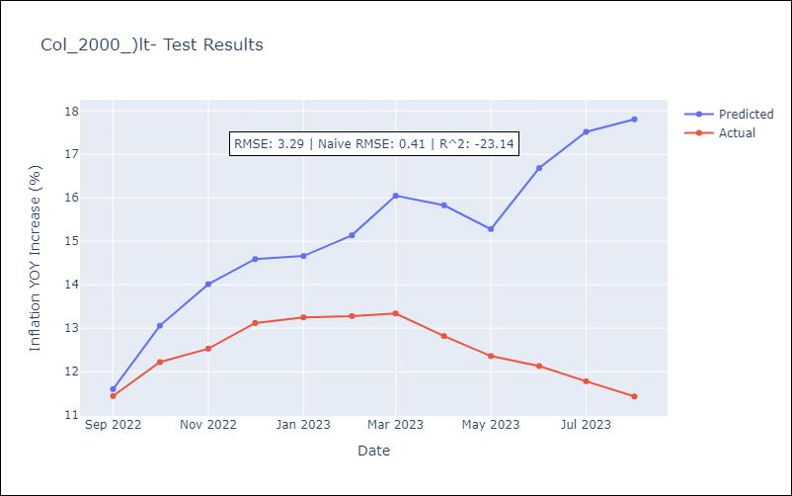

Appendix A: Model Summary
Model | ARIMA(2, 2, 1)x(0, 0, [1, 2], 12)
Sample | 01-01-2000- 08-01-2023
No. of Observations | 284
Terms | P-value (Statistical significance)
ar.L1 | 0.000
ar.L2 | 0.006
ma.L1 | 0.000
ma.S.L12 | 0.000
ma.S.L24 | 0.208
sigma2 | 0.000
Assumptions | P-value | Interpretation
Ljung-Box (L1) | 0.97 | Residuals are independent.
Heteroskedasticity | 0.00 | Residuals have different variances.
Jarque-Bera | 0.00 | Residuals are not normally distributed.
Skew | 0.44 | Positive skew - model underestimates the mean.
Kurtosis | 5.56 | Residuals contain more extreme outliers than in a normal distribution.

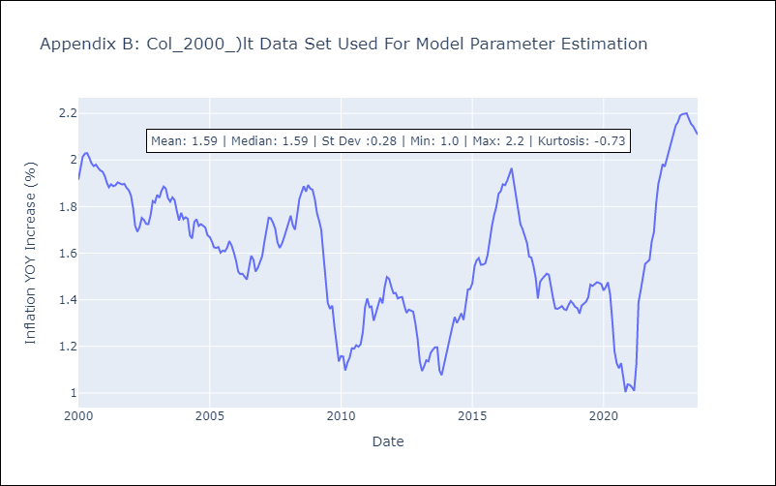

Appendix C: Residuals Analysis
Mean | 0.0
Variance | 0.02
White Noise? | No - Correlation at Lags [ 1 2 3 4 5 6 7 8 9 10 11 12]
Heteroskedastic? - ARCH | Yes
Normal? | No

