log1_col
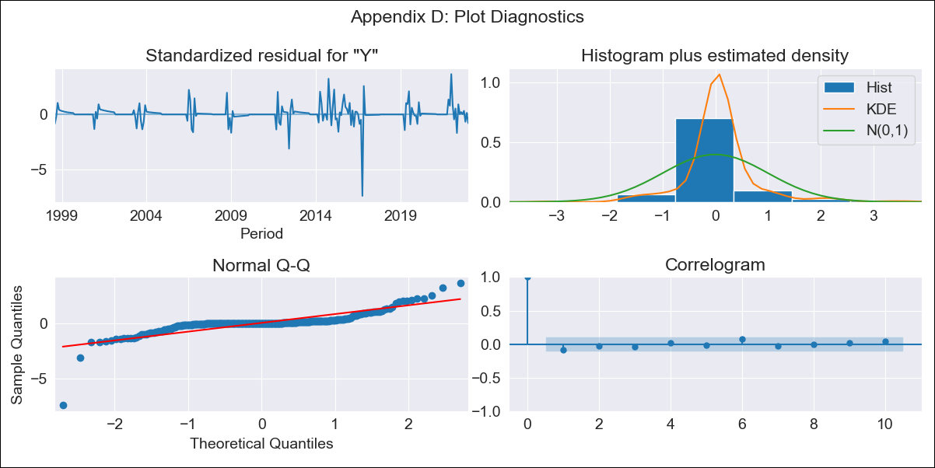
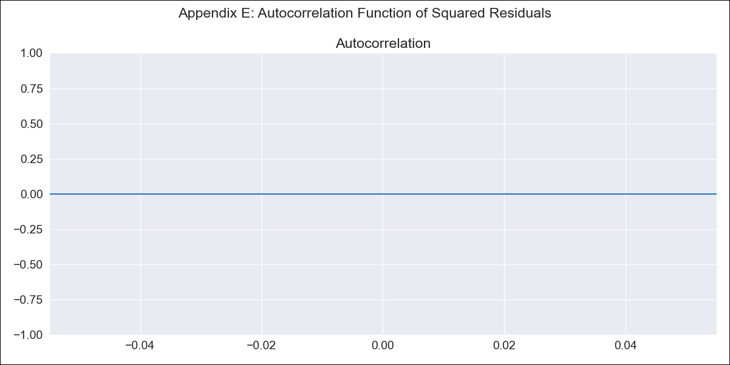
log1_col - Inflation - Next 12 months forecast as of: 2023-01-01

Model | ARIMA - [(1, 2, 2), (0, 0, 0, 12)]
Training Data | 1998-03-01 to 2022-02-01
Test Data | 2022-02-01 to 2023-01-01

Date | Inflation Change YoY % | Lower Bound - 95% Confidence Interval | Upper Bound - 95% Confidence Interval
2023-02-01 | 2.62 | 2.52 | 2.71
2023-03-01 | 2.65 | 2.49 | 2.81
2023-04-01 | 2.7 | 2.48 | 2.92
2023-05-01 | 2.74 | 2.46 | 3.01
2023-06-01 | 2.78 | 2.45 | 3.11
2023-07-01 | 2.82 | 2.44 | 3.2
2023-08-01 | 2.87 | 2.44 | 3.3
2023-09-01 | 2.91 | 2.43 | 3.39
2023-10-01 | 2.95 | 2.42 | 3.48
2023-11-01 | 3 | 2.42 | 3.58
2023-12-01 | 3.04 | 2.41 | 3.67
2024-01-01 | 3.08 | 2.4 | 3.76

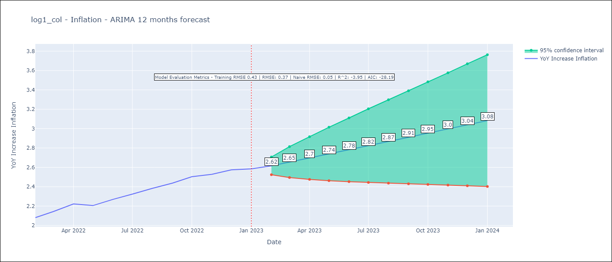

Test Metrics
RMSE | 0.37
Naive RMSE | 0.05
R^2 | -3.95

Test Predictions
Date | Predicted | Actual
2022-02-01 | 2.03 | 2.08
2022-03-01 | 1.97 | 2.14
2022-04-01 | 2.02 | 2.22
2022-05-01 | 1.99 | 2.2
2022-06-01 | 2.02 | 2.27
2022-07-01 | 2.01 | 2.32
2022-08-01 | 2.03 | 2.38
2022-09-01 | 2.02 | 2.44
2022-10-01 | 2.03 | 2.5
2022-11-01 | 2.03 | 2.53
2022-12-01 | 2.04 | 2.57
2023-01-01 | 2.04 | 2.58

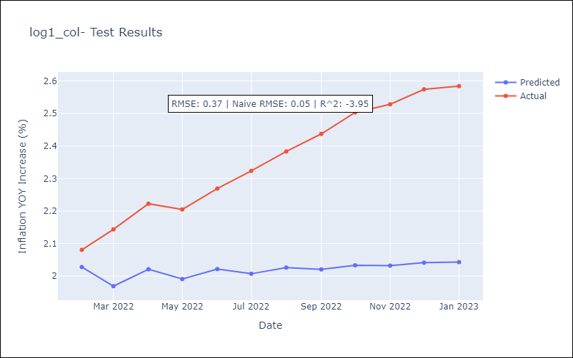

Appendix A: Model Summary
Model | ARIMA(1, 2, 2)
Sample | 03-01-1998- 01-01-2023
No. of Observations | 299
Terms | P-value (Statistical significance)
ar.L1 | 0.191
ma.L1 | 0.002
ma.L2 | 0.978
sigma2 | 0.000
Assumptions | P-value | Interpretation
Ljung-Box (L1) | 0.12 | Residuals are independent.
Heteroskedasticity | 0.00 | Residuals have different variances.
Jarque-Bera | 0.00 | Residuals are not normally distributed.
Skew | -2.16 | Negative skew - Model overestimates the mean.
Kurtosis | 31.21 | Residuals contain more extreme outliers than in a normal distribution.

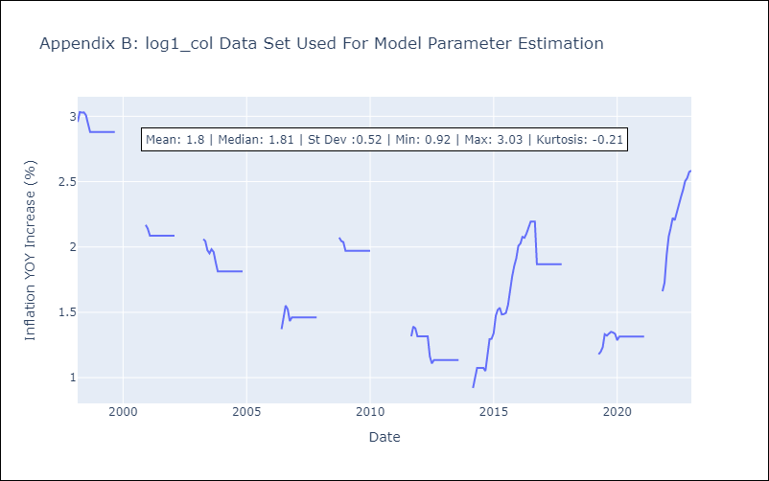

Appendix C: Residuals Analysis
Mean | 0.0
Variance | 0.09
White Noise? | Yes
Heteroskedastic? - ARCH | No
Normal? | Yes

