log2_col
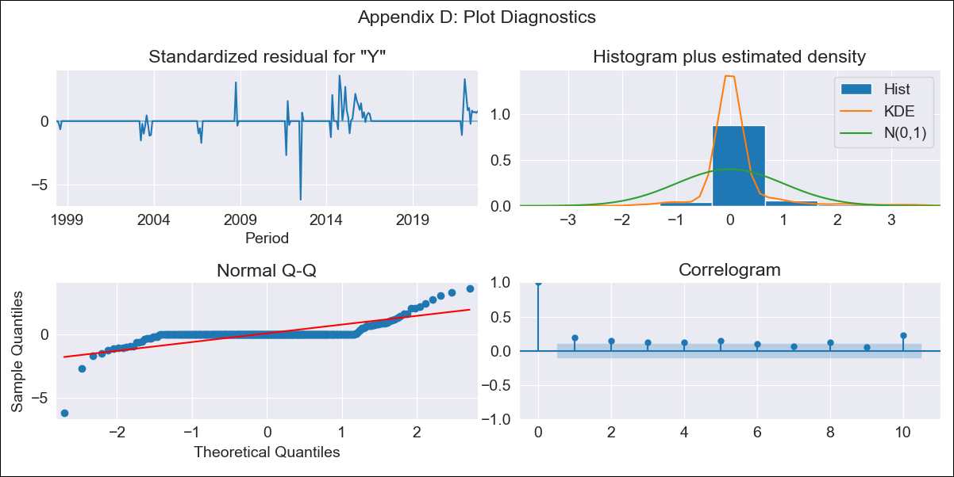
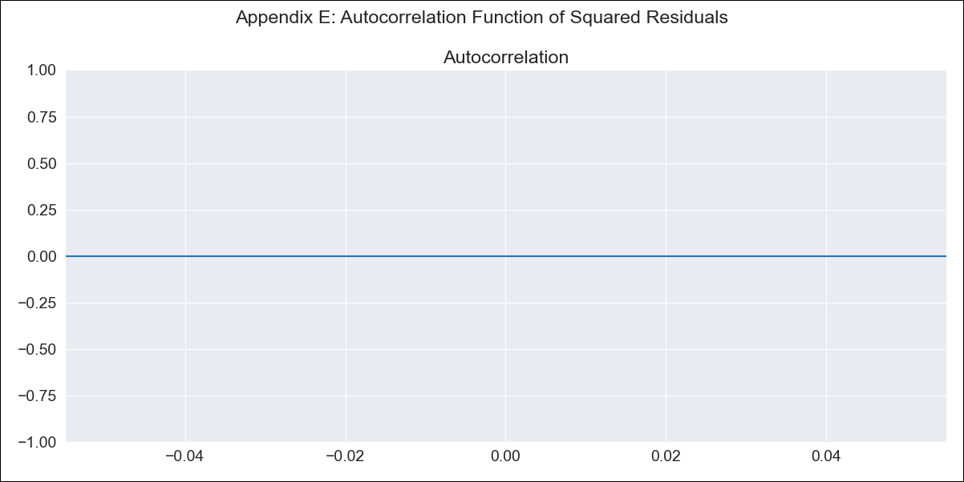
log2_col - Inflation - Next 12 months forecast as of: 2022-10-01

Model | ARIMA - [(0, 1, 0), (0, 0, 0, 12)]
Training Data | 1998-03-01 to 2021-11-01
Test Data | 2021-11-01 to 2022-10-01

Date | Inflation Change YoY % | Lower Bound - 95% Confidence Interval | Upper Bound - 95% Confidence Interval
2022-11-01 | 0.92 | 0.85 | 0.99
2022-12-01 | 0.92 | 0.82 | 1.01
2023-01-01 | 0.92 | 0.8 | 1.04
2023-02-01 | 0.92 | 0.78 | 1.05
2023-03-01 | 0.92 | 0.76 | 1.07
2023-04-01 | 0.92 | 0.75 | 1.08
2023-05-01 | 0.92 | 0.74 | 1.1
2023-06-01 | 0.92 | 0.72 | 1.11
2023-07-01 | 0.92 | 0.71 | 1.12
2023-08-01 | 0.92 | 0.7 | 1.13
2023-09-01 | 0.92 | 0.69 | 1.14
2023-10-01 | 0.92 | 0.68 | 1.15

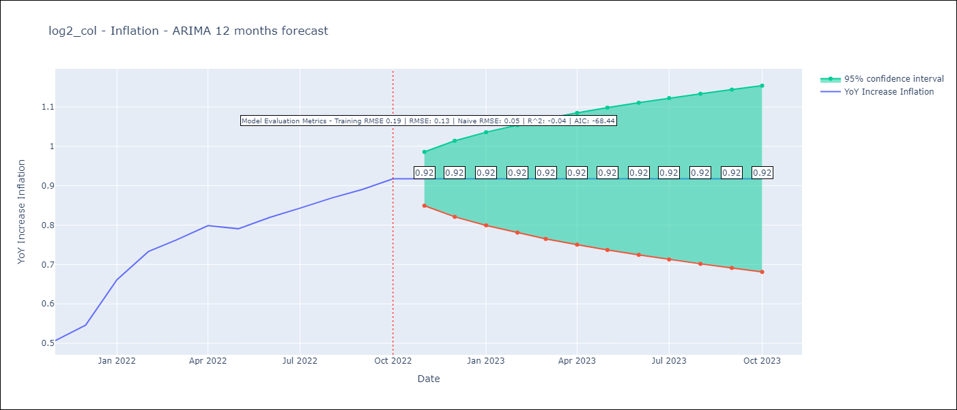

Test Metrics
RMSE | 0.13
Naive RMSE | 0.05
R^2 | -0.04

Test Predictions
Date | Predicted | Actual
2021-11-01 | 0.79 | 0.51
2021-12-01 | 0.79 | 0.55
2022-01-01 | 0.79 | 0.66
2022-02-01 | 0.79 | 0.73
2022-03-01 | 0.79 | 0.76
2022-04-01 | 0.79 | 0.8
2022-05-01 | 0.79 | 0.79
2022-06-01 | 0.79 | 0.82
2022-07-01 | 0.79 | 0.84
2022-08-01 | 0.79 | 0.87
2022-09-01 | 0.79 | 0.89
2022-10-01 | 0.79 | 0.92

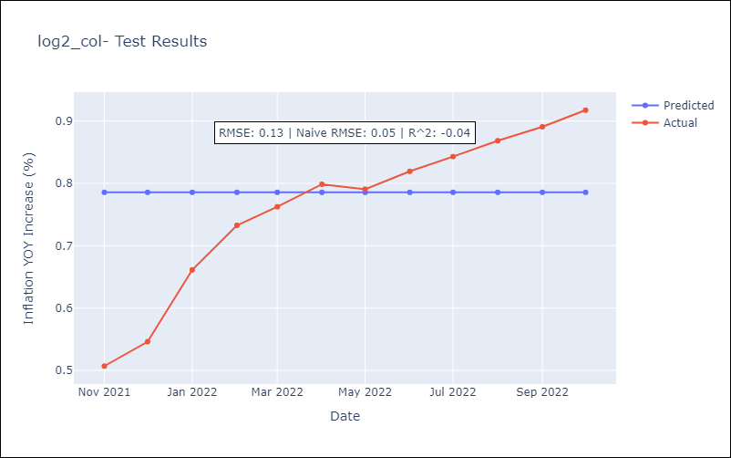

Appendix A: Model Summary
Model | ARIMA(0, 1, 0)
Sample | 03-01-1998- 10-01-2022
No. of Observations | 296
Terms | P-value (Statistical significance)
sigma2 | 0.000
Assumptions | P-value | Interpretation
Ljung-Box (L1) | 0.00 | Residuals are not independent.
Heteroskedasticity | 0.00 | Residuals have different variances.
Jarque-Bera | 0.00 | Residuals are not normally distributed.
Skew | -1.13 | Negative skew - Model overestimates the mean.
Kurtosis | 32.08 | Residuals contain more extreme outliers than in a normal distribution.

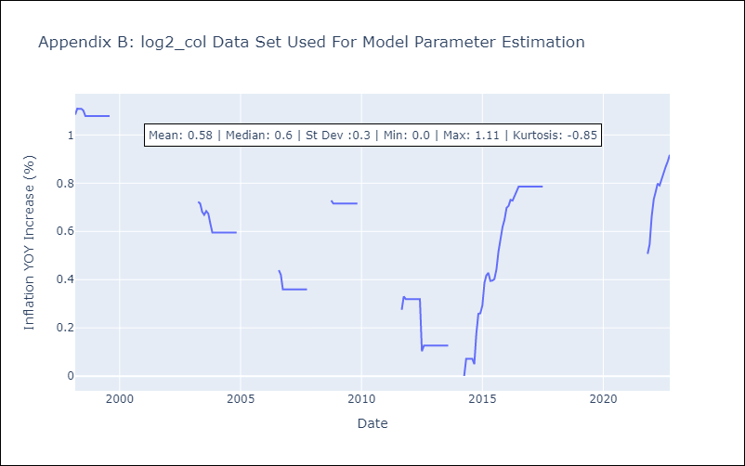

Appendix C: Residuals Analysis
Mean | 0.01
Variance | 0.01
White Noise? | Yes
Heteroskedastic? - ARCH | No
Normal? | Yes

