log_1
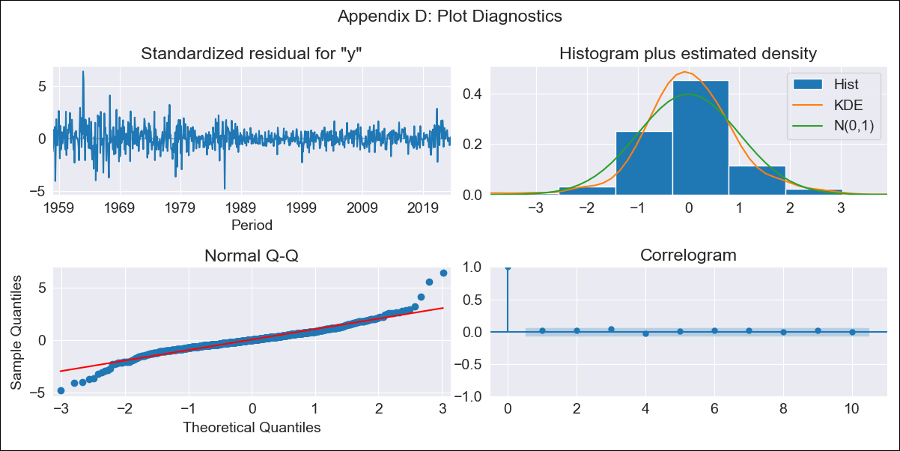
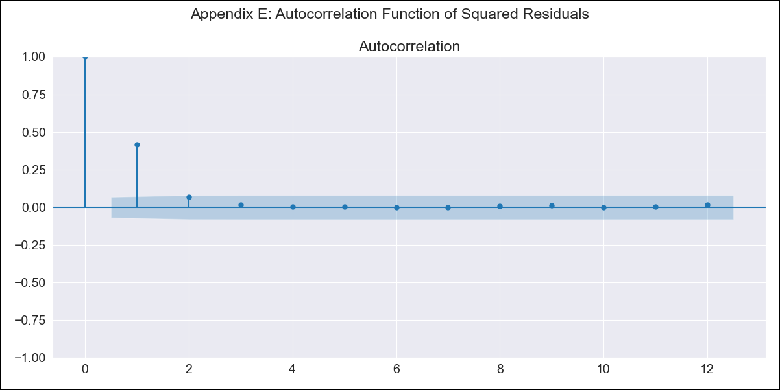
log_1 - Inflation - Next 12 months forecast as of: 2023-08-01

Model | ARIMA - [(0, 2, 3), (0, 0, 2, 12)]
Training Data | 1955-07-01 to 2022-09-01
Test Data | 2022-09-01 to 2023-08-01

Date | Inflation Change YoY % | Lower Bound - 95% Confidence Interval | Upper Bound - 95% Confidence Interval
2023-09-01 | 3.95 | 3.7 | 4.2
2023-10-01 | 3.97 | 3.52 | 4.42
2023-11-01 | 3.97 | 3.34 | 4.62
2023-12-01 | 3.94 | 3.14 | 4.74
2024-01-01 | 3.88 | 2.94 | 4.83
2024-02-01 | 3.87 | 2.8 | 4.96
2024-03-01 | 3.91 | 2.71 | 5.13
2024-04-01 | 3.96 | 2.63 | 5.31
2024-05-01 | 4.01 | 2.56 | 5.49
2024-06-01 | 4.1 | 2.52 | 5.71
2024-07-01 | 4.18 | 2.48 | 5.92
2024-08-01 | 4.23 | 2.41 | 6.1

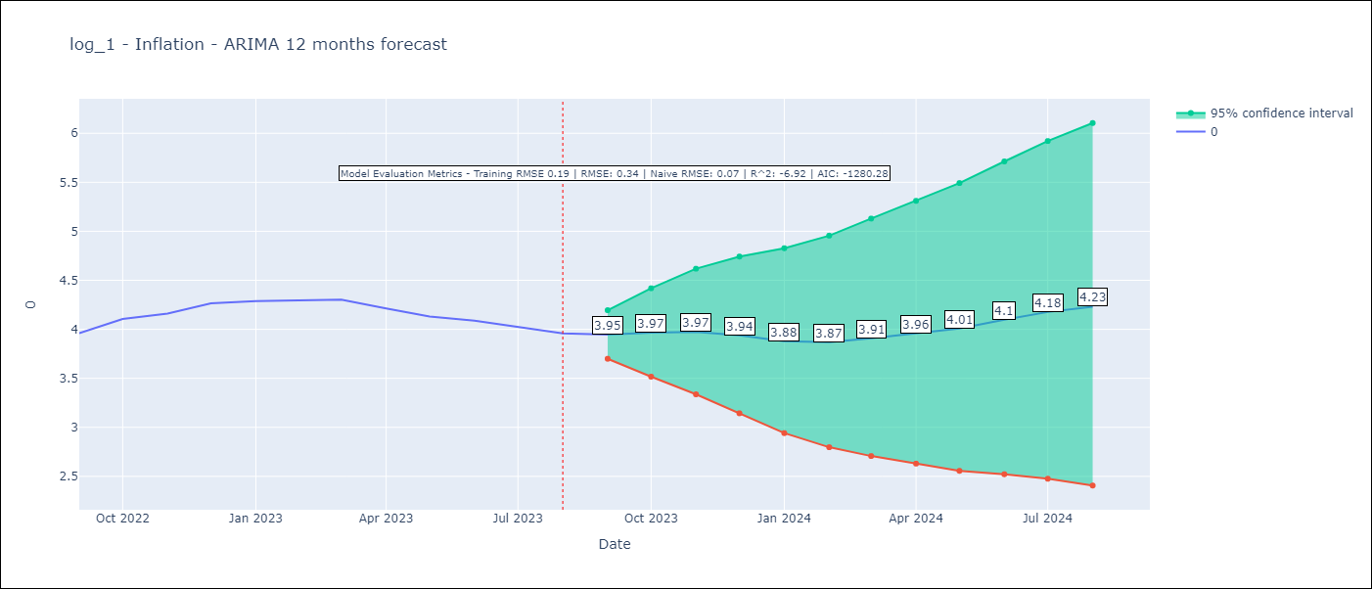

Test Metrics
RMSE | 0.34
Naive RMSE | 0.07
R^2 | -6.92

Test Predictions
Date | Predicted | Actual
2022-09-01 | 3.96 | 3.96
2022-10-01 | 4.11 | 4.1
2022-11-01 | 4.11 | 4.16
2022-12-01 | 4.1 | 4.27
2023-01-01 | 3.96 | 4.29
2023-02-01 | 3.87 | 4.29
2023-03-01 | 3.87 | 4.3
2023-04-01 | 3.76 | 4.21
2023-05-01 | 3.66 | 4.13
2023-06-01 | 3.68 | 4.09
2023-07-01 | 3.65 | 4.02
2023-08-01 | 3.57 | 3.96

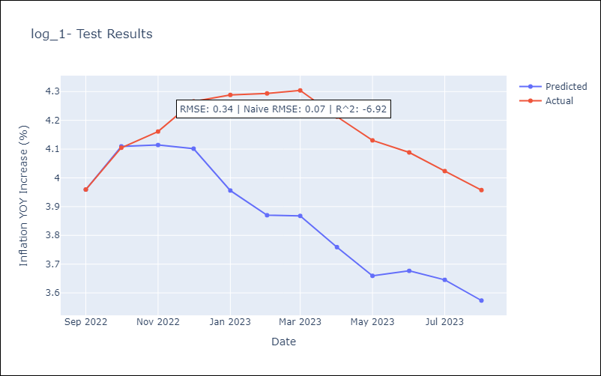

Appendix A: Model Summary
Model | ARIMA(0, 2, 3)x(0, 0, [1, 2], 12)
Sample | 07-01-1955- 08-01-2023
No. of Observations | 818
Terms | P-value (Statistical significance)
ma.L1 | 0.000
ma.L2 | 0.000
ma.L3 | 0.000
ma.S.L12 | 0.000
ma.S.L24 | 0.002
sigma2 | 0.000
Assumptions | P-value | Interpretation
Ljung-Box (L1) | 0.66 | Residuals are independent.
Heteroskedasticity | 0.00 | Residuals have different variances.
Jarque-Bera | 0.00 | Residuals are not normally distributed.
Skew | 0.26 | Positive skew - model underestimates the mean.
Kurtosis | 8.14 | Residuals contain more extreme outliers than in a normal distribution.

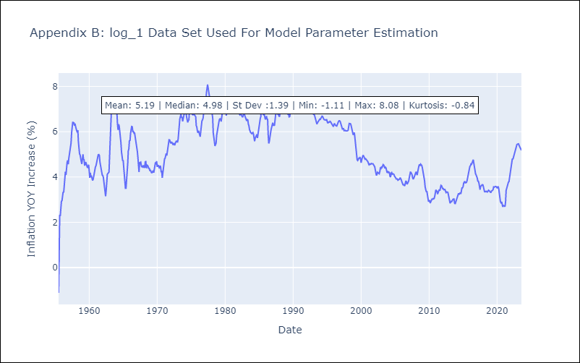

Appendix C: Residuals Analysis
Mean | 0.0
Variance | 0.04
White Noise? | No - Correlation at Lags [ 1 2 3 4 5 6 7 8 9 10 11 12]
Heteroskedastic? - ARCH | Yes
Normal? | No

