ARG_RAW1
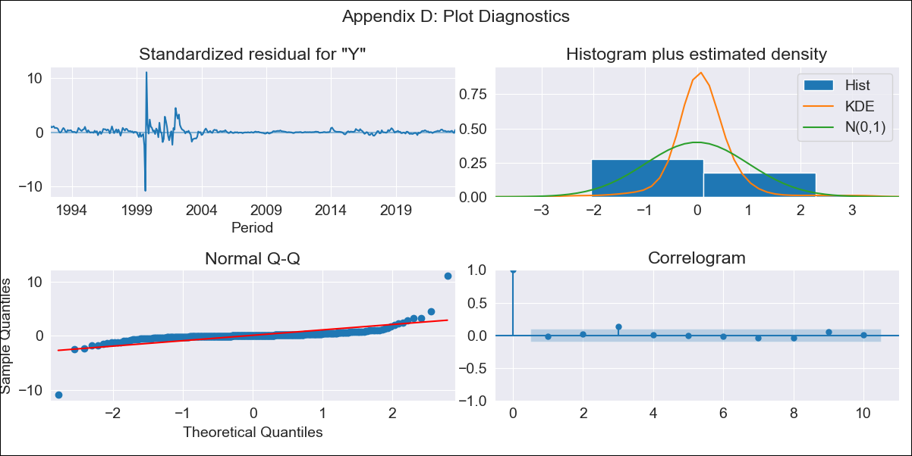

ARG_RAW1 - Inflation - Next 12 months forecast as of: 2023-08-01

Model | ARIMA - [(1, 2, 1), (0, 0, 1, 12)]
Training Data | 1991-01-01 to 2022-09-01
Test Data | 2022-09-01 to 2023-08-01

Date | Inflation Change YoY % | Lower Bound - 95% Confidence Interval | Upper Bound - 95% Confidence Interval
2023-09-01 | 125.19 | 85.72 | 178.73
2023-10-01 | 126.74 | 76.45 | 201.95
2023-11-01 | 128.1 | 69.19 | 223.85
2023-12-01 | 129.88 | 63.7 | 245.39
2024-01-01 | 131.46 | 59.01 | 266.29
2024-02-01 | 133.02 | 54.96 | 287.14
2024-03-01 | 134.86 | 51.52 | 308.68
2024-04-01 | 136.36 | 48.31 | 329.85
2024-05-01 | 137.71 | 45.34 | 351.03
2024-06-01 | 139.78 | 42.91 | 374.28
2024-07-01 | 142.23 | 40.81 | 399.01
2024-08-01 | 143.02 | 38.29 | 420.38

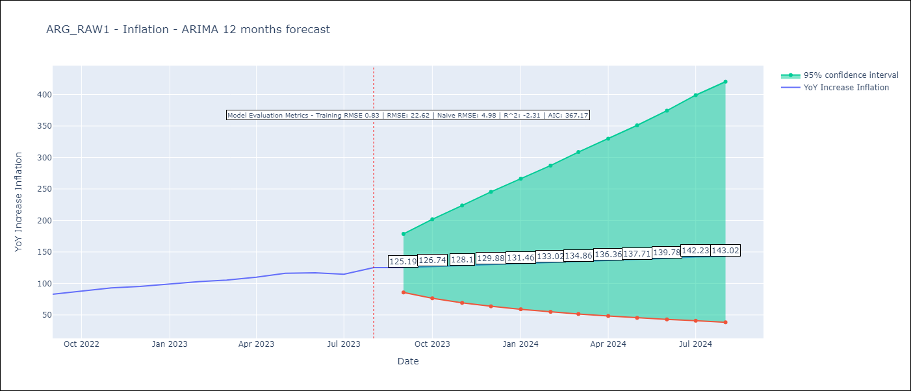

Test Metrics
RMSE | 22.62
Naive RMSE | 4.98
R^2 | -2.31

Test Predictions
Date | Predicted | Actual
2022-09-01 | 79.02 | 82.9
2022-10-01 | 80.13 | 87.8
2022-11-01 | 81.35 | 92.82
2022-12-01 | 82.32 | 95.19
2023-01-01 | 83.18 | 99.01
2023-02-01 | 83.97 | 103.06
2023-03-01 | 84.66 | 105.25
2023-04-01 | 85.18 | 109.89
2023-05-01 | 85.9 | 116.26
2023-06-01 | 86.42 | 116.97
2023-07-01 | 86.55 | 114.59
2023-08-01 | 86.75 | 125.24

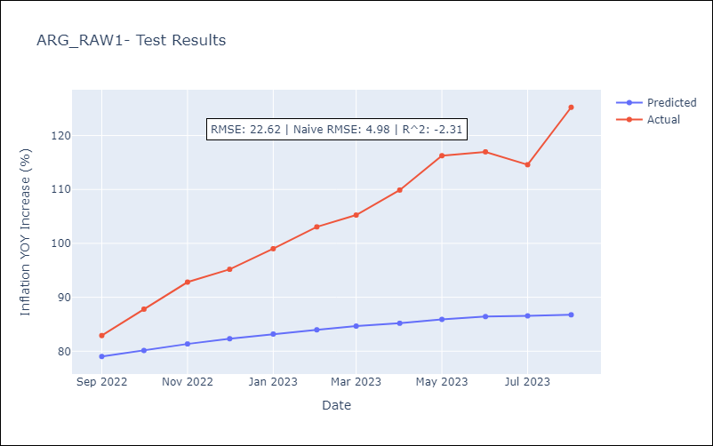

Appendix A: Model Summary
Model | ARIMA(1, 2, 1)x(0, 0, 1, 12)
Sample | 01-01-1991- 08-01-2023
No. of Observations | 392
Terms | P-value (Statistical significance)
ar.L1 | 0.000
ma.L1 | 0.000
ma.S.L12 | 0.004
sigma2 | 0.000
Assumptions | P-value | Interpretation
Ljung-Box (L1) | 0.81 | Residuals are independent.
Heteroskedasticity | 0.00 | Residuals have different variances.
Jarque-Bera | 0.00 | Residuals are not normally distributed.
Skew | 0.41 | Positive skew - model underestimates the mean.
Kurtosis | 78.91 | Residuals contain more extreme outliers than in a normal distribution.

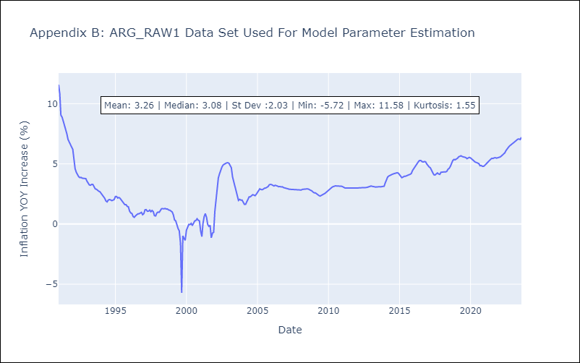

Appendix C: Residuals Analysis
Mean | 0.05
Variance | 0.66
White Noise? | No - Correlation at Lags [ 1 2 3 4 5 6 7 8 9 10 11 12]
Heteroskedastic? - ARCH | Yes
Normal? | No

