ARG_RAW2
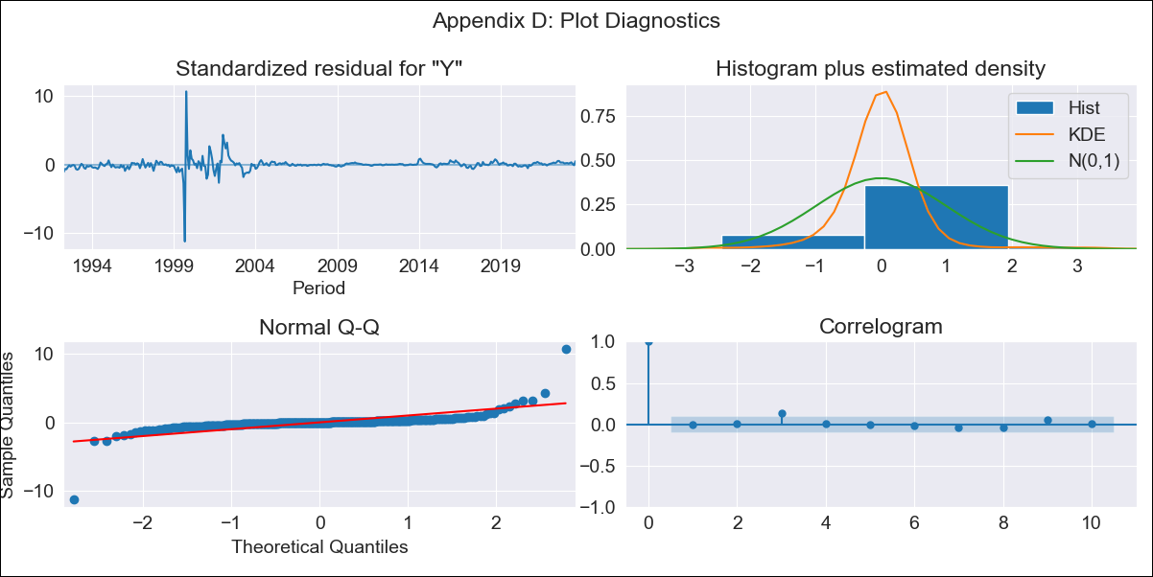

ARG_RAW2 - Inflation - Next 12 months forecast as of: 2023-08-01

Model | ARIMA - [(2, 1, 0), (1, 0, 0, 12)]
Training Data | 1991-01-01 to 2022-09-01
Test Data | 2022-09-01 to 2023-08-01

Date | Inflation Change YoY % | Lower Bound - 95% Confidence Interval | Upper Bound - 95% Confidence Interval
2023-09-01 | 122.97 | 84.56 | 174.9
2023-10-01 | 122.78 | 74.75 | 194.09
2023-11-01 | 122.17 | 66.82 | 211.25
2023-12-01 | 121.93 | 60.84 | 227.16
2024-01-01 | 121.54 | 55.8 | 241.83
2024-02-01 | 121.15 | 51.49 | 255.76
2024-03-01 | 120.94 | 47.84 | 269.51
2024-04-01 | 120.51 | 44.52 | 282.42
2024-05-01 | 119.95 | 41.5 | 294.7
2024-06-01 | 119.89 | 38.98 | 307.78
2024-07-01 | 120.1 | 36.8 | 321.28
2024-08-01 | 119.2 | 34.41 | 332.1

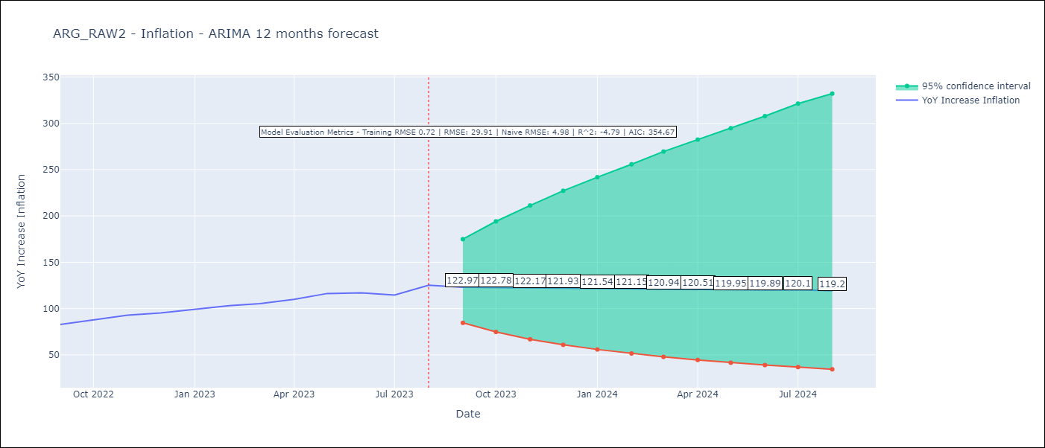

Test Metrics
RMSE | 29.91
Naive RMSE | 4.98
R^2 | -4.79

Test Predictions
Date | Predicted | Actual
2022-09-01 | 77.81 | 82.9
2022-10-01 | 77.99 | 87.8
2022-11-01 | 78.07 | 92.82
2022-12-01 | 78.02 | 95.19
2023-01-01 | 77.91 | 99.01
2023-02-01 | 77.74 | 103.06
2023-03-01 | 77.5 | 105.25
2023-04-01 | 77.16 | 109.89
2023-05-01 | 76.93 | 116.26
2023-06-01 | 76.55 | 116.97
2023-07-01 | 75.91 | 114.59
2023-08-01 | 75.29 | 125.24

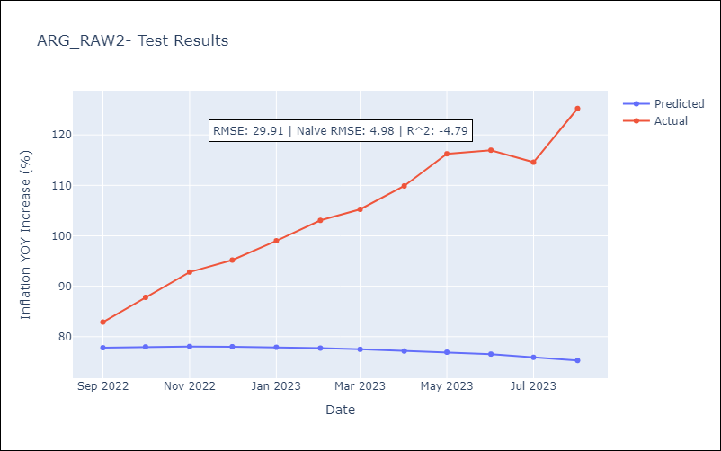

Appendix A: Model Summary
Model | ARIMA(2, 1, 0)x(1, 0, 0, 12)
Sample | 01-01-1991- 08-01-2023
No. of Observations | 392
Terms | P-value (Statistical significance)
ar.L1 | 0.000
ar.L2 | 0.843
ar.S.L12 | 0.050
sigma2 | 0.000
Assumptions | P-value | Interpretation
Ljung-Box (L1) | 0.88 | Residuals are independent.
Heteroskedasticity | 0.00 | Residuals have different variances.
Jarque-Bera | 0.00 | Residuals are not normally distributed.
Skew | -0.17 | Negative skew - Model overestimates the mean.
Kurtosis | 79.15 | Residuals contain more extreme outliers than in a normal distribution.

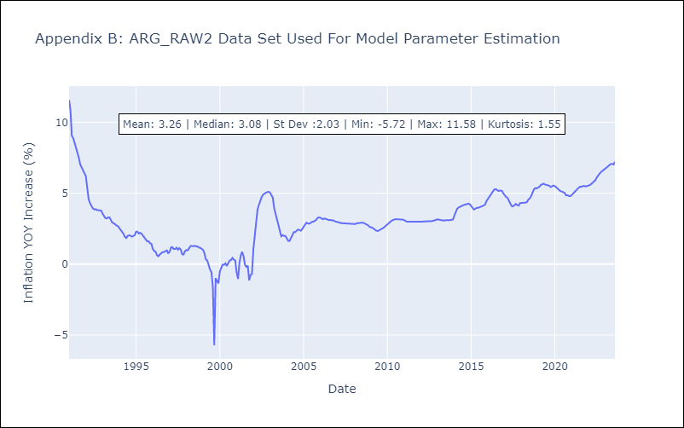

Appendix C: Residuals Analysis
Mean | 0.02
Variance | 0.5
White Noise? | Yes
Heteroskedastic? - ARCH | Yes
Normal? | No

