ARG_RAW3
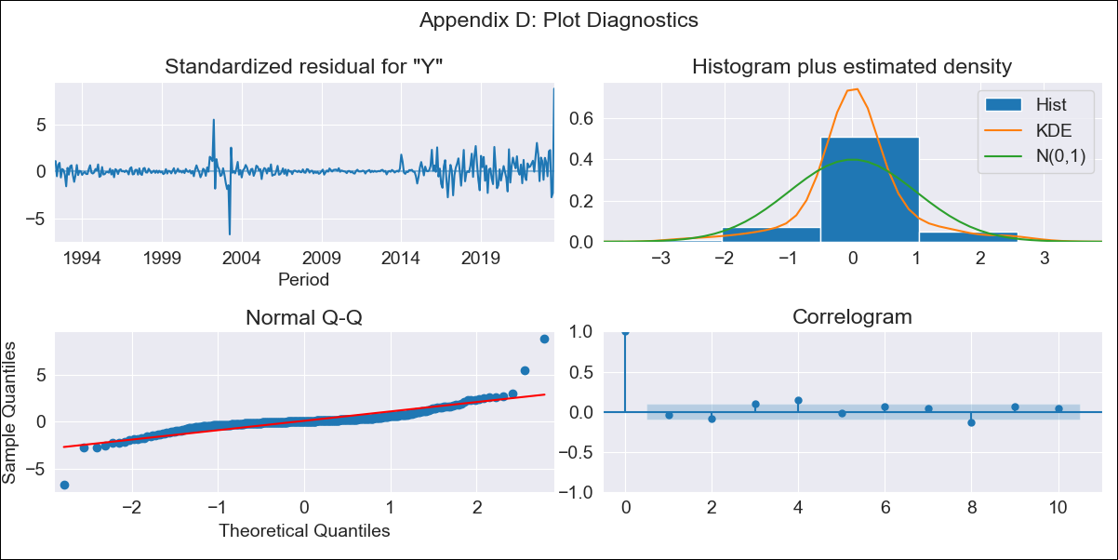

ARG_RAW3 - Inflation - Next 12 months forecast as of: 2023-08-01

Model | ARIMA - [(2, 1, 0), (1, 0, 0, 12)]
Training Data | 1991-01-01 to 2022-09-01
Test Data | 2022-09-01 to 2023-08-01

Date | Inflation Change YoY % | Lower Bound - 95% Confidence Interval | Upper Bound - 95% Confidence Interval
2023-09-01 | 132.34 | 129.62 | 135.06
2023-10-01 | 137.61 | 132.29 | 142.92
2023-11-01 | 141.48 | 133.51 | 149.44
2023-12-01 | 144.3 | 133.75 | 154.85
2024-01-01 | 146.39 | 133.36 | 159.43
2024-02-01 | 147.94 | 132.55 | 163.33
2024-03-01 | 149.07 | 131.45 | 166.69
2024-04-01 | 149.93 | 130.21 | 169.66
2024-05-01 | 150.61 | 128.9 | 172.32
2024-06-01 | 151.05 | 127.46 | 174.64
2024-07-01 | 151.33 | 125.96 | 176.7
2024-08-01 | 151.71 | 124.64 | 178.77

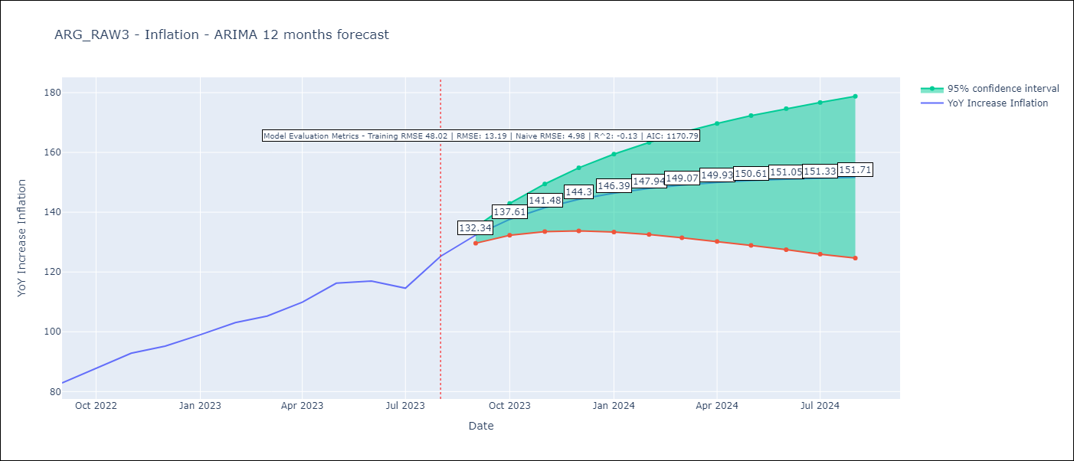

Test Metrics
RMSE | 13.19
Naive RMSE | 4.98
R^2 | -0.13

Test Predictions
Date | Predicted | Actual
2022-09-01 | 84.43 | 82.9
2022-10-01 | 88.28 | 87.8
2022-11-01 | 91.04 | 92.82
2022-12-01 | 93.05 | 95.19
2023-01-01 | 94.5 | 99.01
2023-02-01 | 95.56 | 103.06
2023-03-01 | 96.33 | 105.25
2023-04-01 | 96.9 | 109.89
2023-05-01 | 97.31 | 116.26
2023-06-01 | 97.62 | 116.97
2023-07-01 | 97.87 | 114.59
2023-08-01 | 98.07 | 125.24

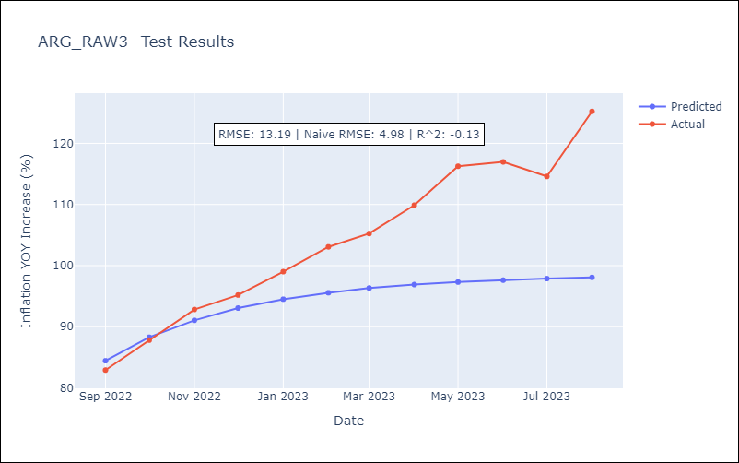

Appendix A: Model Summary
Model | ARIMA(2, 1, 0)x(1, 0, 0, 12)
Sample | 01-01-1991- 08-01-2023
No. of Observations | 392
Terms | P-value (Statistical significance)
ar.L1 | 0.000
ar.L2 | 0.334
ar.S.L12 | 0.124
sigma2 | 0.000
Assumptions | P-value | Interpretation
Ljung-Box (L1) | 0.48 | Residuals are independent.
Heteroskedasticity | 0.00 | Residuals have different variances.
Jarque-Bera | 0.00 | Residuals are not normally distributed.
Skew | 1.42 | Positive skew - model underestimates the mean.
Kurtosis | 25.60 | Residuals contain more extreme outliers than in a normal distribution.

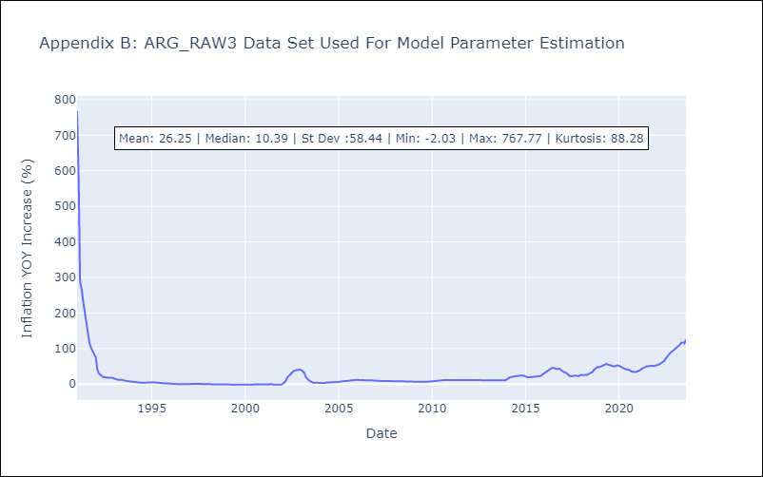

Appendix C: Residuals Analysis
Mean | 0.83
Variance | 2191.89
White Noise? | No - Correlation at Lags [ 1 2 3 4 5 6 7 8 9 10 11 12]
Heteroskedastic? - ARCH | Yes
Normal? | No

