ARG_RAW8
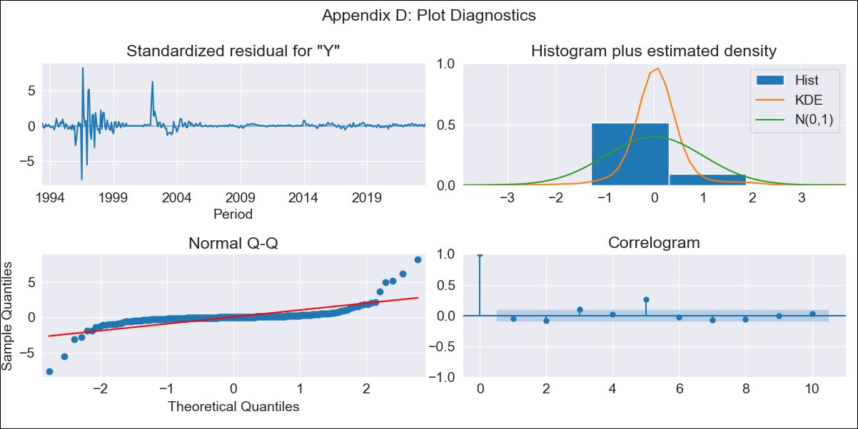
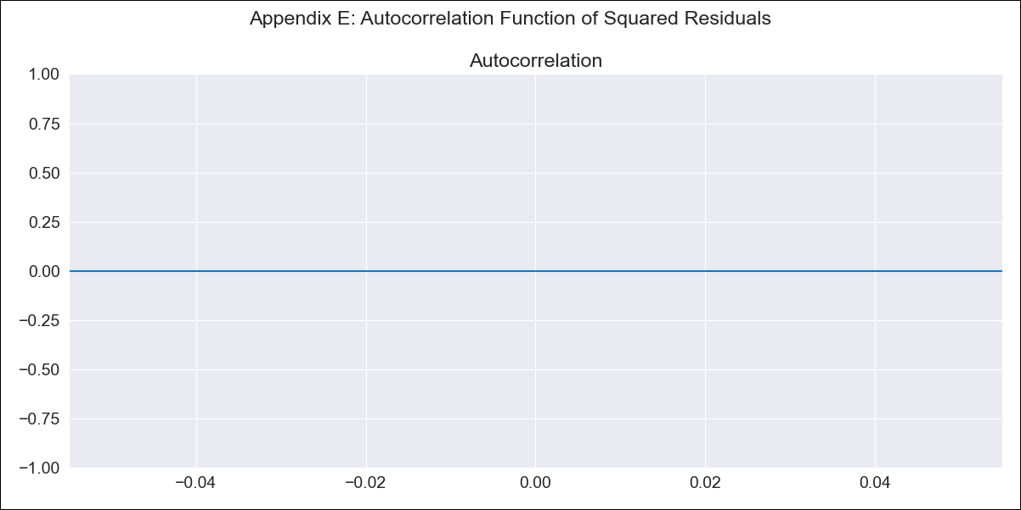
ARG_RAW8 - Inflation - Next 12 months forecast as of: 2023-08-01

Model | ARIMA - [(2, 2, 3), (2, 0, 0, 12)]
Training Data | 1991-01-01 to 2022-09-01
Test Data | 2022-09-01 to 2023-08-01

Date | Inflation Change YoY % | Lower Bound - 95% Confidence Interval | Upper Bound - 95% Confidence Interval
2023-09-01 | 4.83 | 4.26 | 5.39
2023-10-01 | 4.85 | 4.03 | 5.67
2023-11-01 | 4.85 | 3.77 | 5.93
2023-12-01 | 4.84 | 3.58 | 6.11
2024-01-01 | 4.85 | 3.45 | 6.25
2024-02-01 | 4.86 | 3.32 | 6.41
2024-03-01 | 4.86 | 3.18 | 6.55
2024-04-01 | 4.87 | 3.06 | 6.67
2024-05-01 | 4.87 | 2.96 | 6.79
2024-06-01 | 4.88 | 2.85 | 6.91
2024-07-01 | 4.88 | 2.75 | 7.02
2024-08-01 | 4.89 | 2.66 | 7.12

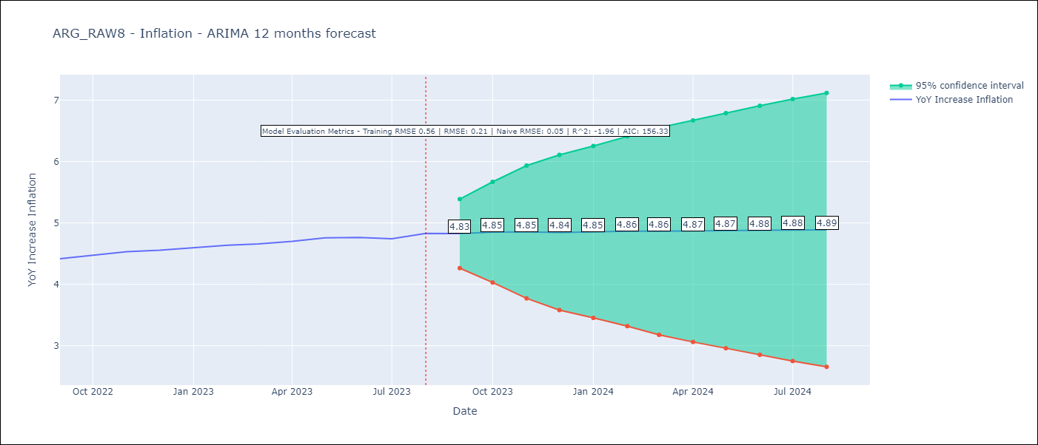

Test Metrics
RMSE | 0.21
Naive RMSE | 0.05
R^2 | -1.96

Test Predictions
Date | Predicted | Actual
2022-09-01 | 4.38 | 4.42
2022-10-01 | 4.37 | 4.48
2022-11-01 | 4.38 | 4.53
2022-12-01 | 4.37 | 4.56
2023-01-01 | 4.41 | 4.6
2023-02-01 | 4.42 | 4.64
2023-03-01 | 4.44 | 4.66
2023-04-01 | 4.46 | 4.7
2023-05-01 | 4.49 | 4.76
2023-06-01 | 4.5 | 4.76
2023-07-01 | 4.53 | 4.74
2023-08-01 | 4.54 | 4.83

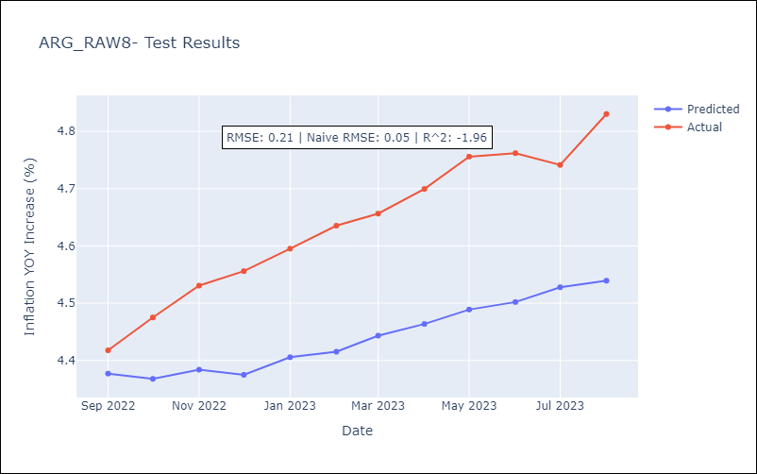

Appendix A: Model Summary
Model | ARIMA(2, 2, 3)x(2, 0, [], 12)
Sample | 01-01-1991- 08-01-2023
No. of Observations | 392
Terms | P-value (Statistical significance)
ar.L1 | 0.000
ar.L2 | 0.000
ma.L1 | 0.000
ma.L2 | 0.000
ma.L3 | 0.000
ar.S.L12 | 0.178
ar.S.L24 | 1.000
sigma2 | 0.000
Assumptions | P-value | Interpretation
Ljung-Box (L1) | 0.34 | Residuals are independent.
Heteroskedasticity | 0.00 | Residuals have different variances.
Jarque-Bera | 0.00 | Residuals are not normally distributed.
Skew | 1.19 | Positive skew - model underestimates the mean.
Kurtosis | 36.51 | Residuals contain more extreme outliers than in a normal distribution.

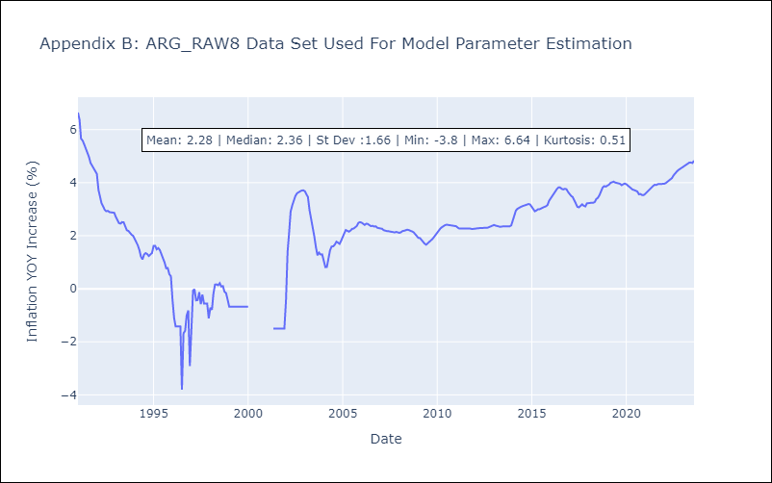

Appendix C: Residuals Analysis
Mean | 0.02
Variance | 0.25
White Noise? | Yes
Heteroskedastic? - ARCH | Yes
Normal? | Yes

