ARG_RAW9
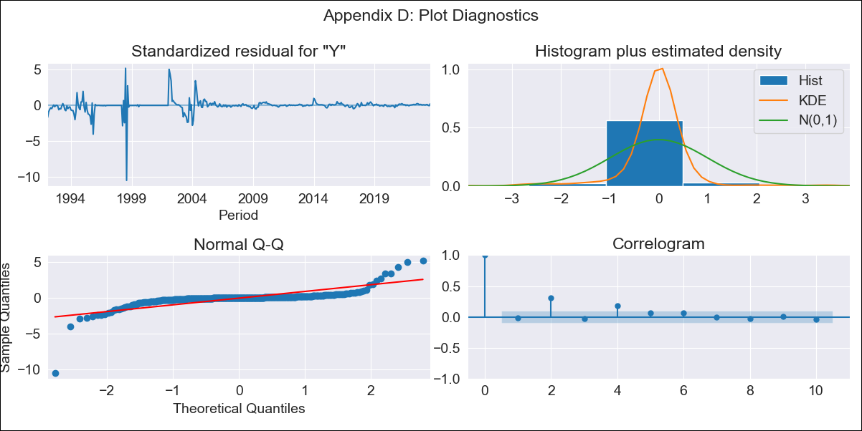
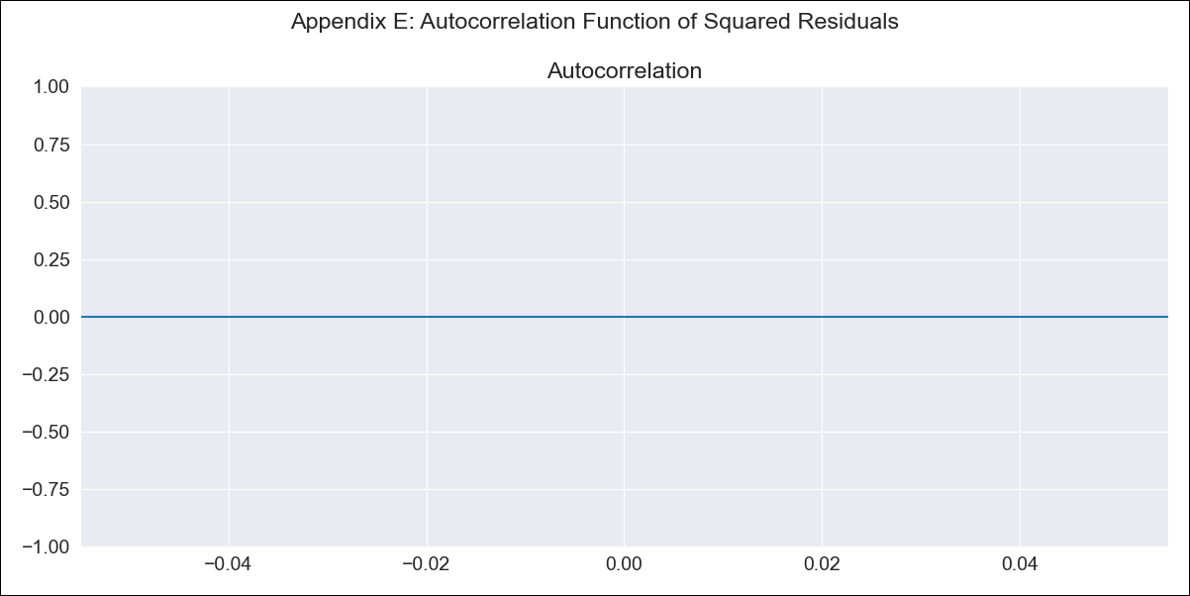
ARG_RAW9 - Inflation - Next 12 months forecast as of: 2023-08-01

Model | ARIMA - [(0, 1, 1), (1, 0, 0, 12)]
Training Data | 1991-01-01 to 2022-09-01
Test Data | 2022-09-01 to 2023-08-01

Date | Inflation Change YoY % | Lower Bound - 95% Confidence Interval | Upper Bound - 95% Confidence Interval
2023-09-01 | 1.58 | 1.4 | 1.75
2023-10-01 | 1.58 | 1.32 | 1.84
2023-11-01 | 1.58 | 1.25 | 1.9
2023-12-01 | 1.58 | 1.2 | 1.95
2024-01-01 | 1.58 | 1.15 | 2
2024-02-01 | 1.58 | 1.11 | 2.04
2024-03-01 | 1.58 | 1.08 | 2.08
2024-04-01 | 1.58 | 1.04 | 2.11
2024-05-01 | 1.58 | 1.01 | 2.14
2024-06-01 | 1.58 | 0.98 | 2.17
2024-07-01 | 1.58 | 0.95 | 2.2
2024-08-01 | 1.57 | 0.92 | 2.23

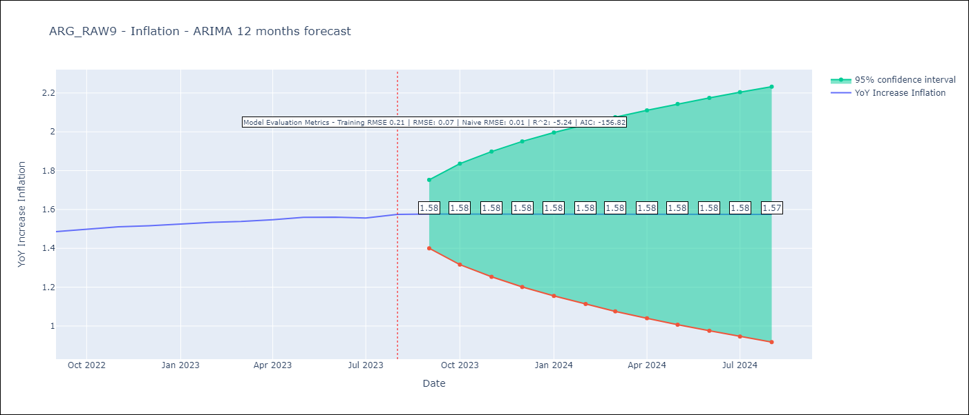

Test Metrics
RMSE | 0.07
Naive RMSE | 0.01
R^2 | -5.24

Test Predictions
Date | Predicted | Actual
2022-09-01 | 1.48 | 1.49
2022-10-01 | 1.48 | 1.5
2022-11-01 | 1.48 | 1.51
2022-12-01 | 1.48 | 1.52
2023-01-01 | 1.48 | 1.53
2023-02-01 | 1.48 | 1.53
2023-03-01 | 1.48 | 1.54
2023-04-01 | 1.47 | 1.55
2023-05-01 | 1.47 | 1.56
2023-06-01 | 1.47 | 1.56
2023-07-01 | 1.47 | 1.56
2023-08-01 | 1.47 | 1.57

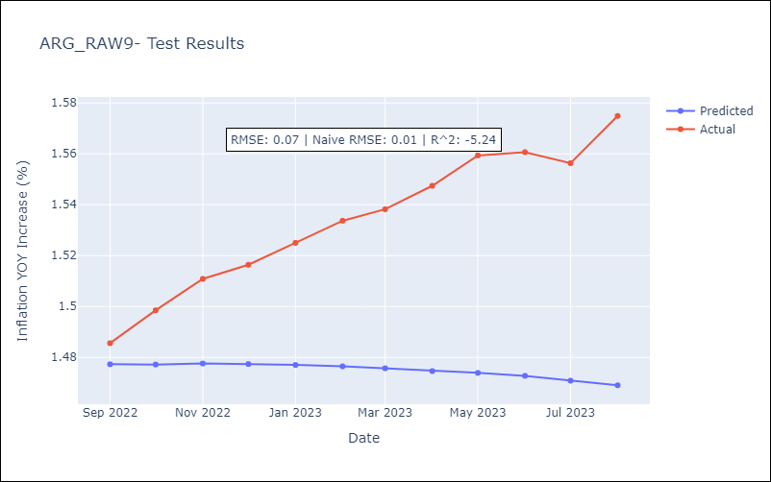

Appendix A: Model Summary
Model | ARIMA(0, 1, 1)x(1, 0, [], 12)
Sample | 01-01-1991- 08-01-2023
No. of Observations | 392
Terms | P-value (Statistical significance)
ma.L1 | 0.000
ar.S.L12 | 0.773
sigma2 | 0.000
Assumptions | P-value | Interpretation
Ljung-Box (L1) | 0.73 | Residuals are independent.
Heteroskedasticity | 0.00 | Residuals have different variances.
Jarque-Bera | 0.00 | Residuals are not normally distributed.
Skew | -2.74 | Negative skew - Model overestimates the mean.
Kurtosis | 50.39 | Residuals contain more extreme outliers than in a normal distribution.

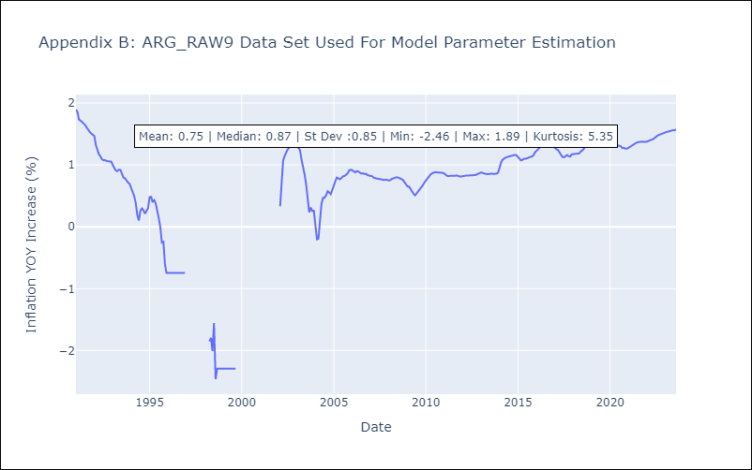

Appendix C: Residuals Analysis
Mean | 0.0
Variance | 0.04
White Noise? | Yes
Heteroskedastic? - ARCH | No
Normal? | Yes

