ARG_RAW10
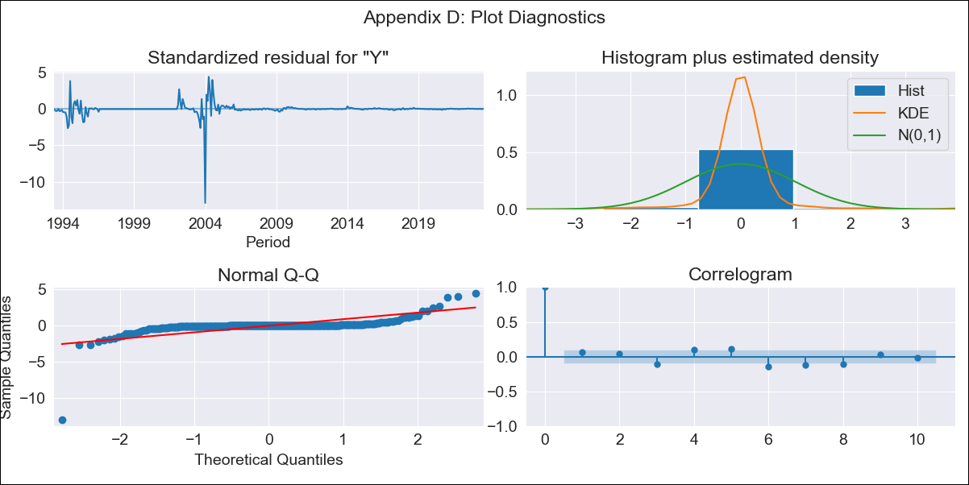
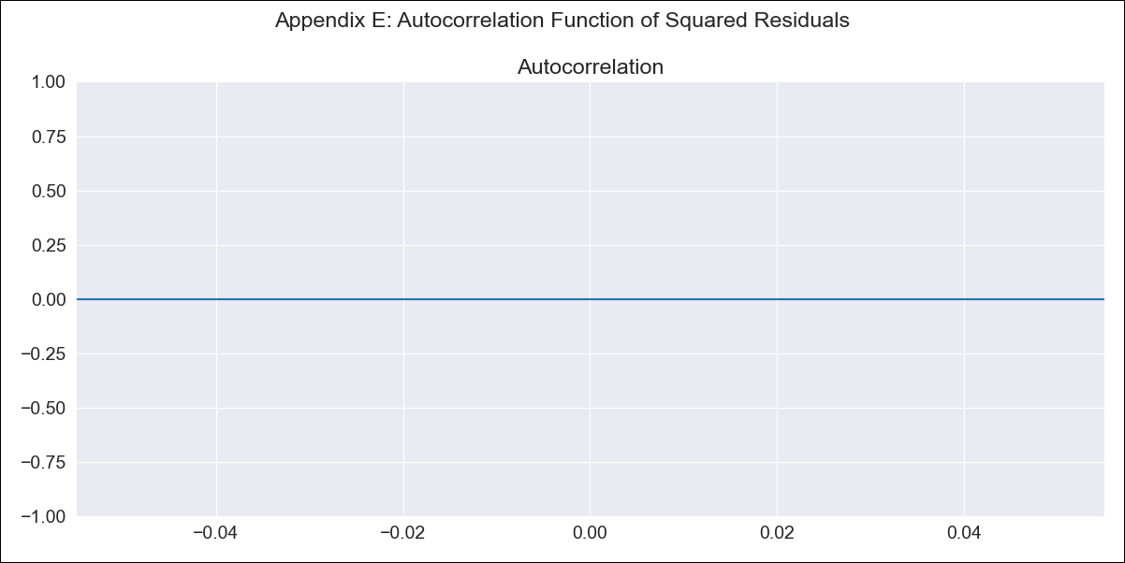
ARG_RAW10 - Inflation - Next 12 months forecast as of: 2023-08-01

Model | ARIMA - [(3, 1, 0), (2, 0, 0, 12)]
Training Data | 1991-01-01 to 2022-09-01
Test Data | 2022-09-01 to 2023-08-01

Date | Inflation Change YoY % | Lower Bound - 95% Confidence Interval | Upper Bound - 95% Confidence Interval
2023-09-01 | 0.46 | -0.05 | 0.96
2023-10-01 | 0.46 | -0.32 | 1.23
2023-11-01 | 0.45 | -0.56 | 1.46
2023-12-01 | 0.45 | -0.66 | 1.56
2024-01-01 | 0.45 | -0.72 | 1.62
2024-02-01 | 0.45 | -0.76 | 1.66
2024-03-01 | 0.45 | -0.82 | 1.72
2024-04-01 | 0.45 | -0.89 | 1.8
2024-05-01 | 0.45 | -0.98 | 1.88
2024-06-01 | 0.45 | -1.04 | 1.94
2024-07-01 | 0.45 | -1.1 | 2.01
2024-08-01 | 0.45 | -1.16 | 2.06

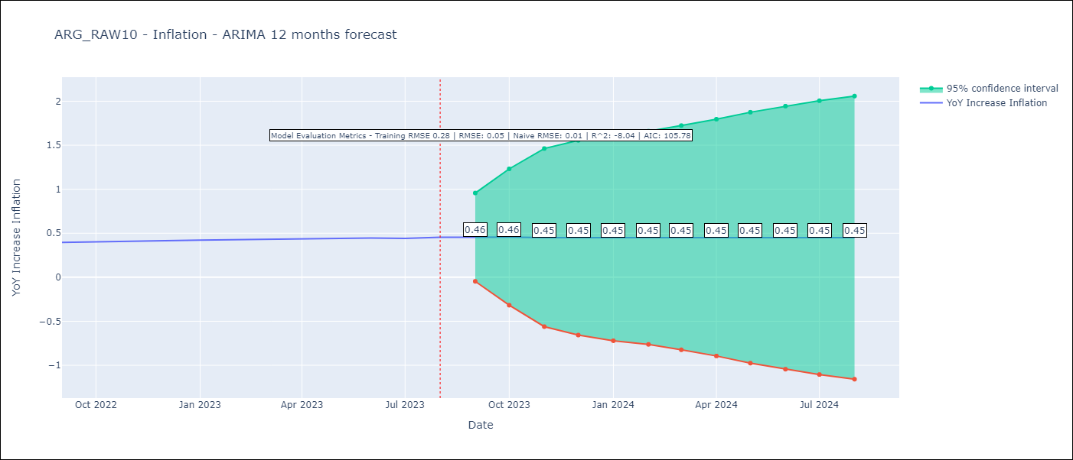

Test Metrics
RMSE | 0.05
Naive RMSE | 0.01
R^2 | -8.04

Test Predictions
Date | Predicted | Actual
2022-09-01 | 0.37 | 0.4
2022-10-01 | 0.37 | 0.4
2022-11-01 | 0.37 | 0.41
2022-12-01 | 0.37 | 0.42
2023-01-01 | 0.37 | 0.42
2023-02-01 | 0.38 | 0.43
2023-03-01 | 0.38 | 0.43
2023-04-01 | 0.38 | 0.44
2023-05-01 | 0.38 | 0.44
2023-06-01 | 0.38 | 0.45
2023-07-01 | 0.39 | 0.44
2023-08-01 | 0.38 | 0.45

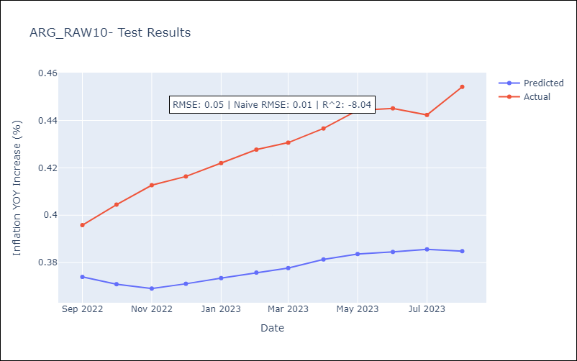

Appendix A: Model Summary
Model | ARIMA(3, 1, 0)x(2, 0, 0, 12)
Sample | 01-01-1991- 08-01-2023
No. of Observations | 392
Terms | P-value (Statistical significance)
ar.L1 | 0.000
ar.L2 | 0.019
ar.L3 | 0.000
ar.S.L12 | 0.263
ar.S.L24 | 0.635
sigma2 | 0.000
Assumptions | P-value | Interpretation
Ljung-Box (L1) | 0.20 | Residuals are independent.
Heteroskedasticity | 0.00 | Residuals have different variances.
Jarque-Bera | 0.00 | Residuals are not normally distributed.
Skew | -7.28 | Negative skew - Model overestimates the mean.
Kurtosis | 119.57 | Residuals contain more extreme outliers than in a normal distribution.

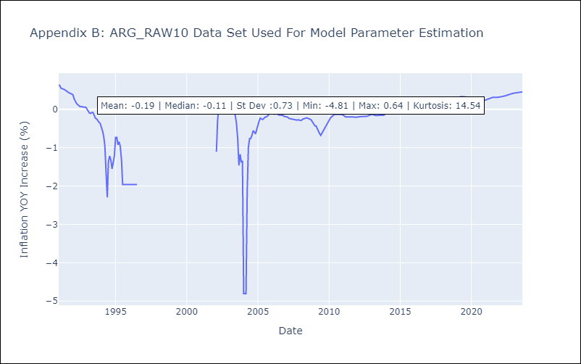

Appendix C: Residuals Analysis
Mean | 0.0
Variance | 0.06
White Noise? | Yes
Heteroskedastic? - ARCH | No
Normal? | Yes

