MEX
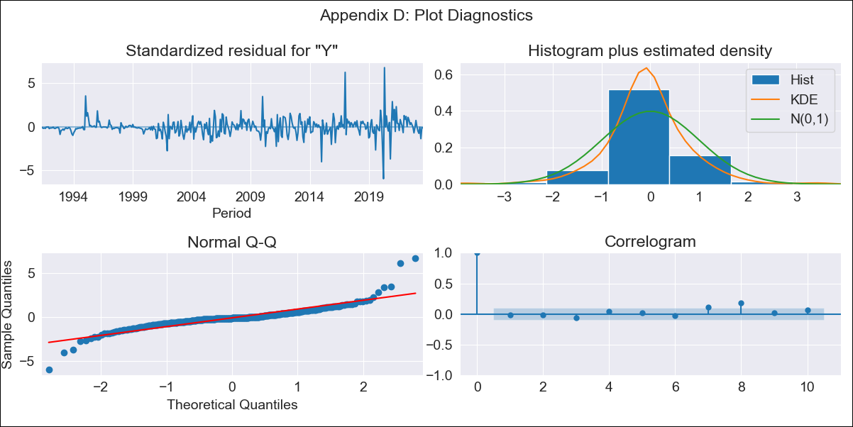

MEX - Inflation - Next 12 months forecast as of: 2023-08-01

Model | ARIMA - [(0, 1, 1), (0, 0, 1, 12)]
Training Data | 1990-01-01 to 2022-09-01
Test Data | 2022-09-01 to 2023-08-01

Date | Inflation Change YoY % | Lower Bound - 95% Confidence Interval | Upper Bound - 95% Confidence Interval
2023-09-01 | 4.57 | 4.02 | 5.23
2023-10-01 | 4.57 | 3.7 | 5.76
2023-11-01 | 4.69 | 3.58 | 6.37
2023-12-01 | 4.74 | 3.46 | 6.86
2024-01-01 | 4.63 | 3.26 | 7.03
2024-02-01 | 4.59 | 3.12 | 7.31
2024-03-01 | 4.67 | 3.07 | 7.84
2024-04-01 | 4.83 | 3.07 | 8.59
2024-05-01 | 4.89 | 3.02 | 9.13
2024-06-01 | 5.15 | 3.07 | 10.32
2024-07-01 | 5.26 | 3.05 | 11.17
2024-08-01 | 5.29 | 3 | 11.83

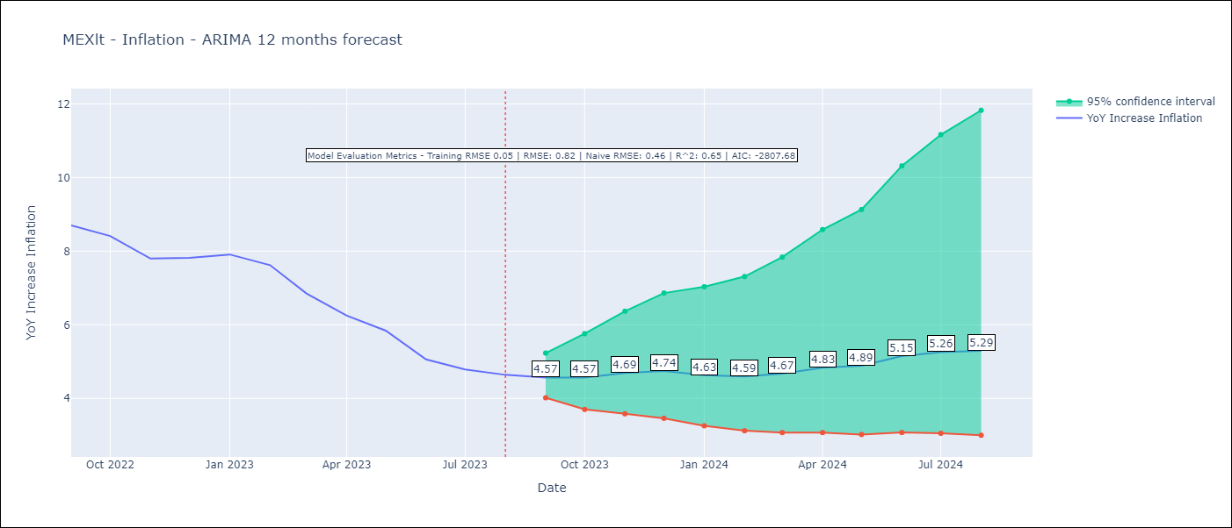

Test Metrics
RMSE | 0.82
Naive RMSE | 0.46
R^2 | 0.65

Test Predictions
Date | Predicted | Actual
2022-09-01 | 8.53 | 8.7
2022-10-01 | 8.25 | 8.41
2022-11-01 | 8.19 | 7.8
2022-12-01 | 8.46 | 7.82
2023-01-01 | 8.05 | 7.91
2023-02-01 | 7.59 | 7.62
2023-03-01 | 7.12 | 6.85
2023-04-01 | 6.99 | 6.25
2023-05-01 | 6.68 | 5.84
2023-06-01 | 6.38 | 5.06
2023-07-01 | 6.26 | 4.79
2023-08-01 | 6.13 | 4.64

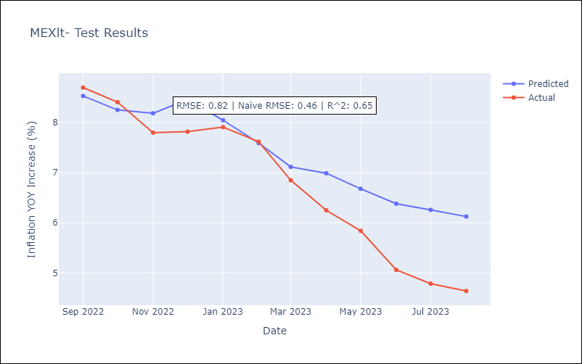

Appendix A: Model Summary
Model | ARIMA(0, 1, 1)x(0, 0, 1, 12)
Sample | 01-01-1990- 08-01-2023
No. of Observations | 404
Terms | P-value (Statistical significance)
ma.L1 | 0.000
ma.S.L12 | 0.000
sigma2 | 0.000
Assumptions | P-value | Interpretation
Ljung-Box (L1) | 0.67 | Residuals are independent.
Heteroskedasticity | 0.00 | Residuals have different variances.
Jarque-Bera | 0.00 | Residuals are not normally distributed.
Skew | 0.80 | Positive skew - model underestimates the mean.
Kurtosis | 15.73 | Residuals contain more extreme outliers than in a normal distribution.

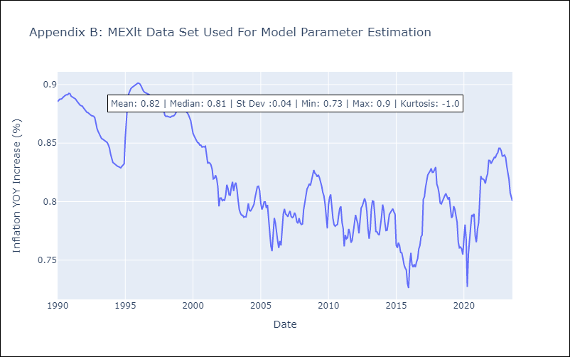

Appendix C: Residuals Analysis
Mean | 0.0
Variance | 0.0
White Noise? | Yes
Heteroskedastic? - ARCH | Yes
Normal? | No

