CRI
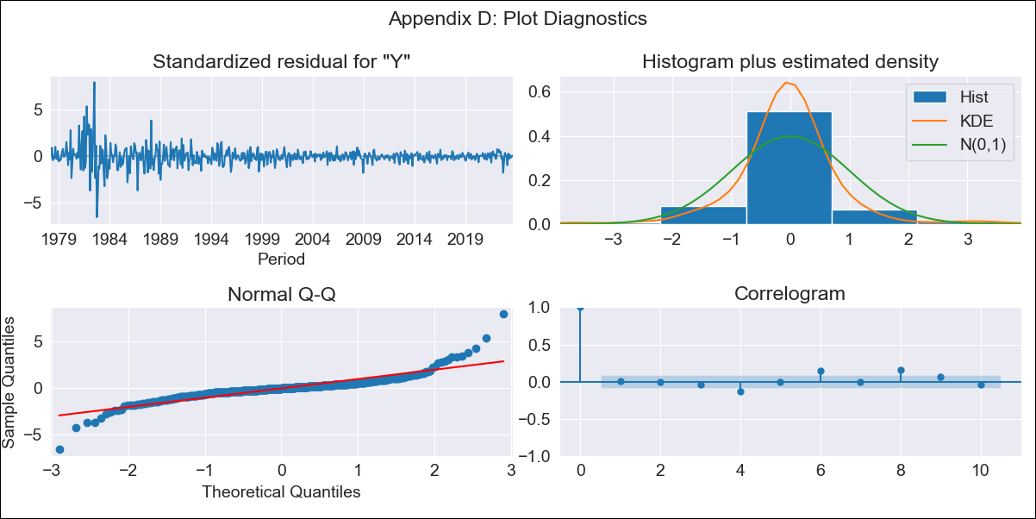
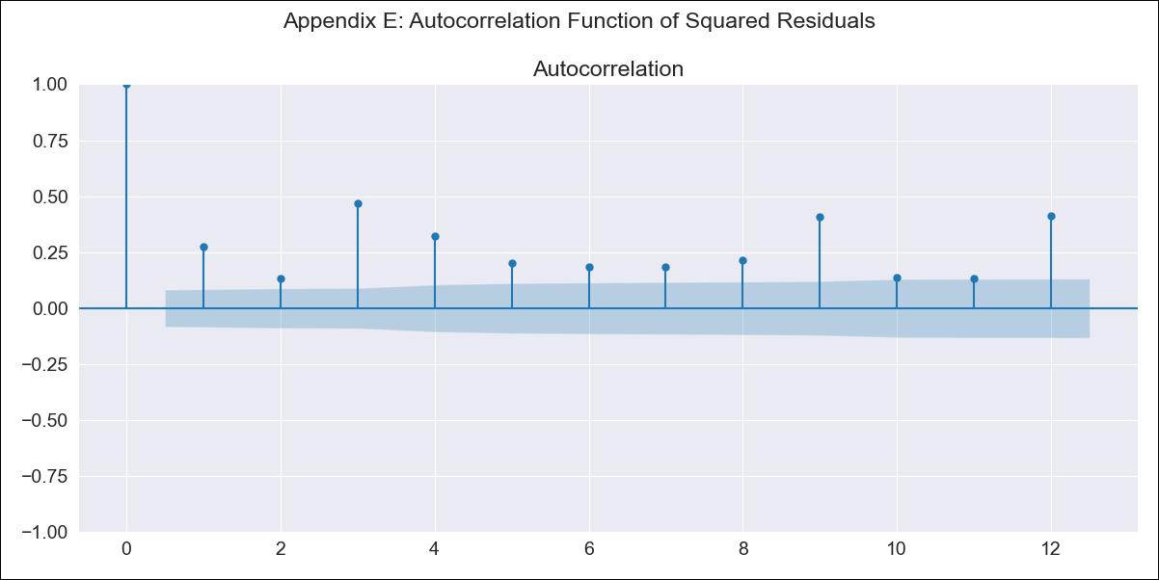
CRI - Inflation - Next 12 months forecast as of: 2023-08-01

Model | ARIMA - [(3, 1, 0), (0, 0, 1, 12)]
Training Data | 1977-01-01 to 2022-09-01
Test Data | 2022-09-01 to 2023-08-01

Date | Inflation Change YoY % | Lower Bound - 95% Confidence Interval | Upper Bound - 95% Confidence Interval
2023-09-01 | -2.52 | -4.73 | -0.31
2023-10-01 | -1.89 | -5.83 | 2.06
2023-11-01 | -1.87 | -7.63 | 3.89
2023-12-01 | -1.79 | -9.47 | 5.9
2024-01-01 | -1.68 | -11.3 | 7.94
2024-02-01 | -0.7 | -12.26 | 10.85
2024-03-01 | -0.49 | -13.95 | 12.97
2024-04-01 | 0.09 | -15.25 | 15.42
2024-05-01 | 0.37 | -16.8 | 17.54
2024-06-01 | 0.79 | -18.16 | 19.75
2024-07-01 | 1.18 | -19.51 | 21.87
2024-08-01 | 1.43 | -20.95 | 23.8

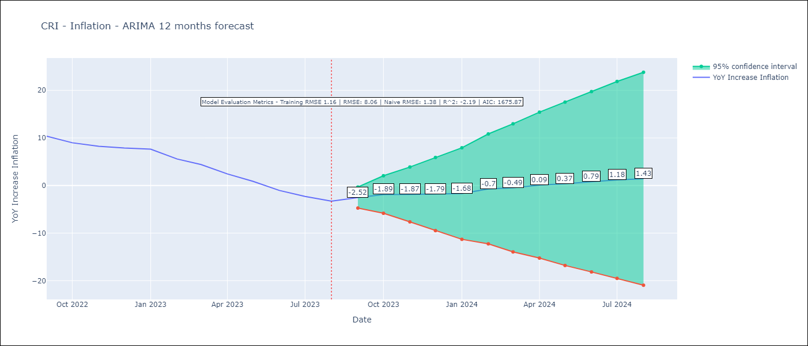

Test Metrics
RMSE | 8.06
Naive RMSE | 1.38
R^2 | -2.19

Test Predictions
Date | Predicted | Actual
2022-09-01 | 12.36 | 10.37
2022-10-01 | 12.66 | 8.99
2022-11-01 | 12.7 | 8.26
2022-12-01 | 13.08 | 7.88
2023-01-01 | 13.53 | 7.65
2023-02-01 | 13.1 | 5.58
2023-03-01 | 12.59 | 4.42
2023-04-01 | 11.65 | 2.44
2023-05-01 | 10.71 | 0.88
2023-06-01 | 9.55 | -1.04
2023-07-01 | 8.98 | -2.29
2023-08-01 | 8.45 | -3.28

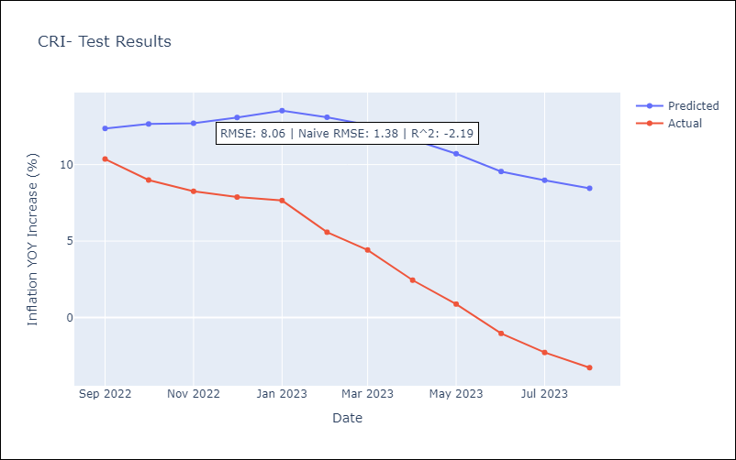

Appendix A: Model Summary
Model | ARIMA(3, 1, 0)x(0, 0, [1], 12)
Sample | 01-01-1977- 08-01-2023
No. of Observations | 560
Terms | P-value (Statistical significance)
ar.L1 | 0.000
ar.L2 | 0.000
ar.L3 | 0.000
ma.S.L12 | 0.000
sigma2 | 0.000
Assumptions | P-value | Interpretation
Ljung-Box (L1) | 0.98 | Residuals are independent.
Heteroskedasticity | 0.00 | Residuals have different variances.
Jarque-Bera | 0.00 | Residuals are not normally distributed.
Skew | 0.82 | Positive skew - model underestimates the mean.
Kurtosis | 17.16 | Residuals contain more extreme outliers than in a normal distribution.

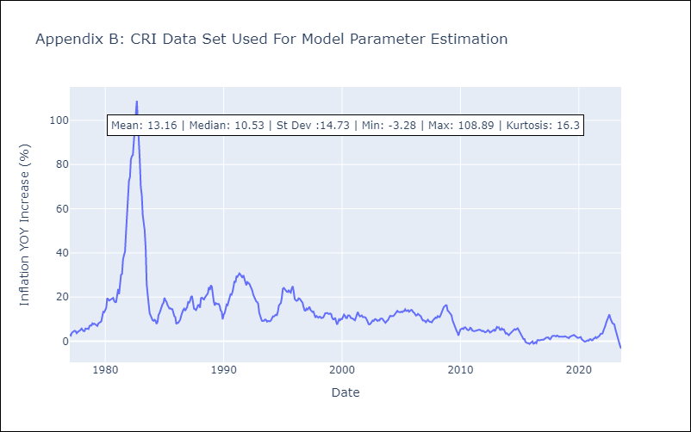

Appendix C: Residuals Analysis
Mean | -0.03
Variance | 1.34
White Noise? | No - Correlation at Lags [ 4 6 7 8 9 10 11 12]
Heteroskedastic? - ARCH | Yes
Normal? | No

