CRI-LT
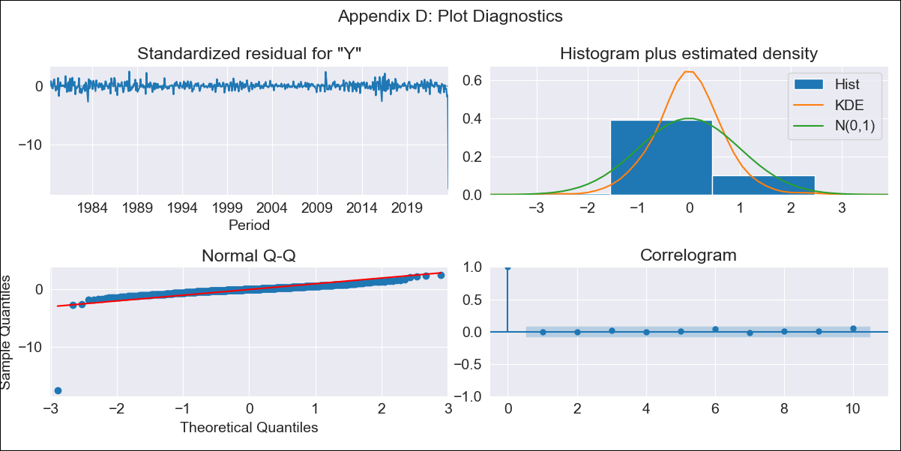

CRI-LT - Inflation - Next 12 months forecast as of: 2023-08-01

Model | ARIMA - [(3, 0, 1), (2, 0, 0, 12)]
Training Data | 1977-01-01 to 2022-09-01
Test Data | 2022-09-01 to 2023-08-01

Date | Inflation Change YoY % | Lower Bound - 95% Confidence Interval | Upper Bound - 95% Confidence Interval
2023-09-01
2023-10-01
2023-11-01
2023-12-01
2024-01-01
2024-02-01
2024-03-01
2024-04-01
2024-05-01
2024-06-01
2024-07-01
2024-08-01

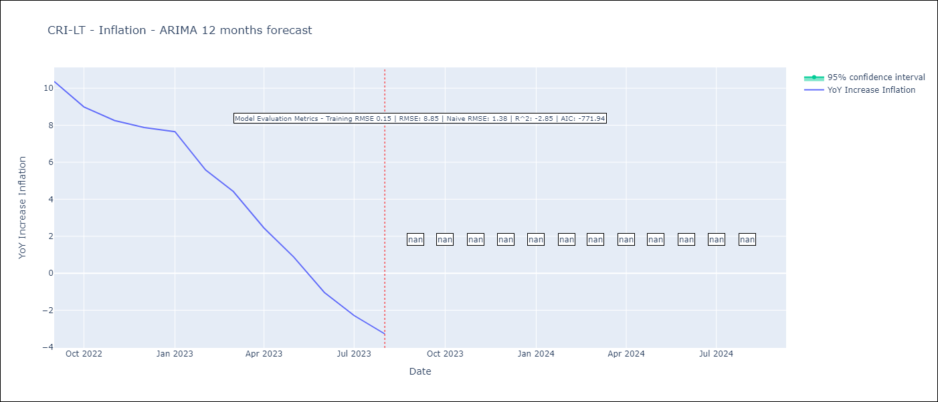

Test Metrics
RMSE | 8.85
Naive RMSE | 1.38
R^2 | -2.85

Test Predictions
Date | Predicted | Actual
2022-09-01 | 12.26 | 10.37
2022-10-01 | 12.56 | 8.99
2022-11-01 | 12.69 | 8.26
2022-12-01 | 13.03 | 7.88
2023-01-01 | 13.66 | 7.65
2023-02-01 | 13.48 | 5.58
2023-03-01 | 13.31 | 4.42
2023-04-01 | 12.06 | 2.44
2023-05-01 | 11.39 | 0.88
2023-06-01 | 10.62 | -1.04
2023-07-01 | 10.69 | -2.29
2023-08-01 | 10.63 | -3.28

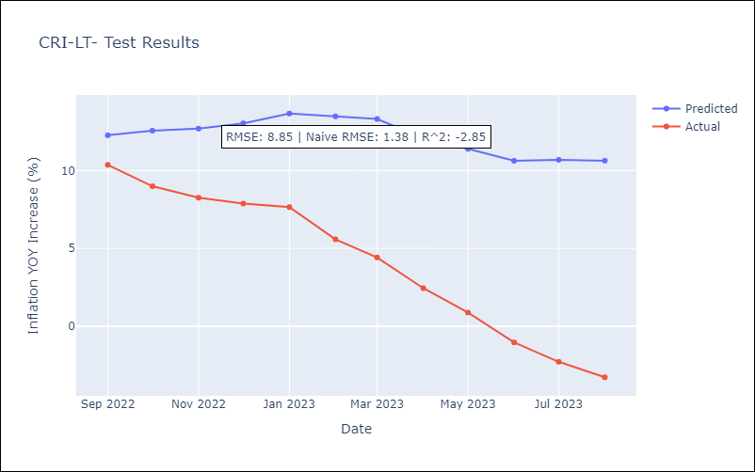

Appendix A: Model Summary
Model | ARIMA(3, 0, 1)x(2, 0, [], 12)
Sample | 01-01-1977- 08-01-2023
No. of Observations | 560
Terms | P-value (Statistical significance)
const | 0.310
ar.L1 | 0.000
ar.L2 | 0.055
ar.L3 | 0.802
ma.L1 | 0.155
ar.S.L12 | 0.000
ar.S.L24 | 0.000
sigma2 | 0.000
Assumptions | P-value | Interpretation
Ljung-Box (L1) | 1.00 | Residuals are independent.
Heteroskedasticity | 0.00 | Residuals have different variances.
Jarque-Bera | 0.00 | Residuals are not normally distributed.
Skew | -10.20 | Negative skew - Model overestimates the mean.
Kurtosis | 180.94 | Residuals contain more extreme outliers than in a normal distribution.

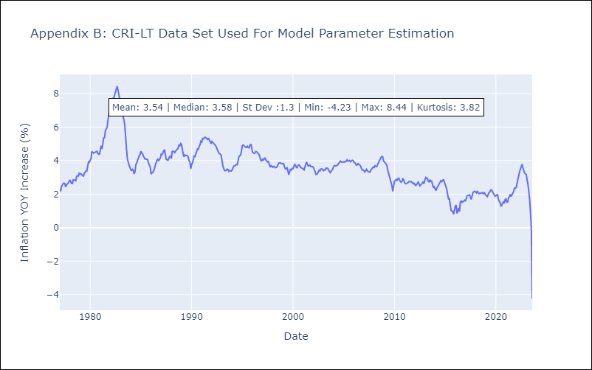

Appendix C: Residuals Analysis
Mean | -0.01
Variance | 0.05
White Noise? | Yes
Heteroskedastic? - ARCH | No
Normal? | No

